IB02
 | Scheme - Groww Liquid Fund (formrly known as Indiabulls Liquid Fund) |  | Benchmark - CRISIL Liquid Debt A-I Index |  | Potential Risk Class (PRC)
 | Scheme Risk-O-Meter |  | Benchmark Risk-O-Meter |  | PRC Level - BI
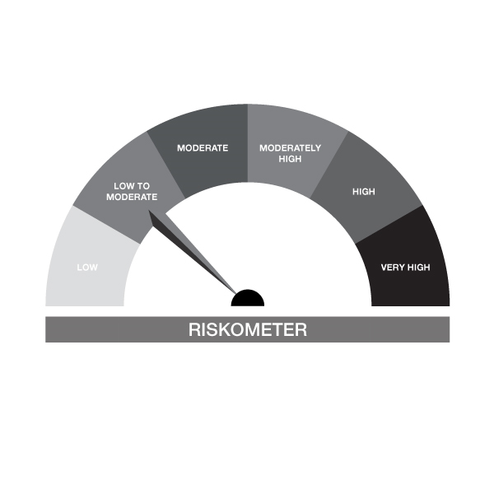
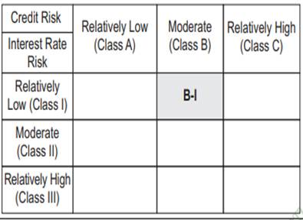

IB02-Groww Liquid Fund
Portfolio as on 31-OCT-2024
ISIN | Name of Instrument | Rating/Industry | Quantity | Market Value (In Rs. lakh) | % To Net Assets | Maturity Date | Put/Call Option | Yield
 | DEBT INSTRUMENTS
 | (a) Listed / awaiting listing on Stock Exchanges |  |  | NIL | NIL
 | Sub Total |  |  | NIL | NIL
 | (b) Privately placed / Unlisted |  |  | NIL | NIL
 | Sub Total |  |  | NIL | NIL
 | (c) Securitized Debt Instruments |  |  | NIL | NIL
 | Sub Total |  |  | NIL | NIL
 | (d) Government Securities / SDL |  |  | NIL | NIL
 | Sub Total |  |  | NIL | NIL
 | Total |  |  | NIL | NIL

 | MONEY MARKET INSTRUMENTS
 | Treasury Bills
IN002024X235 | 91 Days Treasury Bill 28-Nov-2024 | SOVEREIGN | 100,000.00 | 99.53 | 0.19% | 28-NOV-2024 |  | 6.45%
IN002024X276 | 91 Days Treasury Bill 09-Jan-2025 | SOVEREIGN | 2,000,000.00 | 1,975.72 | 3.83% | 09-JAN-2025 |  | 6.5%
IN002024X284 | 91 Days Treasury Bill 16-Jan-2025 | SOVEREIGN | 4,000,000.00 | 3,946.58 | 7.64% | 16-JAN-2025 |  | 6.5%
IN002024X201 | 91 Days Treasury Bill 07-Nov-2024 | SOVEREIGN | 1,000,000.00 | 998.94 | 1.94% | 07-NOV-2024 |  | 6.46%
IN002023Z356 | 364 Days Treasury Bill 14-Nov-2024 | SOVEREIGN | 1,500,000.00 | 1,496.56 | 2.90% | 14-NOV-2024 |  | 6.45%
IN002024X250 | 91 Days Treasury Bill 12-Dec-2024 | SOVEREIGN | 1,000,000.00 | 992.80 | 1.92% | 12-DEC-2024 |  | 6.45%
IN002023Z406 | 364 Days Treasury Bill 19-Dec-2024 | SOVEREIGN | 250,000.00 | 247.89 | 0.48% | 19-DEC-2024 |  | 6.47%
 | Sub Total |  |  | 9,758.03 | 18.90%
 | Commercial Papers
INE891K14OD1 | Axis Finance Limited 26-NOV-2024** | CRISIL A1+ | 500,000.00 | 497.49 | 0.96% | 26-NOV-2024 |  | 7.36%
INE763G14VO2 | ICICI Securities Limited 22-NOV-2024** | CRISIL A1+ | 1,000,000.00 | 995.79 | 1.93% | 22-NOV-2024 |  | 7.35%
INE860H143Q8 | Aditya Birla Finance Limited 06-NOV-2024** | FITCH A1+ | 1,360,000.00 | 1,358.64 | 2.63% | 06-NOV-2024 |  | 7.33%
INE296A14YY9 | Bajaj Finance Limited 25-NOV-2024** | CRISIL A1+ | 5,000,000.00 | 4,976.35 | 9.64% | 25-NOV-2024 |  | 7.23%
INE891K14NZ6 | Axis Finance Limited 14-NOV-2024** | CRISIL A1+ | 2,500,000.00 | 2,493.47 | 4.83% | 14-NOV-2024 |  | 7.36%
INE514E14RV7 | EXIM Bank 06-DEC-2024** | CRISIL A1+ | 5,000,000.00 | 4,966.38 | 9.62% | 06-DEC-2024 |  | 7.06%
 | Sub Total |  |  | 15,288.11 | 29.61%
 | Certificate of Deposits
INE562A16NJ3 | Indian Bank 09-DEC-2024**# | CRISIL A1+ | 1,500,000.00 | 1,489.06 | 2.88% | 09-DEC-2024 |  | 7.06%
INE090AD6105 | ICICI Bank Limited 06-DEC-2024**# | ICRA A1+ | 3,450,000.00 | 3,426.87 | 6.64% | 06-DEC-2024 |  | 7.04%
INE040A16EH3 | HDFC Bank Limited 06-DEC-2024**# | CARE A1+ | 3,000,000.00 | 2,979.77 | 5.77% | 06-DEC-2024 |  | 7.08%
INE556F16AM5 | SIDBI 11-DEC-2024**# | CARE A1+ | 5,000,000.00 | 4,961.51 | 9.61% | 11-DEC-2024 |  | 7.08%
INE028A16FO1 | Bank of Baroda 25-NOV-2024**# | FITCH A1+ | 1,000,000.00 | 995.42 | 1.93% | 25-NOV-2024 |  | 7%
INE476A16XI7 | Canara Bank 16-JAN-2025**# | CRISIL A1+ | 4,400,000.00 | 4,335.29 | 8.40% | 16-JAN-2025 |  | 7.17%
INE237A163V9 | Kotak Mahindra Bank Limited 14-JAN-2025**# | CRISIL A1+ | 1,500,000.00 | 1,478.57 | 2.86% | 14-JAN-2025 |  | 7.15%
INE238AD6637 | Axis Bank Limited 14-JAN-2025**# | CRISIL A1+ | 2,500,000.00 | 2,464.18 | 4.77% | 14-JAN-2025 |  | 7.17%
INE238AD6579 | Axis Bank Limited 29-NOV-2024**# | CRISIL A1+ | 910,000.00 | 905.12 | 1.75% | 29-NOV-2024 |  | 7.03%
INE237A164V7 | Kotak Mahindra Bank Limited 15-JAN-2025**# | CRISIL A1+ | 2,500,000.00 | 2,463.80 | 4.77% | 15-JAN-2025 |  | 7.15%
 | Sub Total |  |  | 25,499.58 | 49.40%
 | Total |  |  | 50,545.72 | 97.91%

 | FIXED DEPOSIT
INHDFC281124 | HDFC Bank Limited |  | 80,000.00 | 80.00 | 0.15% | 28-NOV-2024
 | Total |  |  | 80.00 | 0.15%

 | Alternative Investment Fund Units
INF0RQ622028 | SBI FUNDS MANAGEMENT PVT LMTD |  | 504.68 | 52.66 | 0.10%
 | Total |  |  | 52.66 | 0.10%

 | TREPS / Reverse Repo Investments / Corporate Debt Repo
INTREP041124 | CCIL |  | 200.00 | 19.99 | 0.04% | 04-NOV-2024
 | Total |  |  | 19.99 | 0.04%

 | Triparty Repo/ Reverse Repo Instrument
 | Reverse Repo 04-NOV-24 |  |  | 916.45 | 1.78%
 | Total |  |  | 916.45 | 1.78%

 | Cash & Cash Equivalents
 | Net Receivable/Payable |  |  | 8.98 | 0.02%
 | Total |  |  | 8.98 | 0.02%
 | Grand Total |  |  | 51,623.78 | 100.00%

** Non Traded Security
# Unlisted Securities

IB05
 | Scheme - Groww Dynamic Bond Fund (formerly known as INDIABULLS DYNAMIC BOND FUND) |  | Benchmark - CRISIL Dynamic Bond A-III Index |  | Potential Risk Class (PRC)
 | Scheme Risk-O-Meter |  | Benchmark Risk-O-Meter |  | PRC Level - BIII

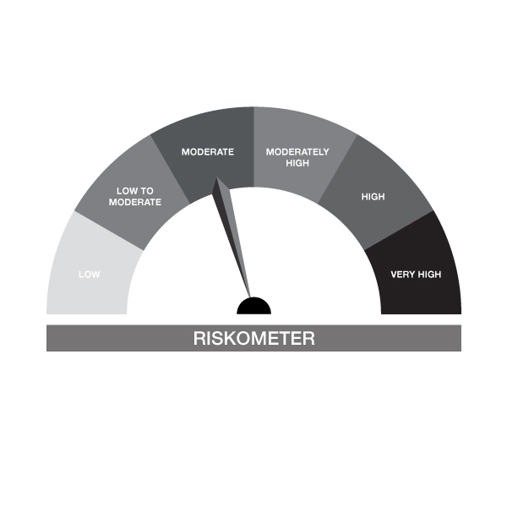

IB05-Groww Dynamic Bond Fund
Portfolio as on 31-OCT-2024
ISIN | Name of Instrument | Rating/Industry | Quantity | Market Value (In Rs. lakh) | % To Net Assets | Maturity Date | Put/Call Option | Yield
 | DEBT INSTRUMENTS
 | (a) Listed / awaiting listing on Stock Exchanges
 | Non Convertible Debentures / Bonds
INE020B08AQ9 | 7.7% REC Limited 10-DEC-2027** | CRISIL AAA | 200,000.00 | 201.63 | 3.86% | 10-DEC-2027 |  | 7.4%
INE115A07QM6 | 7.77% LIC Housing Finance Limited 11-AUG-2028** | CRISIL AAA | 200,000.00 | 200.92 | 3.85% | 11-AUG-2028 |  | 7.61%
INE053F07BA5 | 8.55% Indian Railway Finance Corporation Ltd 21-FEB-2029** | CRISIL AAA | 50,000.00 | 52.41 | 1.00% | 21-FEB-2029 |  | 7.22%
INE556F08KM1 | 7.79% SIDBI 14-MAY-2027** | CARE AAA | 20,000.00 | 20.14 | 0.39% | 14-MAY-2027 |  | 7.48%
 | Sub Total |  |  | 475.10 | 9.11%
 | (b) Privately placed / Unlisted |  |  | NIL | NIL
 | Sub Total |  |  | NIL | NIL
 | (c) Securitized Debt Instruments |  |  | NIL | NIL
 | Sub Total |  |  | NIL | NIL
 | (d) Government Securities / SDL
IN0020240050 | 7.04% GOI - 03-Jun-2029 | SOVEREIGN | 1,000,000.00 | 1,010.25 | 19.36% | 03-JUN-2029 |  | 6.77%
IN0020240035 | 7.34% GOI - 22-Apr-2064 | SOVEREIGN | 550,000.00 | 574.48 | 11.01% | 22-APR-2064 |  | 7.01%
IN0020230051 | 7.30% GOI - 19-JUN-2053 | SOVEREIGN | 500,000.00 | 520.06 | 9.97% | 19-JUN-2053 |  | 6.97%
IN0020220037 | 7.38% GOI MAT 20-Jun-2027 | SOVEREIGN | 50,000.00 | 50.75 | 0.97% | 20-JUN-2027 |  | 6.74%
 | Sub Total |  |  | 2,155.54 | 41.31%
 | Total |  |  | 2,630.65 | 50.42%

 | MONEY MARKET INSTRUMENTS
 | Treasury Bills
IN002023Z406 | 364 Days Treasury Bill 19-Dec-2024 | SOVEREIGN | 150,000.00 | 148.73 | 2.85% | 19-DEC-2024 |  | 6.47%
 | Sub Total |  |  | 148.73 | 2.85%
 | Commercial Papers
INE860H143Q8 | Aditya Birla Finance Limited 06-NOV-2024** | FITCH A1+ | 140,000.00 | 139.86 | 2.68% | 06-NOV-2024 |  | 7.33%
 | Sub Total |  |  | 139.86 | 2.68%
 | Certificate of Deposits
INE476A16XI7 | Canara Bank 16-JAN-2025**# | CRISIL A1+ | 500,000.00 | 492.65 | 9.44% | 16-JAN-2025 |  | 7.17%
INE090AD6105 | ICICI Bank Limited 06-DEC-2024**# | ICRA A1+ | 50,000.00 | 49.66 | 0.95% | 06-DEC-2024 |  | 7.04%
 | Sub Total |  |  | 542.31 | 10.39%
 | Total |  |  | 830.91 | 15.93%

 | FIXED DEPOSIT
INHDFC191124 | HDFC Bank Limited |  | 80,000.00 | 80.00 | 1.53% | 19-NOV-2024
 | Total |  |  | 80.00 | 1.53%

 | Alternative Investment Fund Units
INF0RQ622028 | SBI FUNDS MANAGEMENT PVT LMTD |  | 95.91 | 10.01 | 0.19%
 | Total |  |  | 10.01 | 0.19%

 | TREPS / Reverse Repo Investments / Corporate Debt Repo
INTREP041124 | CCIL |  | 16,090.00 | 1,608.18 | 30.82% | 04-NOV-2024
 | Total |  |  | 1,608.18 | 30.82%

 | Cash & Cash Equivalents
 | Net Receivable/Payable |  |  | 57.83 | 1.11%
 | Total |  |  | 57.83 | 1.11%
 | Grand Total |  |  | 5,217.57 | 100.00%

** Non Traded Security
# Unlisted Securities

IB10
 | Scheme - Groww Short Duration Fund (formerly known as INDIABULLS SHORT TERM FUND) | Benchmark - CRISIL Short Duration Debt A-II Index |  |  | Potential Risk Class (PRC)
 | Scheme Risk-O-Meter | Benchmark Risk-O-Meter |  |  | PRC Level - BII
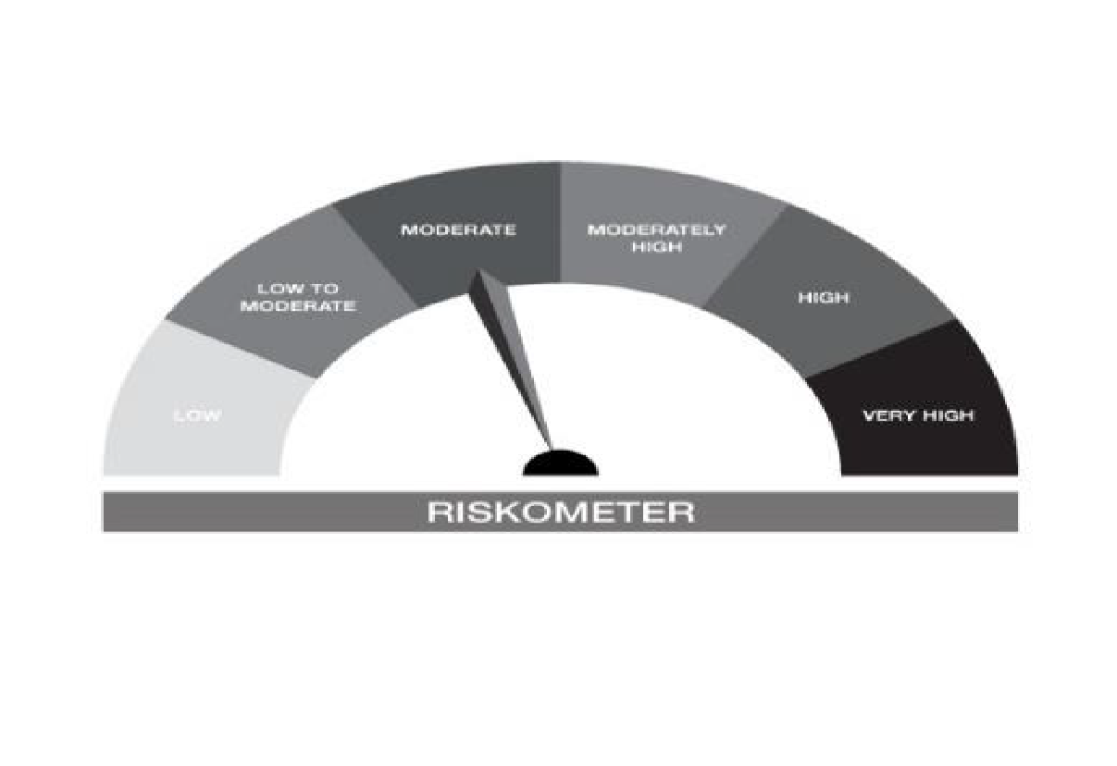


IB10-Groww Short Duration Fund
Portfolio as on 31-OCT-2024
ISIN | Name of Instrument | Rating/Industry | Quantity | Market Value (In Rs. lakh) | % To Net Assets | Maturity Date | Put/Call Option | Yield
 | DEBT INSTRUMENTS
 | (a) Listed / awaiting listing on Stock Exchanges
 | Non Convertible Debentures / Bonds
INE134E08LX5 | 7.59% Power Finance Corporation Limited 17-JAN-2028** | CRISIL AAA | 500,000.00 | 502.75 | 9.12% | 17-JAN-2028 |  | 7.39%
INE377Y07490 | 7.98% Bajaj Housing Finance Ltd 09-SEP-2026 | CRISIL AAA | 500,000.00 | 502.24 | 9.11% | 09-SEP-2026 |  | 7.69%
INE296A07SI8 | 7.9% Bajaj Finance Limited 13-APR-2028** | CRISIL AAA | 500,000.00 | 501.54 | 9.10% | 13-APR-2028 |  | 7.77%
INE556F08KM1 | 7.79% SIDBI 14-MAY-2027** | CARE AAA | 480,000.00 | 483.48 | 8.77% | 14-MAY-2027 |  | 7.48%
INE053F07BA5 | 8.55% Indian Railway Finance Corporation Ltd 21-FEB-2029** | CRISIL AAA | 450,000.00 | 471.71 | 8.55% | 21-FEB-2029 |  | 7.22%
INE020B08AQ9 | 7.7% REC Limited 10-DEC-2027** | CRISIL AAA | 300,000.00 | 302.44 | 5.49% | 10-DEC-2027 |  | 7.4%
INE115A07QM6 | 7.77% LIC Housing Finance Limited 11-AUG-2028** | CRISIL AAA | 300,000.00 | 301.38 | 5.47% | 11-AUG-2028 |  | 7.61%
 | Sub Total |  |  | 3,065.54 | 55.60%
 | (b) Privately placed / Unlisted |  |  | NIL | NIL
 | Sub Total |  |  | NIL | NIL
 | (c) Securitized Debt Instruments |  |  | NIL | NIL
 | Sub Total |  |  | NIL | NIL
 | (d) Government Securities / SDL
IN0020230101 | 7.37% GOI - 23-OCT-2028 | SOVEREIGN | 450,000.00 | 459.32 | 8.33% | 23-OCT-2028 |  | 6.77%
IN1520180143 | 8.65% Gujarat SDL - 10-Oct-2028 | SOVEREIGN | 200,000.00 | 211.27 | 3.83% | 10-OCT-2028 |  | 6.99%
IN1920170124 | 7.69% Karnataka- SDL - 20-Dec-2027 | SOVEREIGN | 100,000.00 | 102.17 | 1.85% | 20-DEC-2027 |  | 6.91%
IN0020220037 | 7.38% GOI MAT 20-Jun-2027 | SOVEREIGN | 50,000.00 | 50.75 | 0.92% | 20-JUN-2027 |  | 6.74%
 | Sub Total |  |  | 823.51 | 14.94%
 | Total |  |  | 3,889.05 | 70.53%

 | MONEY MARKET INSTRUMENTS
 | Treasury Bills
IN002023Z406 | 364 Days Treasury Bill 19-Dec-2024 | SOVEREIGN | 100,000.00 | 99.16 | 1.80% | 19-DEC-2024 |  | 6.47%
 | Sub Total |  |  | 99.16 | 1.80%
 | Certificate of Deposits
INE476A16XI7 | Canara Bank 16-JAN-2025**# | CRISIL A1+ | 100,000.00 | 98.53 | 1.79% | 16-JAN-2025 |  | 7.17%
INE238AD6579 | Axis Bank Limited 29-NOV-2024**# | CRISIL A1+ | 90,000.00 | 89.52 | 1.62% | 29-NOV-2024 |  | 7.03%
 | Sub Total |  |  | 188.05 | 3.41%
 | Total |  |  | 287.20 | 5.21%

 | FIXED DEPOSIT
INHDFC181124 | HDFC Bank Limited |  | 50,000.00 | 50.00 | 0.91% | 18-NOV-2024
 | Total |  |  | 50.00 | 0.91%

 | Alternative Investment Fund Units
INF0RQ622028 | SBI FUNDS MANAGEMENT PVT LMTD |  | 96.68 | 10.09 | 0.18%
 | Total |  |  | 10.09 | 0.18%

 | TREPS / Reverse Repo Investments / Corporate Debt Repo
INTREP041124 | CCIL |  | 11,580.00 | 1,157.41 | 20.99% | 04-NOV-2024
 | Total |  |  | 1,157.41 | 20.99%

 | Cash & Cash Equivalents
 | Net Receivable/Payable |  |  | 120.21 | 2.18%
 | Total |  |  | 120.21 | 2.18%
 | Grand Total |  |  | 5,513.96 | 100.00%

** Non Traded Security
# Unlisted Securities

IB16
 | Scheme - Groww Overnight Fund (formerly known as INDIABULLS OVERNIGHT FUND) | Benchmark - CRISIL Liquid Overnight Index |  |  | Potential Risk Class (PRC)
 | Scheme Risk-O-Meter | Benchmark Risk-O-Meter |  |  | PRC Level - AI
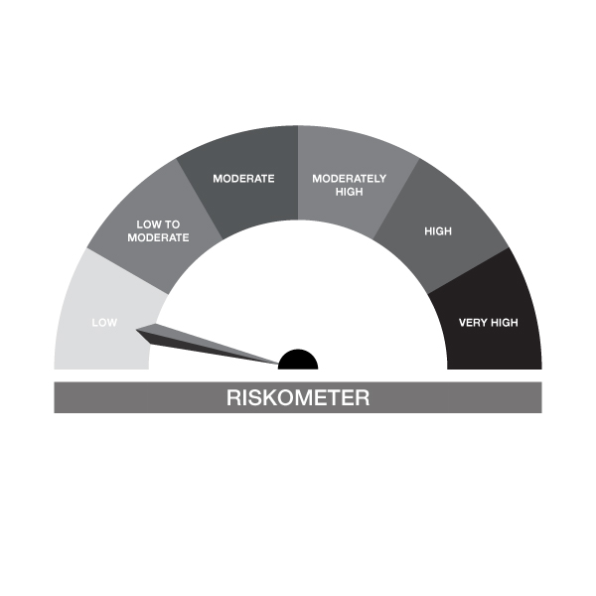


IB16-Groww Overnight Fund
Portfolio as on 31-OCT-2024
ISIN | Name of Instrument | Rating/Industry | Quantity | Market Value (In Rs. lakh) | % To Net Assets | Maturity Date | Put/Call Option | Yield
 | DEBT INSTRUMENTS
 | (a) Listed / awaiting listing on Stock Exchanges |  |  | NIL | NIL
 | Sub Total |  |  | NIL | NIL
 | (b) Privately placed / Unlisted |  |  | NIL | NIL
 | Sub Total |  |  | NIL | NIL
 | (c) Securitized Debt Instruments |  |  | NIL | NIL
 | Sub Total |  |  | NIL | NIL
 | (d) Government Securities / SDL |  |  | NIL | NIL
 | Sub Total |  |  | NIL | NIL
 | Total |  |  | NIL | NIL

 | MONEY MARKET INSTRUMENTS
 | Treasury Bills
IN002024X201 | 91 Days Treasury Bill 07-Nov-2024 | SOVEREIGN | 50,000.00 | 49.95 | 2.48% | 07-NOV-2024 |  | 6.46%
 | Sub Total |  |  | 49.95 | 2.48%
 | Total |  |  | 49.95 | 2.48%

 | TREPS / Reverse Repo Investments / Corporate Debt Repo
INTREP041124 | CCIL |  | 80.00 | 8.00 | 0.40% | 04-NOV-2024
 | Total |  |  | 8.00 | 0.40%

 | Triparty Repo/ Reverse Repo Instrument
 | Reverse Repo 04-NOV-24 |  |  | 1,950.68 | 96.76%
 | Total |  |  | 1,950.68 | 96.76%

 | Cash & Cash Equivalents
 | Net Receivable/Payable |  |  | 7.39 | 0.37%
 | Total |  |  | 7.39 | 0.37%
 | Grand Total |  |  | 2,016.01 | 100.00%

