IB01
 | Scheme - Groww Large Cap Fund (formerly known as Indiabulls Blue Chip Fund) |  | Benchmark - NIFTY100 - TRI
 | Scheme Risk-O-Meter |  | Benchmark Risk-O-Meter
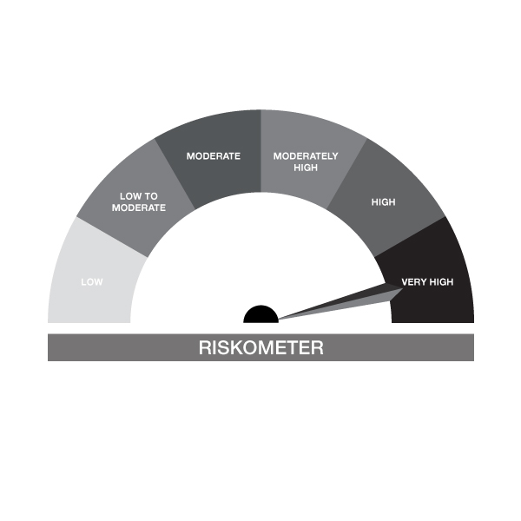

IB01-Groww Large Cap Fund
Portfolio as on 31-MAY-2024
ISIN | Name of Instrument | Rating/Industry | Quantity | Market Value (In Rs. lakh) | % To Net Assets | Maturity Date | Put/Call Option | Yield
 | EQUITY & EQUITY RELATED
 | (a) Listed / awaiting listing on the stock exchanges
INE040A01034 | HDFC Bank Limited | Banks | 74,211.00 | 1,136.58 | 9.37%
INE018A01030 | Larsen & Toubro Limited | Construction | 30,256.00 | 1,110.18 | 9.16%
INE090A01021 | ICICI Bank Limited | Banks | 97,475.00 | 1,092.74 | 9.01%
INE002A01018 | Reliance Industries Limited | Petroleum Products | 23,389.00 | 669.11 | 5.52%
INE397D01024 | Bharti Airtel Limited | Telecom - Services | 33,041.00 | 453.57 | 3.74%
INE733E01010 | NTPC Limited | Power | 125,583.00 | 450.84 | 3.72%
INE062A01020 | State Bank of India | Banks | 49,781.00 | 413.36 | 3.41%
INE238A01034 | Axis Bank Limited | Banks | 34,144.00 | 396.80 | 3.27%
INE101A01026 | Mahindra & Mahindra Limited | Automobiles | 15,511.00 | 388.74 | 3.21%
INE646L01027 | InterGlobe Aviation Limited | Transport Services | 8,942.00 | 374.58 | 3.09%
INE481G01011 | UltraTech Cement Limited | Cement & Cement Products | 3,500.00 | 347.04 | 2.86%
INE467B01029 | Tata Consultancy Services Limited | IT - Software | 8,388.00 | 307.92 | 2.54%
INE216A01030 | Britannia Industries Limited | Food Products | 5,886.00 | 304.88 | 2.51%
INE298A01020 | Cummins India Limited | Industrial Products | 8,500.00 | 301.86 | 2.49%
INE758T01015 | Zomato Limited | Retailing | 156,491.00 | 280.35 | 2.31%
INE585B01010 | Maruti Suzuki India Limited | Automobiles | 2,141.00 | 265.47 | 2.19%
INE171Z01026 | Bharat Dynamics Limited | Aerospace & Defense | 16,968.00 | 264.25 | 2.18%
INE262H01021 | PERSISTENT SYSTEMS LTD | IT - Software | 7,526.00 | 256.67 | 2.12%
INE296A01024 | Bajaj Finance Limited | Finance | 3,825.00 | 256.19 | 2.11%
INE263A01024 | Bharat Electronics Limited | Aerospace & Defense | 84,624.00 | 250.44 | 2.07%
INE917I01010 | Bajaj Auto Limited | Automobiles | 2,666.00 | 242.20 | 2.00%
INE749A01030 | Jindal Steel & Power Limited | Ferrous Metals | 22,281.00 | 229.08 | 1.89%
INE121A01024 | Cholamandalam Invest & Finance Co Ltd | Finance | 18,297.00 | 227.08 | 1.87%
INE775A01035 | Samvardhana Motherson International Ltd | Auto Components | 150,133.00 | 227.08 | 1.87%
INE280A01028 | Titan Company Limited | Consumer Durables | 6,347.00 | 205.76 | 1.70%
INE095A01012 | IndusInd Bank Limited | Banks | 13,645.00 | 199.47 | 1.64%
INE009A01021 | Infosys Limited | IT - Software | 13,252.00 | 186.44 | 1.54%
INE081A01020 | Tata Steel Limited | Ferrous Metals | 109,918.00 | 183.78 | 1.52%
INE860A01027 | HCL Technologies Limited | IT - Software | 13,082.00 | 173.22 | 1.43%
INE012A01025 | ACC Limited | Cement & Cement Products | 6,738.00 | 171.58 | 1.41%
INE117A01022 | ABB India Limited | Electrical Equipment | 1,458.00 | 121.28 | 1.00%
INE200M01021 | Varun Beverages Limited | Beverages | 7,937.00 | 113.25 | 0.93%
INE044A01036 | Sun Pharmaceutical Industries Limited | Pharmaceuticals & Biotechnology | 7,626.00 | 111.32 | 0.92%
INE192R01011 | Avenue Supermarts Limited | Retailing | 2,529.00 | 108.80 | 0.90%
INE158A01026 | Hero MotoCorp Limited | Automobiles | 1,200.00 | 61.44 | 0.51%
 | Sub Total |  |  | 11,883.38 | 98.00%
 | (b) Unlisted |  |  | NIL | NIL
 | Sub Total |  |  | NIL | NIL
 | Total |  |  | 11,883.38 | 98.00%

 | DERIVATIVES
 | Kotak Mahindra Bank Limited 27/06/2024 |  | 7,200.00 | 121.97 | 1.01% | 27-JUN-2024
 | Hero MotoCorp Limited 27/06/2024 |  | 1,800.00 | 92.69 | 0.76% | 27-JUN-2024
 | Total |  |  | 214.66 | 1.77%

 | DEBT INSTRUMENTS
 | (a) Listed / awaiting listing on Stock Exchanges
 | Non Convertible Debentures / Bonds
INE216A08027 | 5.50% Britannia Industries Limited 03-JUN-2024** | CRISIL AAA | 338.00 | 0.10 | 0.00% | 03-JUN-2024 |  | 7.47%
 | Sub Total |  |  | 0.10 | 0.00%
 | (b) Privately placed / Unlisted |  |  | NIL | NIL
 | Sub Total |  |  | NIL | NIL
 | (c) Securitized Debt Instruments |  |  | NIL | NIL
 | Sub Total |  |  | NIL | NIL
 | (d) Government Securities / SDL |  |  | NIL | NIL
 | Sub Total |  |  | NIL | NIL
 | Total |  |  | 0.10 | 0.00%

 | MONEY MARKET INSTRUMENTS
 | Total |  |  | NIL | NIL

 | Mutual Fund Units
INF666M01451 | Groww Mutual Fund |  | 4,408.05 | 104.39 | 0.86%
 | Total |  |  | 104.39 | 0.86%

 | TREPS / Reverse Repo Investments / Corporate Debt Repo
INTREP030624 | CCIL |  | 2,230.00 | 222.92 | 1.84% | 03-JUN-2024
 | Total |  |  | 222.92 | 1.84%

 | Cash & Cash Equivalents
 | Net Receivable/Payable |  |  | -299.01 | -2.47%
 | Total |  |  | -299.01 | -2.47%
 | Grand Total |  |  | 12,126.44 | 100.00%

** Non Traded Security

IB02
 | Scheme - Groww Liquid Fund (formrly known as Indiabulls Liquid Fund) |  | Benchmark - CRISIL Liquid Debt A-I Index |  | Potential Risk Class (PRC)
 | Scheme Risk-O-Meter |  | Benchmark Risk-O-Meter |  | PRC Level - BI
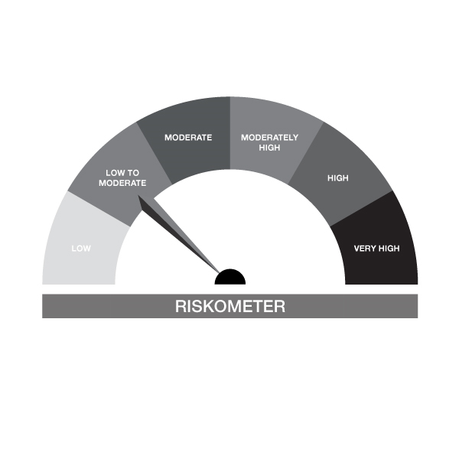
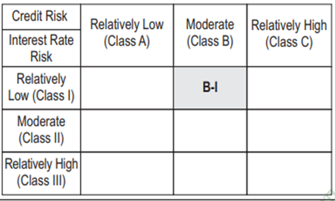

IB02-Groww Liquid Fund
Portfolio as on 31-MAY-2024
ISIN | Name of Instrument | Rating/Industry | Quantity | Market Value (In Rs. lakh) | % To Net Assets | Maturity Date | Put/Call Option | Yield
 | DEBT INSTRUMENTS
 | (a) Listed / awaiting listing on Stock Exchanges |  |  | NIL | NIL
 | Sub Total |  |  | NIL | NIL
 | (b) Privately placed / Unlisted |  |  | NIL | NIL
 | Sub Total |  |  | NIL | NIL
 | (c) Securitized Debt Instruments |  |  | NIL | NIL
 | Sub Total |  |  | NIL | NIL
 | (d) Government Securities / SDL |  |  | NIL | NIL
 | Sub Total |  |  | NIL | NIL
 | Total |  |  | NIL | NIL

 | MONEY MARKET INSTRUMENTS
 | Treasury Bills
IN002024X037 | 91 Days Treasury Bill 19-Jul-2024 | SOVEREIGN | 1,000,000.00 | 991.09 | 4.63% | 19-JUL-2024 |  | 6.84%
IN002023Y466 | 182 Days Treasury Bill 08-Aug-2024 | SOVEREIGN | 1,500,000.00 | 1,480.96 | 6.92% | 08-AUG-2024 |  | 6.9%
IN002023Y458 | 182 Days Treasury Bill 01-Aug-2024 | SOVEREIGN | 500,000.00 | 494.30 | 2.31% | 01-AUG-2024 |  | 6.9%
IN002024X060 | 91 Days Treasury Bill 02-Aug-2024 | SOVEREIGN | 500,000.00 | 494.21 | 2.31% | 02-AUG-2024 |  | 6.9%
IN002024X045 | 91 Days Treasury Bill 25-Jul-2024 | SOVEREIGN | 500,000.00 | 494.99 | 2.31% | 25-JUL-2024 |  | 6.84%
 | Sub Total |  |  | 3,955.56 | 18.49%
 | Commercial Papers
INE700G14KG3 | HDFC Securities Limited 29-AUG-2024** | ICRA A1+ | 500,000.00 | 490.61 | 2.29% | 29-AUG-2024 |  | 7.85%
INE763G14TQ1 | ICICI Securities Limited 12-JUN-2024** | CRISIL A1+ | 200,000.00 | 199.55 | 0.93% | 12-JUN-2024 |  | 7.41%
INE481G14EH1 | UltraTech Cement Limited 13-JUN-2024** | CRISIL A1+ | 900,000.00 | 897.92 | 4.20% | 13-JUN-2024 |  | 7.06%
INE01C314817 | BAJAJ FINANCIAL SECURITIES LIMITED 08-AUG-2024** | CRISIL A1+ | 1,000,000.00 | 985.48 | 4.61% | 08-AUG-2024 |  | 7.91%
INE700G14JP6 | HDFC Securities Limited 26-JUL-2024** | ICRA A1+ | 1,000,000.00 | 988.38 | 4.62% | 26-JUL-2024 |  | 7.8%
INE860H143A2 | Aditya Birla Finance Limited 25-JUL-2024** | FITCH A1+ | 500,000.00 | 494.33 | 2.31% | 25-JUL-2024 |  | 7.75%
INE557F14FK1 | National Housing Bank 28-AUG-2024** | CRISIL A1+ | 2,000,000.00 | 1,966.18 | 9.19% | 28-AUG-2024 |  | 7.14%
INE261F14LF8 | NABARD 06-JUN-2024** | CRISIL A1+ | 500,000.00 | 499.52 | 2.34% | 06-JUN-2024 |  | 7%
INE763G14TW9 | ICICI Securities Limited 26-JUN-2024** | CRISIL A1+ | 1,000,000.00 | 994.86 | 4.65% | 26-JUN-2024 |  | 7.55%
 | Sub Total |  |  | 7,516.83 | 35.15%
 | Certificate of Deposits
INE476A16XW8 | Canara Bank 11-JUN-2024# | CRISIL A1+ | 700,000.00 | 698.66 | 3.27% | 11-JUN-2024 |  | 7%
INE040A16ET8 | HDFC Bank Limited 10-JUN-2024**# | CARE A1+ | 1,000,000.00 | 998.27 | 4.67% | 10-JUN-2024 |  | 7.02%
INE160A16OO4 | Punjab National Bank 13-JUN-2024**# | CARE A1+ | 1,500,000.00 | 1,496.55 | 7.00% | 13-JUN-2024 |  | 7.01%
INE556F16AK9 | SIDBI 06-JUN-2024# | CRISIL A1+ | 1,300,000.00 | 1,298.76 | 6.07% | 06-JUN-2024 |  | 6.95%
INE514E16CG5 | EXIM Bank 10-JUN-2024**# | CRISIL A1+ | 1,200,000.00 | 1,197.93 | 5.60% | 10-JUN-2024 |  | 7%
INE476A16YD6 | Canara Bank 27-JUN-2024**# | CRISIL A1+ | 1,000,000.00 | 995.04 | 4.65% | 27-JUN-2024 |  | 7%
INE237A163U1 | Kotak Mahindra Bank Limited 07-JUN-2024# | CRISIL A1+ | 700,000.00 | 699.21 | 3.27% | 07-JUN-2024 |  | 6.9%
INE028A16FD4 | Bank of Baroda 05-JUN-2024**# | FITCH A1+ | 1,800,000.00 | 1,798.64 | 8.41% | 05-JUN-2024 |  | 6.9%
 | Sub Total |  |  | 9,183.06 | 42.94%
 | Total |  |  | 20,655.45 | 96.58%

 | FIXED DEPOSIT
INHDFC030624 | HDFC Bank Limited |  | 60,000.00 | 60.00 | 0.28% | 03-JUN-2024
 | Total |  |  | 60.00 | 0.28%

 | Alternative Investment Fund Units
INF0RQ622028 | SBI FUNDS MANAGEMENT PVT LMTD |  | 504.68 | 51.73 | 0.24%
 | Total |  |  | 51.73 | 0.24%

 | TREPS / Reverse Repo Investments / Corporate Debt Repo
INTREP030624 | CCIL |  | 2,630.00 | 262.90 | 1.23% | 03-JUN-2024
 | Total |  |  | 262.90 | 1.23%

 | Triparty Repo/ Reverse Repo Instrument
 | Reverse Repo 03-JUN-24 |  |  | 348.21 | 1.63%
 | Total |  |  | 348.21 | 1.63%

 | Cash & Cash Equivalents
 | Net Receivable/Payable |  |  | 9.58 | 0.04%
 | Total |  |  | 9.58 | 0.04%
 | Grand Total |  |  | 21,387.88 | 100.00%

** Non Traded Security
# Unlisted Securities

IB05
 | Scheme - Groww Dynamic Bond Fund (formerly known as INDIABULLS DYNAMIC BOND FUND) |  | Benchmark - CRISIL Dynamic Bond A-III Index |  | Potential Risk Class (PRC)
 | Scheme Risk-O-Meter |  | Benchmark Risk-O-Meter |  | PRC Level - BIII

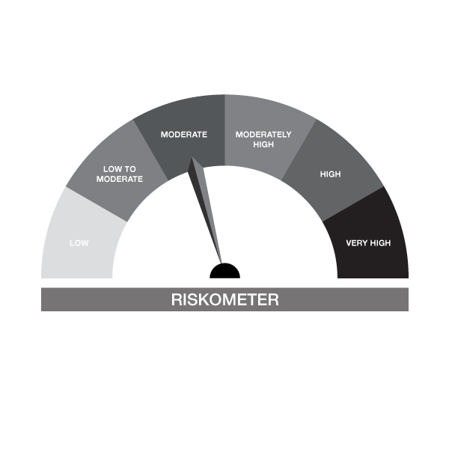

IB05-Groww Dynamic Bond Fund
Portfolio as on 31-MAY-2024
ISIN | Name of Instrument | Rating/Industry | Quantity | Market Value (In Rs. lakh) | % To Net Assets | Maturity Date | Put/Call Option | Yield
 | DEBT INSTRUMENTS
 | (a) Listed / awaiting listing on Stock Exchanges
 | Non Convertible Debentures / Bonds
INE296A07TA3 | 8.1% Bajaj Finance Limited 22-MAY-2026** | CRISIL AAA | 200,000.00 | 199.63 | 5.21% | 22-MAY-2026 |  | 8.2%
INE557F08FN7 | 7.34% National Housing Bank 07-AUG-2025** | CRISIL AAA | 200,000.00 | 199.28 | 5.20% | 07-AUG-2025 |  | 7.7%
INE660A07RH9 | 7.4% Sundaram Finance Limited 26-AUG-2025 | CRISIL AAA | 200,000.00 | 198.31 | 5.17% | 26-AUG-2025 |  | 8.1%
 | Sub Total |  |  | 597.23 | 15.58%
 | (b) Privately placed / Unlisted |  |  | NIL | NIL
 | Sub Total |  |  | NIL | NIL
 | (c) Securitized Debt Instruments |  |  | NIL | NIL
 | Sub Total |  |  | NIL | NIL
 | (d) Government Securities / SDL
IN0020240019 | 7.10% GOI - 08-Apr-2034 | SOVEREIGN | 1,400,000.00 | 1,411.12 | 36.82% | 08-APR-2034 |  | 6.99%
IN0020230010 | 7.06% GOI - 10-Apr-2028 | SOVEREIGN | 199,000.00 | 199.03 | 5.19% | 10-APR-2028 |  | 7.05%
IN0020230077 | 7.18% GOI - 24-Jul-2037 | SOVEREIGN | 50,000.00 | 50.46 | 1.32% | 24-JUL-2037 |  | 7.07%
IN0020220037 | 7.38% GOI MAT 20-Jun-2027 | SOVEREIGN | 50,000.00 | 50.44 | 1.32% | 20-JUN-2027 |  | 7.05%
 | Sub Total |  |  | 1,711.04 | 44.65%
 | Total |  |  | 2,308.27 | 60.24%

 | MONEY MARKET INSTRUMENTS
 | Commercial Papers
INE481G14EH1 | UltraTech Cement Limited 13-JUN-2024** | CRISIL A1+ | 100,000.00 | 99.77 | 2.60% | 13-JUN-2024 |  | 7.06%
INE261F14LF8 | NABARD 06-JUN-2024** | CRISIL A1+ | 100,000.00 | 99.90 | 2.61% | 06-JUN-2024 |  | 7%
 | Sub Total |  |  | 199.67 | 5.21%
 | Certificate of Deposits
INE090AD6089 | ICICI Bank Limited 12-JUN-2024**# | ICRA A1+ | 200,000.00 | 199.58 | 5.21% | 12-JUN-2024 |  | 7%
INE028A16FD4 | Bank of Baroda 05-JUN-2024**# | FITCH A1+ | 100,000.00 | 99.92 | 2.61% | 05-JUN-2024 |  | 6.9%
INE556F16AK9 | SIDBI 06-JUN-2024# | CRISIL A1+ | 100,000.00 | 99.90 | 2.61% | 06-JUN-2024 |  | 6.95%
 | Sub Total |  |  | 399.41 | 10.42%
 | Total |  |  | 599.08 | 15.63%

 | FIXED DEPOSIT
INHDFC100624 | HDFC Bank Limited |  | 80,000.00 | 80.00 | 2.09% | 10-JUN-2024
 | Total |  |  | 80.00 | 2.09%

 | Alternative Investment Fund Units
INF0RQ622028 | SBI FUNDS MANAGEMENT PVT LMTD |  | 92.62 | 9.49 | 0.25%
 | Total |  |  | 9.49 | 0.25%

 | TREPS / Reverse Repo Investments / Corporate Debt Repo
INTREP030624 | CCIL |  | 6,540.00 | 653.76 | 17.06% | 03-JUN-2024
 | Total |  |  | 653.76 | 17.06%

 | Cash & Cash Equivalents
 | Net Receivable/Payable |  |  | 181.49 | 4.74%
 | Total |  |  | 181.49 | 4.74%
 | Grand Total |  |  | 3,832.10 | 100.00%

** Non Traded Security
# Unlisted Securities

IB10
 | Scheme - Groww Short Duration Fund (formerly known as INDIABULLS SHORT TERM FUND) | Benchmark - CRISILShort Duration Debt A-II Index |  |  | Potential Risk Class (PRC)
 | Scheme Risk-O-Meter | Benchmark Risk-O-Meter |  |  | PRC Level - BII
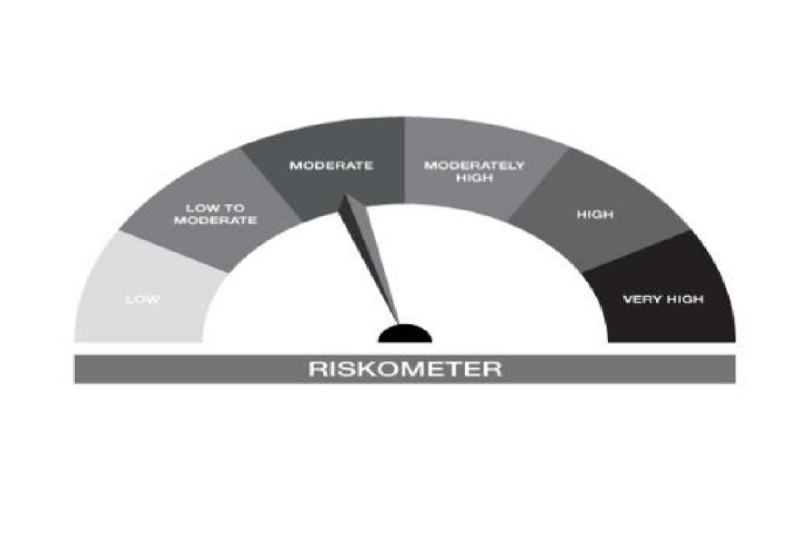


IB10-Groww Short Duration Fund
Portfolio as on 31-MAY-2024
ISIN | Name of Instrument | Rating/Industry | Quantity | Market Value (In Rs. lakh) | % To Net Assets | Maturity Date | Put/Call Option | Yield
 | DEBT INSTRUMENTS
 | (a) Listed / awaiting listing on Stock Exchanges
 | Non Convertible Debentures / Bonds
INE296A07TA3 | 8.1% Bajaj Finance Limited 22-MAY-2026** | CRISIL AAA | 300,000.00 | 299.45 | 7.76% | 22-MAY-2026 |  | 8.2%
INE557F08FN7 | 7.34% National Housing Bank 07-AUG-2025** | CRISIL AAA | 300,000.00 | 298.92 | 7.75% | 07-AUG-2025 |  | 7.7%
INE660A07RH9 | 7.4% Sundaram Finance Limited 26-AUG-2025 | CRISIL AAA | 300,000.00 | 297.47 | 7.71% | 26-AUG-2025 |  | 8.1%
 | Sub Total |  |  | 895.84 | 23.22%
 | (b) Privately placed / Unlisted |  |  | NIL | NIL
 | Sub Total |  |  | NIL | NIL
 | (c) Securitized Debt Instruments |  |  | NIL | NIL
 | Sub Total |  |  | NIL | NIL
 | (d) Government Securities / SDL
IN0020230101 | 7.37% GOI - 23-OCT-2028 | SOVEREIGN | 1,000,000.00 | 1,011.92 | 26.23% | 23-OCT-2028 |  | 7.05%
IN2120170062 | 7.65% Madhya Pradesh- SDL - 01-Nov-2027 | SOVEREIGN | 280,000.00 | 282.64 | 7.33% | 01-NOV-2027 |  | 7.33%
IN1520180143 | 8.65% Gujarat SDL - 10-Oct-2028 | SOVEREIGN | 200,000.00 | 209.33 | 5.43% | 10-OCT-2028 |  | 7.38%
IN1920170124 | 7.69% Karnataka- SDL - 20-Dec-2027 | SOVEREIGN | 100,000.00 | 101.18 | 2.62% | 20-DEC-2027 |  | 7.3%
IN0020240019 | 7.10% GOI - 08-Apr-2034 | SOVEREIGN | 100,000.00 | 100.79 | 2.61% | 08-APR-2034 |  | 6.99%
IN1520160194 | 7.59% GUJARAT SDL - 15-Feb-2027 | SOVEREIGN | 100,000.00 | 100.69 | 2.61% | 15-FEB-2027 |  | 7.3%
IN1520140105 | 8.05% Gujarat- SDL - 25-Feb-2025 | SOVEREIGN | 100,000.00 | 100.61 | 2.61% | 25-FEB-2025 |  | 7.15%
IN2220160013 | 8.08% Maharashtra- SDL - 15-Jun-2026 | SOVEREIGN | 50,000.00 | 50.74 | 1.32% | 15-JUN-2026 |  | 7.28%
IN0020220037 | 7.38% GOI MAT 20-Jun-2027 | SOVEREIGN | 50,000.00 | 50.44 | 1.31% | 20-JUN-2027 |  | 7.05%
IN3120161424 | 7.62% Tamil Nadu- SDL - 29-Mar-2027 | SOVEREIGN | 48,700.00 | 49.10 | 1.27% | 29-MAR-2027 |  | 7.28%
 | Sub Total |  |  | 2,057.45 | 53.34%
 | Total |  |  | 2,953.29 | 76.56%

 | MONEY MARKET INSTRUMENTS
 | Certificate of Deposits
INE028A16FD4 | Bank of Baroda 05-JUN-2024**# | FITCH A1+ | 100,000.00 | 99.92 | 2.59% | 05-JUN-2024 |  | 6.9%
INE556F16AK9 | SIDBI 06-JUN-2024# | CRISIL A1+ | 100,000.00 | 99.90 | 2.59% | 06-JUN-2024 |  | 6.95%
INE514E16CG5 | EXIM Bank 10-JUN-2024**# | CRISIL A1+ | 300,000.00 | 299.48 | 7.76% | 10-JUN-2024 |  | 7%
 | Sub Total |  |  | 499.31 | 12.94%
 | Total |  |  | 499.31 | 12.94%

 | FIXED DEPOSIT
INHDFC100624 | HDFC Bank Limited |  | 50,000.00 | 50.00 | 1.30% | 10-JUN-2024
 | Total |  |  | 50.00 | 1.30%

 | Alternative Investment Fund Units
INF0RQ622028 | SBI FUNDS MANAGEMENT PVT LMTD |  | 93.87 | 9.62 | 0.25%
 | Total |  |  | 9.62 | 0.25%

 | TREPS / Reverse Repo Investments / Corporate Debt Repo
INTREP030624 | CCIL |  | 2,900.00 | 289.89 | 7.52% | 03-JUN-2024
 | Total |  |  | 289.89 | 7.52%

 | Cash & Cash Equivalents
 | Net Receivable/Payable |  |  | 55.12 | 1.43%
 | Total |  |  | 55.12 | 1.43%
 | Grand Total |  |  | 3,857.24 | 100.00%

** Non Traded Security
# Unlisted Securities

IB16
 | Scheme - Groww Overnight Fund (formerly known as INDIABULLS OVERNIGHT FUND) | Benchmark - CRISIL Liquid Overnight Index |  |  | Potential Risk Class (PRC)
 | Scheme Risk-O-Meter | Benchmark Risk-O-Meter |  |  | PRC Level - AI

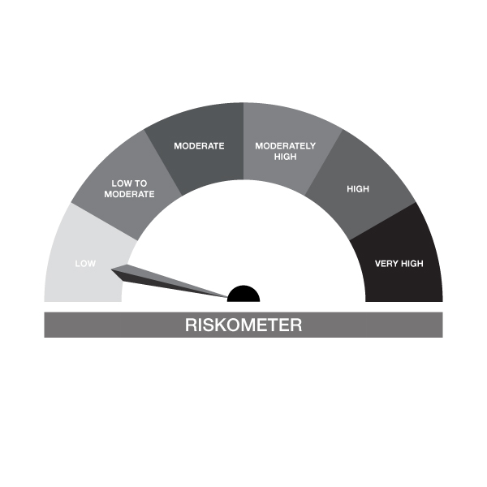

IB16-Groww Overnight Fund
Portfolio as on 31-MAY-2024
ISIN | Name of Instrument | Rating/Industry | Quantity | Market Value (In Rs. lakh) | % To Net Assets | Maturity Date | Put/Call Option | Yield
 | DEBT INSTRUMENTS
 | (a) Listed / awaiting listing on Stock Exchanges |  |  | NIL | NIL
 | Sub Total |  |  | NIL | NIL
 | (b) Privately placed / Unlisted |  |  | NIL | NIL
 | Sub Total |  |  | NIL | NIL
 | (c) Securitized Debt Instruments |  |  | NIL | NIL
 | Sub Total |  |  | NIL | NIL
 | (d) Government Securities / SDL |  |  | NIL | NIL
 | Sub Total |  |  | NIL | NIL
 | Total |  |  | NIL | NIL

 | MONEY MARKET INSTRUMENTS
 | Treasury Bills
IN002023Z125 | 364 Days Treasury Bill 13-Jun-2024 | SOVEREIGN | 100,000.00 | 99.78 | 2.52% | 13-JUN-2024 |  | 6.7%
 | Sub Total |  |  | 99.78 | 2.52%
 | Total |  |  | 99.78 | 2.52%

 | TREPS / Reverse Repo Investments / Corporate Debt Repo
INTREP030624 | CCIL |  | 390.00 | 38.99 | 0.99% | 03-JUN-2024
 | Total |  |  | 38.99 | 0.99%

 | Triparty Repo/ Reverse Repo Instrument
 | Reverse Repo 03-JUN-24 |  |  | 3,815.34 | 96.42%
 | Total |  |  | 3,815.34 | 96.42%

 | Cash & Cash Equivalents
 | Net Receivable/Payable |  |  | 2.93 | 0.07%
 | Total |  |  | 2.93 | 0.07%
 | Grand Total |  |  | 3,957.04 | 100.00%

