IB01
 | Scheme - Groww Large Cap Fund (formerly known as Indiabulls Blue Chip Fund) |  | Benchmark - NIFTY 100-TRI
 | Scheme Risk-O-Meter |  | Benchmark Risk-O-Meter
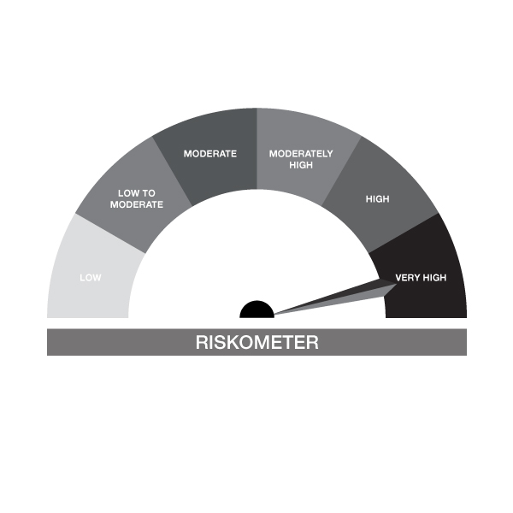

IB01-Groww Large Cap Fund
Portfolio as on 31-OCT-2024
ISIN | Name of Instrument | Rating/Industry | Quantity | Market Value (In Rs. lakh) | % To Net Assets | Maturity Date | Put/Call Option | Yield
 | EQUITY & EQUITY RELATED
 | (a) Listed / awaiting listing on the stock exchanges
INE018A01030 | Larsen & Toubro Limited | Construction | 32,016.00 | 1,159.72 | 9.22%
INE090A01021 | ICICI Bank Limited | Banks | 80,305.00 | 1,037.74 | 8.25%
INE062A01020 | State Bank of India | Banks | 95,695.00 | 784.89 | 6.24%
INE733E01010 | NTPC Limited | Power | 153,718.00 | 627.40 | 4.99%
INE238A01034 | Axis Bank Limited | Banks | 53,553.00 | 620.97 | 4.94%
INE860A01027 | HCL Technologies Limited | IT - Software | 27,702.00 | 489.23 | 3.89%
INE009A01021 | Infosys Limited | IT - Software | 26,290.00 | 461.98 | 3.67%
INE101A01026 | Mahindra & Mahindra Limited | Automobiles | 16,660.00 | 454.58 | 3.61%
INE397D01024 | Bharti Airtel Limited | Telecom - Services | 27,996.00 | 451.46 | 3.59%
INE646L01027 | InterGlobe Aviation Limited | Transport Services | 9,791.00 | 396.78 | 3.15%
INE481G01011 | UltraTech Cement Limited | Cement & Cement Products | 3,500.00 | 387.30 | 3.08%
INE044A01036 | Sun Pharmaceutical Industries Limited | Pharmaceuticals & Biotechnology | 20,942.00 | 387.20 | 3.08%
INE134E01011 | Power Finance Corporation Limited | Finance | 83,707.00 | 380.82 | 3.03%
INE216A01030 | Britannia Industries Limited | Food Products | 6,608.00 | 378.43 | 3.01%
INE028A01039 | Bank of Baroda | Banks | 107,699.00 | 270.28 | 2.15%
INE749A01030 | Jindal Steel & Power Limited | Ferrous Metals | 27,818.00 | 256.06 | 2.04%
INE002A01018 | Reliance Industries Limited | Petroleum Products | 19,072.00 | 254.05 | 2.02%
INE158A01026 | Hero MotoCorp Limited | Automobiles | 4,959.00 | 247.43 | 1.97%
INE040A01034 | HDFC Bank Limited | Banks | 14,244.00 | 247.23 | 1.97%
INE263A01024 | Bharat Electronics Limited | Aerospace & Defense | 84,624.00 | 241.09 | 1.92%
INE758T01015 | Zomato Limited | Retailing | 95,624.00 | 231.17 | 1.84%
INE214T01019 | LTIMindtree Ltd | IT - Software | 4,046.00 | 231.06 | 1.84%
INE0J1Y01017 | Life Insurance Corporation Of India | Insurance | 24,231.00 | 223.66 | 1.78%
INE117A01022 | ABB India Limited | Electrical Equipment | 2,977.00 | 221.17 | 1.76%
INE285B01017 | SPICEJET LTD | Transport Services | 357,143.00 | 219.18 | 1.74%
INE917I01010 | Bajaj Auto Limited | Automobiles | 2,198.00 | 216.20 | 1.72%
INE775A01035 | Samvardhana Motherson International Ltd | Auto Components | 112,293.00 | 203.19 | 1.62%
INE139A01034 | National Aluminium Company Limited | Non - Ferrous Metals | 86,172.00 | 195.89 | 1.56%
INE467B01029 | Tata Consultancy Services Limited | IT - Software | 3,074.00 | 121.99 | 0.97%
INE121A01024 | Cholamandalam Invest & Finance Co Ltd | Finance | 9,078.00 | 115.54 | 0.92%
INE737H01014 | Fiem Industries Ltd | Auto Components | 6,592.00 | 101.86 | 0.81%
 | Sub Total |  |  | 11,615.58 | 92.33%
 | (b) Unlisted |  |  | NIL | NIL
 | Sub Total |  |  | NIL | NIL
 | Total |  |  | 11,615.58 | 92.33%

 | DERIVATIVES
 | Hero MotoCorp Limited 28/11/2024 |  | 2,550.00 | 127.78 | 1.02% | 28-NOV-2024
 | Total |  |  | 127.78 | 1.02%

 | DEBT INSTRUMENTS
 | (a) Listed / awaiting listing on Stock Exchanges |  |  | NIL | NIL
 | Sub Total |  |  | NIL | NIL
 | (b) Privately placed / Unlisted |  |  | NIL | NIL
 | Sub Total |  |  | NIL | NIL
 | (c) Securitized Debt Instruments |  |  | NIL | NIL
 | Sub Total |  |  | NIL | NIL
 | (d) Government Securities / SDL |  |  | NIL | NIL
 | Sub Total |  |  | NIL | NIL
 | Total |  |  | NIL | NIL

 | MONEY MARKET INSTRUMENTS
 | Total |  |  | NIL | NIL

 | Mutual Fund Units
INF666M01451 | Groww Liquid Fund - Dir Plan Growth Opt |  | 4,408.05 | 107.52 | 0.85%
 | Total |  |  | 107.52 | 0.85%

 | TREPS / Reverse Repo Investments / Corporate Debt Repo
INTREP041124 | CCIL |  | 3,700.00 | 369.81 | 2.94% | 04-NOV-2024
 | Total |  |  | 369.81 | 2.94%

 | Cash & Cash Equivalents
 | Net Receivable/Payable |  |  | 360.04 | 2.86%
 | Total |  |  | 360.04 | 2.86%
 | Grand Total |  |  | 12,580.73 | 100.00%

Notes :
1) The provision made for investment in security below investment grade as on October 31, 2024 is Rs Nil and its percentage to Net Asset Value is Nil.
2) Net Assets Value per unit (in Rs) are as follows :
Plan/Option | As on October 31, 2024 | As on September 30, 2024
Regular Plan - Growth Option | 42.0600 | 44.8600
Regular Plan - IDCW Option (Payout & Reinvestment) | 23.7000 | 25.2800
Regular Plan - Monthly IDCW Option (Payout & Reinvestment) | 24.2200 | 25.8400
Regular Plan - Quarterly IDCW Option (Payout & Reinvestment) | 25.1100 | 26.7800
Regular Plan - Half Yearly IDCW Option (Payout & Reinvestment) | 25.2500 | 26.9400
Direct Plan - Growth Option | 49.9600 | 53.2200
Direct Plan - IDCW Option (Payout & Reinvestment) | 28.9600 | 30.8500
Direct Plan - Monthly IDCW Option (Payout & Reinvestment) | 22.3300 | 23.7900
Direct Plan - Quarterly IDCW Option (Payout & Reinvestment) | 27.8900 | 29.7100
Direct Plan - Half Yearly IDCW Option (Payout & Reinvestment) | 28.1000 | 29.9400

3) Details of Dividend declared per unit (in Rs.) during the Month of October 2024- NIL
4) No Bonus declared during the month October 2024
5) Total outstanding exposure in derivative instruments as on October 31, 2024 : Nil.
6) Total investments in Foreign Securities / Overseas ETFs as at October 31, 2024 and its percentage to NAV : Nil.
7) Details of repo transactions in corporate debt securities for the month of October 2024: Nil.
8) Details of transactions of (Credit Default Swap) for half year ended October 31, 2024 : Nil.
9) During the period, the portfolio turnover ratio is 1.54 times
10) Reverse Repo market value is considered as book cost plus accrued Interest.
11) Whether any security is in default beyond its maturity date: NIL
12) Whether during the period any investment is made in derivative instruments: NIL

Details of Stock Future / Index Future
Long/Short | Name of the Instrument | Industry | Quantity. | Market/Fair Value (Rs. in Lacs). | % to NAV.

IB02
 | Scheme - Groww Liquid Fund (formrly known as Indiabulls Liquid Fund) |  | Benchmark - CRISIL Liquid Debt A-I Index |  | Potential Risk Class (PRC)
 | Scheme Risk-O-Meter |  | Benchmark Risk-O-Meter |  | PRC Level - BI
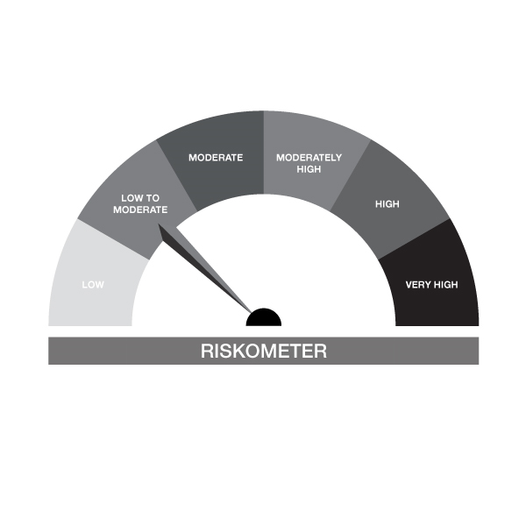
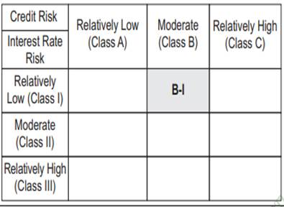

IB02-Groww Liquid Fund
Portfolio as on 31-OCT-2024
ISIN | Name of Instrument | Rating/Industry | Quantity | Market Value (In Rs. lakh) | % To Net Assets | Maturity Date | Put/Call Option | Yield
 | DEBT INSTRUMENTS
 | (a) Listed / awaiting listing on Stock Exchanges |  |  | NIL | NIL
 | Sub Total |  |  | NIL | NIL
 | (b) Privately placed / Unlisted |  |  | NIL | NIL
 | Sub Total |  |  | NIL | NIL
 | (c) Securitized Debt Instruments |  |  | NIL | NIL
 | Sub Total |  |  | NIL | NIL
 | (d) Government Securities / SDL |  |  | NIL | NIL
 | Sub Total |  |  | NIL | NIL
 | Total |  |  | NIL | NIL

 | MONEY MARKET INSTRUMENTS
 | Treasury Bills
IN002024X235 | 91 Days Treasury Bill 28-Nov-2024 | SOVEREIGN | 100,000.00 | 99.53 | 0.19% | 28-NOV-2024 |  | 6.45%
IN002024X276 | 91 Days Treasury Bill 09-Jan-2025 | SOVEREIGN | 2,000,000.00 | 1,975.72 | 3.83% | 09-JAN-2025 |  | 6.5%
IN002024X284 | 91 Days Treasury Bill 16-Jan-2025 | SOVEREIGN | 4,000,000.00 | 3,946.58 | 7.64% | 16-JAN-2025 |  | 6.5%
IN002024X201 | 91 Days Treasury Bill 07-Nov-2024 | SOVEREIGN | 1,000,000.00 | 998.94 | 1.94% | 07-NOV-2024 |  | 6.46%
IN002023Z356 | 364 Days Treasury Bill 14-Nov-2024 | SOVEREIGN | 1,500,000.00 | 1,496.56 | 2.90% | 14-NOV-2024 |  | 6.45%
IN002024X250 | 91 Days Treasury Bill 12-Dec-2024 | SOVEREIGN | 1,000,000.00 | 992.80 | 1.92% | 12-DEC-2024 |  | 6.45%
IN002023Z406 | 364 Days Treasury Bill 19-Dec-2024 | SOVEREIGN | 250,000.00 | 247.89 | 0.48% | 19-DEC-2024 |  | 6.47%
 | Sub Total |  |  | 9,758.03 | 18.90%
 | Commercial Papers
INE891K14OD1 | Axis Finance Limited 26-NOV-2024** | CRISIL A1+ | 500,000.00 | 497.49 | 0.96% | 26-NOV-2024 |  | 7.36%
INE763G14VO2 | ICICI Securities Limited 22-NOV-2024** | CRISIL A1+ | 1,000,000.00 | 995.79 | 1.93% | 22-NOV-2024 |  | 7.35%
INE860H143Q8 | Aditya Birla Finance Limited 06-NOV-2024** | FITCH A1+ | 1,360,000.00 | 1,358.64 | 2.63% | 06-NOV-2024 |  | 7.33%
INE296A14YY9 | Bajaj Finance Limited 25-NOV-2024** | CRISIL A1+ | 5,000,000.00 | 4,976.35 | 9.64% | 25-NOV-2024 |  | 7.23%
INE891K14NZ6 | Axis Finance Limited 14-NOV-2024** | CRISIL A1+ | 2,500,000.00 | 2,493.47 | 4.83% | 14-NOV-2024 |  | 7.36%
INE514E14RV7 | EXIM Bank 06-DEC-2024** | CRISIL A1+ | 5,000,000.00 | 4,966.38 | 9.62% | 06-DEC-2024 |  | 7.06%
 | Sub Total |  |  | 15,288.11 | 29.61%
 | Certificate of Deposits
INE562A16NJ3 | Indian Bank 09-DEC-2024**# | CRISIL A1+ | 1,500,000.00 | 1,489.06 | 2.88% | 09-DEC-2024 |  | 7.06%
INE090AD6105 | ICICI Bank Limited 06-DEC-2024**# | ICRA A1+ | 3,450,000.00 | 3,426.87 | 6.64% | 06-DEC-2024 |  | 7.04%
INE040A16EH3 | HDFC Bank Limited 06-DEC-2024**# | CARE A1+ | 3,000,000.00 | 2,979.77 | 5.77% | 06-DEC-2024 |  | 7.08%
INE556F16AM5 | SIDBI 11-DEC-2024**# | CARE A1+ | 5,000,000.00 | 4,961.51 | 9.61% | 11-DEC-2024 |  | 7.08%
INE028A16FO1 | Bank of Baroda 25-NOV-2024**# | FITCH A1+ | 1,000,000.00 | 995.42 | 1.93% | 25-NOV-2024 |  | 7%
INE476A16XI7 | Canara Bank 16-JAN-2025**# | CRISIL A1+ | 4,400,000.00 | 4,335.29 | 8.40% | 16-JAN-2025 |  | 7.17%
INE237A163V9 | Kotak Mahindra Bank Limited 14-JAN-2025**# | CRISIL A1+ | 1,500,000.00 | 1,478.57 | 2.86% | 14-JAN-2025 |  | 7.15%
INE238AD6637 | Axis Bank Limited 14-JAN-2025**# | CRISIL A1+ | 2,500,000.00 | 2,464.18 | 4.77% | 14-JAN-2025 |  | 7.17%
INE238AD6579 | Axis Bank Limited 29-NOV-2024**# | CRISIL A1+ | 910,000.00 | 905.12 | 1.75% | 29-NOV-2024 |  | 7.03%
INE237A164V7 | Kotak Mahindra Bank Limited 15-JAN-2025**# | CRISIL A1+ | 2,500,000.00 | 2,463.80 | 4.77% | 15-JAN-2025 |  | 7.15%
 | Sub Total |  |  | 25,499.58 | 49.40%
 | Total |  |  | 50,545.72 | 97.91%

 | FIXED DEPOSIT
INHDFC281124 | HDFC Bank Limited |  | 80,000.00 | 80.00 | 0.15% | 28-NOV-2024
 | Total |  |  | 80.00 | 0.15%

 | Alternative Investment Fund Units
INF0RQ622028 | SBI FUNDS MANAGEMENT PVT LMTD |  | 504.68 | 52.66 | 0.10%
 | Total |  |  | 52.66 | 0.10%

 | TREPS / Reverse Repo Investments / Corporate Debt Repo
INTREP041124 | CCIL |  | 200.00 | 19.99 | 0.04% | 04-NOV-2024
 | Total |  |  | 19.99 | 0.04%

 | Triparty Repo/ Reverse Repo Instrument
 | Reverse Repo 04-NOV-24 |  |  | 916.45 | 1.78%
 | Total |  |  | 916.45 | 1.78%

 | Cash & Cash Equivalents
 | Net Receivable/Payable |  |  | 8.98 | 0.02%
 | Total |  |  | 8.98 | 0.02%
 | Grand Total |  |  | 51,623.78 | 100.00%

** Non Traded Security
# Unlisted Securities
Notes :
1) The provision made for investment in security below investment grade as on October 31, 2024 is Rs Nil and its percentage to Net Asset Value is Nil.
2) Net Assets Value per unit (in Rs) are as follows :
Plan/Option | As on October 31, 2024 | As on September 30, 2024
Regular Plan - Growth Option | 2,411.4212 | 2,397.3010
Regular Plan - Daily IDCW Option (Reinvestment) | 1,001.1452 | 1,001.1452
Regular Plan - Weekly IDCW Option (Payout & Reinvestment) | 1,002.1903 | 1,001.6073
Regular Plan - Fortnightly IDCW Option (Payout & Reinvestment) | 1,002.0870 | 1,002.0630
Regular Plan - Monthly IDCW Option (Payout & Reinvestment) | 1,006.4864 | 1,006.3470
Direct Plan - Growth Option | 2,439.2334 | 2,424.7435
Direct Plan - Daily IDCW Option ( Reinvestment) | 1,001.0600 | 1,001.0600
Direct Plan - Weekly IDCW Option (Payout & Reinvestment) | 1,001.5020 | 1,000.9115
Direct Plan - Fortnightly IDCW Option (Payout & Reinvestment) | 1,002.1256 | 1,002.0760
Direct Plan - Monthly IDCW Option (Payout & Reinvestment) | 1,035.2463 | 1,035.0579

3) Details of Dividend declared per unit (in Rs.) during the Month of October 2024
Plan/Option | Individuals/HUF | Other than Individual/HUF
Regular Plan - Daily IDCW Option (Reinvestment) | 5.83390 | 5.8339
Regular Plan - Weekly IDCW Option (Payout & Reinvestment) | 5.30110 | 5.3011
Regular Plan - Fortnightly IDCW Option (Payout & Reinvestment) | 5.84850 | 5.8485
Regular Plan - Monthly IDCW Option (Payout & Reinvestment) | 5.73620 | 5.7362
Direct Plan - Daily IDCW Option ( Reinvestment) | 5.9647 | 5.9647
Direct Plan - Weekly IDCW Option (Payout & Reinvestment) | 5.3757 | 5.3757
Direct Plan - Fortnightly IDCW Option (Payout & Reinvestment) | 5.9205 | 5.9205
Direct Plan - Monthly IDCW Option (Payout & Reinvestment) | 5.9631 | 5.9631
4) No Bonus declared during the month October 2024
5) Total outstanding exposure in derivative instruments as on October 31, 2024 : Nil.
6) Total investments in Foreign Securities / Overseas ETFs as at October 31, 2024 and its percentage to NAV : Nil.
7) Details of repo transactions in corporate debt securities for the month of October 2024: Nil.
8) Details of transactions of (Credit Default Swap) for half year ended October 31, 2024 : Nil.
9) Average maturity of the portfolio : 44.05 Days
10) Reverse Repo market value is considered as book cost plus accrued Interest.
11) Whether any security is in default beyond its maturity date: NIL
12) Whether during the period any investment is made in derivative instruments: NIL

IB05
 | Scheme - Groww Dynamic Bond Fund (formerly known as INDIABULLS DYNAMIC BOND FUND) |  | Benchmark - CRISIL Dynamic Bond A-III Index |  | Potential Risk Class (PRC)
 | Scheme Risk-O-Meter |  | Benchmark Risk-O-Meter |  | PRC Level - BIII

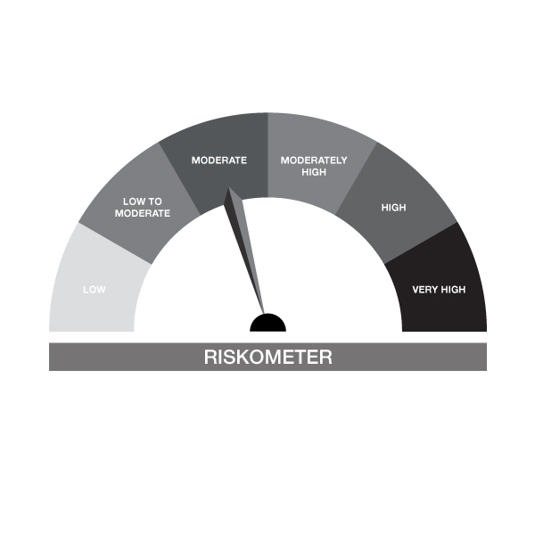

IB05-Groww Dynamic Bond Fund
Portfolio as on 31-OCT-2024
ISIN | Name of Instrument | Rating/Industry | Quantity | Market Value (In Rs. lakh) | % To Net Assets | Maturity Date | Put/Call Option | Yield
 | DEBT INSTRUMENTS
 | (a) Listed / awaiting listing on Stock Exchanges
 | Non Convertible Debentures / Bonds
INE020B08AQ9 | 7.7% REC Limited 10-DEC-2027** | CRISIL AAA | 200,000.00 | 201.63 | 3.86% | 10-DEC-2027 |  | 7.4%
INE115A07QM6 | 7.77% LIC Housing Finance Limited 11-AUG-2028** | CRISIL AAA | 200,000.00 | 200.92 | 3.85% | 11-AUG-2028 |  | 7.61%
INE053F07BA5 | 8.55% Indian Railway Finance Corporation Ltd 21-FEB-2029** | CRISIL AAA | 50,000.00 | 52.41 | 1.00% | 21-FEB-2029 |  | 7.22%
INE556F08KM1 | 7.79% SIDBI 14-MAY-2027** | CARE AAA | 20,000.00 | 20.14 | 0.39% | 14-MAY-2027 |  | 7.48%
 | Sub Total |  |  | 475.10 | 9.11%
 | (b) Privately placed / Unlisted |  |  | NIL | NIL
 | Sub Total |  |  | NIL | NIL
 | (c) Securitized Debt Instruments |  |  | NIL | NIL
 | Sub Total |  |  | NIL | NIL
 | (d) Government Securities / SDL
IN0020240050 | 7.04% GOI - 03-Jun-2029 | SOVEREIGN | 1,000,000.00 | 1,010.25 | 19.36% | 03-JUN-2029 |  | 6.77%
IN0020240035 | 7.34% GOI - 22-Apr-2064 | SOVEREIGN | 550,000.00 | 574.48 | 11.01% | 22-APR-2064 |  | 7.01%
IN0020230051 | 7.30% GOI - 19-JUN-2053 | SOVEREIGN | 500,000.00 | 520.06 | 9.97% | 19-JUN-2053 |  | 6.97%
IN0020220037 | 7.38% GOI MAT 20-Jun-2027 | SOVEREIGN | 50,000.00 | 50.75 | 0.97% | 20-JUN-2027 |  | 6.74%
 | Sub Total |  |  | 2,155.54 | 41.31%
 | Total |  |  | 2,630.65 | 50.42%

 | MONEY MARKET INSTRUMENTS
 | Treasury Bills
IN002023Z406 | 364 Days Treasury Bill 19-Dec-2024 | SOVEREIGN | 150,000.00 | 148.73 | 2.85% | 19-DEC-2024 |  | 6.47%
 | Sub Total |  |  | 148.73 | 2.85%
 | Commercial Papers
INE860H143Q8 | Aditya Birla Finance Limited 06-NOV-2024** | FITCH A1+ | 140,000.00 | 139.86 | 2.68% | 06-NOV-2024 |  | 7.33%
 | Sub Total |  |  | 139.86 | 2.68%
 | Certificate of Deposits
INE476A16XI7 | Canara Bank 16-JAN-2025**# | CRISIL A1+ | 500,000.00 | 492.65 | 9.44% | 16-JAN-2025 |  | 7.17%
INE090AD6105 | ICICI Bank Limited 06-DEC-2024**# | ICRA A1+ | 50,000.00 | 49.66 | 0.95% | 06-DEC-2024 |  | 7.04%
 | Sub Total |  |  | 542.31 | 10.39%
 | Total |  |  | 830.91 | 15.93%

 | FIXED DEPOSIT
INHDFC191124 | HDFC Bank Limited |  | 80,000.00 | 80.00 | 1.53% | 19-NOV-2024
 | Total |  |  | 80.00 | 1.53%

 | Alternative Investment Fund Units
INF0RQ622028 | SBI FUNDS MANAGEMENT PVT LMTD |  | 95.91 | 10.01 | 0.19%
 | Total |  |  | 10.01 | 0.19%

 | TREPS / Reverse Repo Investments / Corporate Debt Repo
INTREP041124 | CCIL |  | 16,090.00 | 1,608.18 | 30.82% | 04-NOV-2024
 | Total |  |  | 1,608.18 | 30.82%

 | Cash & Cash Equivalents
 | Net Receivable/Payable |  |  | 57.83 | 1.11%
 | Total |  |  | 57.83 | 1.11%
 | Grand Total |  |  | 5,217.57 | 100.00%

** Non Traded Security
# Unlisted Securities
Notes :
1) The provision made for investment in security below investment grade as on October 31, 2024 is Rs Nil and its percentage to Net Asset Value is Nil.
2) Net Assets Value per unit (in Rs) are as follows :
Plan/Option | As on October 31, 2024 | As on September 30, 2024
Regular Plan - Growth Option | 1,404.5279 | 1,404.1037
Regular Plan - Daily IDCW Option (Reinvestment) | 1,011.8062 | 1,011.7624
Regular Plan - Weekly IDCW Option (Payout & Reinvestment) | 1,009.2624 | 1,009.8273
Regular Plan - Fortnightly IDCW Option (Payout & Reinvestment) | 1,008.8837 | 1,008.5821
Regular Plan - Monthly IDCW Option (Payout & Reinvestment) | 1,007.3208 | 1,007.0191
Direct Plan - Growth Option | 1,457.0121 | 1,455.3327
Direct Plan - Daily IDCW Option ( Reinvestment) | 1,010.1150 | 1,009.3456
Direct Plan - Weekly IDCW Option (Payout & Reinvestment) | 1,009.7573 | 1,009.8334
Direct Plan - Fortnightly IDCW Option (Payout & Reinvestment) | 1,014.9790 | 1,013.7729
Direct Plan - Monthly IDCW Option (Payout & Reinvestment) | 1,008.2791 | 1,007.0124

3) Details of Dividend declared per unit (in Rs.) during the Month of October 2024
Plan/Option | Individuals/HUF | Other than Individual/HUF
Regular Plan - Daily IDCW Option (Reinvestment) | 0.26380 | 0.2638
Regular Plan - Weekly IDCW Option (Payout & Reinvestment) | 0.86940 | 0.8694
Regular Plan - Fortnightly IDCW Option (Payout & Reinvestment) | 0.00000 | 0.00000
Regular Plan - Monthly IDCW Option (Payout & Reinvestment) | 0.00000 | 0.00000
Direct Plan - Daily IDCW Option ( Reinvestment) | 0.00000 | 0.00000
Direct Plan - Weekly IDCW Option (Payout & Reinvestment) | 1.23640 | 1.2364
Direct Plan - Fortnightly IDCW Option (Payout & Reinvestment) | 0.00000 | 0.00000
Direct Plan - Monthly IDCW Option (Payout & Reinvestment) | 0.00000 | 0.00000
4) No Bonus declared during the month October 2024
5) Total outstanding exposure in derivative instruments as on October 31, 2024 : Nil.
6) Total investments in Foreign Securities / Overseas ETFs as at October 31, 2024 and its percentage to NAV : Nil.
7) Details of repo transactions in corporate debt securities for the month of October 2024: Nil.
8) Details of transactions of (Credit Default Swap) for half year ended October 31, 2024 : Nil.
9) Average maturity of the portfolio : 8.47 Days
10) Reverse Repo market value is considered as book cost plus accrued Interest.
11) Whether any security is in default beyond its maturity date: NIL
12) Whether during the period any investment is made in derivative instruments: NIL

IB10
 | Scheme - Groww Short Duration Fund (formerly known as INDIABULLS SHORT TERM FUND) | Benchmark - CRISIL Short Duration Debt A-II Index |  |  | Potential Risk Class (PRC)
 | Scheme Risk-O-Meter | Benchmark Risk-O-Meter |  |  | PRC Level - BII
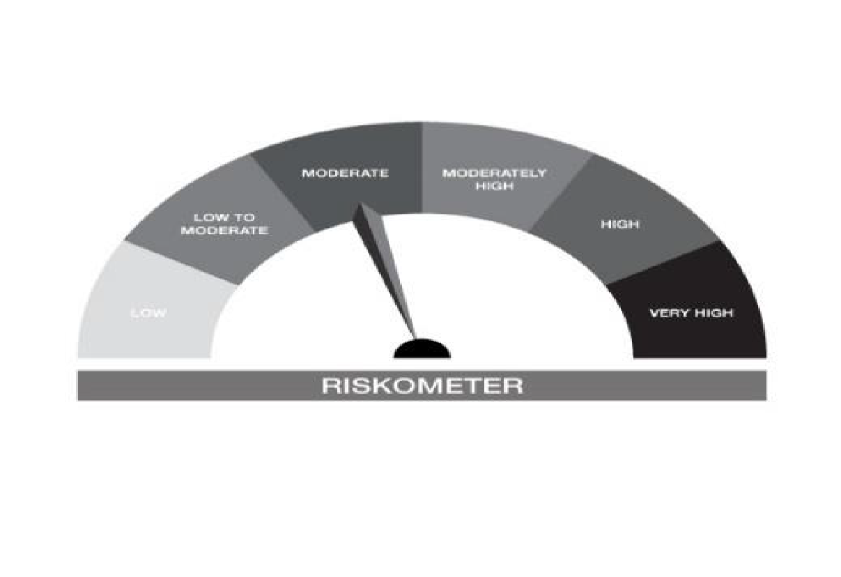


IB10-Groww Short Duration Fund
Portfolio as on 31-OCT-2024
ISIN | Name of Instrument | Rating/Industry | Quantity | Market Value (In Rs. lakh) | % To Net Assets | Maturity Date | Put/Call Option | Yield
 | DEBT INSTRUMENTS
 | (a) Listed / awaiting listing on Stock Exchanges
 | Non Convertible Debentures / Bonds
INE134E08LX5 | 7.59% Power Finance Corporation Limited 17-JAN-2028** | CRISIL AAA | 500,000.00 | 502.75 | 9.12% | 17-JAN-2028 |  | 7.39%
INE377Y07490 | 7.98% Bajaj Housing Finance Ltd 09-SEP-2026 | CRISIL AAA | 500,000.00 | 502.24 | 9.11% | 09-SEP-2026 |  | 7.69%
INE296A07SI8 | 7.9% Bajaj Finance Limited 13-APR-2028** | CRISIL AAA | 500,000.00 | 501.54 | 9.10% | 13-APR-2028 |  | 7.77%
INE556F08KM1 | 7.79% SIDBI 14-MAY-2027** | CARE AAA | 480,000.00 | 483.48 | 8.77% | 14-MAY-2027 |  | 7.48%
INE053F07BA5 | 8.55% Indian Railway Finance Corporation Ltd 21-FEB-2029** | CRISIL AAA | 450,000.00 | 471.71 | 8.55% | 21-FEB-2029 |  | 7.22%
INE020B08AQ9 | 7.7% REC Limited 10-DEC-2027** | CRISIL AAA | 300,000.00 | 302.44 | 5.49% | 10-DEC-2027 |  | 7.4%
INE115A07QM6 | 7.77% LIC Housing Finance Limited 11-AUG-2028** | CRISIL AAA | 300,000.00 | 301.38 | 5.47% | 11-AUG-2028 |  | 7.61%
 | Sub Total |  |  | 3,065.54 | 55.60%
 | (b) Privately placed / Unlisted |  |  | NIL | NIL
 | Sub Total |  |  | NIL | NIL
 | (c) Securitized Debt Instruments |  |  | NIL | NIL
 | Sub Total |  |  | NIL | NIL
 | (d) Government Securities / SDL
IN0020230101 | 7.37% GOI - 23-OCT-2028 | SOVEREIGN | 450,000.00 | 459.32 | 8.33% | 23-OCT-2028 |  | 6.77%
IN1520180143 | 8.65% Gujarat SDL - 10-Oct-2028 | SOVEREIGN | 200,000.00 | 211.27 | 3.83% | 10-OCT-2028 |  | 6.99%
IN1920170124 | 7.69% Karnataka- SDL - 20-Dec-2027 | SOVEREIGN | 100,000.00 | 102.17 | 1.85% | 20-DEC-2027 |  | 6.91%
IN0020220037 | 7.38% GOI MAT 20-Jun-2027 | SOVEREIGN | 50,000.00 | 50.75 | 0.92% | 20-JUN-2027 |  | 6.74%
 | Sub Total |  |  | 823.51 | 14.94%
 | Total |  |  | 3,889.05 | 70.53%

 | MONEY MARKET INSTRUMENTS
 | Treasury Bills
IN002023Z406 | 364 Days Treasury Bill 19-Dec-2024 | SOVEREIGN | 100,000.00 | 99.16 | 1.80% | 19-DEC-2024 |  | 6.47%
 | Sub Total |  |  | 99.16 | 1.80%
 | Certificate of Deposits
INE476A16XI7 | Canara Bank 16-JAN-2025**# | CRISIL A1+ | 100,000.00 | 98.53 | 1.79% | 16-JAN-2025 |  | 7.17%
INE238AD6579 | Axis Bank Limited 29-NOV-2024**# | CRISIL A1+ | 90,000.00 | 89.52 | 1.62% | 29-NOV-2024 |  | 7.03%
 | Sub Total |  |  | 188.05 | 3.41%
 | Total |  |  | 287.20 | 5.21%

 | FIXED DEPOSIT
INHDFC181124 | HDFC Bank Limited |  | 50,000.00 | 50.00 | 0.91% | 18-NOV-2024
 | Total |  |  | 50.00 | 0.91%

 | Alternative Investment Fund Units
INF0RQ622028 | SBI FUNDS MANAGEMENT PVT LMTD |  | 96.68 | 10.09 | 0.18%
 | Total |  |  | 10.09 | 0.18%

 | TREPS / Reverse Repo Investments / Corporate Debt Repo
INTREP041124 | CCIL |  | 11,580.00 | 1,157.41 | 20.99% | 04-NOV-2024
 | Total |  |  | 1,157.41 | 20.99%

 | Cash & Cash Equivalents
 | Net Receivable/Payable |  |  | 120.21 | 2.18%
 | Total |  |  | 120.21 | 2.18%
 | Grand Total |  |  | 5,513.96 | 100.00%

** Non Traded Security
# Unlisted Securities
Notes :
1) The provision made for investment in security below investment grade as on October 31, 2024 is Rs Nil and its percentage to Net Asset Value is Nil.
2) Net Assets Value per unit (in Rs) are as follows :
Plan/Option | As on October 31, 2024 | As on September 30, 2024
Regular Plan - Growth Option | 1,974.9193 | 1,967.0870
Regular Plan - Weekly IDCW Option (Payout & Reinvestment) | 1,013.4931 | 1,013.1075
Regular Plan - Fortnightly IDCW Option (Payout & Reinvestment) | 1,015.6143 | 1,015.6474
Regular Plan - Monthly IDCW Option (Payout & Reinvestment) | 1,020.3927 | 1,020.4532
Direct Plan - Growth Option | 2,252.7930 | 2,241.5682
Direct Plan - Weekly IDCW Option (Payout & Reinvestment) | 1,013.5662 | 1,013.1238
Direct Plan - Fortnightly IDCW Option (Payout & Reinvestment) | 1,014.4396 | 1,014.7574
Direct Plan - Monthly IDCW Option (Payout & Reinvestment) | 1,014.5805 | 1,014.6874

3) Details of Dividend declared per unit (in Rs.) during the Month of October 2024
Plan/Option | Individuals/HUF | Other than Individual/HUF
Regular Plan - Weekly IDCW Option (Payout & Reinvestment) | 3.6418 | 3.6418
Regular Plan - Fortnightly IDCW Option (Payout & Reinvestment) | 3.4819 | 3.4819
Regular Plan - Monthly IDCW Option (Payout & Reinvestment) | 4.1165 | 4.1165
Direct Plan - Weekly IDCW Option (Payout & Reinvestment) | 4.5211 | 4.5211
Direct Plan - Fortnightly IDCW Option (Payout & Reinvestment) | 5.2692 | 5.2692
Direct Plan - Monthly IDCW Option (Payout & Reinvestment) | 5.1540 | 5.1540

4) No Bonus declared during the month October 2024
5) Total outstanding exposure in derivative instruments as on October 31, 2024 : Nil.
6) Total investments in Foreign Securities / Overseas ETFs as at October 31, 2024 and its percentage to NAV : Nil.
7) Details of repo transactions in corporate debt securities for the month of October 2024: Nil.
8) Details of transactions of (Credit Default Swap) for half year ended October 31, 2024 : Nil.
9) Average maturity of the portfolio : 2.32 Days
10) Reverse Repo market value is considered as book cost plus accrued Interest.
11) Whether any security is in default beyond its maturity date: NIL
12) Whether during the period any investment is made in derivative instruments: NIL

IB16
 | Scheme - Groww Overnight Fund (formerly known as INDIABULLS OVERNIGHT FUND) | Benchmark - CRISIL Liquid Overnight Index |  |  | Potential Risk Class (PRC)
 | Scheme Risk-O-Meter | Benchmark Risk-O-Meter |  |  | PRC Level - AI
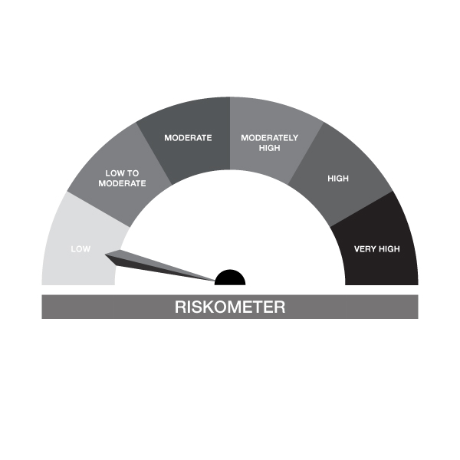


IB16-Groww Overnight Fund
Portfolio as on 31-OCT-2024
ISIN | Name of Instrument | Rating/Industry | Quantity | Market Value (In Rs. lakh) | % To Net Assets | Maturity Date | Put/Call Option | Yield
 | DEBT INSTRUMENTS
 | (a) Listed / awaiting listing on Stock Exchanges |  |  | NIL | NIL
 | Sub Total |  |  | NIL | NIL
 | (b) Privately placed / Unlisted |  |  | NIL | NIL
 | Sub Total |  |  | NIL | NIL
 | (c) Securitized Debt Instruments |  |  | NIL | NIL
 | Sub Total |  |  | NIL | NIL
 | (d) Government Securities / SDL |  |  | NIL | NIL
 | Sub Total |  |  | NIL | NIL
 | Total |  |  | NIL | NIL

 | MONEY MARKET INSTRUMENTS
 | Treasury Bills
IN002024X201 | 91 Days Treasury Bill 07-Nov-2024 | SOVEREIGN | 50,000.00 | 49.95 | 2.48% | 07-NOV-2024 |  | 6.46%
 | Sub Total |  |  | 49.95 | 2.48%
 | Total |  |  | 49.95 | 2.48%

 | TREPS / Reverse Repo Investments / Corporate Debt Repo
INTREP041124 | CCIL |  | 80.00 | 8.00 | 0.40% | 04-NOV-2024
 | Total |  |  | 8.00 | 0.40%

 | Triparty Repo/ Reverse Repo Instrument
 | Reverse Repo 04-NOV-24 |  |  | 1,950.68 | 96.76%
 | Total |  |  | 1,950.68 | 96.76%

 | Cash & Cash Equivalents
 | Net Receivable/Payable |  |  | 7.39 | 0.37%
 | Total |  |  | 7.39 | 0.37%
 | Grand Total |  |  | 2,016.01 | 100.00%

Notes :
1) The provision made for investment in security below investment grade as on October 31, 2024 is Rs Nil and its percentage to Net Asset Value is Nil.
2) Net Assets Value per unit (in Rs) are as follows :
Plan/Option | As on October 31, 2024 | As on September 30, 2024
Regular Plan - Growth Option | 1,276.5701 | 1,269.9603
Regular Plan - Daily IDCW Option (Reinvestment) | 1,001.0161 | 1,001.0161
Regular Plan - Weekly IDCW Option (Payout & Reinvestment) | 1,001.4259 | 1,000.9559
Regular Plan - Fortnightly IDCW Option (Payout & Reinvestment) | 1,001.8973 | 1,001.7762
Regular Plan - Monthly IDCW Option (Payout & Reinvestment) | 1,006.7472 | 1,006.6877
Direct Plan - Growth Option | 1,282.8071 | 1,276.0527
Direct Plan - Daily IDCW Option ( Reinvestment) | 1,001.0929 | 1,001.0866
Direct Plan - Weekly IDCW Option (Payout & Reinvestment) | 1,002.3691 | 1,001.4667
Direct Plan - Fortnightly IDCW Option (Payout & Reinvestment) | 1,216.1905 | 1,215.9524
Direct Plan - Monthly IDCW Option (Payout & Reinvestment) | 1,006.8613 | 1,006.9183
Unclaimed Dividend < 3 Years | 1,185.0181 | 1,179.6628
Unclaimed Redemption < 3 Years | 1,176.3164 | 1,170.1231
Unclaimed Dividend > 3 Years | 1,177.5805 | 1,171.3412
Unclaimed Redemption > 3 Years | 1,180.3252 | 1,173.8943

3) Details of Dividend declared per unit (in Rs.) during the Month of October 2024
Plan/Option | Individuals/HUF | Other than Individual/HUF
Regular Plan - Daily IDCW Option (Reinvestment) | 5.2255 | 5.2255
Regular Plan - Weekly IDCW Option (Payout & Reinvestment) | 4.5835 | 4.5835
Regular Plan - Fortnightly IDCW Option (Payout & Reinvestment) | 5.0436 | 5.0436
Regular Plan - Monthly IDCW Option (Payout & Reinvestment) | 5.1407 | 5.1407
Direct Plan - Daily IDCW Option ( Reinvestment) | 1.3757 | 1.3757
Direct Plan - Weekly IDCW Option (Payout & Reinvestment) | 4.6720 | 4.6720
Direct Plan - Fortnightly IDCW Option (Payout & Reinvestment) | 7.1428 | 7.1428
Direct Plan - Monthly IDCW Option (Payout & Reinvestment) | 5.3157 | 5.3157

4) No Bonus declared during the month October 2024
5) Total outstanding exposure in derivative instruments as on October 31, 2024 : Nil.
6) Total investments in Foreign Securities / Overseas ETFs as at October 31, 2024 and its percentage to NAV : Nil.
7) Details of repo transactions in corporate debt securities for the month of October 2024: Nil.
8) Details of transactions of (Credit Default Swap) for half year ended October 31, 2024 : Nil.
9) Average maturity of the portfolio : 3.79 Days
10) Reverse Repo market value is considered as book cost plus accrued Interest.
11) Whether any security is in default beyond its maturity date: NIL
12) Whether during the period any investment is made in derivative instruments: NIL

IB25
 | Scheme - GROWW NIFTY INDIA DEFENCE ETF | Benchmark - Nifty India Defence Index- Total Return Index
 | Scheme Risk-O-Meter | Benchmark Risk-O-Meter
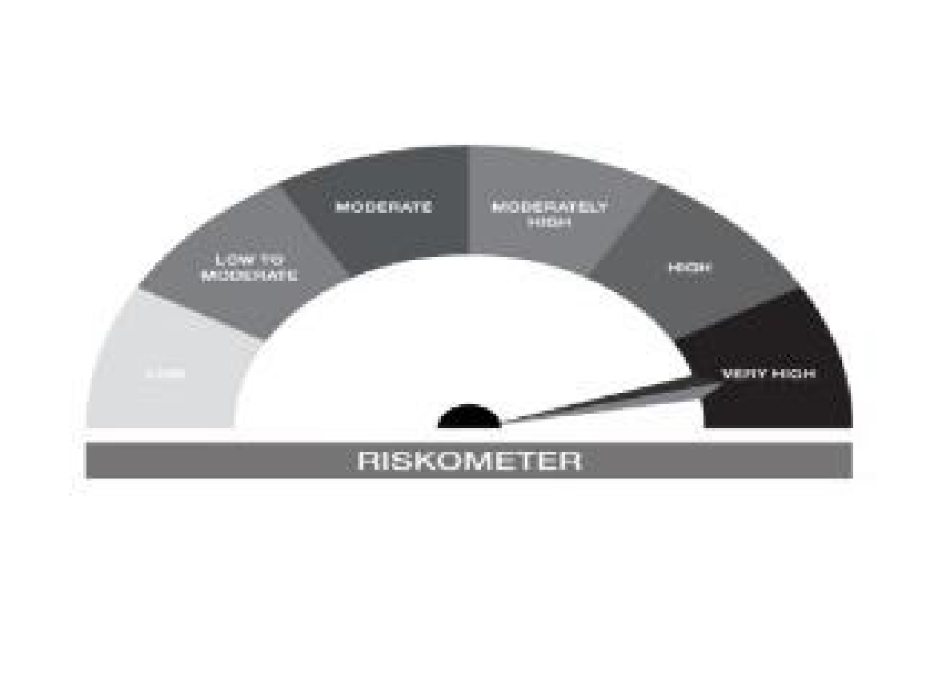
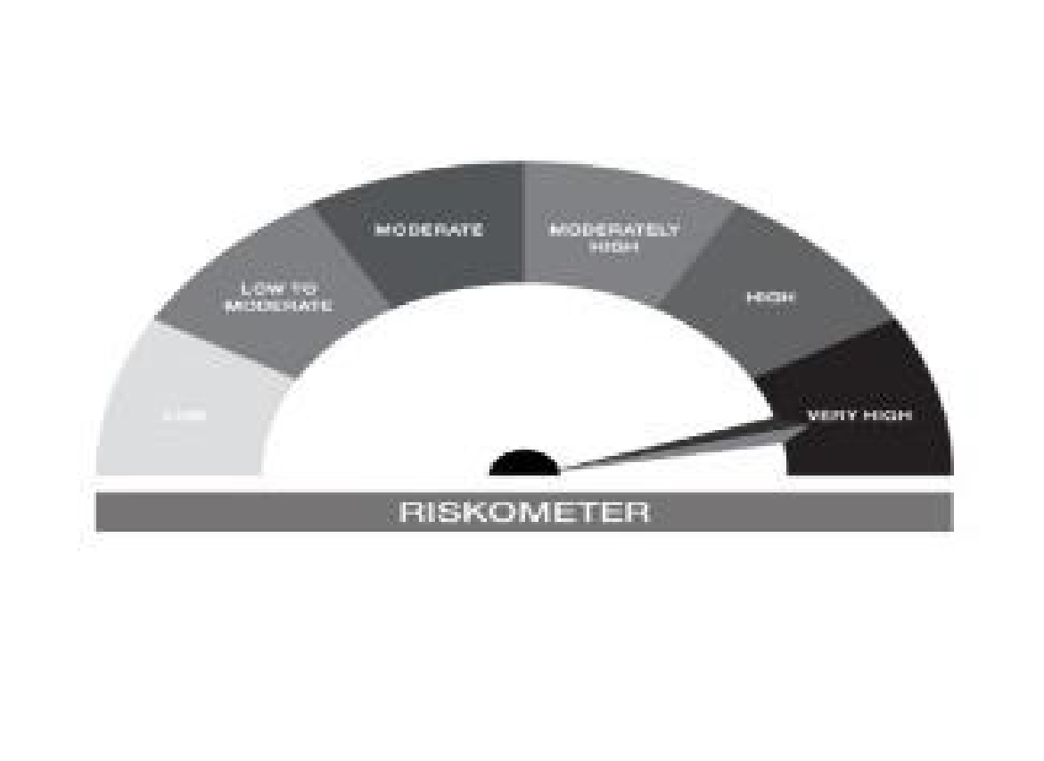

IB25-Groww Nifty India Defence ETF
Portfolio as on 31-OCT-2024
ISIN | Name of Instrument | Rating/Industry | Quantity | Market Value (In Rs. lakh) | % To Net Assets | Maturity Date | Put/Call Option | Yield
 | EQUITY & EQUITY RELATED
 | (a) Listed / awaiting listing on the stock exchanges
INE263A01024 | Bharat Electronics Limited | Aerospace & Defense | 496,315.00 | 1,414.00 | 20.70%
INE066F01020 | Hindustan Aeronautics Ltd | Aerospace & Defense | 32,790.00 | 1,392.49 | 20.39%
INE343H01029 | Solar Industries India Limited | Chemicals & Petrochemicals | 10,073.00 | 1,030.47 | 15.09%
INE249Z01012 | Mazagon Dock Shipbuilders Limited | Industrial Manufacturing | 12,694.00 | 517.87 | 7.58%
INE704P01025 | Cochin Shipyard Limited | Industrial Manufacturing | 29,596.00 | 443.11 | 6.49%
INE171Z01026 | Bharat Dynamics Limited | Aerospace & Defense | 38,125.00 | 413.77 | 6.06%
INE251B01027 | ZEN TECHNOLOGIES LIMITED | Aerospace & Defense | 18,024.00 | 339.64 | 4.97%
INE0IX101010 | DATA PATTERNS (INDIA) LIMITED | Aerospace & Defense | 12,223.00 | 295.78 | 4.33%
INE386C01029 | ASTRA MICROWAVE PRODUCTS LIMITED | Aerospace & Defense | 35,012.00 | 277.14 | 4.06%
INE382Z01011 | GARDEN REACH SHIPBUILDERS & ENGINEER LTD | Aerospace & Defense | 12,111.00 | 195.53 | 2.86%
INE864I01014 | Mtar Technologies Limited | Aerospace & Defense | 8,107.00 | 135.46 | 1.98%
INE221B01012 | Dynamatic Technologies Ltd | Industrial Manufacturing | 1,596.00 | 120.04 | 1.76%
INE099Z01011 | Mishra Dhatu Nigam Limited | Aerospace & Defense | 20,194.00 | 67.33 | 0.99%
INE0KL801015 | DCX SYSTEMS LIMITED | Aerospace & Defense | 18,389.00 | 65.13 | 0.95%
INE045601015 | PARAS DEFENCE AND SPACE TECHNOLOGIES LTD | Aerospace & Defense | 6,055.00 | 63.09 | 0.92%
INE349Y01013 | IDEAFORGE TECHNOLOGY LIMITED | Aerospace & Defense | 8,560.00 | 49.03 | 0.72%
 | Sub Total |  |  | 6,819.87 | 99.84%
 | (b) Unlisted |  |  | NIL | NIL
 | Sub Total |  |  | NIL | NIL
 | Total |  |  | 6,819.87 | 99.84%

 | DEBT INSTRUMENTS
 | (a) Listed / awaiting listing on Stock Exchanges |  |  | NIL | NIL
 | Sub Total |  |  | NIL | NIL
 | (b) Privately placed / Unlisted |  |  | NIL | NIL
 | Sub Total |  |  | NIL | NIL
 | (c) Securitized Debt Instruments |  |  | NIL | NIL
 | Sub Total |  |  | NIL | NIL
 | (d) Government Securities / SDL |  |  | NIL | NIL
 | Sub Total |  |  | NIL | NIL
 | Total |  |  | NIL | NIL

 | MONEY MARKET INSTRUMENTS
 | Total |  |  | NIL | NIL

 | Cash & Cash Equivalents
 | Net Receivable/Payable |  |  | 10.74 | 0.16%
 | Total |  |  | 10.74 | 0.16%
 | Grand Total |  |  | 6,830.61 | 100.00%

Notes :
1) The provision made for investment in security below investment grade as on October 31, 2024 is Rs Nil and its percentage to Net Asset Value is Nil.
2) Net Assets Value per unit (in Rs) are as follows :
Plan/Option | As on October 31, 2024 | As on September 30, 2024
Direct Plan - Growth Option | 63.4697 | -

3) Details of Dividend declared per unit (in Rs.) during the Month of October 2024- NIL
4) No Bonus declared during the month October 2024
5) Total outstanding exposure in derivative instruments as on October 31, 2024 : Nil.
6) Total investments in Foreign Securities / Overseas ETFs as at October 31, 2024 and its percentage to NAV : Nil.
7) Details of repo transactions in corporate debt securities for the month of October 2024: Nil.
8) Details of transactions of (Credit Default Swap) for half year ended October 31, 2024 : Nil.
9) Average maturity of the portfolio : 0.00 Days
10) Reverse Repo market value is considered as book cost plus accrued Interest.
11) Whether any security is in default beyond its maturity date: NIL
12) Whether during the period any investment is made in derivative instruments: NIL

IB26
 | Scheme - GROWW NIFTY INDIA DEFENCE ETF FOF | Benchmark - Nifty India Defence Index-Total Return Index
 | Scheme Risk-O-Meter | Benchmark Risk-O-Meter


IB26-Groww Nifty India Defence ETF FOF
Portfolio as on 31-OCT-2024
ISIN | Name of Instrument | Rating/Industry | Quantity | Market Value (In Rs. lakh) | % To Net Assets | Maturity Date | Put/Call Option | Yield
 | EQUITY & EQUITY RELATED
 | Sub Total |  |  | NIL | NIL
 | (b) Unlisted |  |  | NIL | NIL
 | Sub Total |  |  | NIL | NIL
 | Total |  |  | NIL | NIL

 | DEBT INSTRUMENTS
 | (a) Listed / awaiting listing on Stock Exchanges |  |  | NIL | NIL
 | Sub Total |  |  | NIL | NIL
 | (b) Privately placed / Unlisted |  |  | NIL | NIL
 | Sub Total |  |  | NIL | NIL
 | (c) Securitized Debt Instruments |  |  | NIL | NIL
 | Sub Total |  |  | NIL | NIL
 | (d) Government Securities / SDL |  |  | NIL | NIL
 | Sub Total |  |  | NIL | NIL
 | Total |  |  | NIL | NIL

 | MONEY MARKET INSTRUMENTS
 | Total |  |  | NIL | NIL

 | Mutual Fund Units
INF666M01IO8 | Groww Nifty India Defence ETF |  | 3,642,532.00 | 2,317.38 | 100.06%
 | Total |  |  | 2,317.38 | 100.06%

 | Cash & Cash Equivalents
 | Net Receivable/Payable |  |  | -1.33 | -0.06%
 | Total |  |  | -1.33 | -0.06%
 | Grand Total |  |  | 2,316.05 | 100.00%

Notes :
1) The provision made for investment in security below investment grade as on October 31, 2024 is Rs Nil and its percentage to Net Asset Value is Nil.
2) Net Assets Value per unit (in Rs) are as follows :
Plan/Option | As on October 31, 2024 | As on September 30, 2024
Regular Plan - Growth Option | 9.3988 | -
Regular Plan - IDCW Option (Payout & Reinvestment) | 9.3986 | -
Direct Plan - Growth Option | 9.4009 | -
Direct Plan - IDCW Option (Payout & Reinvestment) | 9.4009 | -

3) Details of Dividend declared per unit (in Rs.) during the Month of October 2024- NIL
4) No Bonus declared during the month October 2024
5) Total outstanding exposure in derivative instruments as on October 31, 2024 : Nil.
6) Total investments in Foreign Securities / Overseas ETFs as at October 31, 2024 and its percentage to NAV : Nil.
7) Details of repo transactions in corporate debt securities for the month of October 2024: Nil.
8) Details of transactions of (Credit Default Swap) for half year ended October 31, 2024 : Nil.
9) Average maturity of the portfolio : 0.00 Days
10) Reverse Repo market value is considered as book cost plus accrued Interest.
11) Whether any security is in default beyond its maturity date: NIL
12) Whether during the period any investment is made in derivative instruments: NIL

IB27
 | Scheme - Groww Gold ETF | Benchmark - Domestic Price of Physical Gold (based on London Bullion Market association (LBMA) gold daily spot fixing price)
 | Scheme Risk-O-Meter | Benchmark Risk-O-Meter
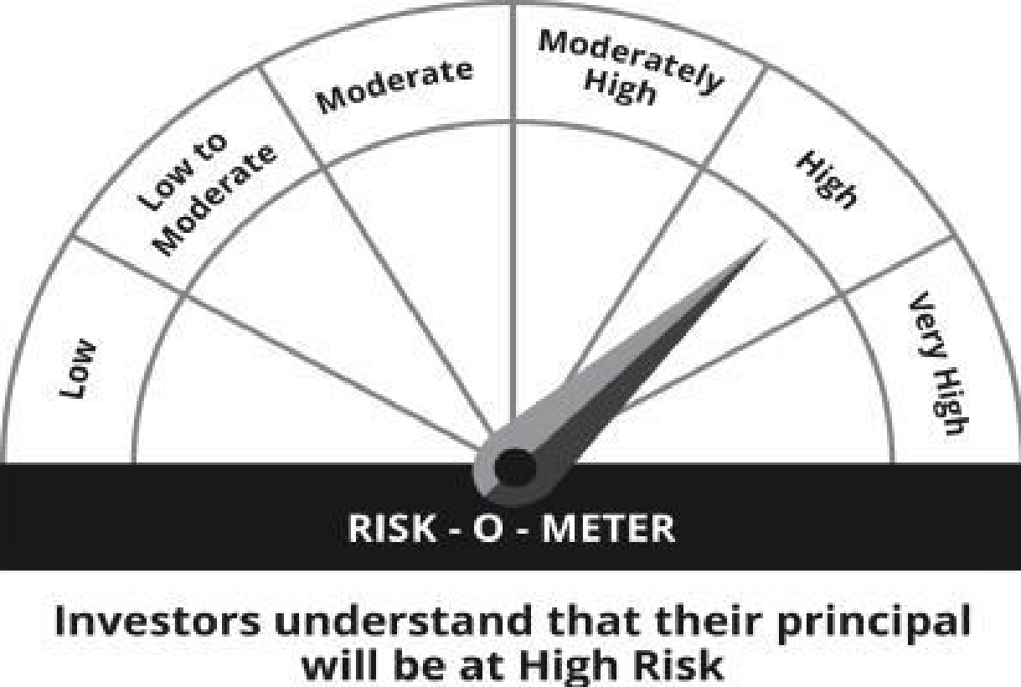
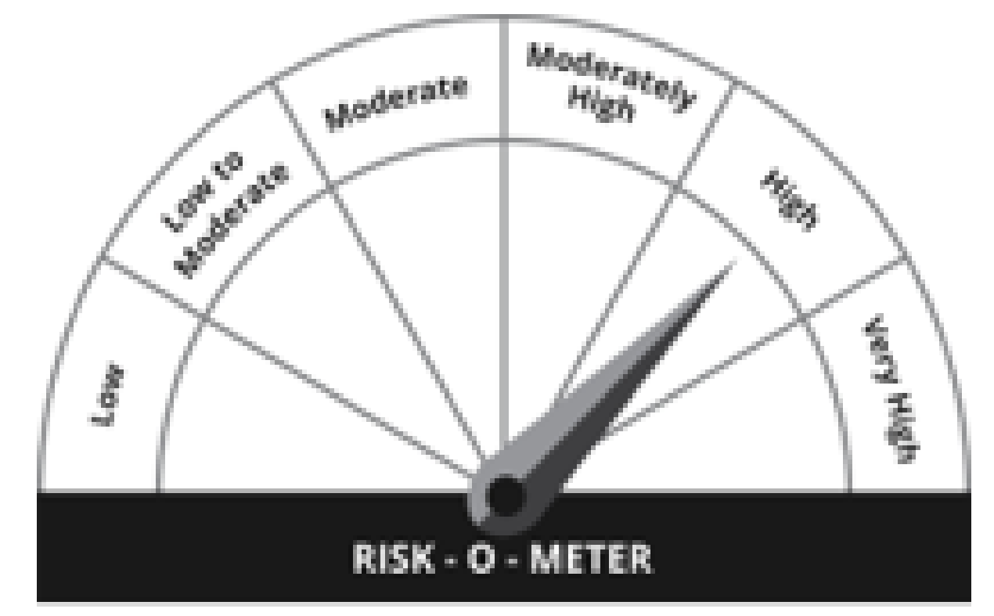

IB27-GROWW Gold ETF
Portfolio as on 31-OCT-2024
ISIN | Name of Instrument | Rating/Industry | Quantity | Market Value (In Rs. lakh) | % To Net Assets | Maturity Date | Put/Call Option | Yield
 | EQUITY & EQUITY RELATED
 | (a) Listed / awaiting listing on the stock exchanges
IN0112344559 | GOLD | OTHERS | 46.00 | 3,642.33 | 96.38%
 | Sub Total |  |  | 3,642.33 | 96.38%
 | (b) Unlisted |  |  | NIL | NIL
 | Sub Total |  |  | NIL | NIL
 | Total |  |  | 3,642.33 | 96.38%

 | DEBT INSTRUMENTS
 | (a) Listed / awaiting listing on Stock Exchanges |  |  | NIL | NIL
 | Sub Total |  |  | NIL | NIL
 | (b) Privately placed / Unlisted |  |  | NIL | NIL
 | Sub Total |  |  | NIL | NIL
 | (c) Securitized Debt Instruments |  |  | NIL | NIL
 | Sub Total |  |  | NIL | NIL
 | (d) Government Securities / SDL |  |  | NIL | NIL
 | Sub Total |  |  | NIL | NIL
 | Total |  |  | NIL | NIL

 | MONEY MARKET INSTRUMENTS
 | Total |  |  | NIL | NIL

 | TREPS / Reverse Repo Investments / Corporate Debt Repo
INTREP041124 | CCIL |  | 180.00 | 17.99 | 0.48% | 04-NOV-2024
 | Total |  |  | 17.99 | 0.48%

 | Cash & Cash Equivalents
 | Net Receivable/Payable |  |  | 118.64 | 3.14%
 | Total |  |  | 118.64 | 3.14%
 | Grand Total |  |  | 3,778.96 | 100.00%

Notes :
1) The provision made for investment in security below investment grade as on October 31, 2024 is Rs Nil and its percentage to Net Asset Value is Nil.
2) Net Assets Value per unit (in Rs) are as follows :
Plan/Option | As on October 31, 2024 | As on September 30, 2024
Direct Plan - Growth Option | 79.1196 | -

3) Details of Dividend declared per unit (in Rs.) during the Month of October 2024- NIL
4) No Bonus declared during the month October 2024
5) Total outstanding exposure in derivative instruments as on October 31, 2024 : Nil.
6) Total investments in Foreign Securities / Overseas ETFs as at October 31, 2024 and its percentage to NAV : Nil.
7) Details of repo transactions in corporate debt securities for the month of October 2024: Nil.
8) Details of transactions of (Credit Default Swap) for half year ended October 31, 2024 : Nil.
9) Average maturity of the portfolio : 0.00 Days
10) Reverse Repo market value is considered as book cost plus accrued Interest.
11) Whether any security is in default beyond its maturity date: NIL
12) Whether during the period any investment is made in derivative instruments: NIL

