IB02
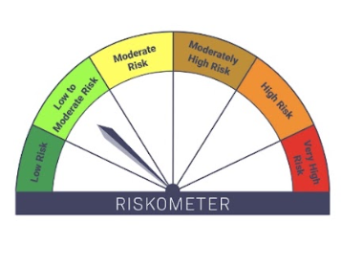
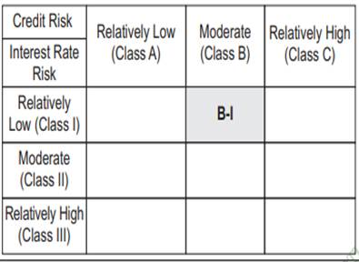
IB02-Groww Liquid Fund
Fortnightly Portfolio as on 30-APR-2025
ISIN | Name of Instrument | Rating/Industry | Quantity | Market Value (In Rs. lakh) | % To Net Assets | Maturity Date | Put/Call Option | Yield
 | DEBT INSTRUMENTS
 | (a) Listed / awaiting listing on Stock Exchanges
 | Non Convertible Debentures / Bonds
INE556F08JY8 | 7.15% SIDBI 02-JUN-2025 | ICRA AAA | 1,000,000.00 | 1,000.01 | 7.02% | 02-JUN-2025 |  | 6.7%
INE115A07PU1 | 6.25% LIC Housing Finance Limited 20-JUN-2025** | CRISIL AAA | 800,000.00 | 799.15 | 5.61% | 20-JUN-2025 |  | 6.68%
 | Sub Total |  |  | 1,799.16 | 12.63%
 | (b) Privately placed / Unlisted |  |  | NIL | NIL
 | Sub Total |  |  | NIL | NIL
 | (c) Securitized Debt Instruments |  |  | NIL | NIL
 | Sub Total |  |  | NIL | NIL
 | (d) Government Securities / SDL |  |  | NIL | NIL
 | Sub Total |  |  | NIL | NIL
 | Total |  |  | 1,799.16 | 12.63%

 | MONEY MARKET INSTRUMENTS
 | Treasury Bills
IN002025X034 | 91 Days Treasury Bill 17-Jul-2025 | SOVEREIGN | 500,000.00 | 493.84 | 3.47% | 17-JUL-2025 |  | 5.91%
IN002025X042 | 91 Days Treasury Bill 24-Jul-2025 | SOVEREIGN | 1,000,000.00 | 986.60 | 6.93% | 24-JUL-2025 |  | 5.9%
IN002025X059 | 91 Days Treasury Bill 01-Aug-2025 | SOVEREIGN | 500,000.00 | 492.69 | 3.46% | 01-AUG-2025 |  | 5.89%
IN002025X026 | 91 Days Treasury Bill 11-Jul-2025 | SOVEREIGN | 1,000,000.00 | 988.67 | 6.94% | 11-JUL-2025 |  | 5.89%
 | Sub Total |  |  | 2,961.81 | 20.79%
 | Commercial Papers
INE763G14WH4 | ICICI Securities Limited 10-JUN-2025** | CRISIL A1+ | 1,000,000.00 | 992.67 | 6.97% | 10-JUN-2025 |  | 6.74%
INE261F14NI8 | NABARD 10-JUN-2025** | CRISIL A1+ | 1,425,000.00 | 1,414.82 | 9.93% | 10-JUN-2025 |  | 6.57%
INE514E14SL6 | EXIM Bank 03-JUN-2025** | CRISIL A1+ | 1,500,000.00 | 1,491.22 | 10.47% | 03-JUN-2025 |  | 6.51%
INE700G14NS2 | HDFC Securities Limited 12-JUN-2025** | ICRA A1+ | 1,000,000.00 | 992.32 | 6.97% | 12-JUN-2025 |  | 6.73%
INE700G14NG7 | HDFC Securities Limited 13-MAY-2025** | ICRA A1+ | 500,000.00 | 498.90 | 3.50% | 13-MAY-2025 |  | 6.73%
 | Sub Total |  |  | 5,389.92 | 37.84%
 | Certificate of Deposits
INE040A16FE7 | HDFC Bank Limited 02-JUN-2025# | CRISIL A1+ | 500,000.00 | 497.17 | 3.49% | 02-JUN-2025 |  | 6.5%
INE238AD6843 | Axis Bank Limited 05-JUN-2025# | CRISIL A1+ | 400,000.00 | 397.52 | 2.79% | 05-JUN-2025 |  | 6.5%
INE028A16HA6 | Bank of Baroda 09-JUN-2025# | IND A1+ | 500,000.00 | 496.55 | 3.49% | 09-JUN-2025 |  | 6.5%
INE090AD6170 | ICICI Bank Limited 25-JUL-2025# | CRISIL A1+ | 500,000.00 | 492.57 | 3.46% | 25-JUL-2025 |  | 6.48%
INE028A16GV4 | Bank of Baroda 06-JUN-2025**# | FITCH A1+ | 1,000,000.00 | 993.63 | 6.98% | 06-JUN-2025 |  | 6.5%
INE237A161Y7 | Kotak Mahindra Bank Limited 24-JUL-2025# | CRISIL A1+ | 500,000.00 | 492.63 | 3.46% | 24-JUL-2025 |  | 6.5%
INE040A16GM8 | HDFC Bank Limited 09-JUN-2025# | CARE A1+ | 500,000.00 | 496.56 | 3.49% | 09-JUN-2025 |  | 6.48%
 | Sub Total |  |  | 3,866.63 | 27.15%
 | Total |  |  | 12,218.36 | 85.78%

 | Alternative Investment Fund Units
INF0RQ622028 | SBI FUNDS MANAGEMENT PVT LMTD |  | 504.68 | 56.11 | 0.39%
 | Total |  |  | 56.11 | 0.39%

 | TREPS / Reverse Repo Investments / Corporate Debt Repo
INTREP020525 | CCIL |  | 370.00 | 36.99 | 0.26% | 02-MAY-2025
 | Total |  |  | 36.99 | 0.26%

 | Triparty Repo/ Reverse Repo Instrument
 | Reverse Repo 02-MAY-25 |  |  | 492.49 | 3.46%
 | Total |  |  | 492.49 | 3.46%

 | Cash & Cash Equivalents
 | Net Receivable/Payable |  |  | -359.49 | -2.52%
 | Total |  |  | -359.49 | -2.52%
 | Grand Total |  |  | 14,243.63 | 100.00%

** Non Traded Security
# Unlisted Securities

Scheme - Groww Liquid Fund | Benchmark - CRISIL Liquid Debt A-I Index | Potential Risk Class (PRC)
Scheme Risk-O-Meter | Benchmark Risk-O-Meter | PRC Level - BI

IB05
IB05-Groww Dynamic Bond Fund
Fortnightly Portfolio as on 30-APR-2025
ISIN | Name of Instrument | Rating/Industry | Quantity | Market Value (In Rs. lakh) | % To Net Assets | Maturity Date | Put/Call Option | Yield
 | DEBT INSTRUMENTS
 | (a) Listed / awaiting listing on Stock Exchanges
 | Non Convertible Debentures / Bonds
INE115A07QM6 | 7.77% LIC Housing Finance Limited 11-AUG-2028** | CRISIL AAA | 200,000.00 | 203.61 | 3.19% | 11-AUG-2028 |  | 7.12%
INE115A07PU1 | 6.25% LIC Housing Finance Limited 20-JUN-2025** | CRISIL AAA | 200,000.00 | 199.79 | 3.13% | 20-JUN-2025 |  | 6.68%
INE040A08856 | 5.78% HDFC Bank Limited 25-NOV-2025 | CRISIL AAA | 100,000.00 | 99.22 | 1.55% | 25-NOV-2025 |  | 7.02%
 | Sub Total |  |  | 502.62 | 7.87%
 | (b) Privately placed / Unlisted |  |  | NIL | NIL
 | Sub Total |  |  | NIL | NIL
 | (c) Securitized Debt Instruments |  |  | NIL | NIL
 | Sub Total |  |  | NIL | NIL
 | (d) Government Securities / SDL
IN0020240035 | 7.34% GOI - 22-Apr-2064 | SOVEREIGN | 3,000,000.00 | 3,216.01 | 50.33% | 22-APR-2064 |  | 6.81%
IN0020240126 | 6.79% GOI - 07-OCT-2034 | SOVEREIGN | 500,000.00 | 515.10 | 8.06% | 07-OCT-2034 |  | 6.36%
IN2220220049 | 7.63% MAHARASHTRA SDL - 11-May-2030 | SOVEREIGN | 200,000.00 | 209.11 | 3.27% | 11-MAY-2030 |  | 6.55%
IN1520200156 | 6.70% Gujarat SDL - 23-SEP-2030 | SOVEREIGN | 200,000.00 | 201.49 | 3.15% | 23-SEP-2030 |  | 6.53%
IN0020220037 | 7.38% GOI MAT 20-Jun-2027 | SOVEREIGN | 50,000.00 | 51.34 | 0.80% | 20-JUN-2027 |  | 6.02%
 | Sub Total |  |  | 4,193.04 | 65.62%
 | Total |  |  | 4,695.66 | 73.48%

 | MONEY MARKET INSTRUMENTS
 | Commercial Papers
INE261F14NI8 | NABARD 10-JUN-2025** | CRISIL A1+ | 75,000.00 | 74.46 | 1.17% | 10-JUN-2025 |  | 6.57%
 | Sub Total |  |  | 74.46 | 1.17%
 | Certificate of Deposits
INE238AD6843 | Axis Bank Limited 05-JUN-2025# | CRISIL A1+ | 100,000.00 | 99.38 | 1.56% | 05-JUN-2025 |  | 6.5%
INE237A163Z0 | Kotak Mahindra Bank Limited 28-JAN-2026**# | CRISIL A1+ | 50,000.00 | 47.63 | 0.75% | 28-JAN-2026 |  | 6.67%
 | Sub Total |  |  | 147.01 | 2.30%
 | Total |  |  | 221.48 | 3.47%

 | Alternative Investment Fund Units
INF0RQ622028 | SBI FUNDS MANAGEMENT PVT LMTD |  | 139.33 | 15.49 | 0.24%
 | Total |  |  | 15.49 | 0.24%

 | TREPS / Reverse Repo Investments / Corporate Debt Repo
INTREP020525 | CCIL |  | 14,350.00 | 1,434.76 | 22.45% | 02-MAY-2025
 | Total |  |  | 1,434.76 | 22.45%

 | Cash & Cash Equivalents
 | Net Receivable/Payable |  |  | 22.90 | 0.36%
 | Total |  |  | 22.90 | 0.36%
 | Grand Total |  |  | 6,390.30 | 100.00%

** Non Traded Security
# Unlisted Securities

Scheme - Groww Dynamic Bond Fund | Benchmark - CRISIL Dynamic Bond A-III Index |  | Potential Risk Class (PRC)
Scheme Risk-O-Meter | Benchmark Risk-O-Meter |  | PRC Level - BIII
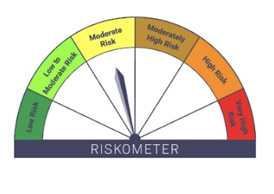


 |  | As on March 31, 2025

IB10

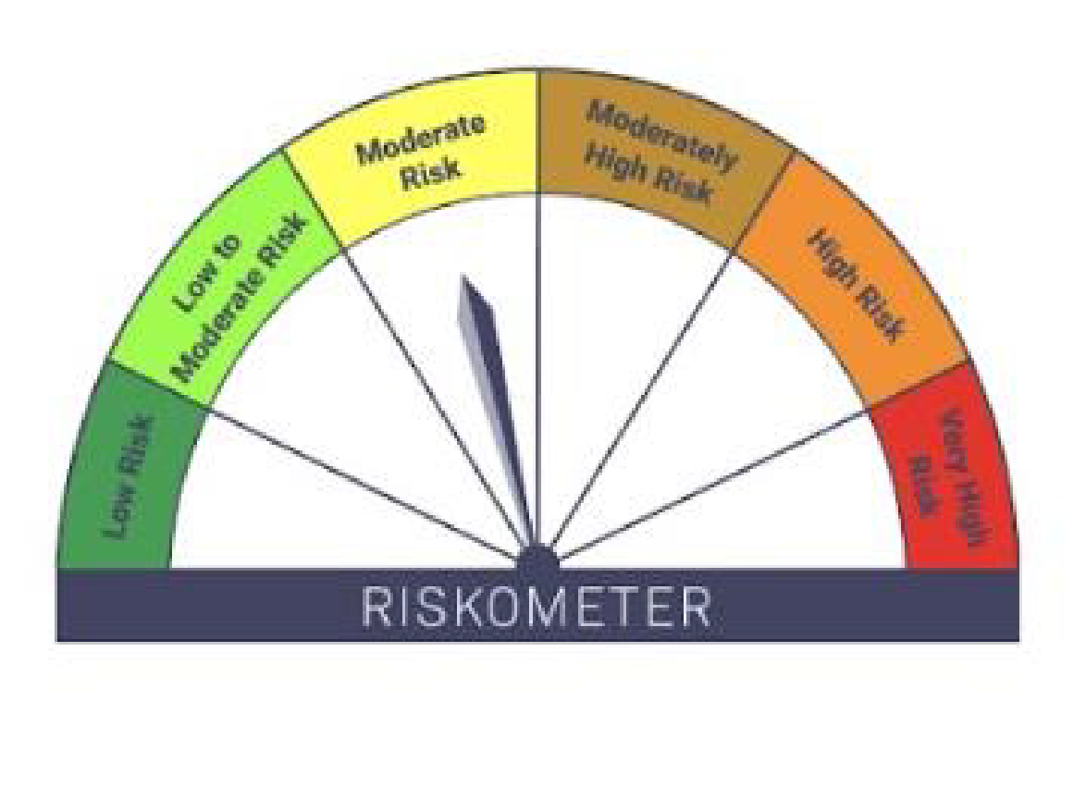
IB10-Groww Short Duration Fund
Fortnightly Portfolio as on 30-APR-2025
ISIN | Name of Instrument | Rating/Industry | Quantity | Market Value (In Rs. lakh) | % To Net Assets | Maturity Date | Put/Call Option | Yield
 | DEBT INSTRUMENTS
 | (a) Listed / awaiting listing on Stock Exchanges
 | Non Convertible Debentures / Bonds
INE020B08AY3 | 8.01% REC Limited 24-MAR-2028** | CRISIL AAA | 500,000.00 | 516.07 | 7.71% | 24-MAR-2028 |  | 6.88%
INE557F08GD6 | 7.35% National Housing Bank 02-JAN-2032 | CARE AAA | 500,000.00 | 513.37 | 7.67% | 02-JAN-2032 |  | 6.84%
INE261F08EJ7 | 7.64% NABARD 06-DEC-2029 | ICRA AAA | 500,000.00 | 513.09 | 7.67% | 06-DEC-2029 |  | 6.94%
INE556F08KX8 | 7.49% SIDBI 11-JUN-2029 | CRISIL AAA | 500,000.00 | 509.76 | 7.62% | 11-JUN-2029 |  | 6.93%
INE481G08115 | 7.34% UltraTech Cement Limited 05-MAR-2030** | CRISIL AAA | 500,000.00 | 509.01 | 7.61% | 05-MAR-2030 |  | 6.88%
INE134E08LX5 | 7.59% Power Finance Corporation Limited 17-JAN-2028** | CRISIL AAA | 500,000.00 | 508.37 | 7.60% | 17-JAN-2028 |  | 6.87%
INE296A07SI8 | 7.9% Bajaj Finance Limited 13-APR-2028** | CRISIL AAA | 500,000.00 | 508.04 | 7.59% | 13-APR-2028 |  | 7.27%
INE377Y07490 | 7.98% Bajaj Housing Finance Ltd 09-SEP-2026** | CRISIL AAA | 500,000.00 | 505.26 | 7.55% | 09-SEP-2026 |  | 7.09%
INE053F07AB5 | 7.27% Indian Railway Finance Corporation Ltd 15-JUN-2027** | CRISIL AAA | 500,000.00 | 505.07 | 7.55% | 15-JUN-2027 |  | 6.75%
INE040A08856 | 5.78% HDFC Bank Limited 25-NOV-2025 | CRISIL AAA | 400,000.00 | 396.90 | 5.93% | 25-NOV-2025 |  | 7.02%
INE115A07QM6 | 7.77% LIC Housing Finance Limited 11-AUG-2028** | CRISIL AAA | 300,000.00 | 305.41 | 4.56% | 11-AUG-2028 |  | 7.12%
 | Sub Total |  |  | 5,290.36 | 79.05%
 | (b) Privately placed / Unlisted |  |  | NIL | NIL
 | Sub Total |  |  | NIL | NIL
 | (c) Securitized Debt Instruments |  |  | NIL | NIL
 | Sub Total |  |  | NIL | NIL
 | (d) Government Securities / SDL
IN2220220049 | 7.63% MAHARASHTRA SDL - 11-May-2030 | SOVEREIGN | 300,000.00 | 313.66 | 4.69% | 11-MAY-2030 |  | 6.55%
IN1520200156 | 6.70% Gujarat SDL - 23-SEP-2030 | SOVEREIGN | 300,000.00 | 302.24 | 4.52% | 23-SEP-2030 |  | 6.53%
IN0020220037 | 7.38% GOI MAT 20-Jun-2027 | SOVEREIGN | 50,000.00 | 51.34 | 0.77% | 20-JUN-2027 |  | 6.02%
 | Sub Total |  |  | 667.23 | 9.97%
 | Total |  |  | 5,957.59 | 89.02%

 | MONEY MARKET INSTRUMENTS
 | Certificate of Deposits
INE237A163Z0 | Kotak Mahindra Bank Limited 28-JAN-2026**# | CRISIL A1+ | 450,000.00 | 428.71 | 6.41% | 28-JAN-2026 |  | 6.67%
 | Sub Total |  |  | 428.71 | 6.41%
 | Total |  |  | 428.71 | 6.41%

 | Alternative Investment Fund Units
INF0RQ622028 | SBI FUNDS MANAGEMENT PVT LMTD |  | 144.61 | 16.08 | 0.24%
 | Total |  |  | 16.08 | 0.24%

 | TREPS / Reverse Repo Investments / Corporate Debt Repo
INTREP020525 | CCIL |  | 1,790.00 | 178.97 | 2.67% | 02-MAY-2025
 | Total |  |  | 178.97 | 2.67%

 | Cash & Cash Equivalents
 | Net Receivable/Payable |  |  | 110.82 | 1.66%
 | Total |  |  | 110.82 | 1.66%
 | Grand Total |  |  | 6,692.16 | 100.00%

** Non Traded Security

Scheme - Groww Short Duration Fund | Benchmark - CRISIL Short Duration Debt A-II Index |  | Potential Risk Class (PRC)
Scheme Risk-O-Meter | Benchmark Risk-O-Meter |  | PRC Level - BII

IB16
IB16-Groww Overnight Fund
Fortnightly Portfolio as on 30-APR-2025
ISIN | Name of Instrument | Rating/Industry | Quantity | Market Value (In Rs. lakh) | % To Net Assets | Maturity Date | Put/Call Option | Yield
 | DEBT INSTRUMENTS
 | (a) Listed / awaiting listing on Stock Exchanges |  |  | NIL | NIL
 | Sub Total |  |  | NIL | NIL
 | (b) Privately placed / Unlisted |  |  | NIL | NIL
 | Sub Total |  |  | NIL | NIL
 | (c) Securitized Debt Instruments |  |  | NIL | NIL
 | Sub Total |  |  | NIL | NIL
 | (d) Government Securities / SDL |  |  | NIL | NIL
 | Sub Total |  |  | NIL | NIL
 | Total |  |  | NIL | NIL

 | MONEY MARKET INSTRUMENTS
 | Total |  |  | NIL | NIL

 | TREPS / Reverse Repo Investments / Corporate Debt Repo
INTREP020525 | CCIL |  | 920.00 | 91.98 | 5.87% | 02-MAY-2025
 | Total |  |  | 91.98 | 5.87%

 | Triparty Repo/ Reverse Repo Instrument
 | Reverse Repo 02-MAY-25 |  |  | 1,461.54 | 93.22%
 | Total |  |  | 1,461.54 | 93.22%

 | Cash & Cash Equivalents
 | Net Receivable/Payable |  |  | 14.36 | 0.92%
 | Total |  |  | 14.36 | 0.92%
 | Grand Total |  |  | 1,567.89 | 100.00%

 | Scheme - Groww Overnight Fund | Benchmark - CRISIL Liquid Overnight Index |  |  | Potential Risk Class (PRC)
 | Scheme Risk-O-Meter | Benchmark Risk-O-Meter |  |  | PRC Level - AI
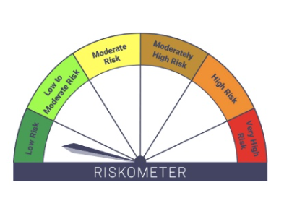


 |  | As on March 31, 2025

