IB02
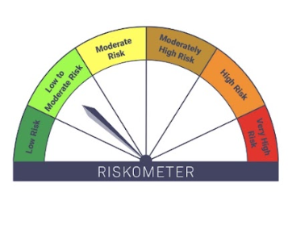
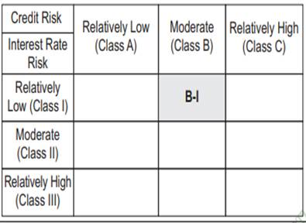
IB02-Groww Liquid Fund
Portfolio as on 31-JUL-2025
ISIN | Name of Instrument | Rating/Industry | Quantity | Market Value (In Rs. lakh) | % To Net Assets | Maturity Date | Put/Call Option | Yield
 | DEBT INSTRUMENTS
 | (a) Listed / awaiting listing on Stock Exchanges
 | Non Convertible Debentures / Bonds
INE134E08LR7 | 7.15% Power Finance Corporation Limited 08-SEP-2025** | CRISIL AAA | 2,450,000.00 | 2,452.06 | 6.24% | 08-SEP-2025 |  | 5.96%
INE306N07MW2 | 0% Tata Capital Ltd 10-SEP-2025** | CRISIL AAA | 1,000,000.00 | 993.00 | 2.53% | 10-SEP-2025 |  | 6.43%
 | Sub Total |  |  | 3,445.07 | 8.77%
 | (b) Privately placed / Unlisted |  |  | NIL | NIL
 | Sub Total |  |  | NIL | NIL
 | (c) Securitized Debt Instruments |  |  | NIL | NIL
 | Sub Total |  |  | NIL | NIL
 | (d) Government Securities / SDL
IN1520150039 | 8.29% Gujarat SDL - 26-Aug-2025 | SOVEREIGN | 1,000,000.00 | 1,001.90 | 2.55% | 26-AUG-2025 |  | 5.42%
IN3120150088 | 8.27% Tamil Nadu SDL - 12-Aug-2025 | SOVEREIGN | 500,000.00 | 500.41 | 1.27% | 12-AUG-2025 |  | 5.42%
 | Sub Total |  |  | 1,502.32 | 3.82%
 | Total |  |  | 4,947.38 | 12.59%

 | MONEY MARKET INSTRUMENTS
 | Treasury Bills
IN002025X166 | 91 Days Treasury Bill 16-Oct-2025 | SOVEREIGN | 2,500,000.00 | 2,472.31 | 6.29% | 16-OCT-2025 |  | 5.38%
IN002025X141 | 91 Days Treasury Bill 02-Oct-2025 | SOVEREIGN | 240,100.00 | 237.95 | 0.61% | 02-OCT-2025 |  | 5.33%
IN002025X158 | 91 Days Treasury Bill 09-Oct-2025 | SOVEREIGN | 500,000.00 | 494.98 | 1.26% | 09-OCT-2025 |  | 5.37%
IN002025X182 | 91 Days Treasury Bill 30-Oct-2025 | SOVEREIGN | 2,000,000.00 | 1,973.82 | 5.02% | 30-OCT-2025 |  | 5.38%
 | Sub Total |  |  | 5,179.04 | 13.18%
 | Commercial Papers
INE700G14OF7 | HDFC Securities Limited 12-AUG-2025** | ICRA A1+ | 1,000,000.00 | 998.15 | 2.54% | 12-AUG-2025 |  | 6.15%
INE556F14LE4 | SIDBI 04-SEP-2025** | CARE A1+ | 2,000,000.00 | 1,989.33 | 5.06% | 04-SEP-2025 |  | 5.76%
INE01C314BZ0 | BAJAJ FINANCIAL SECURITIES LIMITED 12-SEP-2025** | CRISIL A1+ | 2,400,000.00 | 2,383.04 | 6.06% | 12-SEP-2025 |  | 6.19%
INE763G14YG2 | ICICI Securities Limited 08-AUG-2025** | CRISIL A1+ | 1,000,000.00 | 998.83 | 2.54% | 08-AUG-2025 |  | 6.1%
INE824H14SA5 | Julius Baer Cap Ind Pvt Limited 20-OCT-2025** | CRISIL A1+ | 500,000.00 | 493.06 | 1.25% | 20-OCT-2025 |  | 6.43%
INE110L14TZ6 | Reliance Jio Infocomm Limited 15-SEP-2025** | CARE A1+ | 2,100,000.00 | 2,085.09 | 5.31% | 15-SEP-2025 |  | 5.8%
INE860H144E2 | Aditya Birla Capital Limited 15-OCT-2025** | ICRA A1+ | 500,000.00 | 493.71 | 1.26% | 15-OCT-2025 |  | 6.21%
INE763G14ZP0 | ICICI Securities Limited 10-OCT-2025** | CRISIL A1+ | 500,000.00 | 494.04 | 1.26% | 10-OCT-2025 |  | 6.29%
INE242A14YA3 | Indian Oil Corporation Limited 19-SEP-2025 | CRISIL A1+ | 2,500,000.00 | 2,480.65 | 6.31% | 19-SEP-2025 |  | 5.81%
INE929O14DR4 | Reliance Retail Ventures Ltd 29-AUG-2025** | CRISIL A1+ | 2,500,000.00 | 2,488.87 | 6.33% | 29-AUG-2025 |  | 5.83%
INE115A14FO1 | LIC Housing Finance Limited 19-SEP-2025 | CRISIL A1+ | 2,500,000.00 | 2,480.52 | 6.31% | 19-SEP-2025 |  | 5.85%
 | Sub Total |  |  | 17,385.28 | 44.24%
 | Certificate of Deposits
INE238AD6900 | Axis Bank Limited 04-SEP-2025**# | CRISIL A1+ | 500,000.00 | 497.35 | 1.27% | 04-SEP-2025 |  | 5.72%
INE160A16SI7 | Punjab National Bank 17-SEP-2025**# | CRISIL A1+ | 2,500,000.00 | 2,481.69 | 6.32% | 17-SEP-2025 |  | 5.73%
INE028A16IU2 | Bank of Baroda 21-AUG-2025# | CRISIL A1+ | 2,000,000.00 | 1,993.75 | 5.07% | 21-AUG-2025 |  | 5.72%
INE040A16HA1 | HDFC Bank Limited 18-SEP-2025**# | CARE A1+ | 2,500,000.00 | 2,481.31 | 6.31% | 18-SEP-2025 |  | 5.73%
 | Sub Total |  |  | 7,454.09 | 18.97%
 | Total |  |  | 30,018.41 | 76.39%

 | Alternative Investment Fund Units
INF0RQ622028 | SBI FUNDS MANAGEMENT PVT LMTD |  | 601.87 | 67.95 | 0.17%
 | Total |  |  | 67.95 | 0.17%

 | TREPS / Reverse Repo Investments / Corporate Debt Repo
INTREP010825 | CCIL |  | 33,330.00 | 3,333.00 | 8.48% | 01-AUG-2025
 | Total |  |  | 3,333.00 | 8.48%

 | Triparty Repo/ Reverse Repo Instrument
 | Reverse Repo 01-AUG-25 |  |  | 214.43 | 0.55%
 | Total |  |  | 214.43 | 0.55%

 | Cash & Cash Equivalents
 | Net Receivable/Payable |  |  | 713.22 | 1.82%
 | Total |  |  | 713.22 | 1.82%
 | Grand Total |  |  | 39,294.40 | 100.00%

** Non Traded Security
# Unlisted Securities

Scheme - Groww Liquid Fund | Benchmark - CRISIL Liquid Debt A-I Index | Potential Risk Class (PRC)
Scheme Risk-O-Meter | Benchmark Risk-O-Meter | PRC Level - BI

IB05
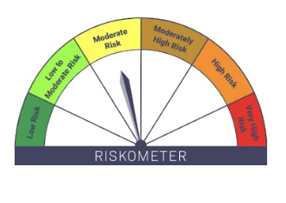

IB05-Groww Dynamic Bond Fund
Portfolio as on 31-JUL-2025
ISIN | Name of Instrument | Rating/Industry | Quantity | Market Value (In Rs. lakh) | % To Net Assets | Yield
 | DEBT INSTRUMENTS
 | (a) Listed / awaiting listing on Stock Exchanges
 | Non Convertible Debentures / Bonds
INE261F08EO7 | 7.48% NABARD 15-SEP-2028** | CRISIL AAA | 500,000.00 | 510.76 | 6.54% | 6.7%
INE514E08FH3 | 7.02% EXIM Bank 25-NOV-2031** | CRISIL AAA | 500,000.00 | 505.12 | 6.46% | 6.81%
INE115A07QM6 | 7.77% LIC Housing Finance Limited 11-AUG-2028** | CRISIL AAA | 200,000.00 | 205.03 | 2.62% | 6.82%
INE556F08KX8 | 7.49% SIDBI 11-JUN-2029** | CRISIL AAA | 200,000.00 | 204.84 | 2.62% | 6.75%
INE514E08GE8 | 7.35% EXIM Bank 27-JUL-2028 | CRISIL AAA | 100,000.00 | 102.22 | 1.31% | 6.51%
INE134E08LX5 | 7.59% Power Finance Corporation Limited 17-JAN-2028** | CRISIL AAA | 100,000.00 | 102.01 | 1.31% | 6.66%
INE115A07QS3 | 7.9265% LIC Housing Finance Limited 14-JUL-2027** | CRISIL AAA | 100,000.00 | 101.97 | 1.30% | 6.81%
INE660A07RX6 | 7.18% Sundaram Finance Limited 16-MAY-2028** | CRISIL AAA | 80,000.00 | 80.34 | 1.03% | 6.99%
INE134E08LR7 | 7.15% Power Finance Corporation Limited 08-SEP-2025** | CRISIL AAA | 50,000.00 | 50.04 | 0.64% | 5.96%
INE053F08510 | 6.47% Indian Railway Finance Corporation Ltd 30-MAY-2028** | CRISIL AAA | 30,000.00 | 29.95 | 0.38% | 6.54%
 | Sub Total |  |  | 1,892.29 | 24.22%
 | (b) Privately placed / Unlisted |  |  | NIL | NIL
 | Sub Total |  |  | NIL | NIL
 | (c) Securitized Debt Instruments |  |  | NIL | NIL
 | Sub Total |  |  | NIL | NIL
 | (d) Government Securities / SDL
IN0020240035 | 7.34% GOI - 22-Apr-2064 | SOVEREIGN | 2,850,000.00 | 2,934.55 | 37.56% | 7.11%
IN0020250018 | 6.9% GOI 15-Apr-2065 | SOVEREIGN | 500,000.00 | 487.93 | 6.24% | 7.08%
IN2220220049 | 7.63% MAHARASHTRA SDL - 11-May-2030 | SOVEREIGN | 200,000.00 | 209.00 | 2.67% | 6.51%
IN0020220037 | 7.38% GOI MAT 20-Jun-2027 | SOVEREIGN | 50,000.00 | 51.47 | 0.66% | 5.71%
 | Sub Total |  |  | 3,682.96 | 47.13%
 | Total |  |  | 5,575.24 | 71.35%

 | MONEY MARKET INSTRUMENTS
 | Commercial Papers
INE01C314BZ0 | BAJAJ FINANCIAL SECURITIES LIMITED 12-SEP-2025** | CRISIL A1+ | 100,000.00 | 99.29 | 1.27% | 6.19%
INE110L14TZ6 | Reliance Jio Infocomm Limited 15-SEP-2025** | CARE A1+ | 400,000.00 | 397.16 | 5.08% | 5.8%
INE556F14LE4 | SIDBI 04-SEP-2025** | CARE A1+ | 500,000.00 | 497.33 | 6.36% | 5.76%
 | Sub Total |  |  | 993.78 | 12.72%
 | Certificate of Deposits
INE028A16IU2 | Bank of Baroda 21-AUG-2025# | CRISIL A1+ | 500,000.00 | 498.44 | 6.38% | 5.72%
 | Sub Total |  |  | 498.44 | 6.38%
 | Total |  |  | 1,492.22 | 19.10%

 | Alternative Investment Fund Units
INF0RQ622028 | SBI FUNDS MANAGEMENT PVT LMTD |  | 184.51 | 20.83 | 0.27%
 | Total |  |  | 20.83 | 0.27%

 | Triparty Repo/ Reverse Repo Instrument
 | Reverse Repo 01-AUG-25 |  |  | 296.15 | 3.79%
 | Total |  |  | 296.15 | 3.79%

 | Cash & Cash Equivalents
 | Net Receivable/Payable |  |  | 429.35 | 5.49%
 | Total |  |  | 429.35 | 5.49%
 | Grand Total |  |  | 7,813.79 | 100.00%

** Non Traded Security
# Unlisted Securities

Scheme - Groww Dynamic Bond Fund | Benchmark - CRISIL Dynamic Bond A-III Index |  | Potential Risk Class (PRC)
Scheme Risk-O-Meter | Benchmark Risk-O-Meter |  | PRC Level - BIII

IB10
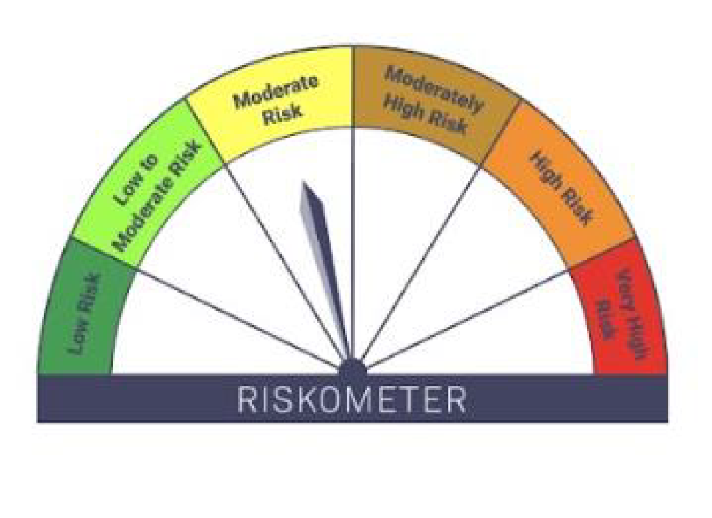

IB10-Groww Short Duration Fund
Portfolio as on 31-JUL-2025
ISIN | Name of Instrument | Rating/Industry | Quantity | Market Value (In Rs. lakh) | % To Net Assets | Yield
 | DEBT INSTRUMENTS
 | (a) Listed / awaiting listing on Stock Exchanges
 | Non Convertible Debentures / Bonds
INE556F08KX8 | 7.49% SIDBI 11-JUN-2029** | CRISIL AAA | 1,300,000.00 | 1,331.44 | 9.22% | 6.75%
INE020B08EH0 | 7.77% REC Limited 31-MAR-2028** | CRISIL AAA | 1,000,000.00 | 1,027.04 | 7.11% | 6.61%
INE514E08GE8 | 7.35% EXIM Bank 27-JUL-2028 | CRISIL AAA | 900,000.00 | 919.98 | 6.37% | 6.51%
INE134E08LX5 | 7.59% Power Finance Corporation Limited 17-JAN-2028** | CRISIL AAA | 900,000.00 | 918.12 | 6.36% | 6.66%
INE261F08EJ7 | 7.64% NABARD 06-DEC-2029** | ICRA AAA | 500,000.00 | 515.64 | 3.57% | 6.77%
INE261F08EG3 | 7.68% NABARD 30-APR-2029 | CRISIL AAA | 500,000.00 | 514.38 | 3.56% | 6.77%
INE557F08GD6 | 7.35% National Housing Bank 02-JAN-2032** | CARE AAA | 500,000.00 | 512.97 | 3.55% | 6.83%
INE481G08115 | 7.34% UltraTech Cement Limited 05-MAR-2030** | CRISIL AAA | 500,000.00 | 511.84 | 3.54% | 6.71%
INE296A07SI8 | 7.9% Bajaj Finance Limited 13-APR-2028** | CRISIL AAA | 500,000.00 | 509.36 | 3.53% | 7.09%
INE377Y07490 | 7.98% Bajaj Housing Finance Ltd 09-SEP-2026 | CRISIL AAA | 500,000.00 | 506.75 | 3.51% | 6.65%
INE756I07EU9 | 7.988% HDB Financial Services Limited 08-DEC-2026** | ICRA AAA | 500,000.00 | 506.56 | 3.51% | 6.98%
INE848E07BL8 | 6.8% NHPC Limited 24-APR-2028** | CARE AAA | 500,000.00 | 501.88 | 3.47% | 6.63%
INE511C07912 | 7.5285% Poonawalla Fincorp Limited 24-SEP-2027** | CRISIL AAA | 500,000.00 | 499.95 | 3.46% | 7.55%
INE498L07160 | 7.12% L&T Finance Limited 15-JUL-2027** | CRISIL AAA | 500,000.00 | 499.62 | 3.46% | 7.16%
INE053F08510 | 6.47% Indian Railway Finance Corporation Ltd 30-MAY-2028** | CRISIL AAA | 470,000.00 | 469.24 | 3.25% | 6.54%
INE660A07RX6 | 7.18% Sundaram Finance Limited 16-MAY-2028** | CRISIL AAA | 420,000.00 | 421.79 | 2.92% | 6.99%
INE115A07QS3 | 7.9265% LIC Housing Finance Limited 14-JUL-2027** | CRISIL AAA | 400,000.00 | 407.86 | 2.82% | 6.81%
INE115A07QM6 | 7.77% LIC Housing Finance Limited 11-AUG-2028** | CRISIL AAA | 300,000.00 | 307.55 | 2.13% | 6.82%
 | Sub Total |  |  | 10,881.96 | 75.34%
 | (b) Privately placed / Unlisted |  |  | NIL | NIL
 | Sub Total |  |  | NIL | NIL
 | (c) Securitized Debt Instruments |  |  | NIL | NIL
 | Sub Total |  |  | NIL | NIL
 | (d) Government Securities / SDL
IN0020240126 | 6.79% GOI - 07-OCT-2034 | SOVEREIGN | 1,000,000.00 | 1,025.23 | 7.10% | 6.42%
IN0020240183 | 6.75% GOI 23-Dec-2029 | SOVEREIGN | 500,000.00 | 513.95 | 3.56% | 6.02%
IN2220220049 | 7.63% MAHARASHTRA SDL - 11-May-2030 | SOVEREIGN | 300,000.00 | 313.51 | 2.17% | 6.51%
IN0020220037 | 7.38% GOI MAT 20-Jun-2027 | SOVEREIGN | 50,000.00 | 51.47 | 0.36% | 5.71%
 | Sub Total |  |  | 1,904.16 | 13.18%
 | Total |  |  | 12,786.12 | 88.53%

 | MONEY MARKET INSTRUMENTS
 | Certificate of Deposits
INE238AD6BA5 | Axis Bank Limited 15-MAY-2026**# | CRISIL A1+ | 500,000.00 | 476.54 | 3.30% | 6.26%
 | Sub Total |  |  | 476.54 | 3.30%
 | Total |  |  | 476.54 | 3.30%

 | Alternative Investment Fund Units
INF0RQ622028 | SBI FUNDS MANAGEMENT PVT LMTD |  | 309.25 | 34.91 | 0.24%
 | Total |  |  | 34.91 | 0.24%

 | TREPS / Reverse Repo Investments / Corporate Debt Repo
INTREP010825 | CCIL |  | 1,990.00 | 199.00 | 1.38%
 | Total |  |  | 199.00 | 1.38%

 | Triparty Repo/ Reverse Repo Instrument
 | Reverse Repo 01-AUG-25 |  |  | 658.89 | 4.56%
 | Total |  |  | 658.89 | 4.56%

 | Cash & Cash Equivalents
 | Net Receivable/Payable |  |  | 287.40 | 1.99%
 | Total |  |  | 287.40 | 1.99%
 | Grand Total |  |  | 14,442.87 | 100.00%

** Non Traded Security
# Unlisted Securities

Scheme - Groww Short Duration Fund | Benchmark - CRISIL Short Duration Debt A-II Index |  | Potential Risk Class (PRC)
Scheme Risk-O-Meter | Benchmark Risk-O-Meter |  | PRC Level - BII

IB16
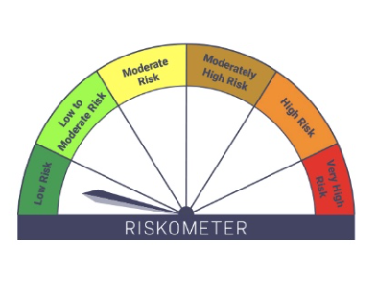

IB16-Groww Overnight Fund
Portfolio as on 31-JUL-2025
ISIN | Name of Instrument | Rating/Industry | Quantity | Market Value (In Rs. lakh) | % To Net Assets | Yield
 | DEBT INSTRUMENTS
 | (a) Listed / awaiting listing on Stock Exchanges |  |  | NIL | NIL
 | Sub Total |  |  | NIL | NIL
 | (b) Privately placed / Unlisted |  |  | NIL | NIL
 | Sub Total |  |  | NIL | NIL
 | (c) Securitized Debt Instruments |  |  | NIL | NIL
 | Sub Total |  |  | NIL | NIL
 | (d) Government Securities / SDL |  |  | NIL | NIL
 | Sub Total |  |  | NIL | NIL
 | Total |  |  | NIL | NIL

 | MONEY MARKET INSTRUMENTS
 | Total |  |  | NIL | NIL

 | TREPS / Reverse Repo Investments / Corporate Debt Repo
INTREP010825 | CCIL |  | 130.00 | 13.00 | 0.61%
 | Total |  |  | 13.00 | 0.61%

 | Triparty Repo/ Reverse Repo Instrument
 | Reverse Repo 01-AUG-25 |  |  | 2,092.93 | 98.79%
 | Total |  |  | 2,092.93 | 98.79%

 | Cash & Cash Equivalents
 | Net Receivable/Payable |  |  | 12.70 | 0.60%
 | Total |  |  | 12.70 | 0.60%
 | Grand Total |  |  | 2,118.64 | 100.00%

 | Scheme - Groww Overnight Fund | Benchmark - CRISIL Liquid Overnight Index |  |  |  | Potential Risk Class (PRC)
 | Scheme Risk-O-Meter | Benchmark Risk-O-Meter |  |  |  | PRC Level - AI

IB37


IB37-Groww Gilt Fund
Portfolio as on 31-JUL-2025
ISIN | Name of Instrument | Rating/Industry | Quantity | Market Value (In Rs. lakh) | % To Net Assets | Yield
 | DEBT INSTRUMENTS
 | (a) Listed / awaiting listing on Stock Exchanges |  |  | NIL | NIL
 | Sub Total |  |  | NIL | NIL
 | (b) Privately placed / Unlisted |  |  | NIL | NIL
 | Sub Total |  |  | NIL | NIL
 | (c) Securitized Debt Instruments |  |  | NIL | NIL
 | Sub Total |  |  | NIL | NIL
 | (d) Government Securities / SDL
IN0020240035 | 7.34% GOI - 22-Apr-2064 | SOVEREIGN | 2,150,000.00 | 2,213.79 | 65.99% | 7.11%
IN0020250018 | 6.9% GOI 15-Apr-2065 | SOVEREIGN | 200,000.00 | 195.17 | 5.82% | 7.08%
 | Sub Total |  |  | 2,408.96 | 71.81%
 | Total |  |  | 2,408.96 | 71.81%

 | MONEY MARKET INSTRUMENTS
 | Treasury Bills
IN002025X091 | 91 Days Treasury Bill 28-Aug-2025 | SOVEREIGN | 500,000.00 | 498.04 | 14.85% | 5.31%
 | Sub Total |  |  | 498.04 | 14.85%
 | Total |  |  | 498.04 | 14.85%

 | Triparty Repo/ Reverse Repo Instrument
 | Reverse Repo 01-AUG-25 |  |  | 189.54 | 5.65%
 | Total |  |  | 189.54 | 5.65%

 | Cash & Cash Equivalents
 | Net Receivable/Payable |  |  | 258.12 | 7.69%
 | Total |  |  | 258.12 | 7.69%
 | Grand Total |  |  | 3,354.66 | 100.00%

Scheme - GROWW GILT FUND | Benchmark - CRISIL Dynamic Gilt Index
Scheme Risk-O-Meter | Benchmark Risk-O-Meter

