IB02
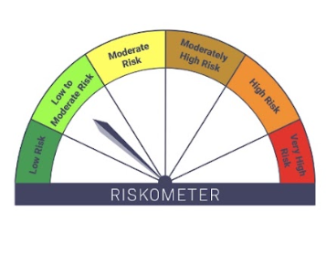
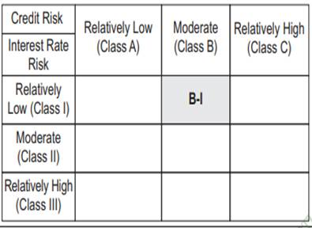
IB02-Groww Liquid Fund
Portfolio as on 15-JUL-2025
ISIN | Name of Instrument | Rating/Industry | Quantity | Market Value (In Rs. lakh) | % To Net Assets | Yield
 | DEBT INSTRUMENTS
 | (a) Listed / awaiting listing on Stock Exchanges
 | Non Convertible Debentures / Bonds
INE134E08LR7 | 7.15% Power Finance Corporation Limited 08-SEP-2025** | CRISIL AAA | 2,450,000.00 | 2,453.53 | 7.48% | 5.82%
INE975F07II7 | 8.1059% Kotak Mahindra Investments Ltd. 18-JUL-2025** | CRISIL AAA | 500,000.00 | 500.06 | 1.52% | 5.97%
 | Sub Total |  |  | 2,953.58 | 9.00%
 | (b) Privately placed / Unlisted |  |  | NIL | NIL
 | Sub Total |  |  | NIL | NIL
 | (c) Securitized Debt Instruments |  |  | NIL | NIL
 | Sub Total |  |  | NIL | NIL
 | (d) Government Securities / SDL |  |  | NIL | NIL
 | Sub Total |  |  | NIL | NIL
 | Total |  |  | 2,953.58 | 9.00%

 | MONEY MARKET INSTRUMENTS
 | Treasury Bills
IN002024Y498 | 182 Days Treasury Bill 18-Sep-2025 | SOVEREIGN | 1,000,000.00 | 990.78 | 3.02% | 5.31%
IN002025X141 | 91 Days Treasury Bill 02-Oct-2025 | SOVEREIGN | 240,100.00 | 237.41 | 0.72% | 5.3%
IN002025X158 | 91 Days Treasury Bill 09-Oct-2025 | SOVEREIGN | 1,000,000.00 | 987.69 | 3.01% | 5.35%
 | Sub Total |  |  | 2,215.87 | 6.75%
 | Commercial Papers
INE929O14DR4 | Reliance Retail Ventures Ltd 29-AUG-2025** | CRISIL A1+ | 2,500,000.00 | 2,483.03 | 7.57% | 5.67%
INE763G14YG2 | ICICI Securities Limited 08-AUG-2025** | CRISIL A1+ | 1,000,000.00 | 996.25 | 3.04% | 5.98%
INE700G14OF7 | HDFC Securities Limited 12-AUG-2025** | ICRA A1+ | 1,000,000.00 | 995.57 | 3.03% | 6.01%
INE242A14YA3 | Indian Oil Corporation Limited 19-SEP-2025 | CRISIL A1+ | 2,500,000.00 | 2,475.11 | 7.54% | 5.65%
INE01C314BZ0 | BAJAJ FINANCIAL SECURITIES LIMITED 12-SEP-2025** | CRISIL A1+ | 2,400,000.00 | 2,376.89 | 7.24% | 6.12%
INE556F14LE4 | SIDBI 04-SEP-2025** | CARE A1+ | 2,000,000.00 | 1,984.65 | 6.05% | 5.64%
INE115A14FO1 | LIC Housing Finance Limited 19-SEP-2025** | CRISIL A1+ | 2,500,000.00 | 2,474.81 | 7.54% | 5.72%
 | Sub Total |  |  | 13,786.31 | 42.02%
 | Certificate of Deposits
INE028A16IU2 | Bank of Baroda 21-AUG-2025**# | CRISIL A1+ | 2,000,000.00 | 1,989.03 | 6.06% | 5.59%
INE238AD6900 | Axis Bank Limited 04-SEP-2025# | CRISIL A1+ | 2,000,000.00 | 1,984.69 | 6.05% | 5.63%
INE160A16SI7 | Punjab National Bank 17-SEP-2025**# | CRISIL A1+ | 2,500,000.00 | 2,475.92 | 7.55% | 5.64%
INE040A16HA1 | HDFC Bank Limited 18-SEP-2025**# | CARE A1+ | 2,500,000.00 | 2,475.48 | 7.54% | 5.65%
 | Sub Total |  |  | 8,925.12 | 27.20%
 | Total |  |  | 24,927.30 | 75.97%

 | Alternative Investment Fund Units
INF0RQ622028 | SBI FUNDS MANAGEMENT PVT LMTD |  | 601.87 | 67.82 | 0.21%
 | Total |  |  | 67.82 | 0.21%

 | TREPS / Reverse Repo Investments / Corporate Debt Repo
INTREP160725 | CCIL |  | 5,850.00 | 585.00 | 1.78%
 | Total |  |  | 585.00 | 1.78%

 | Triparty Repo/ Reverse Repo Instrument
 | Reverse Repo 16-JUL-25 |  |  | 4,106.93 | 12.52%
 | Total |  |  | 4,106.93 | 12.52%

 | Cash & Cash Equivalents
 | Net Receivable/Payable |  |  | 171.65 | 0.52%
 | Total |  |  | 171.65 | 0.52%
 | Grand Total |  |  | 32,812.28 | 100.00%

** Non Traded Security
# Unlisted Securities

Scheme - Groww Liquid Fund | Benchmark - CRISIL Liquid Debt A-I Index | Potential Risk Class (PRC)
Scheme Risk-O-Meter | Benchmark Risk-O-Meter | PRC Level - BI

IB05
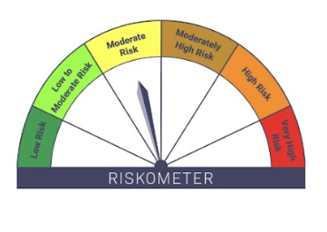

IB05-Groww Dynamic Bond Fund
Portfolio as on 15-JUL-2025
ISIN | Name of Instrument | Rating/Industry | Quantity | Market Value (In Rs. lakh) | % To Net Assets | Yield
 | DEBT INSTRUMENTS
 | (a) Listed / awaiting listing on Stock Exchanges
 | Non Convertible Debentures / Bonds
INE261F08EO7 | 7.48% NABARD 15-SEP-2028** | CRISIL AAA | 500,000.00 | 510.98 | 6.53% | 6.69%
INE514E08FH3 | 7.02% EXIM Bank 25-NOV-2031** | CRISIL AAA | 500,000.00 | 505.39 | 6.46% | 6.8%
INE115A07QM6 | 7.77% LIC Housing Finance Limited 11-AUG-2028** | CRISIL AAA | 200,000.00 | 204.91 | 2.62% | 6.85%
INE556F08KX8 | 7.49% SIDBI 11-JUN-2029** | CRISIL AAA | 200,000.00 | 204.76 | 2.62% | 6.77%
INE514E08GE8 | 7.35% EXIM Bank 27-JUL-2028** | CRISIL AAA | 100,000.00 | 102.28 | 1.31% | 6.5%
INE134E08LX5 | 7.59% Power Finance Corporation Limited 17-JAN-2028** | CRISIL AAA | 100,000.00 | 102.11 | 1.31% | 6.63%
INE115A07QS3 | 7.9265% LIC Housing Finance Limited 14-JUL-2027** | CRISIL AAA | 100,000.00 | 101.98 | 1.30% | 6.83%
INE660A07RX6 | 7.18% Sundaram Finance Limited 16-MAY-2028** | CRISIL AAA | 80,000.00 | 80.33 | 1.03% | 7%
INE134E08LR7 | 7.15% Power Finance Corporation Limited 08-SEP-2025** | CRISIL AAA | 50,000.00 | 50.07 | 0.64% | 5.82%
INE053F08510 | 6.47% Indian Railway Finance Corporation Ltd 30-MAY-2028 | CRISIL AAA | 30,000.00 | 29.97 | 0.38% | 6.51%
 | Sub Total |  |  | 1,892.79 | 24.19%
 | (b) Privately placed / Unlisted |  |  | NIL | NIL
 | Sub Total |  |  | NIL | NIL
 | (c) Securitized Debt Instruments |  |  | NIL | NIL
 | Sub Total |  |  | NIL | NIL
 | (d) Government Securities / SDL
IN0020240035 | 7.34% GOI - 22-Apr-2064 | SOVEREIGN | 3,150,000.00 | 3,270.89 | 41.80% | 7.05%
IN0020250018 | 6.9% GOI 15-Apr-2065 | SOVEREIGN | 500,000.00 | 491.21 | 6.28% | 7.03%
IN2220220049 | 7.63% MAHARASHTRA SDL - 11-May-2030 | SOVEREIGN | 200,000.00 | 209.28 | 2.67% | 6.49%
IN0020220037 | 7.38% GOI MAT 20-Jun-2027 | SOVEREIGN | 50,000.00 | 51.50 | 0.66% | 5.71%
 | Sub Total |  |  | 4,022.88 | 51.41%
 | Total |  |  | 5,915.68 | 75.60%

 | MONEY MARKET INSTRUMENTS
 | Commercial Papers
INE556F14LE4 | SIDBI 04-SEP-2025** | CARE A1+ | 500,000.00 | 496.16 | 6.34% | 5.64%
INE01C314BZ0 | BAJAJ FINANCIAL SECURITIES LIMITED 12-SEP-2025** | CRISIL A1+ | 100,000.00 | 99.04 | 1.27% | 6.12%
 | Sub Total |  |  | 595.20 | 7.61%
 | Certificate of Deposits
INE028A16IU2 | Bank of Baroda 21-AUG-2025**# | CRISIL A1+ | 500,000.00 | 497.26 | 6.36% | 5.59%
 | Sub Total |  |  | 497.26 | 6.36%
 | Total |  |  | 1,092.46 | 13.96%

 | Alternative Investment Fund Units
INF0RQ622028 | SBI FUNDS MANAGEMENT PVT LMTD |  | 184.51 | 20.79 | 0.27%
 | Total |  |  | 20.79 | 0.27%

 | TREPS / Reverse Repo Investments / Corporate Debt Repo
INTREP160725 | CCIL |  | 6,920.00 | 692.00 | 8.84%
 | Total |  |  | 692.00 | 8.84%

 | Cash & Cash Equivalents
 | Net Receivable/Payable |  |  | 103.54 | 1.32%
 | Total |  |  | 103.54 | 1.32%
 | Grand Total |  |  | 7,824.46 | 100.00%

** Non Traded Security
# Unlisted Securities

Scheme - Groww Dynamic Bond Fund | Benchmark - CRISIL Dynamic Bond A-III Index |  | Potential Risk Class (PRC)
Scheme Risk-O-Meter | Benchmark Risk-O-Meter |  | PRC Level - BIII

IB10
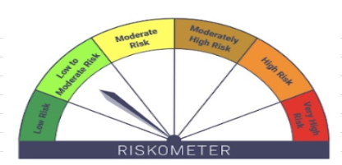

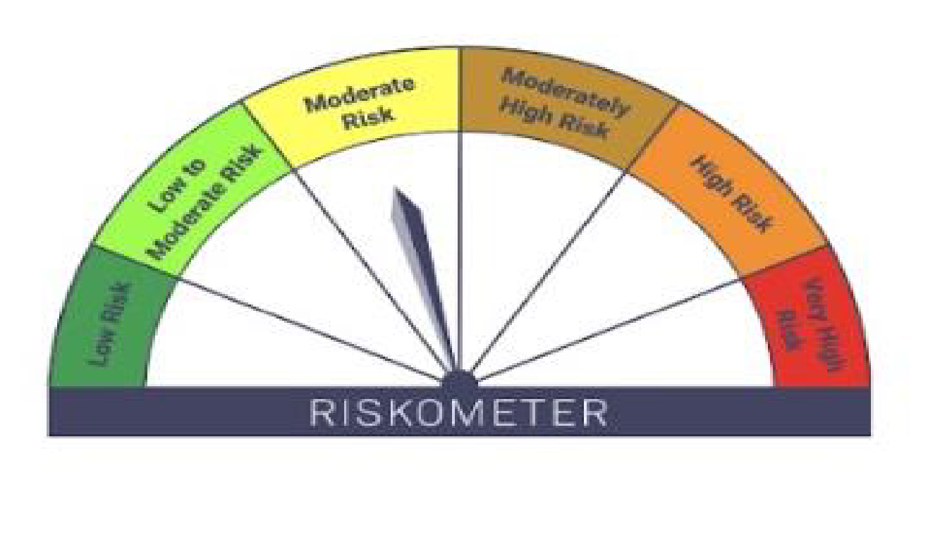
IB10-Groww Short Duration Fund
Portfolio as on 15-JUL-2025
ISIN | Name of Instrument | Rating/Industry | Quantity | Market Value (In Rs. lakh) | % To Net Assets | Yield
 | DEBT INSTRUMENTS
 | (a) Listed / awaiting listing on Stock Exchanges
 | Non Convertible Debentures / Bonds
INE556F08KX8 | 7.49% SIDBI 11-JUN-2029** | CRISIL AAA | 1,300,000.00 | 1,330.93 | 9.34% | 6.77%
INE020B08EH0 | 7.77% REC Limited 31-MAR-2028 | CRISIL AAA | 1,000,000.00 | 1,028.88 | 7.22% | 6.55%
INE514E08GE8 | 7.35% EXIM Bank 27-JUL-2028** | CRISIL AAA | 900,000.00 | 920.49 | 6.46% | 6.5%
INE134E08LX5 | 7.59% Power Finance Corporation Limited 17-JAN-2028** | CRISIL AAA | 900,000.00 | 919.03 | 6.45% | 6.63%
INE261F08EJ7 | 7.64% NABARD 06-DEC-2029** | ICRA AAA | 500,000.00 | 515.77 | 3.62% | 6.77%
INE261F08EG3 | 7.68% NABARD 30-APR-2029** | CRISIL AAA | 500,000.00 | 514.56 | 3.61% | 6.77%
INE481G08115 | 7.34% UltraTech Cement Limited 05-MAR-2030** | CRISIL AAA | 500,000.00 | 512.65 | 3.60% | 6.67%
INE557F08GD6 | 7.35% National Housing Bank 02-JAN-2032** | CARE AAA | 500,000.00 | 511.25 | 3.59% | 6.9%
INE296A07SI8 | 7.9% Bajaj Finance Limited 13-APR-2028** | CRISIL AAA | 500,000.00 | 509.65 | 3.58% | 7.08%
INE296A07SR9 | 8.1% Bajaj Finance Limited 08-JAN-2027** | CRISIL AAA | 500,000.00 | 507.54 | 3.56% | 6.95%
INE377Y07490 | 7.98% Bajaj Housing Finance Ltd 09-SEP-2026** | CRISIL AAA | 500,000.00 | 507.00 | 3.56% | 6.65%
INE756I07EU9 | 7.988% HDB Financial Services Limited 08-DEC-2026** | ICRA AAA | 500,000.00 | 506.88 | 3.56% | 6.96%
INE848E07BL8 | 6.8% NHPC Limited 24-APR-2028** | CARE AAA | 500,000.00 | 502.05 | 3.52% | 6.62%
INE053F08510 | 6.47% Indian Railway Finance Corporation Ltd 30-MAY-2028 | CRISIL AAA | 470,000.00 | 469.60 | 3.30% | 6.51%
INE660A07RX6 | 7.18% Sundaram Finance Limited 16-MAY-2028** | CRISIL AAA | 420,000.00 | 421.74 | 2.96% | 7%
INE115A07QS3 | 7.9265% LIC Housing Finance Limited 14-JUL-2027** | CRISIL AAA | 400,000.00 | 407.92 | 2.86% | 6.83%
INE115A07QM6 | 7.77% LIC Housing Finance Limited 11-AUG-2028** | CRISIL AAA | 300,000.00 | 307.37 | 2.16% | 6.85%
 | Sub Total |  |  | 10,393.31 | 72.93%
 | (b) Privately placed / Unlisted |  |  | NIL | NIL
 | Sub Total |  |  | NIL | NIL
 | (c) Securitized Debt Instruments |  |  | NIL | NIL
 | Sub Total |  |  | NIL | NIL
 | (d) Government Securities / SDL
IN0020240126 | 6.79% GOI - 07-OCT-2034 | SOVEREIGN | 1,000,000.00 | 1,028.36 | 7.22% | 6.38%
IN0020240183 | 6.75% GOI 23-Dec-2029 | SOVEREIGN | 500,000.00 | 514.60 | 3.61% | 5.99%
IN2220220049 | 7.63% MAHARASHTRA SDL - 11-May-2030 | SOVEREIGN | 300,000.00 | 313.92 | 2.20% | 6.49%
IN0020220037 | 7.38% GOI MAT 20-Jun-2027 | SOVEREIGN | 50,000.00 | 51.50 | 0.36% | 5.71%
 | Sub Total |  |  | 1,908.38 | 13.39%
 | Total |  |  | 12,301.69 | 86.33%

 | MONEY MARKET INSTRUMENTS
 | Certificate of Deposits
INE238AD6BA5 | Axis Bank Limited 15-MAY-2026**# | CRISIL A1+ | 500,000.00 | 475.37 | 3.34% | 6.24%
 | Sub Total |  |  | 475.37 | 3.34%
 | Total |  |  | 475.37 | 3.34%

 | Alternative Investment Fund Units
INF0RQ622028 | SBI FUNDS MANAGEMENT PVT LMTD |  | 309.25 | 34.85 | 0.24%
 | Total |  |  | 34.85 | 0.24%

 | TREPS / Reverse Repo Investments / Corporate Debt Repo
INTREP160725 | CCIL |  | 11,290.00 | 1,129.00 | 7.92%
 | Total |  |  | 1,129.00 | 7.92%

 | Cash & Cash Equivalents
 | Net Receivable/Payable |  |  | 309.49 | 2.17%
 | Total |  |  | 309.49 | 2.17%
 | Grand Total |  |  | 14,250.39 | 100.00%

** Non Traded Security
# Unlisted Securities

Scheme - Groww Short Duration Fund | Benchmark - CRISIL Short Duration Debt A-II Index |  | Potential Risk Class (PRC)
Scheme Risk-O-Meter | Benchmark Risk-O-Meter |  | PRC Level - BII

IB16
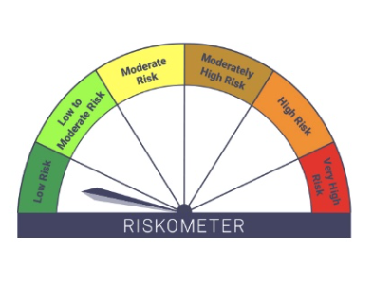
IB16-Groww Overnight Fund
Portfolio as on 15-JUL-2025
ISIN | Name of Instrument | Rating/Industry | Quantity | Market Value (In Rs. lakh) | % To Net Assets | Yield
 | DEBT INSTRUMENTS
 | (a) Listed / awaiting listing on Stock Exchanges |  |  | NIL | NIL
 | Sub Total |  |  | NIL | NIL
 | (b) Privately placed / Unlisted |  |  | NIL | NIL
 | Sub Total |  |  | NIL | NIL
 | (c) Securitized Debt Instruments |  |  | NIL | NIL
 | Sub Total |  |  | NIL | NIL
 | (d) Government Securities / SDL |  |  | NIL | NIL
 | Sub Total |  |  | NIL | NIL
 | Total |  |  | NIL | NIL

 | MONEY MARKET INSTRUMENTS
 | Total |  |  | NIL | NIL

 | TREPS / Reverse Repo Investments / Corporate Debt Repo
INTREP160725 | CCIL |  | 170.00 | 17.00 | 0.80%
 | Total |  |  | 17.00 | 0.80%

 | Triparty Repo/ Reverse Repo Instrument
 | Reverse Repo 16-JUL-25 |  |  | 2,083.21 | 98.60%
 | Total |  |  | 2,083.21 | 98.60%

 | Cash & Cash Equivalents
 | Net Receivable/Payable |  |  | 12.64 | 0.60%
 | Total |  |  | 12.64 | 0.60%
 | Grand Total |  |  | 2,112.85 | 100.00%

 | Scheme - Groww Overnight Fund | Benchmark - CRISIL Liquid Overnight Index |  |  | Potential Risk Class (PRC)
 | Scheme Risk-O-Meter | Benchmark Risk-O-Meter |  |  | PRC Level - AI

IB37

IB37-Groww Gilt Fund
Portfolio as on 15-JUL-2025
ISIN | Name of Instrument | Rating/Industry | Quantity | Market Value (In Rs. lakh) | % To Net Assets | Yield
 | DEBT INSTRUMENTS
 | (a) Listed / awaiting listing on Stock Exchanges |  |  | NIL | NIL
 | Sub Total |  |  | NIL | NIL
 | (b) Privately placed / Unlisted |  |  | NIL | NIL
 | Sub Total |  |  | NIL | NIL
 | (c) Securitized Debt Instruments |  |  | NIL | NIL
 | Sub Total |  |  | NIL | NIL
 | (d) Government Securities / SDL
IN0020240035 | 7.34% GOI - 22-Apr-2064 | SOVEREIGN | 2,350,000.00 | 2,440.19 | 71.59% | 7.05%
 | Sub Total |  |  | 2,440.19 | 71.59%
 | Total |  |  | 2,440.19 | 71.59%

 | MONEY MARKET INSTRUMENTS
 | Treasury Bills
IN002025X091 | 91 Days Treasury Bill 28-Aug-2025 | SOVEREIGN | 500,000.00 | 496.90 | 14.58% | 5.3%
 | Sub Total |  |  | 496.90 | 14.58%
 | Total |  |  | 496.90 | 14.58%

 | TREPS / Reverse Repo Investments / Corporate Debt Repo
INTREP160725 | CCIL |  | 4,240.00 | 424.00 | 12.44%
 | Total |  |  | 424.00 | 12.44%

 | Cash & Cash Equivalents
 | Net Receivable/Payable |  |  | 47.55 | 1.39%
 | Total |  |  | 47.55 | 1.39%
 | Grand Total |  |  | 3,408.63 | 100.00%

 | Scheme - GROWW GILT FUND | Benchmark - CRISIL Dynamic Gilt Index
 | Scheme Risk-O-Meter | Benchmark Risk-O-Meter

