OBFLX
OBFLX | Old Bridge Mutual Fund
 | Monthly Portfolio Statement as on March 31, 2026
 | Old Bridge Flexi Cap Fund

 | Name of the Instrument | ISIN | Industry* | Quantity | Market/Fair Value (Rs. in Lakhs) | % to Net Assets | YTM
 | Equity & Equity related
 | (a) Listed / awaiting listing on Stock Exchanges
GLPH03 | Glenmark Pharmaceuticals Limited | INE935A01035 | Pharmaceuticals & Biotechnology | 17,500 | 373.05 | 3.26
SHTR02 | Shriram Finance Limited | INE721A01047 | Finance | 42,000 | 366.28 | 3.20
GAEL03 | Gujarat Ambuja Exports Limited | INE036B01030 | Agricultural Food & other Products | 237,000 | 322.06 | 2.82
BTVL02 | Bharti Airtel Limited | INE397D01024 | Telecom - Services | 17,800 | 317.27 | 2.77
UTIB02 | Axis Bank Limited | INE238A01034 | Banks | 27,000 | 313.55 | 2.74
AUPH03 | Aurobindo Pharma Limited | INE406A01037 | Pharmaceuticals & Biotechnology | 20,650 | 269.36 | 2.36
GODI01 | Go Digit General Insurance Limited | INE03JT01014 | Insurance | 80,000 | 260.52 | 2.28
RATN01 | RBL Bank Limited | INE976G01028 | Banks | 89,000 | 257.88 | 2.25
IGIP02 | International Gemmological Institute India Limited | INE0Q9301021 | Commercial Services & Supplies | 71,746 | 228.12 | 1.99
HINI02 | Hindalco Industries Limited | INE038A01020 | Non - Ferrous Metals | 25,000 | 221.11 | 1.93
TISC03 | Tata Steel Limited | INE081A01020 | Ferrous Metals | 115,000 | 220.64 | 1.93
LARS02 | Larsen & Toubro Limited | INE018A01030 | Construction | 6,000 | 210.25 | 1.84
BALI02 | Balkrishna Industries Limited | INE787D01026 | Auto Components | 10,000 | 208.30 | 1.82
TELC03 | Tata Motors Passenger Vehicles Limited | INE155A01022 | Automobiles | 70,000 | 207.34 | 1.81
MAHI02 | Mahindra & Mahindra Limited | INE101A01026 | Automobiles | 7,000 | 206.83 | 1.81
DLFL01 | DLF Limited | INE271C01023 | Realty | 40,000 | 201.64 | 1.76
STHE01 | Star Health And Allied Insurance Company Limited | INE575P01011 | Insurance | 38,500 | 176.14 | 1.54
BALC02 | Balrampur Chini Mills Limited | INE119A01028 | Agricultural Food & other Products | 35,000 | 173.99 | 1.52
JUFL02 | Jubilant Foodworks Limited | INE797F01020 | Leisure Services | 34,000 | 147.59 | 1.29
 | Sub Total |  |  |  | 4,681.92 | 40.92
 | (b) Unlisted |  |  |  | Nil | Nil | Nil
 | Sub Total |  |  |  | Nil | Nil | Nil
 | Total |  |  |  | 4,681.92 | 40.92
 | Money Market Instruments
 | TREPS / Reverse Repo
TRP_020426 | Triparty Repo |  |  |  | 5,499.25 | 48.08 | 5.01%
 | Sub Total |  |  |  | 5,499.25 | 48.08
 | Total |  |  |  | 5,499.25 | 48.08
 | Net Receivables / (Payables) |  |  |  | 1,255.41 | 11.00
 | GRAND TOTAL |  |  |  | 11,436.58 | 100.00
 | Note: Old Bridge Flexi Cap Fund has been recently launched and the scheme’s portfolio is under construction.
 | YTM - Yield To Maturity
 | * Industry Classification is as recommended by AMFI

 | Notes :
 | (1) The provision made for securities classified as below investment grade or default as of March 31, 2026 is Rs.Nil and its percentage to Net Asset Value is Nil.
 | (2) Details of security in default beyond it's maturity date: Nil
 | (3) Plan/ Option wise per unit net asset value are as follows:
 | Plan/ Option | NAV Rs. per unit as on March 4, 2026 ^ | NAV Rs. per unit as on March 31, 2026
 | Regular IDCW | 10.01 | 9.85
 | Regular Growth | 10.01 | 9.85
 | Direct IDCW | 10.01 | 9.86
 | Direct Growth | 10.01 | 9.86
 | ^ Date of re-opening of Scheme
 | (4) Total Value and percentage of illiquid equity shares: Nil
 | (5) Total outstanding exposure in derivative instruments as on March 31, 2026: Nil
 | (6) Total investments in Foreign Securities / Overseas ETFs as on March 31, 2026 and its percentage to NAV : Nil
 | (7) Investment in Repo of Corporate Debt securities : Nil
 | (8) The Scheme did not declare any Income Distribution cum Capital Withdrawal during the month ended March 31, 2026.
 | (9) The Scheme did not declare any bonus during the month ended March 31, 2026.
 | (10) Investment in Fixed Deposits - NIL
 | (11) The Face Value per unit is Rs.10
 | (12) IDCW stands for Income Distribution cum Capital Withdrawal
 | (13) IDCW stands for Income Distribution cum Capital Withdrawal
 | (14) Disclosure on investment in Exchange Traded Commodity Derivatives is Nil.

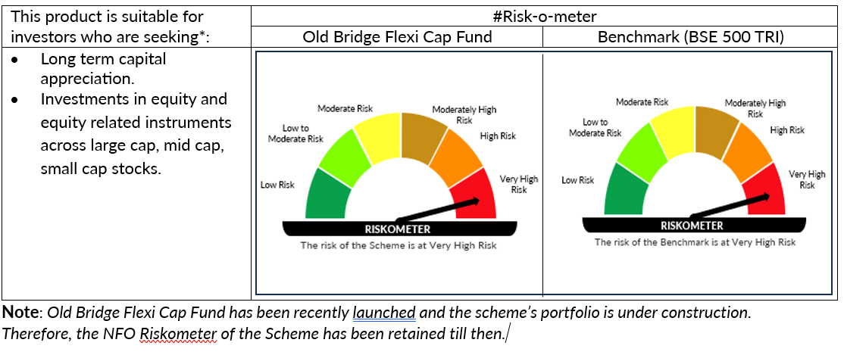

 | *Investors should consult their financial advisers if in doubt about whether the product is suitable for them

