OBFCE
OBFCE | Old Bridge Mutual Fund
 | Monthly Portfolio Statement as on February 28, 2026
 | Old Bridge Focused Fund

 | Name of the Instrument | ISIN | Industry* | Quantity | Market/Fair Value (Rs. in Lakhs) | % to Net Assets | YTM
 | Equity & Equity related
 | (a) Listed / awaiting listing on Stock Exchanges
SHTR02 | Shriram Finance Limited | INE721A01047 | Finance | 2,086,200 | 22,518.44 | 9.15
AUPH03 | Aurobindo Pharma Limited | INE406A01037 | Pharmaceuticals & Biotechnology | 1,186,529 | 14,480.40 | 5.88
REIN02 | Redington Limited | INE891D01026 | Commercial Services & Supplies | 4,588,000 | 12,867.05 | 5.23
UTIB02 | Axis Bank Limited | INE238A01034 | Banks | 910,000 | 12,593.49 | 5.12
MAUD01 | Maruti Suzuki India Limited | INE585B01010 | Automobiles | 77,858 | 11,567.36 | 4.70
TISC03 | Tata Steel Limited | INE081A01020 | Ferrous Metals | 5,441,000 | 11,552.88 | 4.69
HZIN02 | Hindustan Zinc Limited | INE267A01025 | Non - Ferrous Metals | 1,836,000 | 11,085.77 | 4.50
INAV01 | InterGlobe Aviation Limited | INE646L01027 | Transport Services | 207,143 | 9,999.21 | 4.06
BTVL02 | Bharti Airtel Limited | INE397D01024 | Telecom - Services | 530,000 | 9,960.29 | 4.05
SECH03 | UPL Limited | INE628A01036 | Fertilizers & Agrochemicals | 1,480,300 | 9,435.43 | 3.83
GRAN02 | Granules India Limited | INE101D01020 | Pharmaceuticals & Biotechnology | 1,582,000 | 9,211.20 | 3.74
HINI02 | Hindalco Industries Limited | INE038A01020 | Non - Ferrous Metals | 990,981 | 9,163.60 | 3.72
GLLS01 | Alivus Life Sciences Limited | INE03Q201024 | Pharmaceuticals & Biotechnology | 937,000 | 8,543.57 | 3.47
RAFO02 | Ramkrishna Forgings Limited | INE399G01023 | Auto Components | 1,528,000 | 8,431.50 | 3.43
PREP01 | Prestige Estates Projects Limited | INE811K01011 | Realty | 603,242 | 8,403.16 | 3.41
GREA03 | The Great Eastern Shipping Company Limited | INE017A01032 | Transport Services | 565,402 | 7,570.17 | 3.08
IEEL02 | Indian Energy Exchange Limited | INE022Q01020 | Capital Markets | 5,693,600 | 7,153.44 | 2.91
RAKH02 | Radico Khaitan Limited | INE944F01028 | Beverages | 253,000 | 6,703.24 | 2.72
TELC03 | Tata Motors Passenger Vehicles Limited | INE155A01022 | Automobiles | 1,630,000 | 6,237.20 | 2.53
KAVS02 | Kaveri Seed Company Limited | INE455I01029 | Agricultural Food & other Products | 684,000 | 5,281.85 | 2.15
BARB01 | United Foodbrands Limited | INE382M01027 | Leisure Services | 1,347,000 | 3,195.49 | 1.30
ANTO01 | Antony Waste Handling Cell Limited | INE01BK01022 | Other Utilities | 640,000 | 3,153.28 | 1.28
MEAH02 | Medi Assist Healthcare Services Limited | INE456Z01021 | Insurance | 763,613 | 2,830.71 | 1.15
 | Sub Total |  |  |  | 211,938.73 | 86.10
 | (b) Unlisted |  |  |  | Nil | Nil | Nil
 | Sub Total |  |  |  | Nil | Nil | Nil
 | Total |  |  |  | 211,938.73 | 86.10
 | Money Market Instruments
 | TREPS / Reverse Repo
TRP_020326 | Triparty Repo |  |  |  | 34,065.47 | 13.84 | 4.85%
 | Sub Total |  |  |  | 34,065.47 | 13.84
 | Total |  |  |  | 34,065.47 | 13.84
 | Net Receivables / (Payables) |  |  |  | 119.95 | 0.06
 | GRAND TOTAL |  |  |  | 246,124.15 | 100.00

 | YTM - Yield To Maturity
 | * Industry Classification is as recommended by AMFI

 | Notes :
 | (1) The provision made for securities classified as below investment grade or default as of February 28, 2026 is Rs.Nil and its percentage to Net Asset Value is Nil.
 | (2) Details of security in default beyond it's maturity date: Nil
 | (3) Plan/ Option wise per unit net asset value are as follows:
 | Plan/ Option | NAV Rs. per unit as on January 31 2026 | NAV Rs. per unit as on February 28 2026
 | Regular IDCW | 12.38 | 12.28
 | Regular Growth | 12.38 | 12.28
 | Direct IDCW | 12.64 | 12.56
 | Direct Growth | 12.64 | 12.56
 | (4) Portfolio turnover ratio: 0.24
 | (5) Total Value and percentage of illiquid equity shares: Nil
 | (6) Total outstanding exposure in derivative instruments as on February 28, 2026: Nil
 | (7) Total investments in Foreign Securities / Overseas ETFs as on February 28, 2026 and its percentage to NAV : Nil
 | (8) Investment in Repo of Corporate Debt securities : Nil
 | (9) The Scheme did not declare any Income Distribution cum Capital Withdrawal during the month ended February 28, 2026.
 | (10) The Scheme did not declare any bonus during the month ended February 28, 2026.
 | (11) Investment in Fixed Deposits - NIL
 | (12) The Face Value per unit is Rs.10
 | (13) IDCW stands for Income Distribution cum Capital Withdrawal
 | (14) Disclosure on investment in Exchange Traded Commodity Derivatives is Nil.

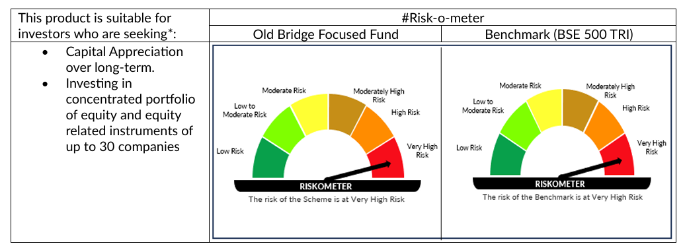

 | # For latest riskometer, investors may refer to the Monthly Portfolios disclosed on the website of the Fund viz. www.oldbridgemf.com
 | *Investors should consult their financial advisers if in doubt about whether the product is suitable for them

