OBFCE
OBFCE | Old Bridge Mutual Fund
 | Monthly Portfolio Statement as on December 31, 2025
 | Old Bridge Focused Fund
 | Name of the Instrument | ISIN | Industry* | Quantity | Market/Fair Value (Rs. in Lakhs) | % to Net Assets | YTM
 | Equity & Equity related
 | (a) Listed / awaiting listing on Stock Exchanges
SHTR02 | Shriram Finance Limited | INE721A01047 | Finance | 2,086,200 | 20,782.72 | 8.68
HCLT02 | HCL Technologies Limited | INE860A01027 | IT - Software | 1,094,000 | 17,758.90 | 7.41
MAUD01 | Maruti Suzuki India Limited | INE585B01010 | Automobiles | 77,858 | 12,999.95 | 5.43
REIN02 | Redington Limited | INE891D01026 | Commercial Services & Supplies | 4,588,000 | 12,495.42 | 5.22
AUPH03 | Aurobindo Pharma Limited | INE406A01037 | Pharmaceuticals & Biotechnology | 1,006,529 | 11,907.24 | 4.97
SECH03 | UPL Limited | INE628A01036 | Fertilizers & Agrochemicals | 1,480,300 | 11,770.61 | 4.91
HZIN02 | Hindustan Zinc Limited | INE267A01025 | Non - Ferrous Metals | 1,836,000 | 11,244.58 | 4.69
BTVL02 | Bharti Airtel Limited | INE397D01024 | Telecom - Services | 530,000 | 11,159.68 | 4.66
INAV01 | InterGlobe Aviation Limited | INE646L01027 | Transport Services | 207,143 | 10,480.40 | 4.38
TISC03 | Tata Steel Limited | INE081A01020 | Ferrous Metals | 5,441,000 | 9,798.15 | 4.09
PREP01 | Prestige Estates Projects Limited | INE811K01011 | Realty | 603,242 | 9,620.50 | 4.02
GRAN02 | Granules India Limited | INE101D01020 | Pharmaceuticals & Biotechnology | 1,582,000 | 9,468.27 | 3.95
UTIB02 | Axis Bank Limited | INE238A01034 | Banks | 700,000 | 8,885.80 | 3.71
HINI02 | Hindalco Industries Limited | INE038A01020 | Non - Ferrous Metals | 990,981 | 8,787.03 | 3.67
GLLS01 | Alivus Life Sciences Limited | INE03Q201024 | Pharmaceuticals & Biotechnology | 937,000 | 8,588.54 | 3.59
RAKH02 | Radico Khaitan Limited | INE944F01028 | Beverages | 253,000 | 8,344.95 | 3.48
IEEL02 | Indian Energy Exchange Limited | INE022Q01020 | Capital Markets | 5,693,600 | 7,641.95 | 3.19
KAVS02 | Kaveri Seed Company Limited | INE455I01029 | Agricultural Food & other Products | 684,000 | 6,744.24 | 2.82
RAFO02 | Ramkrishna Forgings Limited | INE399G01023 | Auto Components | 1,268,000 | 6,633.54 | 2.77
GREA03 | The Great Eastern Shipping Company Limited | INE017A01032 | Transport Services | 565,402 | 6,383.39 | 2.67
BURG01 | Restaurant Brands Asia Limited | INE07T201019 | Leisure Services | 5,004,592 | 3,157.90 | 1.32
ANTO01 | Antony Waste Handling Cell Limited | INE01BK01022 | Other Utilities | 640,000 | 3,106.24 | 1.30
MEAH02 | Medi Assist Healthcare Services Limited | INE456Z01021 | Insurance | 667,000 | 3,064.53 | 1.28
BARB01 | United Foodbrands Limited | INE382M01027 | Leisure Services | 1,347,000 | 2,849.71 | 1.19
 | Sub Total |  |  |  | 223,674.24 | 93.40
 | (b) Unlisted |  |  |  | Nil | Nil | Nil
 | Sub Total |  |  |  | Nil | Nil | Nil
 | Total |  |  |  | 223,674.24 | 93.40
 | Money Market Instruments
TRP_010126 | TREPS / Reverse Repo
 | Triparty Repo |  |  |  | 16,075.00 | 6.71 | 5.14%
 | Sub Total |  |  |  | 16,075.00 | 6.71
 | Total |  |  |  | 16,075.00 | 6.71
 | Net Receivables / (Payables) |  |  |  | (222.50) | (0.11)
 | GRAND TOTAL |  |  |  | 239,526.74 | 100.00

 | YTM - Yield To Maturity
 | * Industry Classification is as recommended by AMFI

 | Notes :
 | (1) The provision made for securities classified as below investment grade or default as of December 31, 2025 is Rs.Nil and its percentage to Net Asset Value is Nil.
 | (2) Details of security in default beyond it's maturity date: Nil
 | (3) Plan/ Option wise per unit net asset value are as follows:
 | Plan/ Option | NAV Rs. per unit as on November 30 2025 | NAV Rs. per unit as on December 31 2025
 | Regular IDCW | 12.25 | 12.57
 | Regular Growth | 12.25 | 12.57
 | Direct IDCW | 12.49 | 12.83
 | Direct Growth | 12.49 | 12.83
 | (4) Portfolio turnover ratio: 0.19
 | (5) Total Value and percentage of illiquid equity shares: Nil
 | (6) Total outstanding exposure in derivative instruments as on December 31, 2025: Nil
 | (7) Total investments in Foreign Securities / Overseas ETFs as on December 31, 2025 and its percentage to NAV : Nil
 | (8) Investment in Repo of Corporate Debt securities : Nil
 | (9) The Scheme did not declare any Income Distribution cum Capital Withdrawal during the month ended December 31, 2025.
 | (10) The Scheme did not declare any bonus during the month ended December 31, 2025.
 | (11) Investment in Fixed Deposits - NIL
 | (12) The Face Value per unit is Rs.10
 | (13) IDCW stands for Income Distribution cum Capital Withdrawal
 | (14) Disclosure on investment in Exchange Traded Commodity Derivatives is Nil.

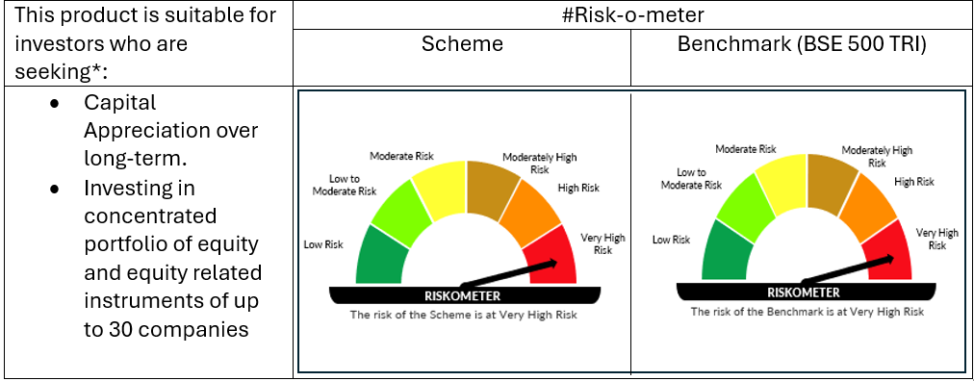

 | # For latest riskometer, investors may refer to the Monthly Portfolios disclosed on the website of the Fund viz. www.oldbridgemf.com
 | *Investors should consult their financial advisers if in doubt about whether the product is suitable for them

