Focused Fund
Old Bridge Mutual Fund
Monthly Portfolio Statement as on November 30, 2025
Old Bridge Focused Fund

Name of the Instrument | ISIN | Industry* | Quantity | Market/Fair Value (Rs. in Lakhs) | % to Net Assets | YTM
Equity & Equity related
(a) Listed / awaiting listing on Stock Exchanges
Shriram Finance Limited | INE721A01047 | Finance | 2,086,200 | 17,767.12 | 7.77
HCL Technologies Limited | INE860A01027 | IT - Software | 994,000 | 16,144.55 | 7.06
Maruti Suzuki India Limited | INE585B01010 | Automobiles | 77,858 | 12,379.42 | 5.42
Aurobindo Pharma Limited | INE406A01037 | Pharmaceuticals & Biotechnology | 1,006,529 | 12,347.09 | 5.40
Redington Limited | INE891D01026 | Commercial Services & Supplies | 4,041,404 | 11,360.39 | 4.97
UPL Limited | INE628A01036 | Fertilizers & Agrochemicals | 1,480,300 | 11,230.30 | 4.91
Bharti Airtel Limited | INE397D01024 | Telecom - Services | 530,000 | 11,138.48 | 4.87
Prestige Estates Projects Limited | INE811K01011 | Realty | 603,242 | 10,118.18 | 4.43
Tata Steel Limited | INE081A01020 | Ferrous Metals | 5,441,000 | 9,138.70 | 4.00
InterGlobe Aviation Limited | INE646L01027 | Transport Services | 152,143 | 8,978.72 | 3.93
Axis Bank Limited | INE238A01034 | Banks | 700,000 | 8,957.90 | 3.92
Hindustan Zinc Limited | INE267A01025 | Non - Ferrous Metals | 1,836,000 | 8,908.27 | 3.90
Granules India Limited | INE101D01020 | Pharmaceuticals & Biotechnology | 1,582,000 | 8,797.50 | 3.85
Alivus Life Sciences Limited | INE03Q201024 | Pharmaceuticals & Biotechnology | 937,000 | 8,418.95 | 3.68
Radico Khaitan Limited | INE944F01028 | Beverages | 253,000 | 8,116.49 | 3.55
Hindalco Industries Limited | INE038A01020 | Non - Ferrous Metals | 990,981 | 8,011.09 | 3.50
Indian Energy Exchange Limited | INE022Q01020 | Capital Markets | 5,693,600 | 7,930.62 | 3.47
Ramkrishna Forgings Limited | INE399G01023 | Auto Components | 1,268,000 | 6,974.00 | 3.05
Kaveri Seed Company Limited | INE455I01029 | Agricultural Food & other Products | 684,000 | 6,800.33 | 2.97
The Great Eastern Shipping Company Limited | INE017A01032 | Transport Services | 565,402 | 6,258.43 | 2.74
Infosys Limited | INE009A01021 | IT - Software | 230,000 | 3,588.23 | 1.57
Restaurant Brands Asia Limited | INE07T201019 | Leisure Services | 5,004,592 | 3,117.36 | 1.36
Antony Waste Handling Cell Limited | INE01BK01022 | Other Utilities | 640,000 | 2,941.76 | 1.29
United Foodbrands Limited | INE382M01027 | Leisure Services | 1,347,000 | 2,493.57 | 1.09
Sub Total |  |  |  | 211,917.45 | 92.70
(b) Unlisted |  |  |  | Nil | Nil | Nil
Sub Total |  |  |  | Nil | Nil | Nil
Total |  |  |  | 211,917.45 | 92.70
Money Market Instruments
TREPS / Reverse Repo
Cash and Other Current Asset |  |  |  | 17,555.00 | 7.68 | 5.46%
Sub Total |  |  |  | 17,555.00 | 7.68
Total |  |  |  | 17,555.00 | 7.68
Net Receivables / (Payables) |  |  |  | (874.44) | (0.38)
GRAND TOTAL |  |  |  | 228,598.01 | 100.00

* Industry Classification is as recommended by AMFI

Notes :
(1) The provision made for securities classified as below investment grade or default as of November 30, 2025 is Rs.Nil and its percentage to Net Asset Value is Nil.
(2) Details of security in default beyond it's maturity date: Nil
(3) Plan/ Option wise per unit net asset value are as follows:
Plan/ Option | NAV Rs. per unit as on October 31 2025 | NAV Rs. per unit as on November 30 2025
Regular IDCW | 12.06 | 12.25
Regular Growth | 12.06 | 12.25
Direct IDCW | 12.29 | 12.49
Direct Growth | 12.29 | 12.49
(4) Portfolio turnover ratio: 0.18
(5) Total Value and percentage of illiquid equity shares: Nil
(6) Total outstanding exposure in derivative instruments as on November30, 2025: Nil
(7) Total investments in Foreign Securities / Overseas ETFs as on November30, 2025 and its percentage to NAV : Nil
(8) Investment in Repo of Corporate Debt securities : Nil
(9) The Scheme did not declare any Income Distribution cum Capital Withdrawal during the month ended November30, 2025.
(10) The Scheme did not declare any bonus during the month ended November30, 2025.
(11) Investment in Fixed Deposits - NIL
(12) The Face Value per unit is Rs.10
(13) IDCW stands for Income Distribution cum Capital Withdrawal

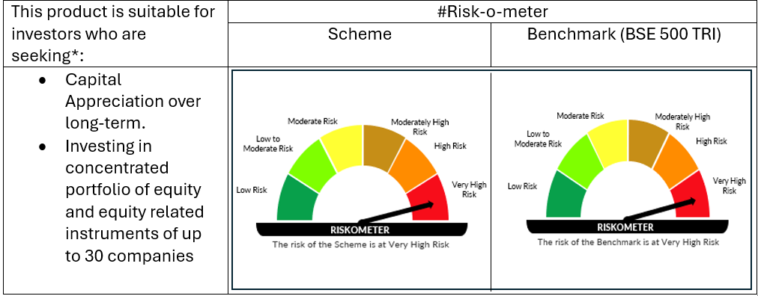

# For latest riskometer, investors may refer to the Monthly Portfolios disclosed on the website of the Fund viz. www.oldbridgemf.com
*Investors should consult their financial advisers if in doubt about whether the product is suitable for them

