OBFCE
OBFCE | Old Bridge Mutual Fund
 | Monthly Portfolio Statement as on October 31, 2025
 | Old Bridge Focused Fund

 | Name of the Instrument | ISIN | Industry* | Quantity | Market/Fair Value (Rs. in Lakhs) | % to Net Assets | YTM
 | Equity & Equity related
 | (a) Listed / awaiting listing on Stock Exchanges
SHTR02 | Shriram Finance Limited | INE721A01047 | Finance | 2,086,200 | 15,623.55 | 7.13
MAUD01 | Maruti Suzuki India Limited | INE585B01010 | Automobiles | 77,858 | 12,602.10 | 5.75
HCLT02 | HCL Technologies Limited | INE860A01027 | IT - Software | 776,000 | 11,962.04 | 5.46
BTVL02 | Bharti Airtel Limited | INE397D01024 | Telecom - Services | 530,000 | 10,888.85 | 4.97
SECH03 | UPL Limited | INE628A01036 | Fertilizers & Agrochemicals | 1,480,300 | 10,659.64 | 4.86
PREP01 | Prestige Estates Projects Limited | INE811K01011 | Realty | 603,242 | 10,524.76 | 4.80
AUPH03 | Aurobindo Pharma Limited | INE406A01037 | Pharmaceuticals & Biotechnology | 906,529 | 10,324.46 | 4.71
REIN02 | Redington Limited | INE891D01026 | Commercial Services & Supplies | 4,041,404 | 10,255.06 | 4.68
TISC03 | Tata Steel Limited | INE081A01020 | Ferrous Metals | 5,441,000 | 9,948.32 | 4.54
GRAN02 | Granules India Limited | INE101D01020 | Pharmaceuticals & Biotechnology | 1,582,000 | 8,947.79 | 4.08
HZIN02 | Hindustan Zinc Limited | INE267A01025 | Non - Ferrous Metals | 1,836,000 | 8,748.54 | 3.99
INAV01 | InterGlobe Aviation Limited | INE646L01027 | Transport Services | 152,143 | 8,558.04 | 3.90
HINI02 | Hindalco Industries Limited | INE038A01020 | Non - Ferrous Metals | 990,981 | 8,402.03 | 3.83
IEEL02 | Indian Energy Exchange Limited | INE022Q01020 | Capital Markets | 5,693,600 | 7,917.52 | 3.61
GLLS01 | Alivus Life Sciences Limited | INE03Q201024 | Pharmaceuticals & Biotechnology | 837,000 | 7,570.25 | 3.45
RAKH02 | Radico Khaitan Limited | INE944F01028 | Beverages | 228,000 | 7,139.82 | 3.26
KAVS02 | Kaveri Seed Company Limited | INE455I01029 | Agricultural Food & other Products | 684,000 | 7,112.23 | 3.24
RAFO02 | Ramkrishna Forgings Limited | INE399G01023 | Auto Components | 1,268,000 | 6,885.24 | 3.14
INFS02 | Infosys Limited | INE009A01021 | IT - Software | 460,000 | 6,818.58 | 3.11
GREA03 | The Great Eastern Shipping Company Limited | INE017A01032 | Transport Services | 565,402 | 6,217.16 | 2.84
UTIB02 | Axis Bank Limited | INE238A01034 | Banks | 500,000 | 6,164.00 | 2.81
ANTO01 | Antony Waste Handling Cell Limited | INE01BK01022 | Other Utilities | 640,000 | 3,484.16 | 1.59
BURG01 | Restaurant Brands Asia Limited | INE07T201019 | Leisure Services | 5,004,592 | 3,364.59 | 1.53
BARB01 | United Foodbrands Limited | INE382M01027 | Leisure Services | 1,347,000 | 2,747.75 | 1.25
 | Sub Total |  |  |  | 202,866.48 | 92.53
 | (b) Unlisted |  |  |  | Nil | Nil | Nil
 | Sub Total |  |  |  | Nil | Nil | Nil
 | Total |  |  |  | 202,866.48 | 92.53
 | Money Market Instruments
 | TREPS / Reverse Repo
TRP_031125 | Triparty Repo |  |  |  | 16,339.97 | 7.45 | 5.62%
 | Sub Total |  |  |  | 16,339.97 | 7.45
 | Total |  |  |  | 16,339.97 | 7.45
 | Net Receivables / (Payables) |  |  |  | 33.24 | 0.02
 | GRAND TOTAL |  |  |  | 219,239.69 | 100.00

 | * Industry Classification is as recommended by AMFI

 | Notes :
 | (1) The provision made for securities classified as below investment grade or default as of October 31, 2025 is Rs.Nil and its percentage to Net Asset Value is Nil.
 | (2) Details of security in default beyond it's maturity date: Nil
 | (3) Plan/ Option wise per unit net asset value are as follows:
 | Plan/ Option | NAV Rs. per unit as on September 30 2025 | NAV Rs. per unit as on October 31 2025
 | Regular IDCW | 11.55 | 12.06
 | Regular Growth | 11.55 | 12.06
 | Direct IDCW | 11.76 | 12.29
 | Direct Growth | 11.76 | 12.29
 | (4) Portfolio turnover ratio: 0.17
 | (5) Total Value and percentage of illiquid equity shares: Nil
 | (6) Total outstanding exposure in derivative instruments as on October 31, 2025: Nil
 | (7) Total investments in Foreign Securities / Overseas ETFs as on October 31, 2025 and its percentage to NAV : Nil
 | (8) Investment in Repo of Corporate Debt securities : Nil
 | (9) The Scheme did not declare any Income Distribution cum Capital Withdrawal during the month ended October 31, 2025.
 | (10) The Scheme did not declare any bonus during the month ended October 31, 2025.
 | (11) Investment in Fixed Deposits - NIL
 | (12) The Face Value per unit is Rs.10
 | (13) IDCW stands for Income Distribution cum Capital Withdrawal

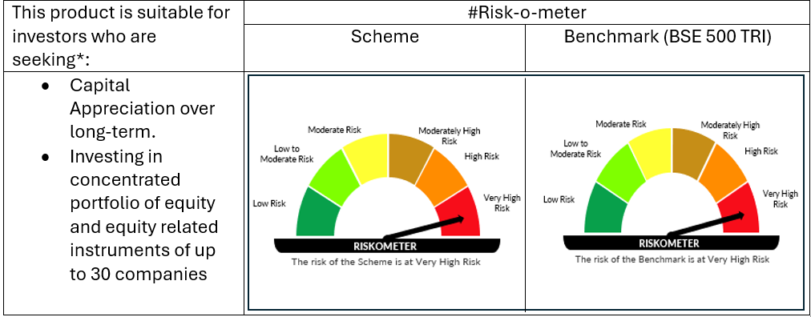

 | # For latest riskometer, investors may refer to the Monthly Portfolios disclosed on the website of the Fund viz. www.oldbridgemf.com
 | *Investors should consult their financial advisers if in doubt about whether the product is suitable for them

