OBFCE
OBFCE | Old Bridge Mutual Fund
 | Monthly Portfolio Statement as on June 30, 2025
 | Old Bridge Focused Fund

 | Name of the Instrument | ISIN | Industry* | Quantity | Market/Fair Value (Rs. in Lakhs) | % to Net Assets | YTM
 | Equity & Equity related
 | (a) Listed / awaiting listing on Stock Exchanges
BTVL02 | Redington Limited | INE891D01026 | Commercial Services & Supplies | 3,713,300 | 12,081.22 | 6.33
KAVS02 | Bharti Airtel Limited | INE397D01024 | Telecom - Services | 530,000 | 10,650.88 | 5.58
REIN02 | Prestige Estates Projects Limited | INE811K01011 | Realty | 603,242 | 9,998.13 | 5.24
MAUD01 | UPL Limited | INE628A01036 | Fertilizers & Agrochemicals | 1,480,300 | 9,788.48 | 5.13
IEEL02 | Maruti Suzuki India Limited | INE585B01010 | Automobiles | 77,858 | 9,654.39 | 5.06
HCLT02 | Shriram Finance Limited | INE721A01047 | Finance | 1,359,200 | 9,607.51 | 5.03
PREP01 | InterGlobe Aviation Limited | INE646L01027 | Transport Services | 152,143 | 9,092.83 | 4.76
SHTR02 | Aurobindo Pharma Limited | INE406A01037 | Pharmaceuticals & Biotechnology | 794,379 | 9,014.61 | 4.72
INAV01 | HCL Technologies Limited | INE860A01027 | IT - Software | 521,000 | 9,006.01 | 4.72
TISC03 | Indian Energy Exchange Limited | INE022Q01020 | Capital Markets | 4,583,600 | 8,851.39 | 4.64
AUPH03 | Tata Steel Limited | INE081A01020 | Ferrous Metals | 5,441,000 | 8,692.54 | 4.55
SECH03 | Kaveri Seed Company Limited | INE455I01029 | Agricultural Food & other Products | 677,545 | 7,984.19 | 4.18
HINI02 | Granules India Limited | INE101D01020 | Pharmaceuticals & Biotechnology | 1,582,000 | 7,835.65 | 4.10
TASC02 | Infosys Limited | INE009A01021 | IT - Software | 460,000 | 7,368.28 | 3.86
RAKH02 | Hindalco Industries Limited | INE038A01020 | Non - Ferrous Metals | 990,981 | 6,866.01 | 3.60
GREA03 | Ramkrishna Forgings Limited | INE399G01023 | Auto Components | 868,000 | 5,853.79 | 3.07
INFS02 | Marksans Pharma Limited | INE750C01026 | Pharmaceuticals & Biotechnology | 2,160,000 | 5,648.40 | 2.96
GRAN02 | Radico Khaitan Limited | INE944F01028 | Beverages | 214,033 | 5,601.67 | 2.93
RAFO02 | The Great Eastern Shipping Company Limited | INE017A01032 | Transport Services | 565,402 | 5,534.44 | 2.90
BURG01 | Antony Waste Handling Cell Limited | INE01BK01022 | Other Utilities | 640,000 | 4,355.20 | 2.28
ANTO01 | Barbeque Nation Hospitality Limited | INE382M01027 | Leisure Services | 1,347,000 | 4,274.70 | 2.24
BARB01 | Restaurant Brands Asia Limited | INE07T201019 | Leisure Services | 5,004,592 | 4,131.29 | 2.16
GLLS01 | Alivus Life Sciences Limited | INE03Q201024 | Pharmaceuticals & Biotechnology | 397,799 | 4,000.27 | 2.10
 | Sub Total |  |  |  | 175,891.88 | 92.14
 | (b) Unlisted |  |  |  | Nil | Nil | Nil
 | Sub Total |  |  |  | Nil | Nil | Nil
 | Total |  |  |  | 175,891.88 | 92.14
 | Money Market Instruments
 | TREPS / Reverse Repo
TRP_020625 | Triparty Repo |  |  |  | 14,805.00 | 7.76 | 5.30%
 | Sub Total |  |  |  | 14,805.00 | 7.76
 | Total |  |  |  | 14,805.00 | 7.76
 | Net Receivables / (Payables) |  |  |  | 206.47 | 0.10
 | GRAND TOTAL |  |  |  | 190,903.35 | 100.00

 | * Industry Classification is as recommended by AMFI

 | Notes :
 | (1) The provision made for securities classified as below investment grade or default as of June 30, 2025 is Rs.Nil and its percentage to Net Asset Value is Nil.
 | (2) Details of security in default beyond it's maturity date: Nil
 | (3) Plan/ Option wise per unit net asset value are as follows:
 | Plan/ Option | NAV Rs. per unit as on May 31 2025 | NAV Rs. per unit as on June 30 2025
 | Regular IDCW | 11.78 | 12.22
 | Regular Growth | 11.78 | 12.22
 | Direct IDCW | 11.94 | 12.40
 | Direct Growth | 11.94 | 12.40
 | (4) Portfolio turnover ratio: 0.18
 | (5) Total Value and percentage of illiquid equity shares: Nil
 | (6) Total outstanding exposure in derivative instruments as on June 30, 2025: Nil
 | (7) Total investments in Foreign Securities / Overseas ETFs as on June 30, 2025 and its percentage to NAV : Nil
 | (8) Investment in Repo of Corporate Debt securities : Nil
 | (9) The Scheme did not declare any Income Distribution cum Capital Withdrawal during the month ended June 30, 2025.
 | (10) The Scheme did not declare any bonus during the month ended June 30, 2025.
 | (11) Investment in Fixed Deposits - NIL
 | (12) The Face Value per unit is Rs.10
 | (13) IDCW stands for Income Distribution cum Capital Withdrawal
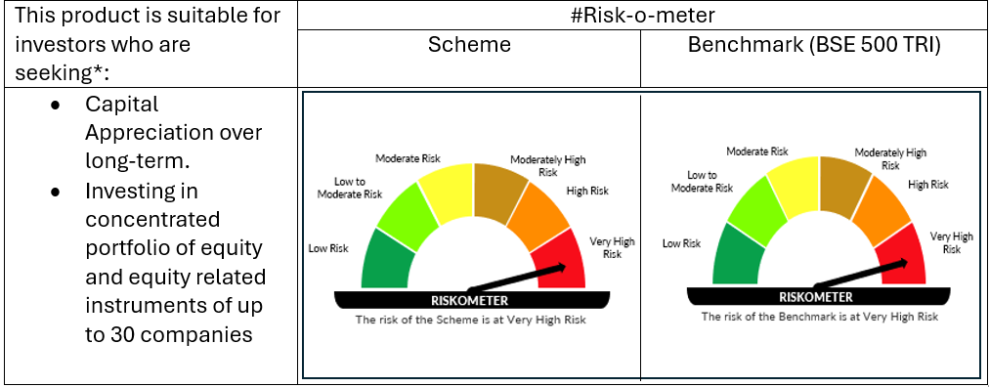

 | # For latest riskometer, investors may refer to the Monthly Portfolios disclosed on the website of the Fund viz. www.oldbridgemf.com
 | *Investors should consult their financial advisers if in doubt about whether the product is suitable for them

