OBFCE
OBFCE | Old Bridge Mutual Fund
 | Monthly Portfolio Statement as on May 31, 2025
 | Old Bridge Focused Equity Fund

 | Name of the Instrument | ISIN | Industry* | Quantity | Market/Fair Value (Rs. in Lakhs) | % to Net Assets | YTM
 | Equity & Equity related
 | (a) Listed / awaiting listing on Stock Exchanges
BTVL02 | Bharti Airtel Limited | INE397D01024 | Telecom - Services | 506,500 | 9,401.6530 | 5.41
KAVS02 | Kaveri Seed Company Limited | INE455I01029 | Agricultural Food & other Products | 648,000 | 9,336.3840 | 5.37
REIN02 | Redington Limited | INE891D01026 | Commercial Services & Supplies | 3,555,000 | 9,195.7185 | 5.29
MAUD01 | Maruti Suzuki India Limited | INE585B01010 | Automobiles | 74,300 | 9,153.0170 | 5.26
IEEL02 | Indian Energy Exchange Limited | INE022Q01020 | Capital Markets | 4,368,000 | 8,760.0240 | 5.04
HCLT02 | HCL Technologies Limited | INE860A01027 | IT - Software | 521,000 | 8,526.6860 | 4.90
PREP01 | Prestige Estates Projects Limited | INE811K01011 | Realty | 575,982 | 8,447.3520 | 4.86
SHTR02 | Shriram Finance Limited | INE721A01047 | Finance | 1,293,000 | 8,266.7955 | 4.75
INAV01 | InterGlobe Aviation Limited | INE646L01027 | Transport Services | 152,143 | 8,109.2219 | 4.66
TISC03 | Tata Steel Limited | INE081A01020 | Ferrous Metals | 4,795,000 | 7,720.9090 | 4.44
AUPH03 | Aurobindo Pharma Limited | INE406A01037 | Pharmaceuticals & Biotechnology | 654,379 | 7,510.9622 | 4.32
SECH03 | UPL Limited | INE628A01036 | Fertilizers & Agrochemicals | 1,192,500 | 7,487.7075 | 4.31
HINI02 | Hindalco Industries Limited | INE038A01020 | Non - Ferrous Metals | 922,981 | 5,847.0846 | 3.36
TASC02 | Marksans Pharma Limited | INE750C01026 | Pharmaceuticals & Biotechnology | 2,097,079 | 5,482.1839 | 3.15
RAKH02 | Radico Khaitan Limited | INE944F01028 | Beverages | 214,033 | 5,421.0278 | 3.12
GREA03 | The Great Eastern Shipping Company Limited | INE017A01032 | Transport Services | 565,402 | 5,262.7618 | 3.03
INFS02 | Infosys Limited | INE009A01021 | IT - Software | 329,000 | 5,141.2830 | 2.96
GRAN02 | Granules India Limited | INE101D01020 | Pharmaceuticals & Biotechnology | 831,000 | 4,408.8705 | 2.54
RAFO02 | Ramkrishna Forgings Limited | INE399G01023 | Auto Components | 698,000 | 4,231.6250 | 2.43
BURG01 | Restaurant Brands Asia Limited | INE07T201019 | Leisure Services | 5,004,592 | 4,068.7333 | 2.34
ANTO01 | Antony Waste Handling Cell Limited | INE01BK01022 | Other Utilities | 640,000 | 3,996.4800 | 2.30
BARB01 | Barbeque Nation Hospitality Limited | INE382M01027 | Leisure Services | 1,285,026 | 3,869.8558 | 2.23
GLLS01 | Alivus Life Sciences Limited | INE03Q201024 | Pharmaceuticals & Biotechnology | 356,799 | 3,713.9208 | 2.14
 | Sub Total |  |  |  | 153,360.2500 | 88.19
 | (b) Unlisted |  |  |  | Nil | Nil | Nil
 | Sub Total |  |  |  | Nil | Nil | Nil
 | Total |  |  |  | 153,360.2500 | 88.19
 | Money Market Instruments
 | TREPS / Reverse Repo
TRP_020625 | Triparty Repo |  |  |  | 19,993.6810 | 11.50 | 5.77%
 | Sub Total |  |  |  | 19,993.6810 | 11.50
 | Total |  |  |  | 19,993.6810 | 11.50
 | Net Receivables / (Payables) |  |  |  | 542.9623 | 0.31
 | GRAND TOTAL |  |  |  | 173,896.9004 | 100.00

 | * Industry Classification is as recommended by AMFI

 | Notes :
 | (1) The provision made for securities classified as below investment grade or default as of May 31, 2025 is Rs.Nil and its percentage to Net Asset Value is Nil.
 | (2) Details of security in default beyond it's maturity date: Nil
 | (3) Plan/ Option wise per unit net asset value are as follows:
 | Plan/ Option | NAV Rs. per unit as on April 30 2025 | NAV Rs. per unit as on May 30 2025
 | Regular IDCW | 11.42 | 11.78
 | Regular Growth | 11.42 | 11.78
 | Direct IDCW | 11.57 | 11.94
 | Direct Growth | 11.57 | 11.94
 | (4) Portfolio turnover ratio: 0.20.
 | (5) Total Value and percentage of illiquid equity shares: Nil
 | (6) Total outstanding exposure in derivative instruments as on May 31, 2025: Nil
 | (7) Total investments in Foreign Securities / Overseas ETFs as on May 31, 2025 and its percentage to NAV : Nil
 | (8) Investment in Repo of Corporate Debt securities : Nil
 | (9) The Scheme did not declare any Income Distribution cum Capital Withdrawal during the month ended May 31, 2025.
 | (10) The Scheme did not declare any bonus during the month ended May 31, 2025.
 | (11) Investment in Fixed Deposits - NIL
 | (12) The Face Value per unit is Rs.10
 | (13) IDCW stands for Income Distribution cum Capital Withdrawal
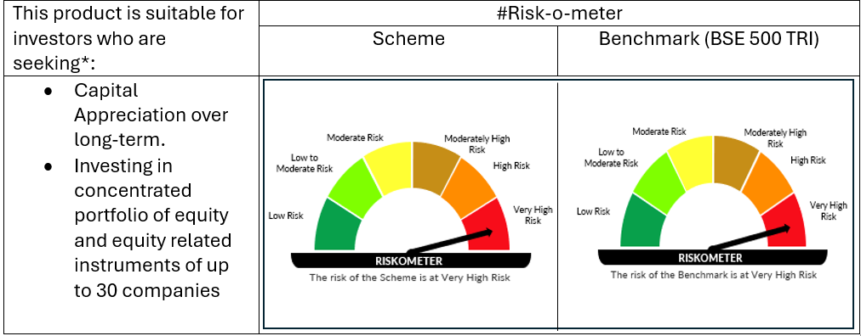

 | # For latest riskometer, investors may refer to the Monthly Portfolios disclosed on the website of the Fund viz. www.oldbridgemf.com
 | *Investors should consult their financial advisers if in doubt about whether the product is suitable for them

