OBFCE
OBFCE | Old Bridge Mutual Fund
 | Monthly Portfolio Statement as on April 30, 2025
 | Old Bridge Focused Equity Fund

 | Name of the Instrument | ISIN | Industry* | Quantity | Market/Fair Value (Rs. in Lakhs) | % to Net Assets | YTM
 | Equity & Equity related
 | (a) Listed / awaiting listing on Stock Exchanges
REIN02 | Bharti Airtel Limited | INE397D01024 | Telecom - Services | 472,500 | 8,809.76 | 6.01
SHTR02 | Kaveri Seed Company Limited | INE455I01029 | Agricultural Food & other Products | 603,000 | 8,651.84 | 5.91
BTVL02 | Redington Limited | INE891D01026 | Commercial Services & Supplies | 3,505,000 | 8,612.14 | 5.88
INAV01 | Maruti Suzuki India Limited | INE585B01010 | Automobiles | 67,600 | 8,285.73 | 5.66
HCLT02 | HCL Technologies Limited | INE860A01027 | IT - Software | 521,000 | 8,166.68 | 5.57
KAVS02 | Aurobindo Pharma Limited | INE406A01037 | Pharmaceuticals & Biotechnology | 654,379 | 8,042.97 | 5.49
AUPH03 | Indian Energy Exchange Limited | INE022Q01020 | Capital Markets | 4,200,000 | 7,994.70 | 5.46
MAUD01 | InterGlobe Aviation Limited | INE646L01027 | Transport Services | 152,143 | 7,986.75 | 5.45
IEEL02 | UPL Limited | INE628A01036 | Fertilizers & Agrochemicals | 1,185,500 | 7,941.66 | 5.42
HINI02 | Prestige Estates Projects Limited | INE811K01011 | Realty | 575,982 | 7,920.33 | 5.41
SECH03 | Shriram Finance Limited | INE721A01047 | Finance | 1,293,000 | 7,909.28 | 5.40
GREA03 | Hindalco Industries Limited | INE038A01020 | Non - Ferrous Metals | 922,981 | 5,765.40 | 3.94
TASC02 | Tata Steel Limited | INE081A01020 | Ferrous Metals | 4,060,000 | 5,687.25 | 3.88
INFS02 | The Great Eastern Shipping Company Limited | INE017A01032 | Transport Services | 565,402 | 4,919.28 | 3.36
GRAN02 | Radico Khaitan Limited | INE944F01028 | Beverages | 191,033 | 4,691.20 | 3.20
GGLT02 | Infosys Limited | INE009A01021 | IT - Software | 289,000 | 4,335.29 | 2.96
GLLS01 | Barbeque Nation Hospitality Limited | INE382M01027 | Leisure Services | 1,275,026 | 4,247.11 | 2.90
RAKH02 | Marksans Pharma Limited | INE750C01026 | Pharmaceuticals & Biotechnology | 1,857,079 | 4,074.25 | 2.78
RAFO02 | Restaurant Brands Asia Limited | INE07T201019 | Leisure Services | 5,004,592 | 4,054.72 | 2.77
PREP01 | Alivus Life Sciences Limited | INE03Q201024 | Pharmaceuticals & Biotechnology | 356,799 | 3,939.06 | 2.69
TISC03 | Granules India Limited | INE101D01020 | Pharmaceuticals & Biotechnology | 696,000 | 3,172.37 | 2.17
ANTO01 | Ramkrishna Forgings Limited | INE399G01023 | Auto Components | 533,000 | 3,172.15 | 2.17
BARB01 | Antony Waste Handling Cell Limited | INE01BK01022 | Other Utilities | 640,000 | 3,138.24 | 2.14
 | Sub Total |  |  |  | 141,518.16 | 96.62
 | (b) Unlisted |  |  |  | Nil | Nil | Nil
 | Sub Total |  |  |  | Nil | Nil | Nil
 | Total |  |  |  | 141,518.16 | 96.62
 | Money Market Instruments
 | TREPS / Reverse Repo
TRP_030325 | Triparty Repo |  |  |  | 5,029.18 | 3.43 | 5.92%
 | Sub Total |  |  |  | 5,029.18 | 3.43
 | Total |  |  |  | 5,029.18 | 3.43
 | Net Receivables / (Payables) |  |  |  | (34.01) | (0.05)
 | GRAND TOTAL |  |  |  | 146,513.33 | 100.00

 | * Industry Classification is as recommended by AMFI

 | Notes :
 | (1) The provision made for securities classified as below investment grade or default as of April 30, 2025 is Rs.Nil and its percentage to Net Asset Value is Nil.
 | (2) Details of security in default beyond it's maturity date: Nil
 | (3) Plan/ Option wise per unit net asset value are as follows:
 | Plan/ Option | NAV Rs. per unit as on March 31, 2025 | NAV Rs. per unit as on April 30 2025
 | Regular IDCW | 11.20 | 11.42
 | Regular Growth | 11.20 | 11.42
 | Direct IDCW | 11.34 | 11.57
 | Direct Growth | 11.34 | 11.57
 | (4) Portfolio turnover ratio: 0.23.
 | (5) Total Value and percentage of illiquid equity shares: Nil
 | (6) Total outstanding exposure in derivative instruments as on April 30, 2025: Nil
 | (7) Total investments in Foreign Securities / Overseas ETFs as on April 30, 2025 and its percentage to NAV : Nil
 | (8) Investment in Repo of Corporate Debt securities : Nil
 | (9) The Scheme did not declare any Income Distribution cum Capital Withdrawal during the month ended April 30, 2025.
 | (10) The Scheme did not declare any bonus during the month ended April 30, 2025.
 | (11) Investment in Fixed Deposits - NIL
 | (12) The Face Value per unit is Rs.10
 | (13) IDCW stands for Income Distribution cum Capital Withdrawal

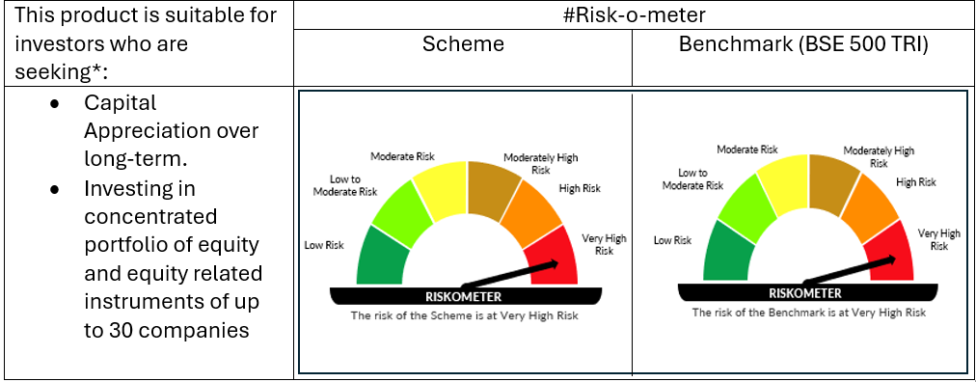

 | # For latest riskometer, investors may refer to the Monthly Portfolios disclosed on the website of the Fund viz. www.oldbridgemf.com
 | *Investors should consult their financial advisers if in doubt about whether the product is suitable for them

