OBFCE
OBFCE | Old Bridge Mutual Fund
 | Monthly Portfolio Statement as on February 28, 2025
 | Old Bridge Focused Equity Fund

 | Name of the Instrument | ISIN | Industry* | Quantity | Market/Fair Value (Rs. in Lakhs) | % to Net Assets | YTM
 | Equity & Equity related
 | (a) Listed / awaiting listing on Stock Exchanges
REIN02 | Redington Limited | INE891D01026 | Commercial Services & Supplies | 3,355,000 | 7,525.94 | 6.54
SHTR02 | Shriram Finance Limited | INE721A01047 | Finance | 1,177,000 | 7,265.62 | 6.31
BTVL02 | Bharti Airtel Limited | INE397D01024 | Telecom - Services | 460,000 | 7,222.92 | 6.28
INAV01 | InterGlobe Aviation Limited | INE646L01027 | Transport Services | 152,143 | 6,811.90 | 5.92
HCLT02 | HCL Technologies Limited | INE860A01027 | IT - Software | 386,000 | 6,079.69 | 5.28
KAVS02 | Kaveri Seed Company Limited | INE455I01029 | Agricultural Food & other Products | 603,000 | 6,035.73 | 5.24
AUPH03 | Aurobindo Pharma Limited | INE406A01037 | Pharmaceuticals & Biotechnology | 549,379 | 5,814.08 | 5.05
MAUD01 | Maruti Suzuki India Limited | INE585B01010 | Automobiles | 48,600 | 5,805.68 | 5.04
IEEL02 | Indian Energy Exchange Limited | INE022Q01020 | Capital Markets | 3,720,000 | 5,800.60 | 5.04
HINI02 | Hindalco Industries Limited | INE038A01020 | Non - Ferrous Metals | 698,981 | 4,433.99 | 3.85
SECH03 | UPL Limited | INE628A01036 | Fertilizers & Agrochemicals | 647,000 | 4,095.19 | 3.56
GREA03 | The Great Eastern Shipping Company Limited | INE017A01032 | Transport Services | 494,902 | 4,012.17 | 3.49
TASC02 | Marksans Pharma Limited | INE750C01026 | Pharmaceuticals & Biotechnology | 1,857,079 | 3,801.26 | 3.30
INFS02 | Infosys Limited | INE009A01021 | IT - Software | 204,000 | 3,442.91 | 2.99
GRAN02 | Granules India Limited | INE101D01020 | Pharmaceuticals & Biotechnology | 696,000 | 3,214.13 | 2.79
GGLT02 | Gujarat Gas Limited | INE844O01030 | Gas | 857,588 | 3,176.08 | 2.76
GLLS01 | Alivus Life Sciences Limited | INE03Q201024 | Pharmaceuticals & Biotechnology | 356,799 | 3,157.31 | 2.74
RAKH02 | Radico Khaitan Limited | INE944F01028 | Beverages | 151,033 | 3,130.99 | 2.72
RAFO02 | Ramkrishna Forgings Limited | INE399G01023 | Auto Components | 481,000 | 3,116.88 | 2.71
PREP01 | Prestige Estates Projects Limited | INE811K01011 | Realty | 268,482 | 3,024.72 | 2.63
TISC03 | Tata Steel Limited | INE081A01020 | Ferrous Metals | 2,200,000 | 3,018.40 | 2.62
ANTO01 | Antony Waste Handling Cell Limited | INE01BK01022 | Other Utilities | 520,000 | 2,754.96 | 2.39
BARB01 | Barbeque Nation Hospitality Limited | INE382M01027 | Leisure Services | 595,026 | 1,653.87 | 1.44
 | Sub Total |  |  |  | 104,395.02 | 90.69
 | (b) Unlisted |  |  |  | Nil | Nil | Nil
 | Sub Total |  |  |  | Nil | Nil | Nil
 | Total |  |  |  | 104,395.02 | 90.69
 | Money Market Instruments
 | TREPS / Reverse Repo
TRP_030325 | Triparty Repo |  |  |  | 10,116.32 | 8.79 | 6.64%
 | Sub Total |  |  |  | 10,116.32 | 8.79
 | Total |  |  |  | 10,116.32 | 8.79
 | Net Receivables / (Payables) |  |  |  | 593.22 | 0.52
 | GRAND TOTAL |  |  |  | 115,104.56 | 100.00

 | * Industry Classification is as recommended by AMFI

 | Notes :
 | (1) The provision made for securities classified as below investment grade or default as of February 28, 2025 is Rs.Nil and its percentage to Net Asset Value is Nil.
 | (2) Details of security in default beyond it's maturity date: Nil
 | (3) Plan/ Option wise per unit net asset value are as follows:
 | Plan/ Option | NAV Rs. per unit as on January 31, 2025 | NAV Rs. per unit as on February 28, 2025
 | Regular IDCW | 11.07 | 10.41
 | Regular Growth | 11.07 | 10.41
 | Direct IDCW | 11.19 | 10.53
 | Direct Growth | 11.19 | 10.53
 | (4) Portfolio turnover ratio: 0.25.
 | (5) Total Value and percentage of illiquid equity shares: Nil
 | (6) Total outstanding exposure in derivative instruments as on February 28, 2025: Nil
 | (7) Total investments in Foreign Securities / Overseas ETFs as on February 28, 2025 and its percentage to NAV : Nil
 | (8) Investment in Repo of Corporate Debt securities : Nil
 | (9) The Scheme did not declare any Income Distribution cum Capital Withdrawal during the month ended February 28, 2025.
 | (10) The Scheme did not declare any bonus during the month ended February 28, 2025.
 | (11) Investment in Fixed Deposits - NIL
 | (12) The Face Value per unit is Rs.10
 | (13) IDCW stands for Income Distribution cum Capital Withdrawal

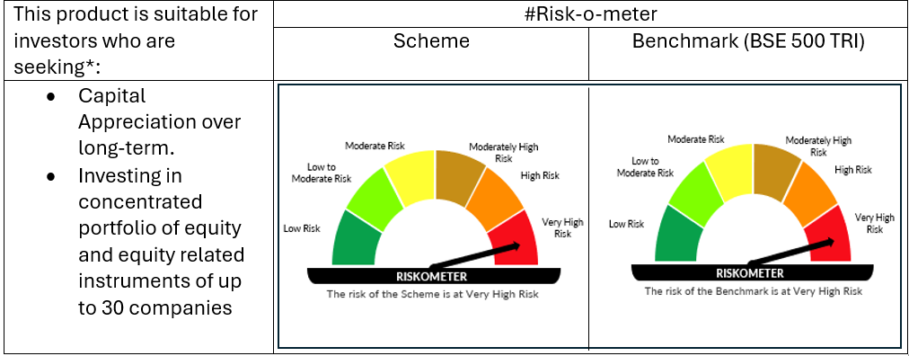

 | # For latest riskometer, investors may refer to the Monthly Portfolios disclosed on the website of the Fund viz. www.oldbridgemf.com
 | *Investors should consult their financial advisers if in doubt about whether the product is suitable for them

