OBFCE
OBFCE | Old Bridge Mutual Fund
 | Monthly Portfolio Statement as on December 31, 2024
 | Old Bridge Focused Equity Fund (An Open-ended Equity Scheme investing in maximum 30 stocks (multi cap)

 | Name of the Instrument | ISIN | Industry* | Quantity | Market/Fair Value (Rs. in Lakhs) | % to Net Assets | YTM
 | Equity & Equity related
 | (a) Listed / awaiting listing on Stock Exchanges
REIN02 | Aurobindo Pharma Limited | INE406A01037 | Pharmaceuticals & Biotechnology | 549,379 | 7,331.46 | 6.82
HCLT02 | InterGlobe Aviation Limited | INE646L01027 | Transport Services | 152,143 | 6,928.97 | 6.44
INAV01 | Redington Limited | INE891D01026 | Commercial Services & Supplies | 3,355,000 | 6,712.35 | 6.24
BTVL02 | HCL Technologies Limited | INE860A01027 | IT - Software | 334,000 | 6,404.12 | 5.95
TASC02 | Shriram Finance Limited | INE721A01013 | Finance | 201,383 | 5,818.26 | 5.41
AUPH03 | Bharti Airtel Limited | INE397D01024 | Telecom - Services | 366,000 | 5,811.17 | 5.40
SHTR01 | Indian Energy Exchange Limited | INE022Q01020 | Capital Markets | 2,885,000 | 5,244.35 | 4.88
IEEL02 | Marksans Pharma Limited | INE750C01026 | Pharmaceuticals & Biotechnology | 1,640,947 | 4,867.87 | 4.53
NAGF02 | NCC Limited | INE868B01028 | Construction | 1,775,000 | 4,861.73 | 4.52
GGLT02 | Gujarat Gas Limited | INE844O01030 | Gas | 857,588 | 4,276.79 | 3.98
HINI02 | Hindalco Industries Limited | INE038A01020 | Non - Ferrous Metals | 698,981 | 4,211.01 | 3.91
PREP01 | Radico Khaitan Limited | INE944F01028 | Beverages | 151,033 | 3,935.77 | 3.66
RAKH02 | Prestige Estates Projects Limited | INE811K01011 | Realty | 226,000 | 3,828.44 | 3.56
GRAN02 | Granules India Limited | INE101D01020 | Pharmaceuticals & Biotechnology | 621,000 | 3,678.18 | 3.42
SYNI01 | Kaveri Seed Company Limited | INE455I01029 | Agricultural Food & other Products | 369,710 | 3,229.05 | 3.00
KAVS02 | Syngene International Limited | INE398R01022 | Healthcare Services | 371,269 | 3,187.16 | 2.96
TISC03 | Tata Steel Limited | INE081A01020 | Ferrous Metals | 2,200,000 | 3,037.10 | 2.82
GREA03 | The Great Eastern Shipping Company Limited | INE017A01032 | Transport Services | 281,000 | 2,703.22 | 2.51
ANTO01 | Antony Waste Handling Cell Limited | INE01BK01022 | Other Utilities | 435,000 | 2,680.69 | 2.49
GLLS01 | Infosys Limited | INE009A01021 | IT - Software | 112,000 | 2,105.60 | 1.96
INFS02 | Glenmark Life Sciences Limited | INE03Q201024 | Pharmaceuticals & Biotechnology | 199,760 | 1,964.54 | 1.83
BARB01 | Barbeque Nation Hospitality Limited | INE382M01027 | Leisure Services | 313,026 | 1,379.04 | 1.28
IMIN01 | Sub Total |  |  |  | 94,196.87 | 87.57
 | (b) Unlisted |  |  |  | Nil | Nil | Nil
 | Sub Total |  |  |  | Nil | Nil | Nil
 | Total |  |  |  | 94,196.87 | 87.57
 | Money Market Instruments
 | TREPS / Reverse Repo
 | Triparty Repo |  |  |  | 13,435.00 | 12.49 | 6.15%
TRP_021224 | Sub Total |  |  |  | 13,435.00 | 12.49
 | Total |  |  |  | 13,435.00 | 12.49
 | Net Receivables / (Payables) |  |  |  | (68.13) | (0.06)
 | GRAND TOTAL |  |  |  | 107,563.74 | 100.00

 | * Industry Classification is as recommended by AMFI

 | Notes :
 | (1) The provision made for securities classified as below investment grade or default as of December 31, 2024 is Rs.Nil and its percentage to Net Asset Value is Nil.
 | (2) Details of security in default beyond it's maturity date: Nil
 | (3) Plan/ Option wise per unit net asset value are as follows:
 | Plan/ Option | NAV Rs. per unit as on November 30, 2024 | NAV Rs. per unit as on December 31, 2024
 | Regular IDCW | 11.90 | 11.70
 | Regular Growth | 11.90 | 11.70
 | Direct IDCW | 12.01 | 11.82
 | Direct Growth | 12.01 | 11.82
 | (4) Portfolio turnover ratio: 0.19.
 | (5) Total Value and percentage of illiquid equity shares: Nil
 | (6) Total outstanding exposure in derivative instruments as on December 31, 2024: Nil
 | (7) Total investments in Foreign Securities / Overseas ETFs as on December 31, 2024 and its percentage to NAV : Nil
 | (8) Investment in Repo of Corporate Debt securities : Nil
 | (9) The Scheme did not declare any Income Distribution cum Capital Withdrawal during the month ended December 31, 2024.
 | (10) The Scheme did not declare any bonus during the month ended December 31, 2024.
 | (11) Investment in Fixed Deposits - NIL
 | (12) The Face Value per unit is Rs.10
 | (13) IDCW stands for Income Distribution cum Capital Withdrawal

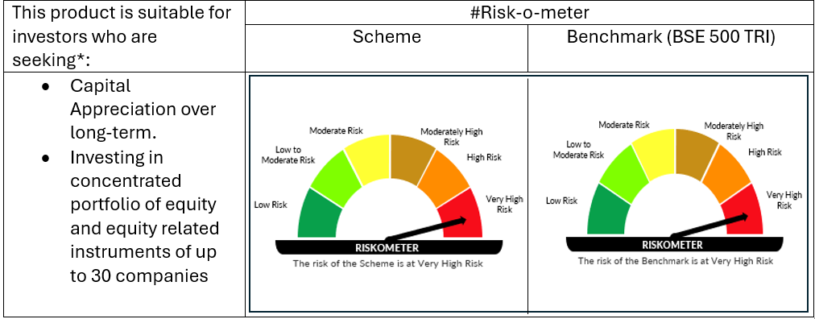

 | # For latest riskometer, investors may refer to the Monthly Portfolios disclosed on the website of the Fund viz. www.oldbridgemf.com
 | *Investors should consult their financial advisers if in doubt about whether the product is suitable for them

