OBFCE
OBFCE | Old Bridge Mutual Fund
 | Monthly Portfolio Statement as on November 30, 2024
 | Old Bridge Focused Equity Fund (An Open-ended Equity Scheme investing in maximum 30 stocks (multi cap)

 | Name of the Instrument | ISIN | Industry* | Quantity | Market/Fair Value (Rs. in Lakhs) | % to Net Assets | YTM
 | Equity & Equity related
 | (a) Listed / awaiting listing on Stock Exchanges
REIN02 | Redington Limited | INE891D01026 | Commercial Services & Supplies | 3,310,000 | 6,541.55 | 6.44
HCLT02 | HCL Technologies Limited | INE860A01027 | IT - Software | 334,000 | 6,172.49 | 6.08
INAV01 | InterGlobe Aviation Limited | INE646L01027 | Transport Services | 138,143 | 6,049.14 | 5.96
BTVL02 | Bharti Airtel Limited | INE397D01024 | Telecom - Services | 366,000 | 5,955.37 | 5.86
TASC02 | Marksans Pharma Limited | INE750C01026 | Pharmaceuticals & Biotechnology | 1,640,947 | 5,624.35 | 5.54
AUPH03 | Aurobindo Pharma Limited | INE406A01037 | Pharmaceuticals & Biotechnology | 440,379 | 5,560.23 | 5.48
SHTR01 | Shriram Finance Limited | INE721A01013 | Finance | 179,383 | 5,416.74 | 5.33
IEEL02 | Indian Energy Exchange Limited | INE022Q01020 | Capital Markets | 2,504,000 | 4,411.80 | 4.34
NAGF02 | NCC Limited | INE868B01028 | Construction | 1,407,000 | 4,357.48 | 4.29
GGLT02 | Gujarat Gas Limited | INE844O01030 | Gas | 857,588 | 4,114.28 | 4.05
HINI02 | Hindalco Industries Limited | INE038A01020 | Non - Ferrous Metals | 612,981 | 4,022.38 | 3.96
PREP01 | Prestige Estates Projects Limited | INE811K01011 | Realty | 226,000 | 3,730.24 | 3.67
RAKH02 | Radico Khaitan Limited | INE944F01028 | Beverages | 151,033 | 3,712.16 | 3.66
GRAN02 | Granules India Limited | INE101D01020 | Pharmaceuticals & Biotechnology | 621,000 | 3,628.50 | 3.57
SYNI01 | Syngene International Limited | INE398R01022 | Healthcare Services | 371,269 | 3,492.90 | 3.44
KAVS02 | Kaveri Seed Company Limited | INE455I01029 | Agricultural Food & other Products | 369,710 | 3,199.66 | 3.15
TISC03 | Tata Steel Limited | INE081A01020 | Ferrous Metals | 2,200,000 | 3,179.88 | 3.13
GREA03 | The Great Eastern Shipping Company Limited | INE017A01032 | Transport Services | 269,000 | 2,961.29 | 2.92
ANTO01 | Antony Waste Handling Cell Limited | INE01BK01022 | Other Utilities | 435,000 | 2,743.76 | 2.70
GLLS01 | Glenmark Life Sciences Limited | INE03Q201024 | Pharmaceuticals & Biotechnology | 199,760 | 2,165.60 | 2.13
INFS02 | Infosys Limited | INE009A01021 | IT - Software | 112,000 | 2,080.79 | 2.05
BARB01 | Barbeque Nation Hospitality Limited | INE382M01027 | Leisure Services | 313,026 | 1,561.37 | 1.54
IMIN01 | Indiamart Intermesh Limited | INE933S01016 | Retailing | 54,000 | 1,266.25 | 1.25
 | Sub Total |  |  |  | 91,948.21 | 90.54
 | (b) Unlisted |  |  |  | Nil | Nil | Nil
 | Sub Total |  |  |  | Nil | Nil | Nil
 | Total |  |  |  | 91,948.21 | 90.54
 | Money Market Instruments
 | TREPS / Reverse Repo
TRP_021224 | Triparty Repo |  |  |  | 8,833.36 | 8.70 | 6.78%
 | Sub Total |  |  |  | 8,833.36 | 8.70
 | Total |  |  |  | 8,833.36 | 8.70
 | Net Receivables / (Payables) |  |  |  | 773.38 | 0.76
 | GRAND TOTAL |  |  |  | 101,554.95 | 100.00

 | * Industry Classification is as recommended by AMFI

 | Notes :
 | (1) The provision made for securities classified as below investment grade or default as of November 30, 2024 is Rs.Nil and its percentage to Net Asset Value is Nil.
 | (2) Details of security in default beyond it's maturity date: Nil
 | (3) Plan/ Option wise per unit net asset value are as follows:
 | Plan/ Option | NAV Rs. per unit as on October 31, 2024 | NAV Rs. per unit as on November 29, 2024
 | Regular IDCW | 11.98 | 11.90
 | Regular Growth | 11.98 | 11.90
 | Direct IDCW | 12.08 | 12.01
 | Direct Growth | 12.08 | 12.01
 | (4) Portfolio turnover ratio: 0.18.
 | (5) Total Value and percentage of illiquid equity shares: Nil
 | (6) Total outstanding exposure in derivative instruments as on November 30, 2024: Nil
 | (7) Total investments in Foreign Securities / Overseas ETFs as on November 30, 2024 and its percentage to NAV : Nil
 | (8) Investment in Repo of Corporate Debt securities : Nil
 | (9) The Scheme did not declare any Income Distribution cum Capital Withdrawal during the month ended November 30, 2024.
 | (10) The Scheme did not declare any bonus during the month ended November 30, 2024.
 | (11) Investment in Fixed Deposits - NIL
 | (12) The Face Value per unit is Rs.10
 | (13) IDCW stands for Income Distribution cum Capital Withdrawal
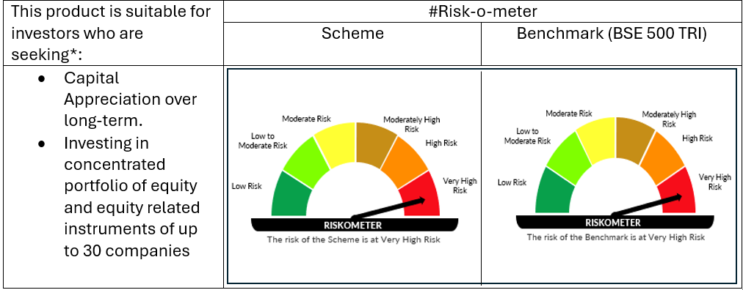

 | # For latest riskometer, investors may refer to the Monthly Portfolios disclosed on the website of the Fund viz. www.oldbridgemf.com
 | *Investors should consult their financial advisers if in doubt about whether the product is suitable for them

