SAMFLEX
 | SAMCO FLEXI CAP FUND

 | Monthly Portfolio Statement as on May 31, 2022
 | Name of the Instrument | ISIN | Industry | Quantity | Market/Fair Value (Rs. in Lakhs) | % to Net Assets
 | Equity & Equity related
 | (a) Listed / awaiting listing on Stock Exchanges
TCSL01 | Tata Consultancy Services Limited | INE467B01029 | IT - Software | 170,000 | 5,719.40 | 9.74% | FALSE
BFSL01 | Bajaj Finserv Limited | INE918I01018 | Finance | 38,350 | 4,960.19 | 8.45%
BAFL02 | Bajaj Finance Limited | INE296A01024 | Finance | 78,200 | 4,756.24 | 8.10%
NITL01 | Coforge Limited | INE591G01017 | IT - Software | 107,900 | 4,220.51 | 7.19%
JUFL02 | Jubilant Foodworks Limited | INE797F01020 | Leisure Services | 635,000 | 3,498.53 | 5.96%
MUFL01 | Muthoot Finance Limited | INE414G01012 | Finance | 279,500 | 3,194.96 | 5.44%
ILOM01 | ICICI Lombard General Insurance Company Limited | INE765G01017 | Insurance | 229,500 | 2,905.13 | 4.95%
DIVI02 | Divi's Laboratories Limited | INE361B01024 | Pharmaceuticals & Biotechnology | 80,500 | 2,891.00 | 4.92%
PIDI02 | Pidilite Industries Limited | INE318A01026 | Chemicals & Petrochemicals | 121,500 | 2,728.16 | 4.65%
LTTS01 | L&T Technology Services Limited | INE010V01017 | IT - Services | 77,630 | 2,718.87 | 4.63%
DABU02 | Dabur India Limited | INE016A01026 | Personal Products | 463,436 | 2,405.23 | 4.10%
ASPA02 | Asian Paints Limited | INE021A01026 | Consumer Durables | 81,659 | 2,335.16 | 3.98%
CGCE01 | Crompton Greaves Consumer Electricals Limited | INE299U01018 | Consumer Durables | 639,500 | 2,311.47 | 3.94%
JBCH02 | JB Chemicals & Pharmaceuticals Limited | INE572A01028 | Pharmaceuticals & Biotechnology | 135,651 | 2,205.21 | 3.76%
CAMS01 | Computer Age Management Services Limited | INE596I01012 | Capital Markets | 89,820 | 2,088.94 | 3.56%
SUPI02 | Supreme Industries Limited | INE195A01028 | Industrial Products | 112,900 | 2,074.09 | 3.53%
MINT01 | MindTree Limited | INE018I01017 | IT - Software | 45,800 | 1,395.82 | 2.38%
 | Sub Total |  |  |  | 52,408.91 | 89.28%
 | (b) Unlisted |  |  |  | NIL | NIL
 | Sub Total |  |  |  | NIL | NIL
 | Total |  |  |  | 52,408.91 | 89.28%
 | Equity & Equity related Foreign Investments
 | (a) Listed / awaiting listing on Stock Exchanges
14971609USD | Meta Platforms Registered Shares A | US30303M1027 | Interactive Media & Services | 4,500 | 681.96 | 1.16%
461641USD | Novo Nordisk A/S-ADR | US6701002056 | Pharmaceuticals | 7,200 | 602.46 | 1.03%
60141USD | Intuit Inc | US4612021034 | Application Software | 1,800 | 590.61 | 1.01%
951692USD | Microsoft Corp | US5949181045 | Systems Software | 2,430 | 515.67 | 0.88%
2282206USD | Mastercard Incorporated | US57636Q1040 | Data Processing & Outsourced Services | 1,530 | 425.14 | 0.72%
29798545USD | Alphabet Inc | US02079K1079 | Interactive Media & Services | 180 | 315.38 | 0.54%
940695USD | IDEXX Laboratories Inc | US45168D1046 | Health Care Equipment | 990 | 306.48 | 0.52%
994529USD | Nvidia Corp Com | US67066G1040 | Semiconductors | 720 | 105.19 | 0.18%
 | Sub Total |  |  |  | 3,542.89 | 6.04%
 | (b) Unlisted |  |  |  | NIL | NIL
 | Sub Total |  |  |  | NIL | NIL
 | Total |  |  |  | 3,542.89 | 6.04%

 | Debt Instruments
 | Others
 | Reverse Repo / TREPS
TRP_010622 | Clearing Corporation of India Ltd |  |  |  | 2,845.00 | 4.84%
 | Sub Total |  |  |  | 2,845.00 | 4.84%
 | Total |  |  |  | 2,845.00 | 4.84%
 | Net Receivables / (Payables) |  |  |  | (71.29) | (0.16)%
 | GRAND TOTAL |  |  |  | 58,725.51 | 100.00%
 | The product is suitable for investors who are seeking* | Riskometer - Scheme |  | Riskometer - Primary Benchmark (Nifty 500 TR Index)
 | Samco Flexi Cap Fund (An open-ended dynamic equity scheme investing across large cap, mid cap, small cap stocks) | 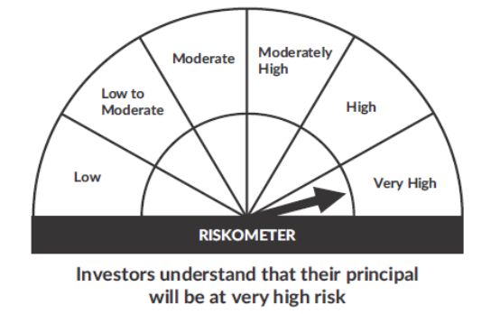 |  | 
 | • To generate long-term capital growth;
 | • Investment in Indian & foreign equity instruments across market capitalization
 | *Investors should consult their financial advisers if in doubt about whether the product is suitable for them.

 | Notes
 | 1. As per SEBI Circular the Risk-O-Meter are evaluated on Montly basis and the current Risk-O-Meter is as per the evaluation of the portfolio as on 31st May 2022
 | 2. Flexi Cap Scheme is an open-ended scheme and the allotement data was 04th Feb 2022 and First NAV was published on 09th Feb 2022

