SAMFLEX
 | SAMCO FLEXICAP FUND

 | Monthly Portfolio Statement as on April 30, 2022
 | Name of the Instrument | ISIN | Industry | Quantity | Market/Fair Value (Rs. in Lakhs) | % to Net Assets
 | Equity & Equity related
 | (a) Listed / awaiting listing on Stock Exchanges
TCSL01 | Tata Consultancy Services Limited | INE467B01029 | IT - Software | 166,500 | 5,905.26 | 9.52%
BFSL01 | Bajaj Finserv Limited | INE918I01018 | Finance | 34,350 | 5,121.98 | 8.25%
BAFL02 | Bajaj Finance Limited | INE296A01024 | Finance | 66,200 | 4,416.73 | 7.12%
NITL01 | Coforge Limited | INE591G01017 | IT - Software | 102,500 | 4,305.21 | 6.94%
DIVI02 | Divi's Laboratories Limited | INE361B01024 | Pharmaceuticals & Biotechnology | 80,500 | 3,626.85 | 5.84%
MUFL01 | Muthoot Finance Limited | INE414G01012 | Finance | 279,500 | 3,529.95 | 5.69%
JUFL02 | Jubilant Foodworks Limited | INE797F01020 | Leisure Services | 629,000 | 3,434.34 | 5.53%
LTTS01 | L&T Technology Services Limited | INE010V01017 | IT - Services | 76,930 | 3,147.71 | 5.07%
ILOM01 | ICICI Lombard General Insurance Company Limited | INE765G01017 | Insurance | 225,500 | 2,886.85 | 4.65%
PIDI02 | Pidilite Industries Limited | INE318A01026 | Chemicals & Petrochemicals | 118,500 | 2,872.08 | 4.63%
ASPA02 | Asian Paints Limited | INE021A01026 | Consumer Durables | 81,659 | 2,643.47 | 4.26%
DABU02 | Dabur India Limited | INE016A01026 | Personal Products | 456,436 | 2,540.98 | 4.09%
CGCE01 | Crompton Greaves Consumer Electricals Limited | INE299U01018 | Consumer Durables | 621,500 | 2,391.53 | 3.85%
JBCH02 | JB Chemicals & Pharmaceuticals Limited | INE572A01028 | Pharmaceuticals & Biotechnology | 134,549 | 2,312.76 | 3.73%
CAMS01 | Computer Age Management Services Limited | INE596I01012 | Capital Markets | 88,820 | 2,201.31 | 3.55%
SUPI02 | Supreme Industries Limited | INE195A01028 | Industrial Products | 111,000 | 2,161.06 | 3.48%
LTIL01 | Larsen & Toubro Infotech Limited | INE214T01019 | IT - Software | 32,000 | 1,548.50 | 2.50%
 | Sub Total |  |  |  | 55,046.57 | 88.70%
 | (b) Unlisted |  |  |  | NIL | NIL
 | Sub Total |  |  |  | NIL | NIL
 | Total |  |  |  | 55,046.57 | 88.70%
 | Equity & Equity related Foreign Investments
 | (a) Listed / awaiting listing on Stock Exchanges
14971609USD | Meta Platforms Registered Shares A | US30303M1027 | Interactive Media & Services | 4,500 | 707.52 | 1.14%
60141USD | Intuit Inc | US4612021034 | Application Software | 1,800 | 611.58 | 0.99%
461641USD | Novo Nordisk A/S | US6701002056 | Pharmaceuticals | 7,200 | 606.33 | 0.98%
951692USD | Microsoft Corp | US5949181045 | Systems Software | 2,430 | 537.87 | 0.87%
2282206USD | Mastercard Incorporated | US57636Q1040 | Data Processing & Outsourced Services | 1,530 | 442.96 | 0.71%
940695USD | IDEXX Laboratories Inc | US45168D1046 | Health Care Equipment | 990 | 339.22 | 0.55%
29798545USD | Alphabet Inc | US02079K1079 | Interactive Media & Services | 180 | 328.53 | 0.53%
994529USD | Nvidia Corp Com | US67066G1040 | Semiconductors | 720 | 108.85 | 0.18%
 | Sub Total |  |  |  | 3,682.86 | 5.95%
 | (b) Unlisted |  |  |  | NIL | NIL
 | Sub Total |  |  |  | NIL | NIL
 | Total |  |  |  | 3,682.86 | 5.95%

 | Debt Instruments
 | Others
 | Reverse Repo / TREPS
TRP_020522 | Clearing Corporation of India Ltd |  |  |  | 3,569.63 | 5.75%
 | Sub Total |  |  |  | 3,569.63 | 5.75%
 | Total |  |  |  | 3,569.63 | 5.75%
 | Net Receivables / (Payables) |  |  |  | (240.72) | (0.40)%
 | GRAND TOTAL |  |  |  | 62,058.34 | 100.00%
 | The product is suitable for investors who are seeking* | Riskometer - Scheme |  | Riskometer - Primary Benchmark (Nifty 500 TR Index)
 | Samco Flexi Cap Fund (An open-ended dynamic equity scheme investing across large cap, mid cap, small cap stocks) | 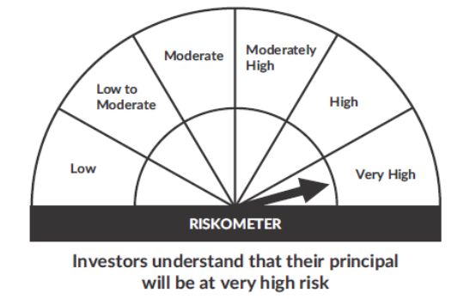 |  | 
 | • To generate long-term capital growth;
 | • Investment in Indian & foreign equity instruments across market capitalization
 | *Investors should consult their financial advisers if in doubt about whether the product is suitable for them.

 | Notes
 | 1. As per SEBI Circular the Risk-O-Meter are evaluated on Montly basis and the current Risk-O-Meter is as per the evaluation of the portfolio as on 30th April 2022
 | 2. Flexi Cap Scheme is an open-ended scheme and the allotement data was 04th Feb 2022 and First NAV was published on 09th Feb 2022

