SAMFLEX
 | SAMCO FLEXICAP FUND

 | Monthly Portfolio Statement as on March 31, 2022
 | Name of the Instrument | ISIN | Industry | Quantity | Market/Fair Value (Rs. in Lakhs) | % to Net Assets
 | Equity & Equity related
 | (a) Listed / awaiting listing on Stock Exchanges
TCSL01 | Tata Consultancy Services Limited | INE467B01029 | Software | 155,000 | 5,796.92 | 9.32%
BFSL01 | Bajaj Finserv Limited | INE918I01018 | Insurance | 27,000 | 4,606.32 | 7.40%
NITL01 | Coforge Limited | INE591G01017 | Software | 94,500 | 4,212.34 | 6.77%
BAFL02 | Bajaj Finance Limited | INE296A01024 | Finance | 53,200 | 3,862.29 | 6.21%
MUFL01 | Muthoot Finance Limited | INE414G01012 | Finance | 271,000 | 3,606.87 | 5.80%
JUFL01 | Jubilant Foodworks Limited | INE797F01012 | Leisure Services | 122,000 | 3,216.53 | 5.17%
DIVI02 | Divi's Laboratories Limited | INE361B01024 | Pharmaceuticals | 66,000 | 2,905.35 | 4.67%
PIDI02 | Pidilite Industries Limited | INE318A01026 | Chemicals | 115,800 | 2,842.08 | 4.57%
ILOM01 | ICICI Lombard General Insurance Company Limited | INE765G01017 | Insurance | 213,500 | 2,835.92 | 4.56%
LTTS01 | L&T Technology Services Limited | INE010V01017 | Software | 55,500 | 2,833.44 | 4.55%
ASPA02 | Asian Paints Limited | INE021A01026 | Consumer Non Durables | 79,159 | 2,438.06 | 3.92%
DABU02 | Dabur India Limited | INE016A01026 | Consumer Non Durables | 435,436 | 2,334.81 | 3.75%
CGCE01 | Crompton Greaves Consumer Electricals Limited | INE299U01018 | Consumer Durables | 603,500 | 2,257.09 | 3.63%
SUPI02 | Supreme Industries Limited | INE195A01028 | Industrial Products | 106,600 | 2,182.32 | 3.51%
JBCH02 | JB Chemicals & Pharmaceuticals Limited | INE572A01028 | Pharmaceuticals | 129,864 | 2,045.23 | 3.29%
CAMS01 | Computer Age Management Services Limited | INE596I01012 | Capital Markets | 83,420 | 1,931.88 | 3.11%
LTIL01 | Larsen & Toubro Infotech Limited | INE214T01019 | Software | 30,500 | 1,877.40 | 3.02%
 | Sub Total |  |  |  | 51,784.85 | 83.25%
 | (b) Unlisted |  |  |  | NIL | NIL
 | Sub Total |  |  |  | NIL | NIL
 | Total |  |  |  | 51,784.85 | 83.25%
 | Equity & Equity related Foreign Investments
 | (a) Listed / awaiting listing on Stock Exchanges
14971609USD | Meta Platforms Registered Shares A | US30303M1027 | Interactive Media & Services | 4,500 | 777.27 | 1.25%
60141USD | Intuit Inc | US4612021034 | Software | 1,800 | 643.99 | 1.04%
461641USD | Novo Nordisk A/S | US6701002056 | Pharmaceuticals | 7,200 | 614.26 | 0.99%
951692USD | Microsoft Corp | US5949181045 | Software | 2,430 | 578.17 | 0.93%
2282206USD | Mastercard Incorporated | US57636Q1040 | Data Processing & Outsourced Services | 1,530 | 420.14 | 0.68%
940695USD | IDEXX Laboratories Inc | US45168D1046 | Healthcare | 990 | 411.78 | 0.66%
29798545USD | Alphabet Inc | US02079K1079 | Interactive Media & Services | 180 | 389.28 | 0.63%
994529USD | Nvidia Corp Com | US67066G1040 | Semiconductors | 720 | 151.14 | 0.24%
 | Sub Total |  |  |  | 3,986.03 | 6.42%
 | (b) Unlisted |  |  |  | NIL | NIL
 | Sub Total |  |  |  | NIL | NIL
 | Total |  |  |  | 3,986.03 | 6.42%

 | Debt Instruments
 | Others
 | Reverse Repo / TREPS
TRP_040422 | Clearing Corporation of India Ltd |  |  |  | 6,673.25 | 10.73%
 | Sub Total |  |  |  | 6,673.25 | 10.73%
 | Total |  |  |  | 6,673.25 | 10.73%
 | Net Receivables / (Payables) |  |  |  | (231.69) | (0.40)%
 | GRAND TOTAL |  |  |  | 62,212.44 | 100.00%

 | The product is suitable for investors who are seeking* | Riskometer - Scheme |  | Riskometer - Primary Benchmark (Nifty 500 TR Index)
 | Samco Flexi Cap Fund (An open-ended dynamic equity scheme investing across large cap, mid cap, small cap stocks) | 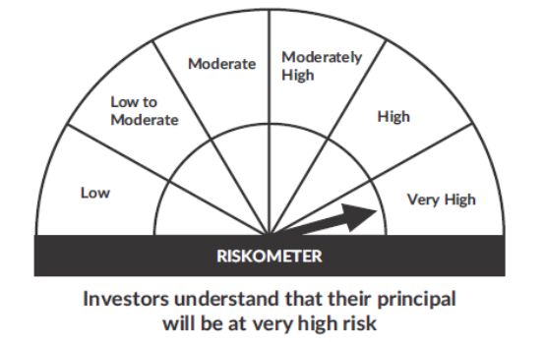 |  | 
 | • To generate long-term capital growth;
 | • Investment in Indian & foreign equity instruments across market capitalization
 | *Investors should consult their financial advisers if in doubt about whether the product is suitable for them.

 | Notes
 | 1. As per SEBI Circular the Risk-O-Meter are evaluated on Montly basis and the current Risk-O-Meter is as per the evaluation of the portfolio as on 31st March 2022
 | 2. Flexi Cap Scheme is an open-ended scheme and the allotement data was 04th Feb 2022 and First NAV was published on 09th Feb 2022

