quant_Equity_Savings_Fund

 |  | quant Mutual Fund
 |  | quant Equity Savings Fund
 |  | An open ended scheme investing in equity, arbitrage and debt.
 |  | MONTHLY PORTFOLIO STATEMENT AS ON 30 Apr 2026

SR | ISIN | NAME OF THE INSTRUMENT |  | INDUSTRY | QUANTITY | MARKET VALUE(Rs.in Lakhs) | % to NAV | YTM | Hedged Quantity | Hedged % to NAV
 |  | EQUITY & EQUITY RELATED
 |  | (a) Listed / awaiting listing on Stock Exchanges
1 | INE364U01010 | Adani Green Energy Limited |  | Power | 38400 | 471.23 | 10.16 | - | -38400 | -10.23
2 | INE090A01021 | ICICI Bank Limited |  | Banks | 30083 | 380.07 | 8.20 | -
3 | INE397D01024 | Bharti Airtel Limited |  | Telecom - Services | 19537 | 368.62 | 7.95 | - | -10450 | -4.27
4 | INE092A01019 | Tata Chemicals Ltd |  | Chemicals & Petrochemicals | 34572 | 279.69 | 6.03 | -
5 | INE795G01014 | HDFC Life Insurance Co Ltd |  | Insurance | 46769 | 274.49 | 5.92 | -
6 | INE417T01026 | PB Fintech Limited |  | Financial Technology (Fintech) | 16450 | 274.09 | 5.91 | -
7 | INE296A01032 | Bajaj Finance Limited |  | Finance | 22500 | 210.83 | 4.55 | - | -22500 | -4.57
8 | INE002A01018 | Reliance Industries Limited |  | Petroleum Products | 14000 | 200.31 | 4.32 | -
9 | INE061F01013 | Fortis Healthcare Ltd |  | Healthcare Services | 21700 | 200.28 | 4.32 | - | -21700 | -4.34
10 | INE040A01034 | HDFC Bank Limited |  | Banks | 24200 | 186.75 | 4.03 | - | -24200 | -4.05
11 | INE775A01035 | Samvardhana Motherson International Ltd |  | Auto Components | 151104 | 183.15 | 3.95 | -
12 | INE020B01018 | Rural Electrification Corporation Ltd |  | Finance | 50400 | 178.57 | 3.85 | - | -50400 | -3.86
13 | INE758T01015 | Eternal Limited |  | Retailing | 65475 | 161.74 | 3.49 | - | -65475 | -3.51
14 | INE326A01037 | Lupin Limited |  | Pharmaceuticals & Biotechnology | 5100 | 117.57 | 2.54 | - | -5100 | -2.54
15 | INE303R01014 | Kalyan Jewellers India Limited |  | Consumer Durables | 27025 | 111.55 | 2.41 | - | -27025 | -2.42
16 | INE584A01023 | NMDC Ltd |  | Minerals & Mining | 101250 | 91.5 | 1.97 | - | -101250 | -1.98
17 | INE877F01012 | PTC India Limited |  | Power | 4800 | 9.97 | 0.22 | -
 |  | Sub Total |  |  |  | 3700.39 | 79.80

 |  | (b) Unlisted
 |  | Sub Total
 |  | Total |  |  |  | 3700.39 | 79.80

 |  | DERIVATIVES
 |  | (a) Index / Stock Futures
 |  | Sub Total

 |  | (b) Index / Stock Options
 |  | Sub Total
 |  | Total |  |  |  | -1937.54 | -41.78

 |  | DEBT INSTRUMENTS
 |  | (a) Listed / awaited listed on Stock Exchanges
 |  | Sub Total

 |  | (b) Unlisted / Privately Placed
 |  | Sub Total

 |  | (c) Securitised Debt Instruments
 |  | Sub Total
 |  | Total

 |  | MONEY MARKET INSTRUMENTS
 |  | a) Commercial Paper
 |  | Sub Total

 |  | b) CD-Certificate of Deposits
 |  | Sub Total

 |  | c) Treasury Bills
 |  | Sub Total

 |  | d) Units of an Alternative Investment Fund (AIF)
 |  | Sub Total
 |  | Total
 |  | FIXED DEPOSITS
 |  | Total

 |  | OTHERS
 |  | (a) Mutual Fund Unit
18 | INF966L01820 | Quant Liquid Fund-Growth -Direct Plan |  | N.A. | 1055199.37 | 469.44 | 10.12 | -
 |  | Sub Total |  |  |  | 469.44 | 10.12

 |  | (b) Units of Infrastructure Investment Trust
19 | INE2Q7823014 | Citius TransNet Investment Trust (INVIT) |  | Transport Infrastructure | 400000 | 420.16 | 9.06 | -
 |  | Sub Total |  |  |  | 420.16 | 9.06

 |  | (c) Tri Party Repo (TREPs)
20 | INCBLO040526 | TREPS 04-May-2026 DEPO 10 |  | N.A. | 1880.6 | 187.98 | 4.05 | 5.81
 |  | Sub Total |  |  |  | 187.98 | 4.05

 |  | (d) Other Receivables (Payables)
21 |  | NCA-NET CURRENT ASSETS |  | N.A. |  | -140.99 | -3.04
 |  | Sub Total |  |  |  | -140.99 | -3.04
 |  | Total |  |  |  | 936.59 | 20.20
 |  | Grand Total |  |  |  | 4636.98 | 100

 | Disclosure for investment in derivative instruments:
 | Hedging Positions through Futures as on 30/04/2026
 | Underlying | Long / Short | Future Price when Purchased | Current price of the contract | Margin maintained in Rs.Lakhs
 | Eternal Limited 26/05/2026 | Short | 263.5715 | 248.46 | Refer Note 11
 | Bajaj Finance Limited 26/05/2026 | Short | 946.9 | 942.35
 | Adani Green Energy Limited 26/05/2026 | Short | 1180.5266 | 1235.2
 | Bharti Airtel Limited 26/05/2026 | Short | 1849.3727 | 1896.4
 | HDFC Bank Limited 26/05/2026 | Short | 807.3227 | 776.1
 | Kalyan Jewellers India Limited 26/05/2026 | Short | 415.737 | 415.15
 | Lupin Limited 26/05/2026 | Short | 2323.5917 | 2310.8
 | NMDC Ltd 26/05/2026 | Short | 89.1993 | 90.89
 | Rural Electrification Corporation Ltd 26/05/2026 | Short | 386.7 | 355.35
 | Fortis Healthcare Ltd 26/05/2026 | Short | 934.7036 | 927.9
 | Total %age of existing assets hedged through futures |  | 41.78

 | For the period ended 30/04/2026 the following details are specified for hedging transactions through futures which have been squared off/expired
 | Total Number of contracts where futures were bought |  | 377
 | Total Number of contracts where futures were sold |  | 329
 | Gross Notional Value of contracts where futures were bought |  | 251607430.86
 | Gross Notional Value of contracts where futures were sold |  | 213771107.2
 | Net Profit/Loss value on all contracts combined |  | 164503132.8

 | Other than Hedging Positions through Futures as on 30/04/2026
 | Underlying | Long / Short | Future Price when Purchased | Current price of the contract | Margin maintained in Rs.Lakhs
 | NIL | NIL | - | -
 | Total Exposure due to futures (non hedging positions) as a %age of net assets

 | For the period ended 30/04/2026 the following details are specified for non hedging transactions through futures which have been squared off/expired
 | Total number of contracts where futures were bought |  | 47
 | Total number of contracts where futures were sold (carry forward) |  | 48
 | Gross Notional value of contracts where future were bought |  | 26781825.52
 | Gross Notional Value of contracts where futures were sold |  | 34511729.76
 | Net Profit/Loss value on all contracts combined |  | -25819215.77

 | Hedging Positions through Put Options as on 30/04/2026
 | Underlying | Number of contracts | Option Price when purchased | Current option price
 | NIL | NIL | - | - | -
 | Total %age of existing assets hedged through put options |  | NIL

 | For the period ended 30/04/2026 the following details are specified for hedging transactions through options which have been exercised/expired
 | Total number of contracts entered into |  | NIL
 | Gross Notional value of contracts |  | NIL
 | Net Profit/Loss Value on all contracts (treat premium paid as loss) |  | NIL

 | Other than Hedging Positions through Options as on 30/04/2026
 | Underlying | Call/Put | Number of contracts | Option Price when purchased | Current option price
 | NIL | NIL | - | - | -
 | Total Exposure through options as a %age of net assets |  | NIL

 | For the period ended 30/04/2026 the following details are specified with regard to non-hedging transactions through options which have already been exercised/expired :
 | Total number of contracts entered into |  | NIL
 | Gross Notional value of contracts |  | NIL
 | Net Profit/Loss Value on all contracts (treat premium paid as loss) |  | NIL

 |  | Notes :-

 | 1 | NAV History
 |  | SCHEME | NAV as on 30 Apr 2026 | NAV as on 31 Mar 2026
 |  | Quant Equity Savings Fund(G)-Direct Plan | 10.3813 | 9.8352
 |  | Quant Equity Savings Fund(IDCW)-Direct Plan | 10.3627 | 9.8202
 |  | Quant Equity Savings Fund-Reg(G) | 10.245 | 9.7198
 |  | Quant Equity Savings Fund-Reg(IDCW) | 10.2446 | 9.7195

 | 2 | Total Below investment grade or default provided for is NIL.
 | 3 | Dividend declared during the period is NIL
 | 4 | Bonus declared during the period is NIL
 | 5 | Total outstanding exposure in derivatives instruments as on 30-Apr-2026 is -41.78%
 | 6 | Total Investments in foreign securities/ADRs / GDRs as on 30-Apr-2026 is NIL
 | 7 | The annual Portfolio Turnover Ratio is 9.32 times / The Average Maturity period is 420 Days
 | 8 | The funds parked in short term deposit(s) as on 30-Apr-2026 were NIL
 | 9 | Total value and percentage of Illiquid Equity Shares is Nil
 | 10 | Total Repo in Corporate Debt is Nil
 | 11 | Margin maintained for derivative instruments is Rs. 444.59 Lakhs

 | Risk-o-meter of the Scheme

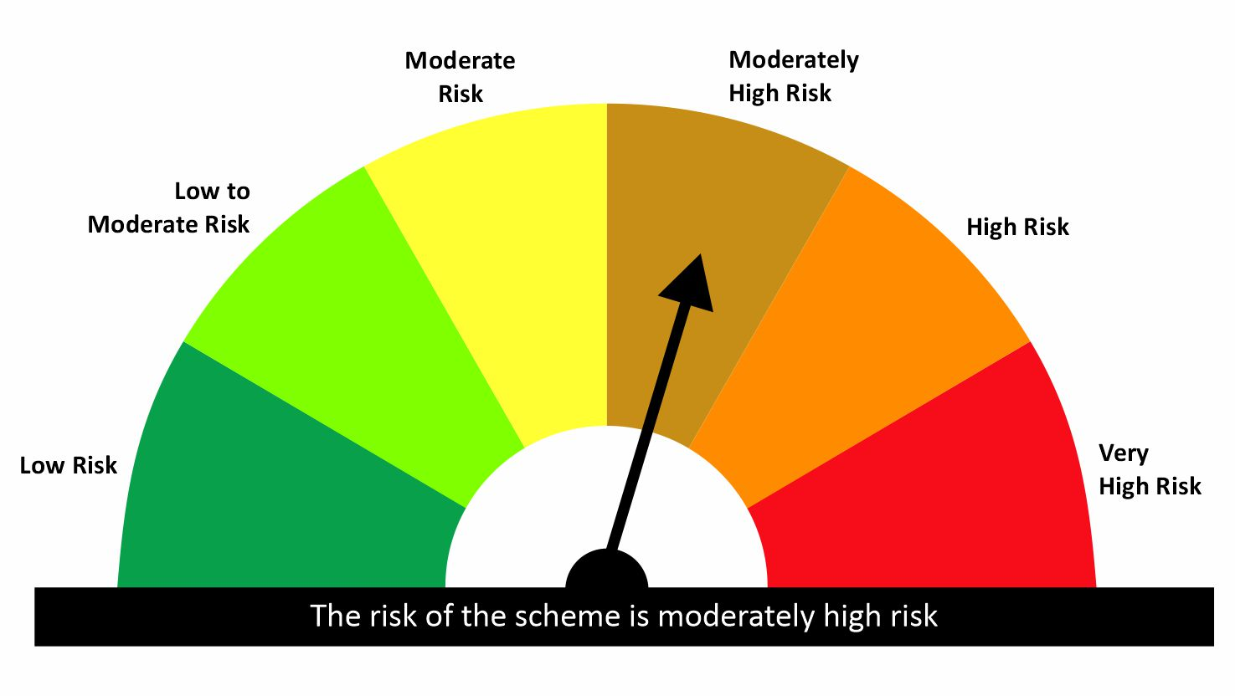

 | Risk-o-meter of the Benchmark- NIFTY Equity Savings Index

