quant_Equity_Savings_Fund

 |  | quant Mutual Fund
 |  | quant Equity Savings Fund
 |  | An open ended scheme investing in equity, arbitrage and debt.
 |  | MONTHLY PORTFOLIO STATEMENT AS ON 29 May 2026

SR | ISIN | NAME OF THE INSTRUMENT |  | INDUSTRY | QUANTITY | MARKET VALUE(Rs.in Lakhs) | % to NAV | YTM | Hedged Quantity | Hedged % to NAV
 |  | EQUITY & EQUITY RELATED
 |  | (a) Listed / awaiting listing on Stock Exchanges
1 | INE364U01010 | Adani Green Energy Limited |  | Power | 28034 | 413.61 | 8.45 | -
2 | INE090A01021 | ICICI Bank Limited |  | Banks | 30083 | 377.96 | 7.73 | -
3 | INE397D01024 | Bharti Airtel Limited |  | Telecom - Services | 19537 | 357.33 | 7.30 | - | -9500 | -3.58
4 | INE795G01014 | HDFC Life Insurance Co Ltd |  | Insurance | 46769 | 278.18 | 5.69 | -
5 | INE092A01019 | Tata Chemicals Ltd |  | Chemicals & Petrochemicals | 34572 | 262.06 | 5.36 | -
6 | INE528G01035 | YES Bank Ltd. |  | Banks | 933000 | 215.99 | 4.41 | -
7 | INE296A01032 | Bajaj Finance Limited |  | Finance | 22500 | 204.36 | 4.18 | - | -22500 | -4.20
8 | INE061F01013 | Fortis Healthcare Ltd |  | Healthcare Services | 21700 | 201.47 | 4.12 | - | -21700 | -4.17
9 | INE040A01034 | HDFC Bank Limited |  | Banks | 24200 | 180.18 | 3.68 | - | -24200 | -3.67
10 | INE020B01018 | Rural Electrification Corporation Ltd |  | Finance | 50400 | 170.18 | 3.48 | - | -50400 | -3.50
11 | INE669C01036 | Tech Mahindra Limited |  | IT - Software | 11425 | 169.54 | 3.47 | -
12 | INE758T01015 | Eternal Limited |  | Retailing | 65475 | 164.07 | 3.35 | - | -65475 | -3.39
13 | INE775A01035 | Samvardhana Motherson International Ltd |  | Auto Components | 79950 | 116.52 | 2.38 | - | -79950 | -2.36
14 | INE303R01014 | Kalyan Jewellers India Limited |  | Consumer Durables | 27025 | 95.95 | 1.96 | - | -27025 | -1.99
15 | INE584A01023 | NMDC Ltd |  | Minerals & Mining | 101250 | 89.09 | 1.82 | - | -101250 | -1.84
16 | INE877F01012 | PTC India Limited |  | Power | 4800 | 8.79 | 0.18 | -
 |  | Sub Total |  |  |  | 3305.28 | 67.56

 |  | (b) Unlisted
 |  | Sub Total
 |  | Total |  |  |  | 3305.28 | 67.56

 |  | DERIVATIVES
 |  | (a) Index / Stock Futures
 |  | Sub Total |  |  |  | -1403.86 | -28.69

 |  | (b) Index / Stock Options
 |  | Sub Total
 |  | Total |  |  |  | -1403.86 | -28.69

 |  | DEBT INSTRUMENTS
 |  | (a) Listed / awaited listed on Stock Exchanges
 |  | Sub Total

 |  | (b) Unlisted / Privately Placed
 |  | Sub Total

 |  | (c) Securitised Debt Instruments
 |  | Sub Total
 |  | Total

 |  | MONEY MARKET INSTRUMENTS
 |  | a) Commercial Paper
 |  | Sub Total

 |  | b) CD-Certificate of Deposits
 |  | Sub Total

 |  | c) Treasury Bills
 |  | Sub Total

 |  | d) Units of an Alternative Investment Fund (AIF)
 |  | Sub Total
 |  | Total
 |  | FIXED DEPOSITS
 |  | Total

 |  | OTHERS
 |  | (a) Mutual Fund Unit
17 | INF966L01820 | Quant Liquid Fund-Growth -Direct Plan |  | N.A. | 1167488.2 | 521.42 | 10.66 | -
 |  | Sub Total |  |  |  | 521.42 | 10.66

 |  | (b) Units of Infrastructure Investment Trust
18 | INE2Q7823014 | Citius TransNet Investment Trust (INVIT) |  | Transport Infrastructure | 200000 | 212.14 | 4.34 | -
 |  | Sub Total |  |  |  | 212.14 | 4.34

 |  | (c) Tri Party Repo (TREPs)
19 | INCBLO010626 | TREPS 01-Jun-2026 DEPO 10 |  | N.A. | 8128 | 812.56 | 16.61 | 5.79
 |  | Sub Total |  |  |  | 812.56 | 16.61

 |  | (d) Other Receivables (Payables)
20 |  | NCA-NET CURRENT ASSETS |  | N.A. |  | 40.97 | 0.84
 |  | Sub Total |  |  |  | 40.97 | 0.84
 |  | Total |  |  |  | 1587.09 | 32.44
 |  | Grand Total |  |  |  | 4892.37 | 100

 | Disclosure for investment in derivative instruments:
 | Hedging Positions through Futures as on 29/05/2026
 | Underlying | Long / Short | Future Price when Purchased | Current price of the contract | Margin maintained in Rs.Lakhs
 | Bajaj Finance Limited 30/06/2026 | Short | 915.3867 | 913.2 | Refer Note 11
 | Bharti Airtel Limited 30/06/2026 | Short | 1920.0455 | 1845
 | Eternal Limited 30/06/2026 | Short | 246.1511 | 253.4
 | HDFC Bank Limited 30/06/2026 | Short | 752.1591 | 741
 | Kalyan Jewellers India Limited 30/06/2026 | Short | 358.1348 | 359.6
 | Samvardhana Motherson International Ltd 30/06/2026 | Short | 136.5 | 144.35
 | NMDC Ltd 30/06/2026 | Short | 88.5373 | 89.11
 | Rural Electrification Corporation Ltd 30/06/2026 | Short | 333.5361 | 339.65
 | Fortis Healthcare Ltd 30/06/2026 | Short | 981.1232 | 939.55
 | Total %age of existing assets hedged through futures |  | 28.69

 | For the period ended 29/05/2026 the following details are specified for hedging transactions through futures which have been squared off/expired
 | Total Number of contracts where futures were bought |  | 303
 | Total Number of contracts where futures were sold |  | 238
 | Gross Notional Value of contracts where futures were bought |  | 197284235.07
 | Gross Notional Value of contracts where futures were sold |  | 142636432.19
 | Net Profit/Loss value on all contracts combined |  | -54647802.88

 | Other than Hedging Positions through Futures as on 29/05/2026
 | Underlying | Long / Short | Future Price when Purchased | Current price of the contract | Margin maintained in Rs.Lakhs
 | NIL | NIL | - | -
 | Total Exposure due to futures (non hedging positions) as a %age of net assets

 | For the period ended 29/05/2026 the following details are specified for non hedging transactions through futures which have been squared off/expired
 | Total number of contracts where futures were bought |  | 30
 | Total number of contracts where futures were sold (carry forward)
 | Gross Notional value of contracts where future were bought |  | 20112681
 | Gross Notional Value of contracts where futures were sold
 | Net Profit/Loss value on all contracts combined

 | Hedging Positions through Put Options as on 29/05/2026
 | Underlying | Number of contracts | Option Price when purchased | Current option price
 | NIL | NIL | - | - | -
 | Total %age of existing assets hedged through put options |  | NIL

 | For the period ended 29/05/2026 the following details are specified for hedging transactions through options which have been exercised/expired
 | Total number of contracts entered into |  | NIL
 | Gross Notional value of contracts |  | NIL
 | Net Profit/Loss Value on all contracts (treat premium paid as loss) |  | NIL

 | Other than Hedging Positions through Options as on 29/05/2026
 | Underlying | Call/Put | Number of contracts | Option Price when purchased | Current option price
 | NIL | NIL | - | - | -
 | Total Exposure through options as a %age of net assets |  | NIL

 | For the period ended 29/05/2026 the following details are specified with regard to non-hedging transactions through options which have already been exercised/expired :
 | Total number of contracts entered into |  | NIL
 | Gross Notional value of contracts |  | NIL
 | Net Profit/Loss Value on all contracts (treat premium paid as loss) |  | NIL

 |  | Notes :-

 | 1 | NAV History
 |  | SCHEME | NAV as on 29 May 2026 | NAV as on 30 Apr 2026
 |  | Quant Equity Savings Fund(G)-Direct Plan | 10.5158 | 10.3813
 |  | Quant Equity Savings Fund(IDCW)-Direct Plan | 10.4944 | 10.3627
 |  | Quant Equity Savings Fund-Reg(G) | 10.3637 | 10.245
 |  | Quant Equity Savings Fund-Reg(IDCW) | 10.3633 | 10.2446

 | 2 | Total Below investment grade or default provided for is NIL.
 | 3 | Dividend declared during the period is NIL
 | 4 | Bonus declared during the period is NIL
 | 5 | Total outstanding exposure in derivatives instruments as on 29-May-2026 is -28.69%
 | 6 | Total Investments in foreign securities/ADRs / GDRs as on 29-May-2026 is NIL
 | 7 | The annual Portfolio Turnover Ratio is 9.83 times / The Average Maturity period is 395 Days
 | 8 | The funds parked in short term deposit(s) as on 29-May-2026 were NIL
 | 9 | Total value and percentage of Illiquid Equity Shares is Nil
 | 10 | Total Repo in Corporate Debt is Nil
 | 11 | Margin maintained for derivative instruments is Rs. 454.10 Lakhs

 | Risk-o-meter of the Scheme

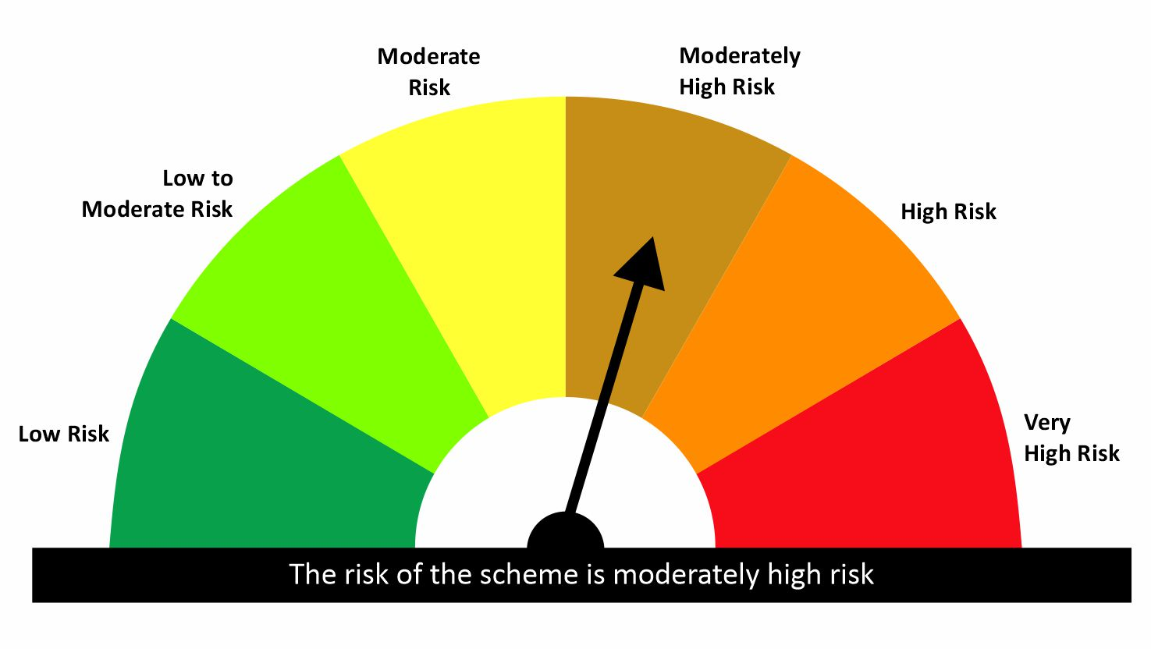

 | Risk-o-meter of the Benchmark- NIFTY Equity Savings Index

