Riskometer
Product Labeling ( Risk-o-meter) in Canara Robeco Mutual Fund schemes
Sr No. | Fund Name | Product Labelling This product is suitable for investors who are seeking*: | Existing Risk-o-meter Level | Revised Risk-o-meter Level
1 | CANARA ROBECO BLUE CHIP EQUITY FUND | • Capital appreciation over long term • Investing predominantly in equities and equity related instruments of large cap companies | 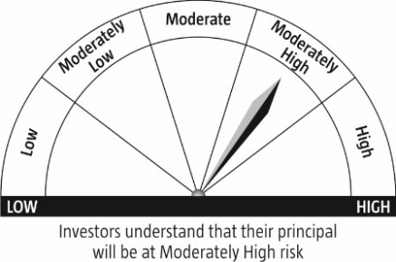 | 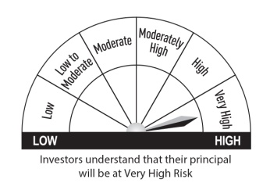
2 | CANARA ROBECO EQUITY DIVERSIFIED FUND | • Capital appreciation over long term • Investment in equity and equity related instruments across large cap, mid cap, small cap stocks | 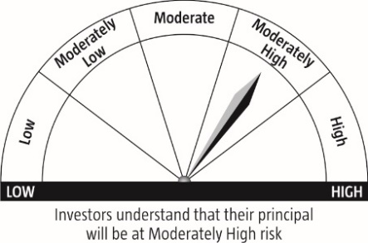
3 | CANARA ROBECO EMERGING EQUITIES | • Capital appreciation over long term • Investing predominantly in equities and equity related instruments of both large cap and mid cap companies | 
4 | CANARA ROBECO EQUITY TAX SAVER FUND | • Capital appreciation over long term • Investment in equity and equity related securities with a statutory lock in of 3 years and tax benefit
5 | CANARA ROBECO SMALL CAP FUND | • Capital appreciation over long term • Investing predominantly in equities and equity related instruments of small cap companies
6 | CANARA ROBECO INFRASTRUCTURE | • Capital appreciation over long term • Investing in equities and equity related instruments of companies following the Infrastructure Theme | 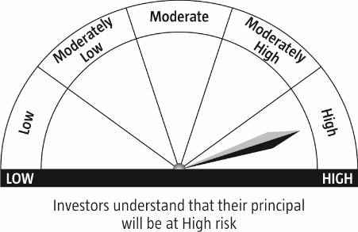
7 | CANARA ROBECO CONSUMER TRENDS FUND | • Capital appreciation over long term • Investing in equity and equity related securities of companies following the Consumption and Financial Theme
8 | CANARA ROBECO OVERNIGHT FUND | • Regular income over short term that may be in line with the overnight call rates • Investment in Overnight Securities | 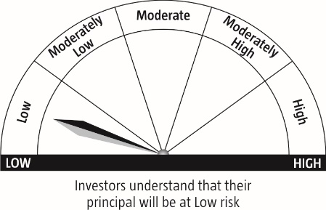 | 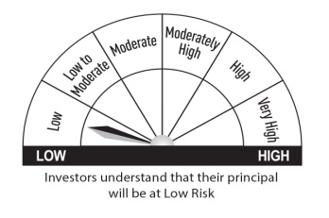
9 | CANARA ROBECO LIQUID FUND | • Income/ Capital appreciation while maintaining a level of high liquidity • Investment in a mix of Debt and Money Market instruments with maturity of upto 91 days only |  | 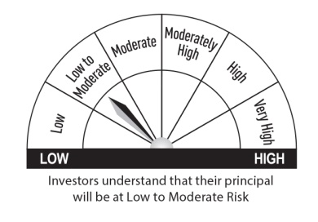
10 | CANARA ROBECO ULTRA SHORT TERM FUND | • Income/ Capital appreciation over ultra-short term through a low risk strategy • Investment in a mix of Debt and Money Market instruments such that the Macaulay duration of the portfolio is between 3 months and 6 months
11 | CANARA ROBECO SAVINGS FUND | • Income / Capital appreciation through a low duration strategy • Investment in debt & money market instruments such that the Macaulay duration of the portfolio is between 6 months and 12 months | 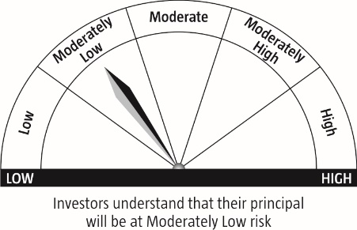
12 | CANARA ROBECO SHORT DURATION FUND | • Income / capital appreciation over short term •Investment in debt & money market instruments such that the Macaulay duration of the portfolio is between 1 year and 3 years
13 | CANARA ROBECO CORPORATE BOND FUND | • Income / capital appreciation through a low credit risk strategy • Investment in a portfolio constituted predominantly of AA+ and above rated corporate bonds | 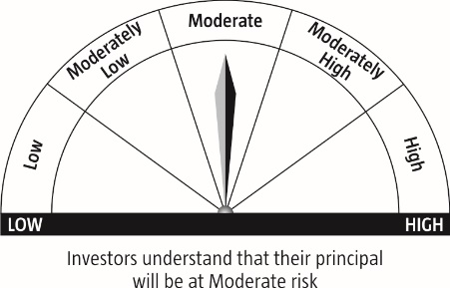 | 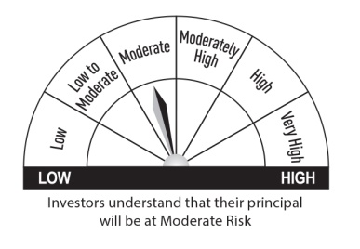
14 | CANARA ROBECO DYNAMIC BOND FUND | • Income/ Capital appreciation by dynamically managing duration • Investment in Debt and Money Market securities across duration
15 | CANARA ROBECO INCOME FUND | • Income / Capital appreciation over Medium to Long term • Investment in debt & money market instruments such that the Macaulay duration of the portfolio is between 4 years and 7 years (Portfolio Macaulay duration under anticipated adverse situation is 1 year to 7 years)
16 | CANARA ROBECO GILT FUND | • Risk free return (except interest rate risk) and long term capital appreciation • Investment in government securities across maturity
17 | CANARA ROBECO CONSERVATIVE HYBRID FUND | • Income / Capital appreciation over medium term to long term. • Investment predominantly in debt and money market instruments and small portion in equity |  | 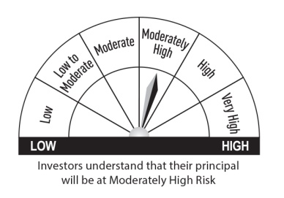
18 | CANARA ROBECO EQUITY HYBRID FUND | • Income/capital appreciation over long term • Investment predominantly in equity and equity related instruments and a small portion in debt and money market instruments
19 | CANARA ROBECO CAPITAL PROTECTION ORIENTED FUND– SERIES 9 | • Capital protection at maturity and capital appreciation over medium term • Investment in debt and money market securities (70%-100%) and equity and equity related instruments (0%-30%)
20 | CANARA ROBECO CAPITAL PROTECTION ORIENTED FUND– SERIES 10 | • Capital protection at maturity and capital appreciation over medium term • Investment in debt and money market securities (70%-100%) and equity and equity related instruments (0%-30%)
21 | CANARA ROBECO DUAL ADVANTAGE FUND - SERIES 1 | • Income/ Capital appreciation over long term • Investment primarily in Debt and Money Market instruments for regular returns & equity and equity-related instruments for capital appreciation
22 | CANARA ROBECO FIXED MATURITY PLAN SERIES 8 | • Generate income over the tenure of the scheme • Generate income by investing in debt and money market instruments
*Investors should consult their financial advisers if in doubt about whether the product is suitable for them.
Note: The risk-o-meter level of respective schemes are revised based on the Notice-cum-Addendum No.43, dated 8th January 2021. However, there is no change in the product labelling of the schemes.

