F8
CANARA ROBECO FIXED MATURITY PLAN SERIES 8

Monthly Portfolio Statement as on September 30, 2021
Name of the Instrument | ISIN | Industry / Rating | Quantity | Market/Fair Value (Rs. in Lacs) | % to Net Assets | Yield % | Revised Risk-o-meter Level- Aug'21 | Revised Risk-o-meter Level- Sep'21 | Benchmark Risk-o-meter Level- Sep'21
Debt Instruments |  |  |  |  |  |  | 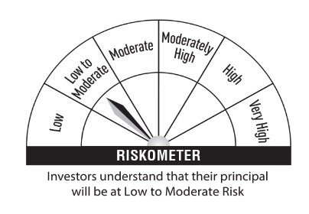 |  | 
(a) Listed / awaiting listing on Stock Exchanges
0.00% Aditya Birla Finance Ltd (12/10/2021) ** | INE860H07GD2 | ICRA AAA | 30 | 392.16 | 10.31 | 3.52
9.4041% L&T Housing Finance Ltd (11/10/2021) ** | INE476M07BQ0 | ICRA AAA | 30 | 300.52 | 7.90 | 2.88
Sub Total |  |  |  | 692.68 | 18.21
Total |  |  |  | 692.68 | 18.21
Money Market Instruments
Treasury Bill
182 DAYS INDIA TREASURY BILLS 14-OCT-21 | IN002021Y023 | Sovereign | 700,000 | 699.19 | 18.37 | 3.24 |  |  | Benchmark: CRISIL Short Term Bond Fund Index
Sub Total |  |  |  | 699.19 | 18.37
Total |  |  |  | 699.19 | 18.37
TREPS
TREPS |  |  |  | 2,313.80 | 60.80
Sub Total |  |  |  | 2,313.80 | 60.80
Total |  |  |  | 2,313.80 | 60.80
Net Receivables / (Payables) |  |  |  | 99.77 | 2.62
Grand Total |  |  |  | 3,805.44 | 100.00

** Non Traded Security

