OF
CANARA ROBECO OVERNIGHT FUND

Monthly Portfolio Statement as on April 30, 2024
Name of the Instrument | ISIN | Industry / Rating | Quantity | Market/Fair Value (Rs. in Lacs) | % to Net Assets | Yield % | Scheme Risk-o-meter Level- Apr'24 | Benchmark Risk-o-meter Level- Apr'24 | Scheme Risk-o-meter Level- Mar'24 | Potential Risk Class (PRC) Matrix
TREPS |  |  |  |  |  |  | 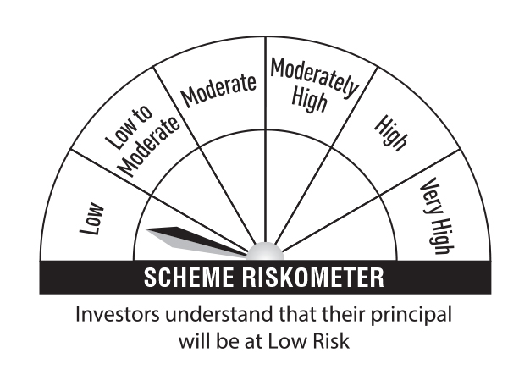 | 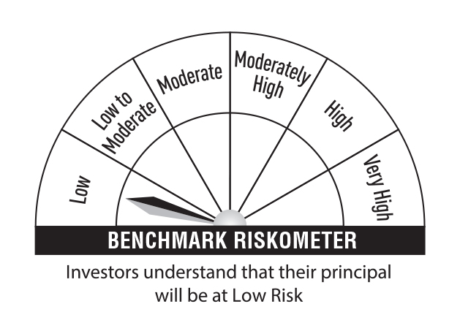 |  | Credit Risk → | Relatively Low (Class A) | Moderate (Class B) | Relatively High (Class C)
TREPS |  |  |  | 14,147.19 | 99.36 |  |  |  |  | Interest Rate Risk ↓
Sub Total |  |  |  | 14,147.19 | 99.36 |  |  |  |  | Relatively Low (Class I) | A-I
Total |  |  |  | 14,147.19 | 99.36
Net Receivables / (Payables) |  |  |  | 90.81 | 0.64 |  |  |  |  | Moderate (Class II)
Grand Total |  |  |  | 14,238.00 | 100.00
 |  |  |  |  |  |  |  |  |  | Relatively High (Class III)

 |  |  |  |  |  |  |  | Benchmark: CRISIL Liquid Overnight Index
Modified Duration | 0.0026

Annualised Portfolio YTM | 6.58%

Macaulay Duration | 0.0054

