OF
CANARA ROBECO OVERNIGHT FUND

Monthly Portfolio Statement as on November 30, 2023
Name of the Instrument | ISIN | Industry / Rating | Quantity | Market/Fair Value (Rs. in Lacs) | % to Net Assets | Scheme Risk-o-meter Level- Nov'23 | Benchmark Risk-o-meter Level- Nov'23 | Scheme Risk-o-meter Level- Oct'23 | Potential Risk Class (PRC) Matrix
TREPS |  |  |  |  |  | 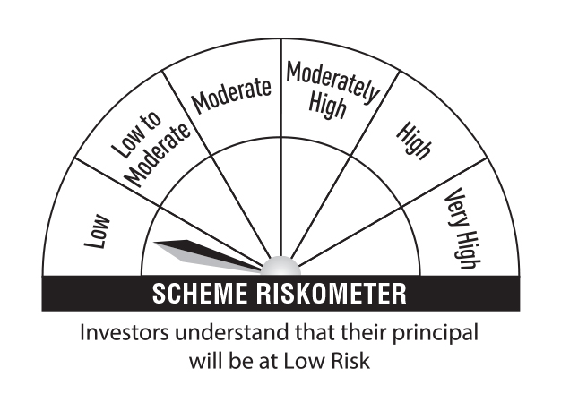 | 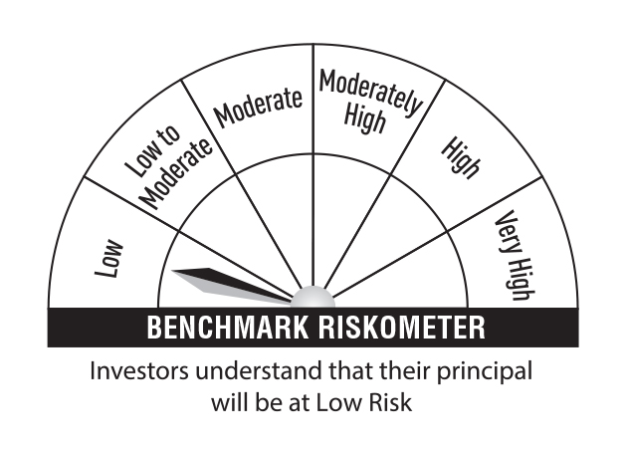 |  | Credit Risk → | Relatively Low (Class A) | Moderate (Class B) | Relatively High (Class C)
TREPS |  |  |  | 14,761.40 | 99.33 |  |  |  | Interest Rate Risk ↓
Sub Total |  |  |  | 14,761.40 | 99.33 |  |  |  | Relatively Low (Class I) | A-I
Total |  |  |  | 14,761.40 | 99.33
Net Receivables / (Payables) |  |  |  | 100.29 | 0.67 |  |  |  | Moderate (Class II)
Grand Total |  |  |  | 14,861.69 | 100.00
 |  |  |  |  |  |  |  |  | Relatively High (Class III)

Modified Duration | 0.00 |  |  |  |  |  | Benchmark: CRISIL Liquid Overnight Index

Annualised Portfolio YTM | 6.76%

Macaulay Duration | 0.00

