OF
CANARA ROBECO OVERNIGHT FUND

Monthly Portfolio Statement as on February 28, 2023
Name of the Instrument | ISIN | Industry / Rating | Quantity | Market/Fair Value (Rs. in Lacs) | % to Net Assets | Yield % | Scheme Risk-o-meter Level- Feb'23 | Benchmark Risk-o-meter Level- Feb'23 | Scheme Risk-o-meter Level- Jan'23 | Potential Risk Class (PRC) Matrix
TREPS |  |  |  |  |  |  | 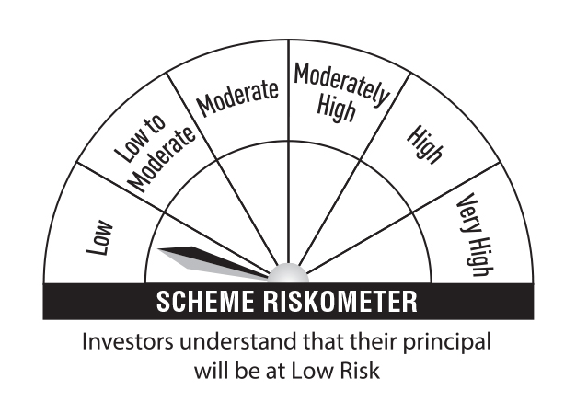 | 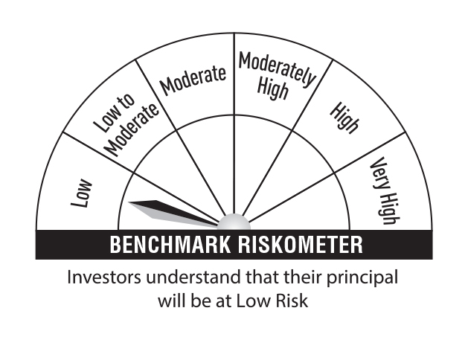 |  | Credit Risk → | Relatively Low (Class A) | Moderate (Class B) | Relatively High (Class C)
TREPS |  |  |  | 21,561.87 | 99.47 |  |  |  |  | Interest Rate Risk ↓
Sub Total |  |  |  | 21,561.87 | 99.47 |  |  |  |  | Relatively Low (Class I) | A-I
Total |  |  |  | 21,561.87 | 99.47
Net Receivables / (Payables) |  |  |  | 114.66 | 0.53 |  |  |  |  | Moderate (Class II)
Grand Total |  |  |  | 21,676.53 | 100.00
 |  |  |  |  |  |  |  |  |  | Relatively High (Class III)
Modified Duration | 0.0026
 |  |  |  |  |  |  |  | Benchmark: CRISIL Overnight Fund A-I Index

Annualised Portfolio YTM | 6.49%

Macaulay Duration | 0.0027

