OF
CANARA ROBECO OVERNIGHT FUND

Monthly Portfolio Statement as on December 31, 2022
Name of the Instrument | ISIN | Industry / Rating | Quantity | Market/Fair Value (Rs. in Lacs) | % to Net Assets | Yield % | Scheme Risk-o-meter Level- Dec'22 | Benchmark Risk-o-meter Level- Dec'22 | Previous Scheme Risk-o-meter Level- Nov'22 | Potential Risk Class (PRC) Matrix
TREPS |  |  |  |  |  |  | 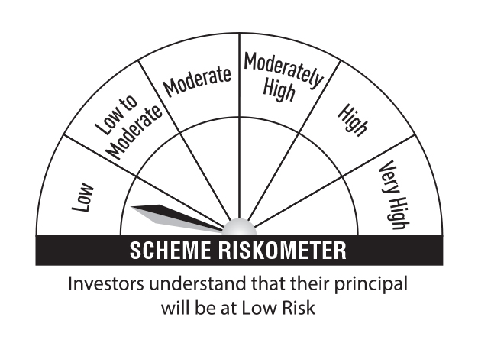 | 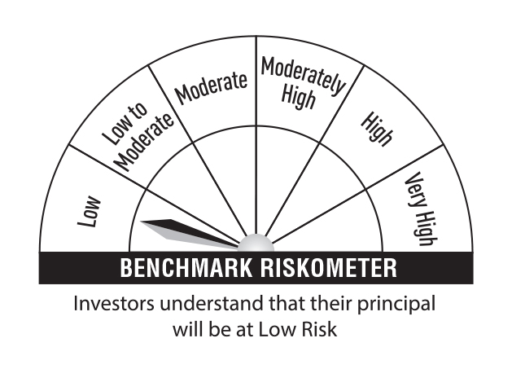 |  | Credit Risk → | Relatively Low (Class A) | Moderate (Class B) | Relatively High (Class C)
TREPS |  |  |  | 16,171.93 | 99.52 |  |  |  |  | Interest Rate Risk ↓
Sub Total |  |  |  | 16,171.93 | 99.52 |  |  |  |  | Relatively Low (Class I) | A-I
Total |  |  |  | 16,171.93 | 99.52
Net Receivables / (Payables) |  |  |  | 78.27 | 0.48 |  |  |  |  | Moderate (Class II)
Grand Total |  |  |  | 16,250.20 | 100.00
 |  |  |  |  |  |  |  |  |  | Relatively High (Class III)
Residual Maturity | 0.01
 |  |  |  |  |  |  |  | Benchmark: CRISIL Overnight Fund A-I Index

Annualised Portfolio YTM | 6.50%

Macaulay Duration | 0.01

