OF
CANARA ROBECO OVERNIGHT FUND

Monthly Portfolio Statement as on April 30, 2023
Name of the Instrument | ISIN | Industry / Rating | Quantity | Market/Fair Value (Rs. in Lacs) | % to Net Assets | Yield % | Scheme Risk-o-meter Level- Apr'23 | Benchmark Risk-o-meter Level- Apr'23 | Scheme Risk-o-meter Level- Mar'23 | Potential Risk Class (PRC) Matrix
TREPS |  |  |  |  |  |  | 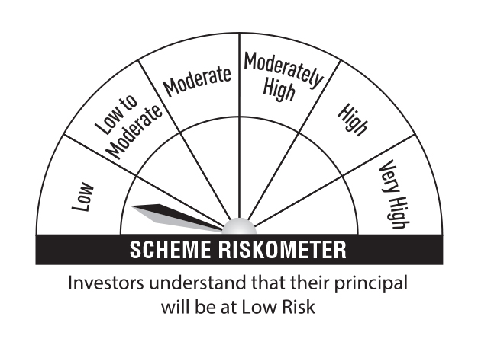 | 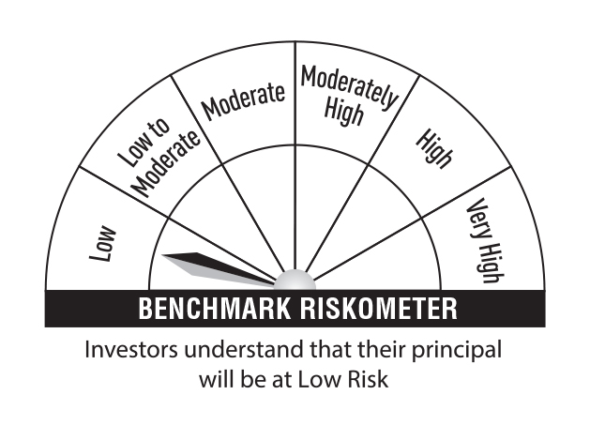 |  | Credit Risk → | Relatively Low (Class A) | Moderate (Class B) | Relatively High (Class C)
TREPS |  |  |  | 15,642.16 | 98.93 |  |  |  |  | Interest Rate Risk ↓
Sub Total |  |  |  | 15,642.16 | 98.93 |  |  |  |  | Relatively Low (Class I) | A-I
Total |  |  |  | 15,642.16 | 98.93
Net Receivables / (Payables) |  |  |  | 168.97 | 1.07 |  |  |  |  | Moderate (Class II)
Grand Total |  |  |  | 15,811.13 | 100.00
 |  |  |  |  |  |  |  |  |  | Relatively High (Class III)

Modified Duration | 0.005 |  |  |  |  |  |  | Benchmark: CRISIL Liquid Overnight Index

Annualised Portfolio YTM | 6.77%

Macaulay Duration | 0.005

