HOMSMS
HSBC Mutual Fund
HSBC Managed Solutions India - Moderate
HSBC Managed Solutions India-Moderate (An open ended Fund of Funds Scheme investing in a basket of equity, debt, Gold and other Exchange Traded Funds.)
Portfolio Statement as of August 31, 2023

Name of the Instrument | ISIN | Rating/Industries | Quantity | Market Value (Rs in Lacs) | Percentage to Net Assets | Yield of the Instrument (%) | YTC @
 |  |  |  |  |  |  | CRISIL | ICRA
Mutual Fund Units
Domestic Mutual Fund Units
HSBC Large Cap Fund- Direct Growth | INF336L01CM7 | Mutual Fund | 736,125.19 | 2,844.00 | 48.91%
HSBC Small Cap Fund - Direct Growth | INF917K01QA1 | Mutual Fund | 1,513,141.33 | 1,017.26 | 17.49%
HSBC Short Duration Fund - Direct Growth | INF917K01IQ4 | Mutual Fund | 4,030,017.89 | 975.33 | 16.77%
HSBC Medium To Long Duration Fund - Direct Growth | INF336L01DE2 | Mutual Fund | 1,510,766.72 | 609.97 | 10.49%
HSBC Dynamic Bond Fund - Direct Growth | INF917K01HA0 | Mutual Fund | 1,237,091.38 | 339.28 | 5.83%
Total |  |  |  | 5,785.84 | 99.49%
Treps |  |  |  | 54.45 | 0.94% | 6.54
Net Current Assets (including cash & bank balances) |  |  |  | -25.62 | -0.43% | 6.54
Total Net Assets as on 31-AUGUST-2023 |  |  |  | 5,814.66 | 100.00%

 |  | 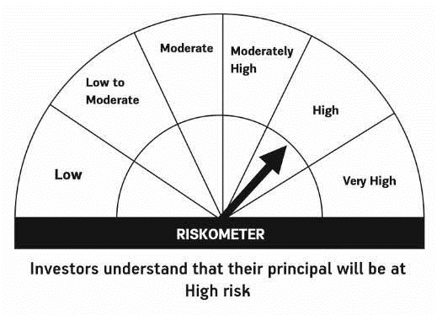 |  |  | 

