HELABF
HSBC Mutual Fund
HSBC Arbitrage Fund
HSBC Arbitrage Fund(An open ended scheme investing in arbitrage opportunities)
Portfolio Statement as of February 28, 2025

Name of the Instrument | ISIN | Rating/Industries | Quantity | Market Value (Rs in Lacs) | Percentage to Net Assets | Yield of the Instrument (%) | YTC @ |  | Maturity Date
 |  |  |  |  |  |  | CRISIL | ICRA
Equity & Equity Related Instruments
Equity Shares
Listed / Awaiting listing on Stock Exchanges
Bank of Baroda | INE028A01039 | Banks | 6,157,125.00 | 12,133.85 | 5.40%
ICICI Bank Limited | INE090A01021 | Banks | 961,800.00 | 11,581.03 | 5.15%
Reliance Industries Limited | INE002A01018 | Petroleum Products | 908,000.00 | 10,896.91 | 4.85%
State Bank of India | INE062A01020 | Banks | 1,412,250.00 | 9,727.58 | 4.33%
Axis Bank Limited | INE238A01034 | Banks | 858,750.00 | 8,721.04 | 3.88%
Kotak Mahindra Bank Limited | INE237A01028 | Banks | 363,200.00 | 6,911.51 | 3.08%
HDFC Bank Limited | INE040A01034 | Banks | 346,500.00 | 6,002.77 | 2.67%
IndusInd Bank Limited | INE095A01012 | Banks | 601,000.00 | 5,950.50 | 2.65%
Punjab National Bank Limited | INE160A01022 | Banks | 6,640,000.00 | 5,802.70 | 2.58%
Tata Motors Limited | INE155A01022 | Automobiles | 851,950.00 | 5,287.63 | 2.35%
Tata Power Company Limited | INE245A01021 | Power | 1,479,600.00 | 5,018.80 | 2.23%
Bandhan Bank Limited | INE545U01014 | Banks | 3,245,200.00 | 4,581.90 | 2.04%
Laurus Labs Limited | INE947Q01028 | Pharmaceuticals & Biotechnology | 792,200.00 | 4,176.48 | 1.86%
Aditya Birla Fashion and Retail Limited | INE647O01011 | Retailing | 1,383,200.00 | 3,349.42 | 1.49%
Rec Limited | INE020B01018 | Finance | 906,000.00 | 3,264.32 | 1.45%
Grasim Industries Limited | INE047A01021 | Cement & Cement Products | 126,500.00 | 2,917.91 | 1.30%
Canara Bank | INE476A01022 | Banks | 3,597,750.00 | 2,910.58 | 1.30%
Crompton Greaves Consumer Electricals Limited | INE299U01018 | Consumer Durables | 813,600.00 | 2,612.88 | 1.16%
Tata Communications Limited | INE151A01013 | Telecom - Services | 180,250.00 | 2,437.88 | 1.08%
Jio Financial Services Limited | INE758E01017 | Finance | 1,166,550.00 | 2,421.87 | 1.08%
IDFC First Bank Limited | INE092T01019 | Banks | 3,975,000.00 | 2,321.00 | 1.03%
NMDC Limited | INE584A01023 | Minerals & Mining | 3,010,500.00 | 1,880.96 | 0.84%
Power Grid Corporation of India Limited | INE752E01010 | Power | 662,400.00 | 1,661.63 | 0.74%
LTIMindtree Limited | INE214T01019 | IT - Software | 35,100.00 | 1,637.75 | 0.73%
JSW Steel Limited | INE019A01038 | Ferrous Metals | 171,450.00 | 1,629.98 | 0.73%
DLF Limited | INE271C01023 | Realty | 247,500.00 | 1,572.99 | 0.70%
NTPC Limited | INE733E01010 | Power | 495,000.00 | 1,541.68 | 0.69%
ITC Limited | INE154A01025 | Diversified FMCG | 387,200.00 | 1,529.44 | 0.68%
Indian Energy Exchange Limited | INE022Q01020 | Capital Markets | 933,750.00 | 1,456.00 | 0.65%
Hero MotoCorp Limited | INE158A01026 | Automobiles | 38,850.00 | 1,430.11 | 0.64%
Aditya Birla Capital Limited | INE674K01013 | Finance | 909,900.00 | 1,422.45 | 0.63%
Indus Towers Limited | INE121J01017 | Telecom - Services | 425,000.00 | 1,374.24 | 0.61%
Vedanta Limited | INE205A01025 | Diversified Metals | 320,850.00 | 1,266.56 | 0.56%
Biocon Limited | INE376G01013 | Pharmaceuticals & Biotechnology | 410,000.00 | 1,240.05 | 0.55%
Shriram Finance Limited | INE721A01047 | Finance | 189,750.00 | 1,171.33 | 0.52%
Manappuram Finance Limited | INE522D01027 | Finance | 582,000.00 | 1,169.59 | 0.52%
ICICI Lombard General Insurance Company Limited | INE765G01017 | Insurance | 65,000.00 | 1,099.12 | 0.49%
Bharat Heavy Electricals Limited | INE257A01026 | Electrical Equipment | 606,375.00 | 1,086.44 | 0.48%
Mahindra & Mahindra Limited | INE101A01026 | Automobiles | 40,250.00 | 1,040.50 | 0.46%
Tata Consultancy Services Limited | INE467B01029 | IT - Software | 27,650.00 | 963.12 | 0.43%
MRF Limited | INE883A01011 | Auto Components | 820.00 | 864.06 | 0.38%
Exide Industries Limited | INE302A01020 | Auto Components | 244,800.00 | 851.41 | 0.38%
Varun Beverages Limited | INE200M01039 | Beverages | 191,625.00 | 835.58 | 0.37%
Infosys Limited | INE009A01021 | IT - Software | 45,200.00 | 762.84 | 0.34%
Power Finance Corporation Limited | INE134E01011 | Finance | 204,100.00 | 743.54 | 0.33%
HDFC Life Insurance Company Limited | INE795G01014 | Insurance | 118,800.00 | 722.90 | 0.32%
Bajaj Auto Limited | INE917I01010 | Automobiles | 8,925.00 | 705.33 | 0.31%
Bharti Airtel Limited | INE397D01024 | Telecom - Services | 44,650.00 | 701.09 | 0.31%
Aurobindo Pharma Limited | INE406A01037 | Pharmaceuticals & Biotechnology | 64,900.00 | 686.84 | 0.31%
ABB India Limited | INE117A01022 | Electrical Equipment | 13,250.00 | 653.94 | 0.29%
Divi''s Laboratories Limited | INE361B01024 | Pharmaceuticals & Biotechnology | 11,300.00 | 619.27 | 0.28%
Steel Authority of India Limited | INE114A01011 | Ferrous Metals | 576,000.00 | 604.92 | 0.27%
Havells India Limited | INE176B01034 | Consumer Durables | 41,500.00 | 590.05 | 0.26%
Samvardhana Motherson International Limited | INE775A01035 | Auto Components | 468,600.00 | 555.71 | 0.25%
Cyient Limited | INE136B01020 | IT - Services | 42,300.00 | 536.00 | 0.24%
Pidilite Industries Limited | INE318A01026 | Chemicals & Petrochemicals | 20,000.00 | 531.58 | 0.24%
Indian Oil Corporation Limited | INE242A01010 | Petroleum Products | 458,250.00 | 520.07 | 0.23%
Godrej Properties Limited | INE484J01027 | Realty | 25,425.00 | 492.30 | 0.22%
TVS Motor Company Limited | INE494B01023 | Automobiles | 21,000.00 | 467.36 | 0.21%
Granules India Limited | INE101D01020 | Pharmaceuticals & Biotechnology | 101,000.00 | 466.42 | 0.21%
Mahanagar Gas Limited | INE002S01010 | Gas | 36,400.00 | 450.45 | 0.20%
JSW Energy Limited | INE121E01018 | Power | 96,000.00 | 445.54 | 0.20%
Cipla Limited | INE059A01026 | Pharmaceuticals & Biotechnology | 31,525.00 | 443.71 | 0.20%
Coal India Limited | INE522F01014 | Consumable Fuels | 119,700.00 | 442.11 | 0.20%
HCL Technologies Limited | INE860A01027 | IT - Software | 25,550.00 | 402.43 | 0.18%
UltraTech Cement Limited | INE481G01011 | Cement & Cement Products | 3,950.00 | 400.07 | 0.18%
Hindustan Unilever Limited | INE030A01027 | Diversified FMCG | 18,000.00 | 394.25 | 0.18%
Dabur India Limited | INE016A01026 | Personal Products | 77,500.00 | 382.31 | 0.17%
Zydus Lifesciences Limited | INE010B01027 | Pharmaceuticals & Biotechnology | 40,500.00 | 355.02 | 0.16%
ICICI Prudential Life Insurance Company Limited | INE726G01019 | Insurance | 63,750.00 | 351.65 | 0.16%
LandT Technology Services Limited | INE010V01017 | IT - Services | 7,200.00 | 326.39 | 0.15%
Max Healthcare Institute Limited | INE027H01010 | Healthcare Services | 32,025.00 | 313.24 | 0.14%
Info Edge (India) Limited | INE663F01024 | Retailing | 4,425.00 | 309.42 | 0.14%
Container Corporation of India Limited | INE111A01025 | Transport Services | 49,000.00 | 305.61 | 0.14%
Jindal Steel & Power Limited | INE749A01030 | Ferrous Metals | 33,750.00 | 288.95 | 0.13%
Torrent Pharmaceuticals Limited | INE685A01028 | Pharmaceuticals & Biotechnology | 9,750.00 | 287.44 | 0.13%
MphasiS Limited | INE356A01018 | IT - Software | 12,650.00 | 284.28 | 0.13%
LIC Housing Finance Limited | INE115A01026 | Finance | 55,000.00 | 273.30 | 0.12%
Asian Paints Limited | INE021A01026 | Consumer Durables | 11,600.00 | 252.85 | 0.11%
GAIL India Limited | INE129A01019 | Gas | 155,100.00 | 242.02 | 0.11%
HDFC Asset Management Company Limited | INE127D01025 | Capital Markets | 6,600.00 | 239.47 | 0.11%
Voltas Limited | INE226A01021 | Consumer Durables | 17,400.00 | 229.70 | 0.10%
HFCL Limited | INE548A01028 | Telecom - Services | 286,350.00 | 226.76 | 0.10%
Polycab India Limited | INE455K01017 | Industrial Products | 4,625.00 | 217.99 | 0.10%
Federal Bank Limited | INE171A01029 | Banks | 120,000.00 | 213.14 | 0.09%
CESC Limited | INE486A01021 | Power | 155,025.00 | 202.76 | 0.09%
Titan Company Limited | INE280A01028 | Consumer Durables | 6,475.00 | 199.25 | 0.09%
Oil India Limited | INE274J01014 | Oil | 58,050.00 | 198.94 | 0.09%
Astral Limited | INE006I01046 | Industrial Products | 14,680.00 | 196.31 | 0.09%
Siemens Limited | INE003A01024 | Electrical Equipment | 3,900.00 | 180.32 | 0.08%
Max Financial Services Limited | INE180A01020 | Insurance | 17,600.00 | 175.67 | 0.08%
APL Apollo Tubes Limited | INE702C01027 | Industrial Products | 11,550.00 | 166.20 | 0.07%
Bosch Limited | INE323A01026 | Auto Components | 625.00 | 165.90 | 0.07%
Oil & Natural Gas Corporation Limited | INE213A01029 | Oil | 59,675.00 | 134.42 | 0.06%
Bank of India | INE084A01016 | Banks | 130,275.00 | 123.97 | 0.06%
Syngene International Limited | INE398R01022 | Healthcare Services | 19,000.00 | 123.96 | 0.06%
Godrej Consumer Products Limited | INE102D01028 | Personal Products | 10,000.00 | 100.52 | 0.04%
Muthoot Finance Limited | INE414G01012 | Finance | 4,675.00 | 99.71 | 0.04%
CG Power and Industrial Solutions Limited | INE067A01029 | Electrical Equipment | 16,675.00 | 95.48 | 0.04%
Piramal Enterprises Limited | INE140A01024 | Finance | 10,500.00 | 91.60 | 0.04%
Larsen & Toubro Limited | INE018A01030 | Construction | 2,850.00 | 90.17 | 0.04%
Avenue Supermarts Limited | INE192R01011 | Retailing | 1,950.00 | 66.38 | 0.03%
Glenmark Pharmaceuticals Limited | INE935A01035 | Pharmaceuticals & Biotechnology | 4,550.00 | 58.19 | 0.03%
Sun Pharmaceutical Industries Limited | INE044A01036 | Pharmaceuticals & Biotechnology | 3,500.00 | 55.76 | 0.02%
Nestle India Limited | INE239A01024 | Food Products | 2,200.00 | 48.17 | 0.02%
Hindustan Copper Limited | INE531E01026 | Non - Ferrous Metals | 21,200.00 | 42.89 | 0.02%
Prestige Estates Projects Limited | INE811K01011 | Realty | 3,575.00 | 40.28 | 0.02%
Apollo Hospitals Enterprise Limited | INE437A01024 | Healthcare Services | 625.00 | 37.83 | 0.02%
Cummins India Limited | INE298A01020 | Industrial Products | 1,350.00 | 36.69 | 0.02%
Coforge Limited | INE591G01017 | IT - Software | 450.00 | 33.13 | 0.01%
Escorts Kubota Limited | INE042A01014 | Agricultural Commercial & Construction Vehicles | 1,050.00 | 30.12 | 0.01%
Aarti Industries Limited | INE769A01020 | Chemicals & Petrochemicals | 8,000.00 | 30.08 | 0.01%
Phoenix Mills Limited | INE211B01039 | Realty | 1,750.00 | 27.09 | 0.01%
SBI Cards & Payment Services Limited | INE018E01016 | Finance | 3,200.00 | 26.84 | 0.01%
Hindalco Industries Limited | INE038A01020 | Non - Ferrous Metals | 4,200.00 | 26.64 | 0.01%
Petronet LNG Limited | INE347G01014 | Gas | 9,000.00 | 25.50 | 0.01%
Zomato Limited | INE758T01015 | Retailing | 10,000.00 | 22.21 | 0.01%
Supreme Industries Limited | INE195A01028 | Industrial Products | 625.00 | 20.81 | 0.01%
Colgate Palmolive (India) Limited | INE259A01022 | Personal Products | 700.00 | 17.25 | 0.01%
Tata Steel Limited | INE081A01020 | Ferrous Metals | 11,000.00 | 15.09 | 0.01%
Marico Limited | INE196A01026 | Agricultural Food & other Products | 2,400.00 | 14.41 | 0.01%
PB Fintech Limited | INE417T01026 | Financial Technology (Fintech) | 975.00 | 14.27 | 0.01%
National Aluminium Company Limited | INE139A01034 | Non - Ferrous Metals | 7,500.00 | 13.32 | 0.01%
PI Industries Litmited | INE603J01030 | Fertilizers & Agrochemicals | 375.00 | 11.30 | 0.00%
SRF Limited | INE647A01010 | Chemicals & Petrochemicals | 375.00 | 10.48 | 0.00%
Yes Bank Limited | INE528G01035 | Banks | 52,000.00 | 8.71 | 0.00%
UPL Limited | INE628A01036 | Fertilizers & Agrochemicals | 1,355.00 | 8.58 | 0.00%
The Indian Hotels Company Limited | INE053A01029 | Leisure Services | 1,000.00 | 7.16 | 0.00%
The Ramco Cements Limited | INE331A01037 | Cement & Cement Products | 850.00 | 7.05 | 0.00%
InterGlobe Aviation Limited | INE646L01027 | Transport Services | 150.00 | 6.72 | 0.00%
Maruti Suzuki India Limited | INE585B01010 | Automobiles | 50.00 | 5.97 | 0.00%
One 97 Communications Limited | INE982J01020 | Financial Technology (Fintech) | 650.00 | 4.65 | 0.00%
Tube Investments of India Limited | INE974X01010 | Auto Components | 150.00 | 3.69 | 0.00%
Total |  |  |  | 169,314.25 | 75.35%
Money Market Instruments
Certificate of Deposit
Privately Placed/Unlisted
ICICI Bank Limited** | INE090AD6204 | CRISIL A1+ | 1,500.00 | 7,118.60 | 3.17% | 7.58 |  |  | 14-Nov-25
Kotak Mahindra Bank Limited** | INE237A167Y4 | CRISIL A1+ | 500.00 | 2,366.50 | 1.05% | 7.57 |  |  | 28-Nov-25
Small Industries Development Bank of India** | INE556F16AX2 | CRISIL A1+ | 500.00 | 2,362.32 | 1.05% | 7.62 |  |  | 5-Dec-25
Total |  |  |  | 11,847.42 | 5.27%
Mutual Fund Units
Domestic Mutual Fund Units
HSBC Liquid Fund - Direct Growth | INF336L01CC8 | Internal - Mutual Fund Units | 1,031,678.09 | 26,480.89 | 11.79%
HSBC Ultra Short Duration Fund - Direct Growth | INF336L01OR1 | Internal - Mutual Fund Units | 1,043,041.44 | 13,936.42 | 6.20%
Total |  |  |  | 40,417.31 | 17.99%
Treps |  |  |  | 299.9 | 0.13% | 6.00 |  |  | 3-Mar-25
Treps |  |  |  | 4452.84 | 1.98% | 6.24 |  |  | 3-Mar-25
Net Current Assets (including cash & bank balances) |  |  |  | -1,639.26 | -0.72% | 6.23
Total Net Assets as on 28-February-2025 |  |  |  | 224,692.46 | 100.00%
Market Value includes accrued interest
** Securities are classified as non-traded on the basis of Traded data as on FEB 28, 2025 provided by CRISIL and ICRA.
^ Securities are classified as traded on the basis of Traded data as on FEB 28, 2025 provided by CRISIL and ICRA.

HSBC Arbitrage Fund |  | Scheme Riskometer |  | Scheme Benchmark Riskometer

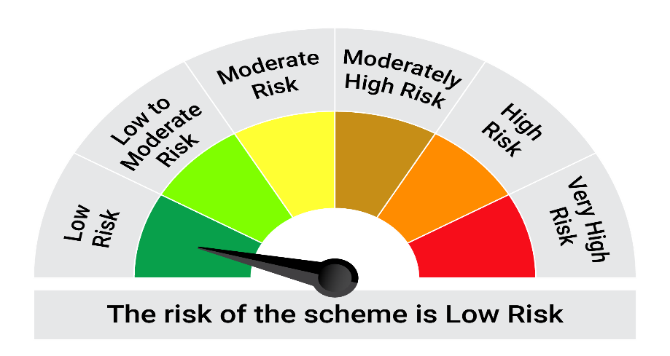
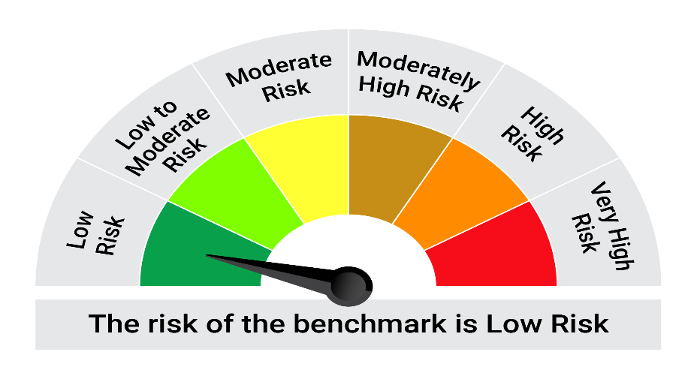
This product is suitable for investors who are seeking*:• Generation of reasonable returns over short to medium term • Investment predominantly in arbitrage opportunities in the cash and derivatives segments of the equity markets; and debt and money market instrument.

*Investors should consult their financial advisers if in doubt about whether the product is suitable for them.

Mutual fund investments are subject to market risks, read all scheme realted documents carefully. |  |  | Scheme Benchmark: Nifty 50 Arbitrage Index

Please note that the above risk-o-meter is as per the product labelling of the scheme available as on the date of this communication/ disclosure. as per SEBI circular dated May 19, 2023 on product labelling (as amended from time to time), risk-o-meters will be calculated on a monthly basis based on the risk values of the respective scheme's portfolio based on the methodology specified by SEBI in the above stated circular. The AMC shall disclose the risk-o-meters along with portfolio disclosure for all their schemes on their respective website and on AMFI website within 10 days from the close of each month. Any change in risk-o-meter shall be communicated by way of Notice cum Addendum and by way of an e-mail or SMS to unitholders of that particular Scheme.

Disclaimer


