HOMSMS
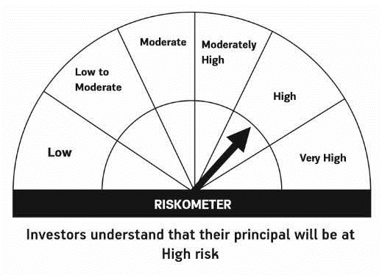

HSBC Mutual Fund
HSBC Managed Solutions India - Moderate
HSBC Managed Solutions India-Moderate (An open ended Fund of Funds Scheme investing in a basket of equity, debt, Gold and other Exchange Traded Funds.)
Portfolio Statement as of September 30, 2023

Name of the Instrument | ISIN | Rating/Industries | Quantity | Market Value (Rs in Lacs) | Percentage to Net Assets | Yield of the Instrument (%) | YTC @
 |  |  |  |  |  |  | CRISIL | ICRA
Mutual Fund Units
Domestic Mutual Fund Units
HSBC Large Cap Fund- Direct Growth | INF336L01CM7 | Mutual Fund | 708,503.77 | 2,789.28 | 47.82%
HSBC Small Cap Fund - Direct Growth | INF917K01QA1 | Mutual Fund | 1,475,954.50 | 997.26 | 17.10%
HSBC Short Duration Fund - Direct Growth | INF917K01IQ4 | Mutual Fund | 4,030,017.89 | 979.07 | 16.78%
HSBC Medium To Long Duration Fund - Direct Growth | INF336L01DE2 | Mutual Fund | 1,510,766.72 | 610.67 | 10.47%
HSBC Dynamic Bond Fund - Direct Growth | INF917K01HA0 | Mutual Fund | 1,237,091.38 | 340.31 | 5.83%
Total |  |  |  | 5,716.60 | 98.00%
Treps |  |  |  | 143.37 | 2.46% | 6.79
Net Current Assets (including cash & bank balances) |  |  |  | -26.85 | -0.46% | 6.79
Total Net Assets as on 30-SEPTEMBER-2023 |  |  |  | 5,833.12 | 100.00%

Disclaimer


