HELABF
HSBC Mutual Fund
HSBC Arbitrage Fund
HSBC Arbitrage Fund(An open ended scheme investing in arbitrage opportunities)
Portfolio Statement as of March 31, 2025

Name of the Instrument | ISIN | Rating/Industries | Quantity | Market Value (Rs in Lacs) | Percentage to Net Assets | Yield of the Instrument (%) | YTC @ |  | Maturity Date
 |  |  |  |  |  |  | CRISIL | ICRA
Equity & Equity Related Instruments
Equity Shares
Listed / Awaiting listing on Stock Exchanges
Reliance Industries Limited | INE002A01018 | Petroleum Products | 1,059,000.00 | 13,503.31 | 6.01%
ICICI Bank Limited | INE090A01021 | Banks | 969,500.00 | 13,072.25 | 5.82%
Bank of Baroda | INE028A01039 | Banks | 5,496,075.00 | 12,560.18 | 5.59%
State Bank of India | INE062A01020 | Banks | 1,271,250.00 | 9,807.69 | 4.37%
HDFC Bank Limited | INE040A01034 | Banks | 464,750.00 | 8,496.56 | 3.78%
Axis Bank Limited | INE238A01034 | Banks | 698,750.00 | 7,700.23 | 3.43%
Tata Motors Limited | INE155A01022 | Automobiles | 832,150.00 | 5,612.44 | 2.50%
Tata Power Company Limited | INE245A01021 | Power | 1,412,100.00 | 5,301.02 | 2.36%
Laurus Labs Limited | INE947Q01028 | Pharmaceuticals & Biotechnology | 782,000.00 | 4,796.79 | 2.14%
Tata Consumer Products Limited | INE192A01025 | Agricultural Food & other Products | 441,864.00 | 4,427.04 | 1.97%
Punjab National Bank Limited | INE160A01022 | Banks | 4,488,000.00 | 4,314.31 | 1.92%
Rec Limited | INE020B01018 | Finance | 919,000.00 | 3,944.35 | 1.76%
Bandhan Bank Limited | INE545U01014 | Banks | 2,637,600.00 | 3,858.28 | 1.72%
Aditya Birla Fashion and Retail Limited | INE647O01011 | Retailing | 1,313,000.00 | 3,364.83 | 1.50%
IDFC First Bank Limited | INE092T01019 | Banks | 5,992,500.00 | 3,293.48 | 1.47%
Grasim Industries Limited | INE047A01021 | Cement & Cement Products | 124,500.00 | 3,250.88 | 1.45%
Canara Bank | INE476A01022 | Banks | 3,591,000.00 | 3,195.99 | 1.42%
Tata Communications Limited | INE151A01013 | Telecom - Services | 172,000.00 | 2,714.50 | 1.21%
Crompton Greaves Consumer Electricals Limited | INE299U01018 | Consumer Durables | 723,600.00 | 2,561.18 | 1.14%
Power Grid Corporation of India Limited | INE752E01010 | Power | 712,800.00 | 2,069.61 | 0.92%
JSW Steel Limited | INE019A01038 | Ferrous Metals | 186,300.00 | 1,980.74 | 0.88%
NMDC Limited | INE584A01023 | Minerals & Mining | 2,632,500.00 | 1,813.53 | 0.81%
ITC Limited | INE154A01025 | Diversified FMCG | 427,200.00 | 1,750.45 | 0.78%
Manappuram Finance Limited | INE522D01027 | Finance | 711,000.00 | 1,654.85 | 0.74%
Hero MotoCorp Limited | INE158A01026 | Automobiles | 42,300.00 | 1,574.81 | 0.70%
Indian Energy Exchange Limited | INE022Q01020 | Capital Markets | 885,000.00 | 1,555.56 | 0.69%
Aditya Birla Capital Limited | INE674K01013 | Finance | 810,000.00 | 1,499.07 | 0.67%
DLF Limited | INE271C01023 | Realty | 218,625.00 | 1,487.74 | 0.66%
Jio Financial Services Limited | INE758E01017 | Finance | 650,100.00 | 1,479.04 | 0.66%
Vedanta Limited | INE205A01025 | Diversified Metals | 312,800.00 | 1,449.52 | 0.65%
Pidilite Industries Limited | INE318A01026 | Chemicals & Petrochemicals | 50,000.00 | 1,424.65 | 0.63%
Bharat Heavy Electricals Limited | INE257A01026 | Electrical Equipment | 622,125.00 | 1,346.47 | 0.60%
Tata Consultancy Services Limited | INE467B01029 | IT - Software | 33,600.00 | 1,211.67 | 0.54%
MRF Limited | INE883A01011 | Auto Components | 1,070.00 | 1,205.65 | 0.54%
IndusInd Bank Limited | INE095A01012 | Banks | 176,000.00 | 1,143.74 | 0.51%
ICICI Lombard General Insurance Company Limited | INE765G01017 | Insurance | 63,750.00 | 1,142.94 | 0.51%
RBL Bank Limited | INE976G01028 | Banks | 617,500.00 | 1,071.55 | 0.48%
Bharat Petroleum Corporation Limited | INE029A01011 | Petroleum Products | 374,400.00 | 1,042.59 | 0.46%
Kotak Mahindra Bank Limited | INE237A01028 | Banks | 45,600.00 | 990.07 | 0.44%
Power Finance Corporation Limited | INE134E01011 | Finance | 217,100.00 | 899.34 | 0.40%
Exide Industries Limited | INE302A01020 | Auto Components | 244,800.00 | 882.38 | 0.39%
Indus Towers Limited | INE121J01017 | Telecom - Services | 255,000.00 | 852.47 | 0.38%
ABB India Limited | INE117A01022 | Electrical Equipment | 15,000.00 | 831.94 | 0.37%
Steel Authority of India Limited | INE114A01011 | Ferrous Metals | 676,000.00 | 778.62 | 0.35%
Aurobindo Pharma Limited | INE406A01037 | Pharmaceuticals & Biotechnology | 64,900.00 | 753.16 | 0.34%
Jubilant Foodworks Limited | INE797F01020 | Leisure Services | 107,500.00 | 714.18 | 0.32%
Shriram Finance Limited | INE721A01047 | Finance | 106,500.00 | 698.64 | 0.31%
LIC Housing Finance Limited | INE115A01026 | Finance | 122,000.00 | 687.90 | 0.31%
The Ramco Cements Limited | INE331A01037 | Cement & Cement Products | 70,550.00 | 632.66 | 0.28%
Divi''s Laboratories Limited | INE361B01024 | Pharmaceuticals & Biotechnology | 10,900.00 | 629.52 | 0.28%
NTPC Limited | INE733E01010 | Power | 172,500.00 | 616.86 | 0.27%
Cyient Limited | INE136B01020 | IT - Services | 46,200.00 | 584.38 | 0.26%
Bajaj Auto Limited | INE917I01010 | Automobiles | 6,900.00 | 543.64 | 0.24%
Oil & Natural Gas Corporation Limited | INE213A01029 | Oil | 219,450.00 | 540.68 | 0.24%
Mahanagar Gas Limited | INE002S01010 | Gas | 36,800.00 | 510.40 | 0.23%
Granules India Limited | INE101D01020 | Pharmaceuticals & Biotechnology | 104,000.00 | 505.80 | 0.23%
Max Healthcare Institute Limited | INE027H01010 | Healthcare Services | 44,625.00 | 489.51 | 0.22%
TVS Motor Company Limited | INE494B01023 | Automobiles | 19,600.00 | 474.29 | 0.21%
Samvardhana Motherson International Limited | INE775A01035 | Auto Components | 362,100.00 | 474.21 | 0.21%
Bosch Limited | INE323A01026 | Auto Components | 1,525.00 | 432.47 | 0.19%
Oil India Limited | INE274J01014 | Oil | 108,575.00 | 419.91 | 0.19%
Marico Limited | INE196A01026 | Agricultural Food & other Products | 63,600.00 | 414.45 | 0.18%
UPL Limited | INE628A01036 | Fertilizers & Agrochemicals | 62,330.00 | 396.57 | 0.18%
Indian Oil Corporation Limited | INE242A01010 | Petroleum Products | 302,250.00 | 385.97 | 0.17%
ICICI Prudential Life Insurance Company Limited | INE726G01019 | Insurance | 66,750.00 | 376.70 | 0.17%
HFCL Limited | INE548A01028 | Telecom - Services | 456,500.00 | 361.09 | 0.16%
Container Corporation of India Limited | INE111A01025 | Transport Services | 50,000.00 | 345.80 | 0.15%
MphasiS Limited | INE356A01018 | IT - Software | 13,750.00 | 343.78 | 0.15%
Bank of India | INE084A01016 | Banks | 318,450.00 | 341.12 | 0.15%
Torrent Pharmaceuticals Limited | INE685A01028 | Pharmaceuticals & Biotechnology | 10,250.00 | 330.86 | 0.15%
Info Edge (India) Limited | INE663F01024 | Retailing | 4,500.00 | 323.16 | 0.14%
UltraTech Cement Limited | INE481G01011 | Cement & Cement Products | 2,750.00 | 316.51 | 0.14%
Hindustan Copper Limited | INE531E01026 | Non - Ferrous Metals | 143,100.00 | 315.95 | 0.14%
NBCC (India) Limited | INE095N01031 | Construction | 377,000.00 | 308.73 | 0.14%
Varun Beverages Limited | INE200M01039 | Beverages | 51,625.00 | 278.59 | 0.12%
CESC Limited | INE486A01021 | Power | 175,500.00 | 270.02 | 0.12%
Max Financial Services Limited | INE180A01020 | Insurance | 22,400.00 | 257.08 | 0.11%
Titan Company Limited | INE280A01028 | Consumer Durables | 8,050.00 | 246.60 | 0.11%
Infosys Limited | INE009A01021 | IT - Software | 15,200.00 | 238.74 | 0.11%
GAIL India Limited | INE129A01019 | Gas | 126,900.00 | 232.28 | 0.10%
Hindustan Unilever Limited | INE030A01027 | Diversified FMCG | 9,300.00 | 210.07 | 0.09%
Petronet LNG Limited | INE347G01014 | Gas | 69,000.00 | 202.58 | 0.09%
Godrej Properties Limited | INE484J01027 | Realty | 9,450.00 | 201.25 | 0.09%
Birlasoft Limited | INE836A01035 | IT - Software | 49,000.00 | 189.97 | 0.08%
Escorts Kubota Limited | INE042A01014 | Agricultural Commercial & Construction Vehicles | 5,700.00 | 185.25 | 0.08%
LTIMindtree Limited | INE214T01019 | IT - Software | 4,050.00 | 181.90 | 0.08%
Syngene International Limited | INE398R01022 | Healthcare Services | 23,000.00 | 167.03 | 0.07%
Astral Limited | INE006I01046 | Industrial Products | 12,478.00 | 161.50 | 0.07%
SBI Cards & Payment Services Limited | INE018E01016 | Finance | 16,800.00 | 148.02 | 0.07%
Biocon Limited | INE376G01013 | Pharmaceuticals & Biotechnology | 42,500.00 | 145.22 | 0.06%
Voltas Limited | INE226A01021 | Consumer Durables | 8,400.00 | 122.53 | 0.05%
Coal India Limited | INE522F01014 | Consumable Fuels | 30,450.00 | 121.25 | 0.05%
Nestle India Limited | INE239A01024 | Food Products | 5,000.00 | 112.54 | 0.05%
Godrej Consumer Products Limited | INE102D01028 | Personal Products | 9,000.00 | 104.33 | 0.05%
HDFC Asset Management Company Limited | INE127D01025 | Capital Markets | 2,550.00 | 102.35 | 0.05%
Aarti Industries Limited | INE769A01020 | Chemicals & Petrochemicals | 26,000.00 | 101.60 | 0.05%
Dalmia Bharat Limited | INE00R701025 | Cement & Cement Products | 4,400.00 | 80.15 | 0.04%
APL Apollo Tubes Limited | INE702C01027 | Industrial Products | 5,250.00 | 80.08 | 0.04%
Tube Investments of India Limited | INE974X01010 | Auto Components | 2,850.00 | 78.93 | 0.04%
Housing & Urban Development Corporation Limited | INE031A01017 | Finance | 38,800.00 | 77.39 | 0.03%
Siemens Limited | INE003A01024 | Electrical Equipment | 1,425.00 | 75.17 | 0.03%
Glenmark Pharmaceuticals Limited | INE935A01035 | Pharmaceuticals & Biotechnology | 4,875.00 | 75.13 | 0.03%
Piramal Enterprises Limited | INE140A01024 | Finance | 7,500.00 | 74.09 | 0.03%
HCL Technologies Limited | INE860A01027 | IT - Software | 4,550.00 | 72.46 | 0.03%
Mahindra & Mahindra Limited | INE101A01026 | Automobiles | 2,625.00 | 69.98 | 0.03%
Apollo Hospitals Enterprise Limited | INE437A01024 | Healthcare Services | 1,000.00 | 66.16 | 0.03%
Tech Mahindra Limited | INE669C01036 | IT - Software | 4,200.00 | 59.57 | 0.03%
Asian Paints Limited | INE021A01026 | Consumer Durables | 2,400.00 | 56.18 | 0.02%
Tata Chemicals Limited | INE092A01019 | Chemicals & Petrochemicals | 5,500.00 | 47.57 | 0.02%
Colgate Palmolive (India) Limited | INE259A01022 | Personal Products | 1,925.00 | 46.00 | 0.02%
Jindal Steel & Power Limited | INE749A01030 | Ferrous Metals | 5,000.00 | 45.62 | 0.02%
Phoenix Mills Limited | INE211B01039 | Realty | 2,450.00 | 40.26 | 0.02%
Vodafone Idea Limited | INE669E01016 | Telecom - Services | 560,000.00 | 38.08 | 0.02%
Maruti Suzuki India Limited | INE585B01010 | Automobiles | 300.00 | 34.57 | 0.02%
SRF Limited | INE647A01010 | Chemicals & Petrochemicals | 1,125.00 | 33.07 | 0.01%
IRB Infrastructure Developers Limited | INE821I01022 | Construction | 71,750.00 | 32.40 | 0.01%
Cummins India Limited | INE298A01020 | Industrial Products | 1,050.00 | 32.04 | 0.01%
National Aluminium Company Limited | INE139A01034 | Non - Ferrous Metals | 15,000.00 | 26.33 | 0.01%
PB Fintech Limited | INE417T01026 | Financial Technology (Fintech) | 1,625.00 | 25.83 | 0.01%
Bajaj Finance Limited | INE296A01024 | Finance | 250.00 | 22.36 | 0.01%
Eicher Motors Limited | INE066A01021 | Automobiles | 350.00 | 18.72 | 0.01%
Yes Bank Limited | INE528G01035 | Banks | 52,000.00 | 8.78 | 0.00%
Torrent Power Limited | INE813H01021 | Power | 375.00 | 5.58 | 0.00%
Trent Limited | INE849A01020 | Retailing | 100.00 | 5.33 | 0.00%
Inox Wind Limited | INE066P01011 | Electrical Equipment | 3,225.00 | 5.26 | 0.00%
IIFL Finance Limited | INE530B01024 | Finance | 1,550.00 | 5.08 | 0.00%
Total |  |  |  | 168,502.08 | 74.99%
Money Market Instruments
Certificate of Deposit
Privately Placed/Unlisted
ICICI Bank Limited** | INE090AD6204 | CRISIL A1+ | 1,000.00 | 4,788.13 | 2.13% | 7.12 |  |  | 14-Nov-25
Kotak Mahindra Bank Limited** | INE237A167Y4 | CRISIL A1+ | 500.00 | 2,387.45 | 1.06% | 7.14 |  |  | 28-Nov-25
Small Industries Development Bank of India** | INE556F16AX2 | CRISIL A1+ | 500.00 | 2,383.87 | 1.06% | 7.17 |  |  | 5-Dec-25
Total |  |  |  | 9,559.45 | 4.25%
Mutual Fund Units
Domestic Mutual Fund Units
HSBC Liquid Fund - Direct Growth | INF336L01CC8 | Internal - Mutual Fund Units | 1,031,678.09 | 26,661.96 | 11.87%
HSBC Ultra Short Duration Fund - Direct Growth | INF336L01OR1 | Internal - Mutual Fund Units | 1,229,780.18 | 16,565.20 | 7.38%
Total |  |  |  | 43,227.16 | 19.25%
Treps |  |  |  | 2,697.58 | 1.20% | 6.84 |  |  | 2-Apr-25
Net Current Assets (including cash & bank balances) |  |  |  | 556.93 | 0.31% | 6.84
Total Net Assets as on 31-March-2025 |  |  |  | 224,543.20 | 100.00%
Market Value includes accrued interest
** Securities are classified as non-traded on the basis of Traded data as on MAR 28, 2025 provided by CRISIL and ICRA.
^ Securities are classified as traded on the basis of Traded data as on MAR 28, 2025 provided by CRISIL and ICRA.
Aggregate value of investments made by other schemes of HSBC Mutual Fund are amounting to Rs. 1353.10 Lakhs.

HSBC Arbitrage Fund |  | Scheme Riskometer |  | Scheme Benchmark Riskometer

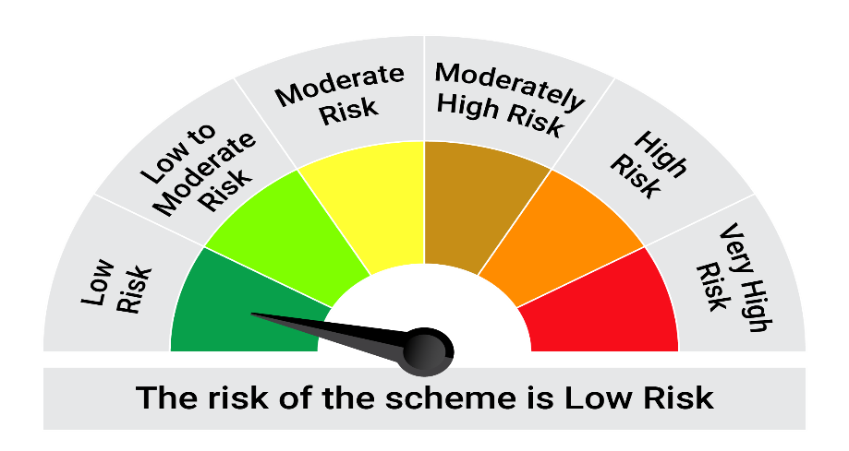
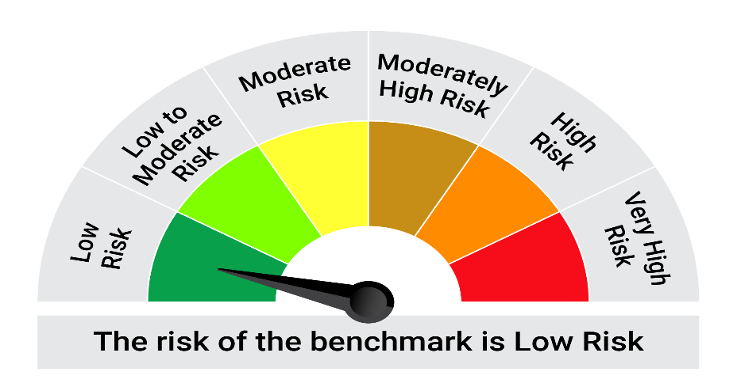
This product is suitable for investors who are seeking*:• Generation of reasonable returns over short to medium term • Investment predominantly in arbitrage opportunities in the cash and derivatives segments of the equity markets; and debt and money market instrument.

*Investors should consult their financial advisers if in doubt about whether the product is suitable for them.

Mutual fund investments are subject to market risks, read all scheme realted documents carefully. |  |  | Scheme Benchmark: Nifty 50 Arbitrage Index

Please note that the above risk-o-meter is as per the product labelling of the scheme available as on the date of this communication/ disclosure. as per SEBI circular dated May 19, 2023 on product labelling (as amended from time to time), risk-o-meters will be calculated on a monthly basis based on the risk values of the respective scheme's portfolio based on the methodology specified by SEBI in the above stated circular. The AMC shall disclose the risk-o-meters along with portfolio disclosure for all their schemes on their respective website and on AMFI website within 10 days from the close of each month. Any change in risk-o-meter shall be communicated by way of Notice cum Addendum and by way of an e-mail or SMS to unitholders of that particular Scheme.

Disclaimer


