HDLCRF
HSBC Mutual Fund
HSBC Credit Risk Fund
(An open-ended debt scheme predominantly investing in AA and below rated corporate bonds (excluding AA+ rated corporate bonds). A relatively high interest rate risk and relatively high credit risk.)
Portfolio Statement as of March 31, 2025

Name of the Instrument | ISIN | Rating/Industries | Quantity | Market Value (Rs in Lacs) | Percentage to Net Assets | Yield of the Instrument (%) | YTC @ |  | Maturity Date
 |  |  |  |  |  |  | CRISIL | ICRA
Debt Instruments
Fixed rates bonds - Corporate
Listed / Awaiting listing on Stock Exchanges
Nuvoco Vistas Corp Limited** | INE118D07195 | CRISIL AA | 350.00 | 3,657.26 | 6.12% | 7.64 |  |  | 28-Aug-25
Tata Housing Development Company Limited** | INE582L08060 | CARE AA | 3,500.00 | 3,576.98 | 5.98% | 7.7 |  |  | 12-Dec-25
National Bank for Agriculture & Rural Development** | INE261F08EH1 | CRISIL AAA | 2,500.00 | 2,707.48 | 4.53% | 7.18 |  |  | 10-May-29
ONGC Petro Additions Limited** | INE163N08263 | ICRA AA | 2,500.00 | 2,679.72 | 4.48% | 7.82 |  |  | 16-Jun-26
Aditya Birla Renewables Limited** | INE01QP08016 | CRISIL AA | 2,500.00 | 2,627.33 | 4.39% | 8.26 |  |  | 24-Sep-27
JSW Steel Limited** | INE019A07431 | CARE AA | 250.00 | 2,609.43 | 4.36% | 7.88 |  |  | 10-Oct-25
Nirma Limited** | INE091A07208 | CRISIL AA | 2,500.00 | 2,538.95 | 4.25% | 8.09 |  |  | 22-Feb-27
Tata Projects Limited** | INE725H08154 | IND AA | 2,000.00 | 2,116.76 | 3.54% | 7.91 |  |  | 6-Feb-26
Jm Financial Services Limited** | INE012I07066 | CRISIL AA | 2,000.00 | 2,063.34 | 3.45% | 8.19 |  |  | 30-May-25
Godrej Housing Finance Limited** | INE02JD07041 | CRISIL AA+ | 2,000.00 | 2,054.45 | 3.44% | 8.06 |  |  | 5-Jan-28
Aadhar Housing Finance Limited** | INE883F07306 | IND AA | 1,500.00 | 1,613.25 | 2.70% | 8.19 |  |  | 26-May-26
Tata Projects Limited** | INE725H08121 | IND AA | 1,500.00 | 1,609.98 | 2.69% | 7.86 |  |  | 27-Apr-26
Aditya Birla Real Estate Limited** | INE055A08037 | CRISIL AA | 1,500.00 | 1,604.45 | 2.68% | 7.88 |  |  | 25-Apr-26
Aadhar Housing Finance Limited** | INE883F07314 | ICRA AA | 1,500.00 | 1,583.61 | 2.65% | 8.21 |  |  | 17-Aug-26
TVS Credit Services Limited** | INE729N07032 | CRISIL AA | 150.00 | 1,570.28 | 2.63% | 7.86 |  |  | 14-Sep-25
Delhi International Airport Limited** | INE657H08035 | ICRA AA- | 1,500.00 | 1,533.65 | 2.56% | 9.39 |  |  | 22-Aug-30
IndoStar Capital Finance Limited** | INE896L07926 | CRISIL AA- | 1,500.00 | 1,524.17 | 2.55% | 9.78 |  |  | 7-Aug-25
Vedanta Limited** | INE205A08020 | ICRA AA | 1,500.00 | 1,522.87 | 2.55% | 9.29 |  |  | 20-Aug-27
IIFL Finance Limited** | INE530B07419 | CRISIL AA | 1,200.00 | 1,212.60 | 2.03% | 9.66 |  |  | 3-Dec-25
Aditya Birla Real Estate Limited** | INE055A08052 | CRISIL AA | 1,000.00 | 1,055.82 | 1.77% | 7.99 |  |  | 30-Aug-27
Tata power Company Limited** | INE295J08022 | CARE AA+ | 50.00 | 557.85 | 0.93% | 7.61 |  |  | 25-Aug-28
Nirma Limited** | INE091A07216 | CRISIL AA | 500.00 | 505.16 | 0.84% | 8.18 |  |  | 23-Feb-26
Total |  |  |  | 42,525.39 | 71.12%
Securitised Debt
Listed / Awaiting listing on Stock Exchanges
Dhruva XXIV** | INE1AC715019 | ICRA AAA(SO) | 23.00 | 2,019.28 | 3.38% | 9.72 |  |  | 16-Feb-29
Vajra 011 Trust** | INE116015012 | ICRA AAA(SO) | 22.00 | 1,633.95 | 2.73% | 9.91 |  |  | 20-Aug-27
Total |  |  |  | 3,653.23 | 6.11%
Government Securities
7.18% GOVERNMENT ON INDIA 14AUG2033 GSEC | IN0020230085 | SOVEREIGN | 4,500,000.00 | 4,705.84 | 7.87% | 6.61 |  |  | 14-Aug-33
7.32% GOI BOND 13NOV2030 | IN0020230135 | SOVEREIGN | 3,000,000.00 | 3,199.03 | 5.35% | 6.49 |  |  | 13-Nov-30
7.18% GOI 24-Jul-2037 | IN0020230077 | SOVEREIGN | 1,500,000.00 | 1,581.30 | 2.64% | 6.69 |  |  | 24-Jul-37
7.10% GOVT 08-Apr-2034 | IN0020240019 | SOVEREIGN | 1,000,000.00 | 1,066.73 | 1.78% | 6.61 |  |  | 8-Apr-34
6.79% INDIA GOV BOND 07OCT2034 GSEC | IN0020240126 | SOVEREIGN | 1,000,000.00 | 1,047.56 | 1.75% | 6.58 |  |  | 7-Oct-34
7.04% GOVERNMENT OF INDIA 03JUN29 G-SEC | IN0020240050 | SOVEREIGN | 500,000.00 | 522.08 | 0.87% | 6.45 |  |  | 3-Jun-29
Total |  |  |  | 12,122.54 | 20.26%
Money Market Instruments
Certificate of Deposit
Privately Placed/Unlisted
Axis Bank Limited** | INE238AD6967 | CRISIL A1+ | 250.00 | 1,238.56 | 2.07% | 7.03 |  |  | 19-May-25
Total |  |  |  | 1,238.56 | 2.07%
Alternative Investment Funds(AIF)
CDMDF CLASS A2 | INF0RQ622028 | AIF | 1,441.90 | 159.11 | 0.27% | 6.46
Total |  |  |  | 159.11 | 0.27%
Treps |  |  |  | 167.59 | 0.28% | 6.84 |  |  | 2-Apr-25
Net Current Assets (including cash & bank balances) |  |  |  | -63.08 | -0.11% | 6.84
Total Net Assets as on 31-March-2025 |  |  |  | 59,803.34 | 100.00%
Market Value includes accrued interest
** Securities are classified as non-traded on the basis of Traded data as on MAR 28, 2025 provided by CRISIL and ICRA.
^ Securities are classified as traded on the basis of Traded data as on MAR 28, 2025 provided by CRISIL and ICRA.

Annualised Portfolio YTM ! | 7.89%
Macaulay Duration | 27.90
! in case of semi annual YTM, it will be annualised

HSBC Credit Risk Fund |  | Scheme Riskometer |  | Scheme Benchmark Riskometer

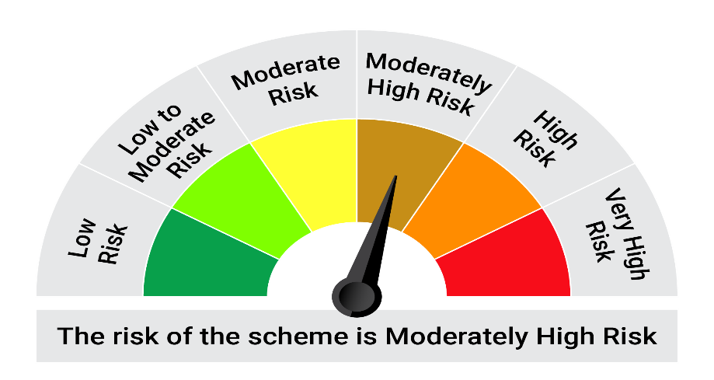
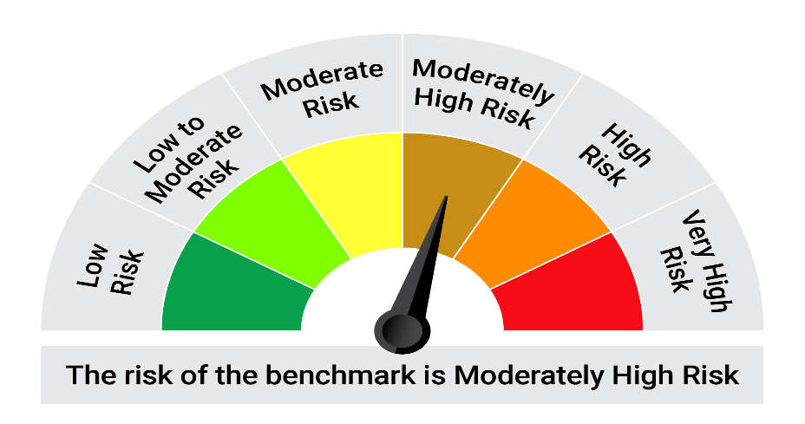
This product is suitable for investors who are seeking*:• Generation of regular returns and capital appreciation over medium to long term • An open ended debt scheme predominantly investing in AA and below rated corporate bonds. The scheme may also invest in various debt securities, government securities and money market instruments, REITs and InvITs

*Investors should consult their financial advisers if in doubt about whether the product is suitable for them.

Mutual fund investments are subject to market risks, read all scheme realted documents carefully. |  |  | Scheme Benchmark: NIFTY Credit Risk Bond Index B-II

Please note that the above risk-o-meter is as per the product labelling of the scheme available as on the date of this communication/ disclosure. as per SEBI circular dated May 19, 2023 on product labelling (as amended from time to time), risk-o-meters will be calculated on a monthly basis based on the risk values of the respective scheme's portfolio based on the methodology specified by SEBI in the above stated circular. The AMC shall disclose the risk-o-meters along with portfolio disclosure for all their schemes on their respective website and on AMFI website within 10 days from the close of each month. Any change in risk-o-meter shall be communicated by way of Notice cum Addendum and by way of an e-mail or SMS to unitholders of that particular Scheme.

Disclaimer


