HDLMDF
HSBC Mutual Fund
HSBC Medium Duration Fund
(An open ended medium term debt scheme investing in instruments such that the Macaulay duration of the portfolio is between 3 years to 4 years. A relatively high interest rate risk and moderate credit risk.)
Portfolio Statement as of March 31, 2025

Name of the Instrument | ISIN | Rating/Industries | Quantity | Market Value (Rs in Lacs) | Percentage to Net Assets | Yield of the Instrument (%) | YTC @ |  | Maturity Date
 |  |  |  |  |  |  | CRISIL | ICRA
Debt Instruments
Fixed rates bonds - Corporate
Listed / Awaiting listing on Stock Exchanges
Rec Limited** | INE020B08EH0 | CRISIL AAA | 5,000.00 | 5,075.49 | 7.71% | 7.2 |  |  | 31-Mar-28
Delhi International Airport Limited** | INE657H08035 | ICRA AA- | 3,000.00 | 3,067.30 | 4.66% | 9.39 |  |  | 22-Aug-30
Aadhar Housing Finance Limited** | INE883F07306 | IND AA | 2,500.00 | 2,688.75 | 4.09% | 8.19 |  |  | 26-May-26
Aditya Birla Renewables Limited** | INE01QP08016 | CRISIL AA | 2,500.00 | 2,627.33 | 3.99% | 8.26 |  |  | 24-Sep-27
Small Industries Development Bank of India** | INE556F08KL3 | CRISIL AAA | 2,500.00 | 2,611.98 | 3.97% | 7.25 |  |  | 24-Nov-28
Indian Railway Finance Corporation Limited** | INE053F08445 | CRISIL AAA | 2,500.00 | 2,553.97 | 3.88% | 7.08 |  |  | 16-Dec-34
Power Finance Corporation Limited** | INE134E08MX3 | CRISIL AAA | 2,500.00 | 2,553.72 | 3.88% | 7.2 |  |  | 13-Apr-29
National Bank for Agriculture & Rural Development^ | INE261F08EN9 | CRISIL AAA | 2,500.00 | 2,546.70 | 3.87% | 7.2 |  |  | 28-May-35
Power Finance Corporation Limited** | INE134E08KL2 | CRISIL AAA | 250.00 | 2,538.28 | 3.86% | 7.2 |  |  | 25-Feb-30
Vedanta Limited** | INE205A08020 | ICRA AA | 2,500.00 | 2,538.12 | 3.86% | 9.29 |  |  | 20-Aug-27
Shriram Finance Limited** | INE721A07SB0 | CRISIL AA+ | 2,000.00 | 2,169.58 | 3.30% | 8.61 |  |  | 22-May-26
Jm Financial Services Limited** | INE012I07066 | CRISIL AA | 2,000.00 | 2,063.34 | 3.14% | 8.19 |  |  | 30-May-25
IIFL Finance Limited** | INE530B07419 | CRISIL AA | 1,900.00 | 1,919.96 | 2.92% | 9.66 |  |  | 3-Dec-25
Total |  |  |  | 34,954.52 | 53.13%
Securitised Debt
Listed / Awaiting listing on Stock Exchanges
Dhruva XXIV** | INE1AC715019 | ICRA AAA(SO) | 27.00 | 2,370.46 | 3.60% | 9.72 |  |  | 16-Feb-29
Vajra 011 Trust** | INE116015012 | ICRA AAA(SO) | 28.00 | 2,079.57 | 3.16% | 9.91 |  |  | 20-Aug-27
Sansar Trust IX** | INE0REK15015 | ICRA AAA(SO) | 460.00 | 521.82 | 0.79% | 9.06 |  |  | 18-Sep-26
Total |  |  |  | 4,971.85 | 7.55%
Government Securities
7.18% GOI 24-Jul-2037 | IN0020230077 | SOVEREIGN | 4,000,000.00 | 4,216.81 | 6.41% | 6.69 |  |  | 24-Jul-37
7.32% GOI BOND 13NOV2030 | IN0020230135 | SOVEREIGN | 3,000,000.00 | 3,199.03 | 4.86% | 6.49 |  |  | 13-Nov-30
7.72% MAHARASHTRA SDL 10Jan2035 | IN2220230170 | SOVEREIGN | 2,500,000.00 | 2,675.10 | 4.07% | 6.97 |  |  | 10-Jan-35
7.04% GOVERNMENT OF INDIA 03JUN29 G-SEC | IN0020240050 | SOVEREIGN | 2,500,000.00 | 2,610.39 | 3.97% | 6.45 |  |  | 3-Jun-29
6.79% INDIA GOV BOND 07OCT2034 GSEC | IN0020240126 | SOVEREIGN | 2,000,000.00 | 2,095.12 | 3.18% | 6.58 |  |  | 7-Oct-34
7.18% GOVERNMENT ON INDIA 14AUG2033 GSEC | IN0020230085 | SOVEREIGN | 2,000,000.00 | 2,091.48 | 3.18% | 6.61 |  |  | 14-Aug-33
7.22% Karnataka SDL 05Sep2035 | IN1920240307 | SOVEREIGN | 1,500,000.00 | 1,538.21 | 2.34% | 6.94 |  |  | 5-Sep-35
7.34% INDIA GOVERNMENT BOND 22APR2064 | IN0020240035 | SOVEREIGN | 1,000,000.00 | 1,084.95 | 1.65% | 6.95 |  |  | 22-Apr-64
7.30% GOI 19JUN53 | IN0020230051 | SOVEREIGN | 1,000,000.00 | 1,068.81 | 1.62% | 6.91 |  |  | 19-Jun-53
7.23% INDIA GOVERNMENT BOND 15APR2039 | IN0020240027 | SOVEREIGN | 500,000.00 | 540.87 | 0.82% | 6.69 |  |  | 15-Apr-39
7.10% GOVT 08-Apr-2034 | IN0020240019 | SOVEREIGN | 500,000.00 | 533.36 | 0.81% | 6.61 |  |  | 8-Apr-34
Total |  |  |  | 21,654.13 | 32.91%
Money Market Instruments
Commercial Papers
Listed / Awaiting listing on Stock Exchanges
IndoStar Capital Finance Limited** | INE896L14DR1 | CRISIL A1+ | 260.00 | 1,292.38 | 1.96% | 9.36 |  |  | 24-Apr-25
Total |  |  |  | 1,292.38 | 1.96%
Interest Rate Swaps
Pay Fixed/Receive Float_06/03/2030 |  |  |  | -5.54 | -0.01% | 5.99 |  |  | 6-Mar-30
Total |  |  |  | -5.54 | -0.01%
Alternative Investment Funds(AIF)
CDMDF CLASS A2 | INF0RQ622028 | AIF | 2,006.87 | 221.45 | 0.34% | 6.46
Total |  |  |  | 221.45 | 0.34%
Treps |  |  |  | 2,348.85 | 3.57% | 6.84 |  |  | 2-Apr-25
Net Current Assets (including cash & bank balances) |  |  |  | 365.41 | 0.55% | 6.84
Total Net Assets as on 31-March-2025 |  |  |  | 65,803.05 | 100.00%
Market Value includes accrued interest
** Securities are classified as non-traded on the basis of Traded data as on MAR 28, 2025 provided by CRISIL and ICRA.
^ Securities are classified as traded on the basis of Traded data as on MAR 28, 2025 provided by CRISIL and ICRA.
This scheme has exposure to floating rate instruments and / or interest rate derivatives. The duration of these instruments is linked to the interest rate reset period. The interest rate risk in a floating rate instrument or in a fixed rate instrument hedged with derivatives is likely to be lesser than that in an equivalent maturity fixed rate instrument. Under some market circumstances the volatility may be of an order greater than what may ordinarily be expected considering only its duration. Hence investors are recommended to consider the unadjusted portfolio maturity of the scheme as well and exercise adequate due diligence when deciding to make their investments.

Annualised Portfolio YTM ! | 7.70%
Macaulay Duration | 47.74
! in case of semi annual YTM, it will be annualised

HSBC Medium Duration Fund |  | Scheme Riskometer |  | Scheme Benchmark Riskometer

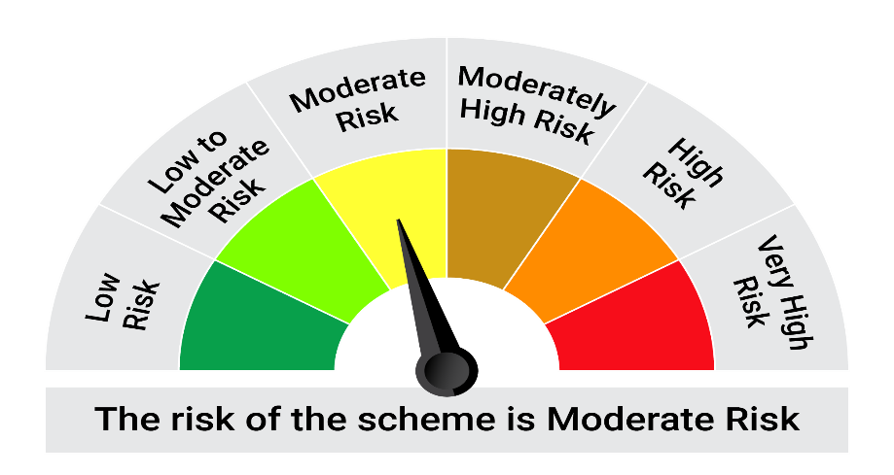

This product is suitable for investors who are seeking*:• Generation of income over medium term • An open ended debt scheme predominantly investing in fixed income instruments such that the Macaulay duration of the portfolio is between 3 years to 4 years.

*Investors should consult their financial advisers if in doubt about whether the product is suitable for them.

Mutual fund investments are subject to market risks, read all scheme realted documents carefully. |  |  | Scheme Benchmark: NIFTY Medium Duration Debt Index A-III

Please note that the above risk-o-meter is as per the product labelling of the scheme available as on the date of this communication/ disclosure. as per SEBI circular dated May 19, 2023 on product labelling (as amended from time to time), risk-o-meters will be calculated on a monthly basis based on the risk values of the respective scheme's portfolio based on the methodology specified by SEBI in the above stated circular. The AMC shall disclose the risk-o-meters along with portfolio disclosure for all their schemes on their respective website and on AMFI website within 10 days from the close of each month. Any change in risk-o-meter shall be communicated by way of Notice cum Addendum and by way of an e-mail or SMS to unitholders of that particular Scheme.

Disclaimer


