HOMSMS
HSBC Mutual Fund
HSBC Multi Asset Active FOF
HSBC Multi Asset Active FOF(An open ended fund of fund scheme investing in a basket of equity, debt, Gold and other Exchange Traded Funds)
Portfolio Statement as of March 31, 2025

Name of the Instrument | ISIN | Rating/Industries | Quantity | Market Value (Rs in Lacs) | Percentage to Net Assets | Yield of the Instrument (%) | YTC @
 |  |  |  |  |  |  | CRISIL | ICRA
Mutual Fund Units
Domestic Mutual Fund Units
HSBC Large Cap Fund- Direct Growth | INF336L01CM7 | Internal - Mutual Fund Units | 528,844.36 | 2,580.15 | 46.57%
HSBC Small Cap Fund - Direct Growth | INF917K01QA1 | Internal - Mutual Fund Units | 977,499.71 | 785.72 | 14.18%
HSBC Medium To Long Duration Fund - Direct Growth | INF336L01DE2 | Internal - Mutual Fund Units | 1,490,782.49 | 688.44 | 12.42%
HSBC Midcap Fund - Direct Growth | INF917K01FZ1 | Internal - Mutual Fund Units | 105,242.90 | 401.50 | 7.25%
HSBC Dynamic Bond Fund - Direct Growth | INF917K01HA0 | Internal - Mutual Fund Units | 1,229,608.90 | 388.18 | 7.01%
Total |  |  |  | 4,843.99 | 87.43%
Exchange Traded Fund
Listed / Awaiting listing on Stock Exchanges
Nippon Life India Asset Management Limited | INF204KB17I5 | Exchange Traded Funds | 411,000.00 | 310.95 | 5.61%
Nippon Life India Asset Management Limited | INF204KC1402 | Exchange Traded Funds | 315,800.00 | 306.44 | 5.53%
Total |  |  |  | 617.39 | 11.14%
Treps |  |  |  | 116.92 | 2.11% | 6.84
Net Current Assets (including cash & bank balances) |  |  |  | -37.42 | -0.68% | 6.84
Total Net Assets as on 31-March-2025 |  |  |  | 5,540.88 | 100.00%

HSBC Multi Asset Active FOF |  | Scheme Riskometer |  | Scheme Benchmark Riskometer
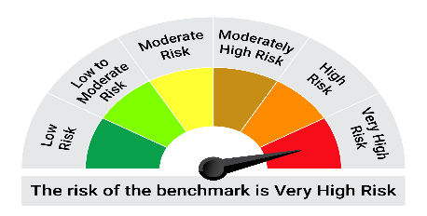
BSE 200 TRI
NIFTYShort Duration Debt Index
Domestic Price of Gold
Domestic Price of Silver

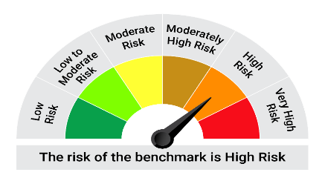
This product is suitable for investors who are seeking*:• To create wealth and provide income over the long-term • Investments in a basket of debt mutual funds, equity mutual funds, gold & exchange traded funds, offshore mutual funds and money market instruments.

*Investors should consult their financial advisers if in doubt about whether the product is suitable for them.
 |  |  |  | 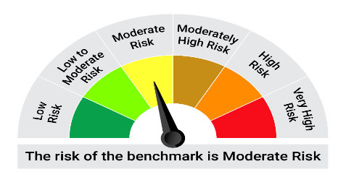
Mutual fund investments are subject to market risks, read all scheme realted documents carefully. |  |  | Scheme Benchmark: BSE 200 TRI (65%) + NIFTY Short Duration Debt Index (20%) +Domestic Price of Gold (10%) +Domestic Price of Silver (5%)

Please note that the above risk-o-meter is as per the product labelling of the scheme available as on the date of this communication/ disclosure. as per SEBI circular dated May 19, 2023 on product labelling (as amended from time to time), risk-o-meters will be calculated on a monthly basis based on the risk values of the respective scheme's portfolio based on the methodology specified by SEBI in the above stated circular. The AMC shall disclose the risk-o-meters along with portfolio disclosure for all their schemes on their respective website and on AMFI website within 10 days from the close of each month. Any change in risk-o-meter shall be communicated by way of Notice cum Addendum and by way of an e-mail or SMS to unitholders of that particular Scheme.

Disclaimer


