HOMSMS
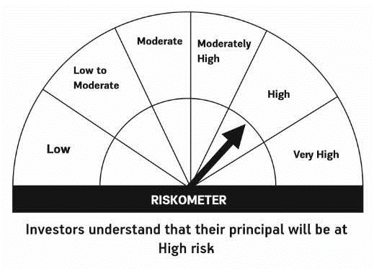

HSBC Mutual Fund
HSBC Managed Solutions India - Moderate
HSBC Managed Solutions India-Moderate (An open ended Fund of Funds Scheme investing in a basket of equity, debt, Gold and other Exchange Traded Funds.)
Portfolio Statement as of October 31, 2023

Name of the Instrument | ISIN | Rating/Industries | Quantity | Market Value (Rs in Lacs) | Percentage to Net Assets | Yield of the Instrument (%) | YTC @
 |  |  |  |  |  |  | CRISIL | ICRA
Mutual Fund Units
Domestic Mutual Fund Units
HSBC Large Cap Fund- Direct Growth | INF336L01CM7 | Internal - Mutual Fund Units | 708,503.77 | 2,706.54 | 48.06%
HSBC Short Duration Fund - Direct Growth | INF917K01IQ4 | Internal - Mutual Fund Units | 4,071,382.56 | 992.68 | 17.63%
HSBC Small Cap Fund - Direct Growth | INF917K01QA1 | Internal - Mutual Fund Units | 1,372,066.43 | 915.05 | 16.25%
HSBC Medium To Long Duration Fund - Direct Growth | INF336L01DE2 | Internal - Mutual Fund Units | 1,659,086.18 | 669.22 | 11.88%
HSBC Dynamic Bond Fund - Direct Growth | INF917K01HA0 | Internal - Mutual Fund Units | 1,182,425.06 | 325.15 | 5.77%
Total |  |  |  | 5,608.63 | 99.59%
Treps |  |  |  | 49.30 | 0.88% | 6.76
Net Current Assets (including cash & bank balances) |  |  |  | -26.11 | -0.47% | 6.76
Total Net Assets as on 31-OCTOBER-2023 |  |  |  | 5,631.82 | 100.00%

Disclaimer


