HDONTF

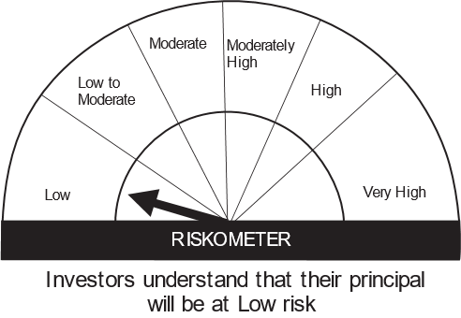
HSBC Mutual Fund
HSBC Overnight Fund
(An open ended debt scheme investing in overnight securities. Relatively low interest rate risk and relatively low credit risk.)
Portfolio Statement as of October 31, 2023

Name of the Instrument | ISIN | Rating/Industries | Quantity | Market Value (Rs in Lacs) | Percentage to Net Assets | Yield of the Instrument (%) | YTC @ |  | Maturity Date
 |  |  |  |  |  |  | CRISIL | ICRA
Money Market Instruments
Treasury Bills
91 DAYS T-BILL 17Nov23 | IN002023X211 | SOVEREIGN | 10,500,000.00 | 10,468.84 | 3.99% | 6.79 |  |  | 17-Nov-23
91 DAYS T-BILL 09Nov23 | IN002023X195 | SOVEREIGN | 5,000,000.00 | 4,992.56 | 1.90% | 6.80 |  |  | 9-Nov-23
182 DAYS T-BILL - 09NOV2023 | IN002023Y060 | SOVEREIGN | 2,500,000.00 | 2,496.28 | 0.95% | 6.80 |  |  | 9-Nov-23
Total |  |  |  | 17,957.68 | 6.84%
Treps |  |  |  | 243,828.10 | 93.02% | 6.76 |  |  | 1-Nov-23
Net Current Assets (including cash & bank balances) |  |  |  | 344.96 | 0.14% | 6.76
Total Net Assets as on 31-OCTOBER-2023 |  |  |  | 262,130.73 | 100.00%
Market Value includes accrued interest
** Securities are classified as non-traded on the basis of Traded data as on OCT 31, 2023 provided by CRISIL and ICRA.
^ Securities are classified as traded on the basis of Traded data as on OCT 31, 2023 provided by CRISIL and ICRA.

Annualised Portfolio YTM ! | 6.76%
Macaulay Duration | 0.06
! in case of semi annual YTM, it will be annualised

Disclaimer


