HOMSMS
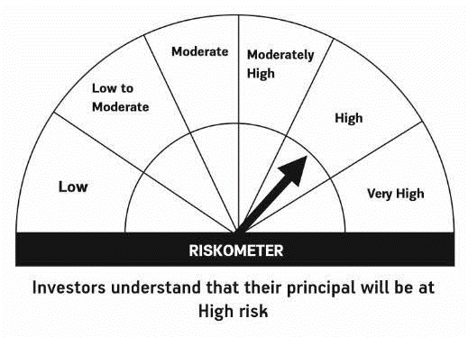

HSBC Mutual Fund
HSBC Managed Solutions India - Moderate
HSBC Managed Solutions India-Moderate (An open ended Fund of Funds Scheme investing in a basket of equity, debt, Gold and other Exchange Traded Funds.)
Portfolio Statement as of November 30, 2023

Name of the Instrument | ISIN | Rating/Industries | Quantity | Market Value (Rs in Lacs) | Percentage to Net Assets | Yield of the Instrument (%) | YTC @
 |  |  |  |  |  |  | CRISIL | ICRA
Mutual Fund Units
Domestic Mutual Fund Units
HSBC Large Cap Fund- Direct Growth | INF336L01CM7 | Internal - Mutual Fund Units | 647,260.22 | 2,654.71 | 48.51%
HSBC Short Duration Fund - Direct Growth | INF917K01IQ4 | Internal - Mutual Fund Units | 3,846,307.45 | 943.95 | 17.25%
HSBC Small Cap Fund - Direct Growth | INF917K01QA1 | Internal - Mutual Fund Units | 1,243,366.67 | 909.65 | 16.62%
HSBC Medium To Long Duration Fund - Direct Growth | INF336L01DE2 | Internal - Mutual Fund Units | 1,659,086.18 | 675.41 | 12.34%
HSBC Dynamic Bond Fund - Direct Growth | INF917K01HA0 | Internal - Mutual Fund Units | 1,000,912.18 | 277.53 | 5.07%
Total |  |  |  | 5,461.24 | 99.79%
Treps |  |  |  | 26.46 | 0.48% | 6.76
Net Current Assets (including cash & bank balances) |  |  |  | -15.04 | -0.27% | 6.76
Total Net Assets as on 30-NOVEMBER-2023 |  |  |  | 5,472.66 | 100.00%

Disclaimer


