HUSDF

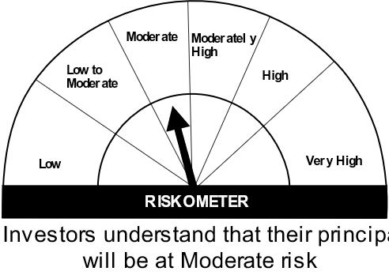

HSBC Ultra Short Duration Fund
Portfolio As On 30-DECEMBER-2022 |  |  |  |  | Asset Allocation | % to Net Assets
 |  |  |  |  | Corporate/ PSU Debt | 22.60%
Issuer | Market Value(Rs. In Lakhs) | % to Net Assets | Short Term Rating | Long Term Rating | Money Market Instruments | 57.90%
 |  |  |  |  | Treasury Bill | 17.61%
 |  |  |  |  | Cash Equivalent | 2.14%
Corporate/ PSU Debt
 |  |  |  |  | Net Current Assets | -0.25%
Corporate Bonds / Debentures
 |  |  |  |  | Total Net Assets | 100.00%
Bajaj Finance Limited | 4,782.57 | 2.01% | CRISIL AAA | CRISIL AAA
Housing Development Finance Corporation Limited | 5,305.81 | 2.23% | CRISIL AAA | CRISIL AAA
L & T Finance Ltd. | 5,320.10 | 2.24% | CRISIL AAA | ICRA AAA
Power Finance Corporation Limited | 12,437.40 | 5.24% | CRISIL AAA | CRISIL AAA | Rating Category | % to Net Assets
Power Grid Corporation of India Limited | 7,519.00 | 3.16% | CRISIL AAA | CRISIL AAA | SOVEREIGN | 17.61%
 |  |  |  |  | AAA and equivalents | 80.49%
Reliance Industries Limited | 18,332.88 | 7.72% | CRISIL AAA | CRISIL AAA
 |  |  |  |  | Reverse Repos/ TREPS | 2.14%
 | 53,697.76 | 22.60% |  |  | Net Current Assets | -0.24%
Money Market Instruments |  |  |  |  | Total Net Assets | 100.00%
Certificate of Deposit
HDFC Bank Limited | 20,362.17 | 8.57% | CARE A1+ | CRISIL AAA
Canara Bank | 17,009.94 | 7.16% | CRISIL A1+ | ICRA AAA
Axis Bank Limited | 14,425.40 | 6.07% | CRISIL A1+ | CRISIL AAA
Small Industries Development Bank of India | 12,142.95 | 5.11% | CARE A1+ | CARE AAA
Export Import Bank of India | 10,656.06 | 4.49% | CRISIL A1+ | CRISIL AAA
Bank of Baroda | 9,762.30 | 4.11% | CRISIL A1+ | CRISIL AAA
Kotak Mahindra Bank Limited | 9,672.51 | 4.07% | ICRA A1+ | CRISIL AAA
ICICI Bank Limited | 9,494.36 | 4.00% | ICRA A1+ | CRISIL AAA
Kotak Mahindra Bank Limited | 7,247.48 | 3.05% | CRISIL A1+ | CRISIL AAA
Bank of Baroda | 4,690.50 | 1.97% | IND A1+ | CRISIL AAA
 | 115,463.66 | 48.60%
Commercial Paper
Kotak Mahindra Investment Limited | 7,253.03 | 3.05% | CRISIL A1+ | CRISIL AAA
Kotak Securities Limited | 9,915.35 | 4.17% | CRISIL A1+ | CRISIL AAA
LIC Housing Finance Limited | 4,951.61 | 2.08% | CRISIL A1+ | CRISIL AAA
 | 22,119.99 | 9.30%
Treasury Bill
364 DAYS T-BILL 09MAR23 09MAR23 T-BILL | 9,884.54 | 4.16% | Sovereign | Sovereign
182 DAYS T-BILL 09FEB23 | 7,946.75 | 3.34% | Sovereign | Sovereign
182 DAYS T-BILL 15JUN23 | 7,278.75 | 3.06% | Sovereign | Sovereign
364 DAY TBILL 15JUN23 | 6,929.37 | 2.92% | Sovereign | Sovereign
182 DAYS T-BILL - 02MAR2023 | 4,948.15 | 2.08% | Sovereign | Sovereign
182 DAYS T-BILLS 25May2023 | 4,872.26 | 2.05% | Sovereign | Sovereign
 | 41,859.82 | 17.61%
Cash Equivalent
TREPS | 5,091.81 | 2.14%
Net Current Assets: | -655.01 | -0.25%
Total Net Assets as on 30-DECEMBER-2022 | 237,578.03 | 100.00%

Market Value Includes Accrued Interest
This product is suitable for investors who are seeking*:
Income over target maturity period
Investment in constituents similar to the composition of CRISIL IBX 50:50 Gilt Plus SDL Index – April 2028
*Investors should consult their financial advisers if in doubt about whether the product is suitable for them.
Mutual fund investments are subject to market risks, read all scheme related documents carefully.

