HLF as on 23 Dec 22 - Rating

HSBC Liquid Fund
Portfolio As On 23-DECEMBER-2022 |  |  |  |  | Asset Allocation | % to Net Assets
 |  |  |  |  | Corporate/ PSU Debt | 7.03%
Issuer | Market Value(Rs. In Lakhs) | % to Net Assets | Short Term Rating | Long Term Rating | Money Market Instruments | 76.69%
 |  |  |  |  | Treasury Bill | 13.22%
 |  |  |  |  | Cash Equivalent | 2.93%
Corporate/ PSU Debt
 |  |  |  |  | Net Current Assets | 0.13%
Corporate Bonds / Debentures
 |  |  |  |  | Total Net Assets | 100.00%
Housing Development Finance Corporation Limited | 10,596.29 | 1.08% | CRISIL AAA | CRISIL AAA
LIC Housing Finance Limited | 18,632.60 | 1.90% | CRISIL AAA | CRISIL AAA
L&T Finance Limited | 13,410.50 | 1.37% | CRISIL AAA | CRISIL AAA
National Bank for Agriculture & Rural Development | 10,773.79 | 1.10% | CRISIL AAA | CRISIL AAA | Rating Category | % to Net Assets
Tata Capital Financial Services Limited | 15,526.35 | 1.58% | ICRA AAA | CRISIL AAA | SOVEREIGN | 13.22%
 | 68,939.52 | 7.03% |  |  | AAA and equivalents | 83.72%

 |  |  |  |  | Reverse Repos/ TREPS | 2.93%
Money Market Instruments |  |  |  |  | Net Current Assets | 0.13%
Certificate of Deposit |  |  |  |  | Total Net Assets | 100.00%
Canara Bank | 44,632.35 | 4.54% | CRISIL A1+ | ICRA AAA
Indian Bank | 37,330.21 | 3.80% | CRISIL A1+ | ICRA AA+
Axis Bank Limited | 32,862.69 | 3.35% | CRISIL A1+ | CRISIL AAA
HDFC Bank Limited | 29,420.55 | 3.00% | CARE A1+ | CRISIL AAA
Small Industries Development Bank of India | 24,760.48 | 2.52% | CARE A1+ | CRISIL AAA
Union Bank of India | 22,389.08 | 2.28% | ICRA A1+ | CARE AA+
National Bank for Agriculture & Rural Development | 19,820.82 | 2.02% | CRISIL A1+ | CARE AAA
Kotak Mahindra Bank Limited | 17,383.93 | 1.77% | CRISIL A1+ | CRISIL AAA
Bank of Baroda | 7,428.04 | 0.76% | CRISIL A1+ | CRISIL AAA
 | 236,028.13 | 24.04%
Commercial Paper
Aditya Birla Finance Limited | 14,902.83 | 1.52% | ICRA A1+ | ICRA AAA
Bajaj Finance Limited | 9,954.61 | 1.01% | CRISIL A1+ | CRISIL AAA
Birla Group Holdings Private Limited | 14,760.12 | 1.50% | ICRA A1+ | CRISIL AA
Export Import Bank of India | 24,889.42 | 2.53% | CRISIL A1+ | CRISIL AAA
HDFC Securities Limited | 49,376.77 | 5.03% | CRISIL A1+ | CRISIL AAA
ICICI Home Finance Limited | 29,520.78 | 3.01% | ICRA A1+ | ICRA AAA
ICICI Securities Limited | 47,099.35 | 4.80% | CRISIL A1+ | CRISIL AAA
Kotak Securities Limited | 49,343.71 | 5.02% | CRISIL A1+ | CRISIL AAA
National Bank for Agriculture & Rural Development | 14,894.33 | 1.52% | ICRA A1+ | CARE AAA
Network18 Media And Investments Limited | 12,490.56 | 1.27% | CRISIL A1+ | CARE AAA
NTPC Limited | 9,853.26 | 1.00% | CRISIL A1+ | CRISIL AAA
Reliance Jio Infocomm Limited | 49,577.34 | 5.05% | CRISIL A1+ | CRISIL AAA
Reliance Retail Ventures Limited | 59,379.87 | 6.05% | CRISIL A1+ | CRISIL AAA
Sikka Ports & Terminals Limited | 39,497.90 | 4.02% | CRISIL A1+ | CRISIL AAA
Small Industries Development Bank of India | 9,929.70 | 1.01% | CARE A1+ | CRISIL AAA
Tata Capital Financial Services Limited | 14,994.29 | 1.53% | CRISIL A1+ | CRISIL AAA
Tata Power Company Limited | 19,950.06 | 2.03% | CRISIL A1+ | CRISIL AA
Tata Power Renewable Energy Limited | 16,910.26 | 1.72% | CRISIL A1+ | CRISIL AA
Tata Steel Limited | 29,783.40 | 3.03% | ICRA A1+ | FITCH AA+
 | 517,108.54 | 52.65%
Treasury Bill
91 DAYS T-BILLS 27Jan2023 | 28,333.73 | 2.88% | Sovereign | Sovereign
182 DAYS T-BILL 09FEB23 | 19,839.90 | 2.02% | Sovereign | Sovereign
91 DAYS T-BILLS 16FEB2023 | 19,815.32 | 2.02% | Sovereign | Sovereign
182 DAYS T-BILLS 09MAR23 | 19,743.24 | 2.01% | Sovereign | Sovereign
91 DAYS T-BILL - 19JAN2023 | 17,422.23 | 1.77% | Sovereign | Sovereign
91 DAYS T-BILL - 02FEB2023 | 9,931.97 | 1.01% | Sovereign | Sovereign
91 DAYS T-BILL 16MAR23 | 9,859.13 | 1.00% | Sovereign | Sovereign
91 DAYS T-BILL 09FEB23 | 4,960.08 | 0.51% | Sovereign | Sovereign
 | 129,905.60 | 13.22%
Cash Equivalent
TREPS | 28,764.14 | 2.93%
Net Current Assets: | 1,369.20 | 0.13%
Total Net Assets as on 23-DECEMBER-2022 | 982,115.14 | 100.00%

This product is suitable for investors who are seeking*:
• Overnight liquidity over short term
• Investment in Money Market Instruments

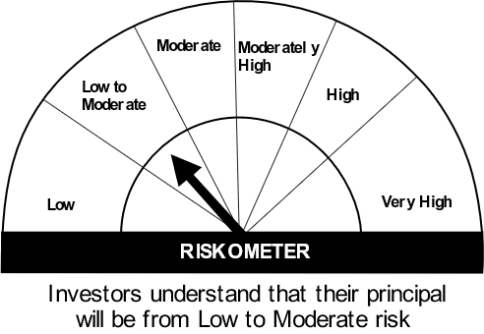

*Investors should consult their financial advisers if in doubt about whether the product is suitable for them.
Mutual fund investments are subject to market risks, read all scheme related documents carefully.

“Please note that the above risk-o-meter is as per the product labelling of the scheme available as on the date of this communication/ disclosure. As per SEBI circular dated October 05, 2020 on product labelling (as amended from time to time), risk-o-meter will be calculated on a monthly basis based on the risk value of the scheme portfolio based on the methodology specified by SEBI in the above stated circular. The AMC shall disclose the risk-o-meter along with portfolio disclosure for all their schemes on their respective website and on AMFI website within 10 days from the close of each month. Any change in risk-o-meter shall be communicated by way of Notice cum Addendum and by way of an e-mail or SMS to unitholders of that particular scheme.”

HOF as on 23 Dec 22 - Rating
HSBC Overnight Fund
Portfolio As On 23-DECEMBER-2022 |  |  |  | Asset Allocation | % to Net Assets
 |  |  |  | Treasury Bill | 3.14%
Issuer | Market Value(Rs. In Lakhs) | % to Net Assets | Rating | Cash Equivalent | 96.33%
 |  |  |  | Net Current Assets | 0.53%
 |  |  |  | Total Net Assets | 100.00%
Treasury Bill

91 DAYS T-BILLS 29DEC2022 | 7,493.38 | 3.14% | Sovereign
 | 7,493.38 | 3.14%
Cash Equivalent |  |  |  | Rating Category | % to Net Assets
TREPS | 52,376.34 | 21.93% |  | SOVEREIGN | 3.14%
Reverse Repos | 177,668.63 | 74.40% |  | Reverse Repos/ TREPS | 96.33%
Net Current Assets: | 1,263.08 | 0.53% |  | Net Current Assets | 0.53%
Total Net Assets as on 23-DECEMBER-2022 | 238,801.43 | 100.00% |  | Total Net Assets | 100.00%

# Residual maturity months in case of fixed rate instruments, period upto next interest reset months in case of floating rate instruments and average maturity months in case of non-standard assets which have multiple principal repayments
This product is suitable for investors who are seeking*:
• investment in debt & money market instruments with overnight maturity
• income over short term and high liquidity


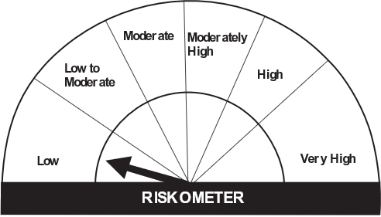

*Investors should consult their financial advisers if in doubt about whether the product is suitable for them.

Mutual fund investments are subject to market risks, read all scheme related documents carefully.

“Please note that the above risk-o-meter is as per the product labelling of the scheme available as on the date of this communication/ disclosure. As per SEBI circular dated October 05, 2020 on product labelling (as amended from time to time), risk-o-meter will be calculated on a monthly basis based on the risk value of the scheme portfolio based on the methodology specified by SEBI in the above stated circular. The AMC shall disclose the risk-o-meter along with portfolio disclosure for all their schemes on their respective website and on AMFI website within 10 days from the close of each month. Any change in risk-o-meter shall be communicated by way of Notice cum Addendum and by way of an e-mail or SMS to unitholders of that particular scheme.”

