HOMSMS
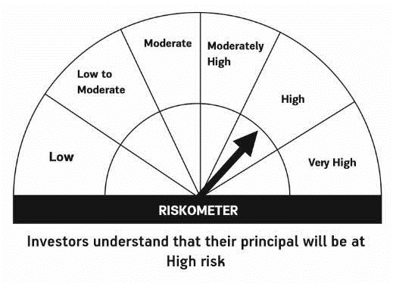

HSBC Mutual Fund
HSBC Managed Solutions India - Moderate
HSBC Managed Solutions India-Moderate (An open ended Fund of Funds Scheme investing in a basket of equity, debt, Gold and other Exchange Traded Funds.)
Portfolio Statement as of May 31, 2024

Name of the Instrument | ISIN | Rating/Industries | Quantity | Market Value (Rs in Lacs) | Percentage to Net Assets | Yield of the Instrument (%) | YTC @
 |  |  |  |  |  |  | CRISIL | ICRA
Mutual Fund Units
Domestic Mutual Fund Units
HSBC Large Cap Fund- Direct Growth | INF336L01CM7 | Internal - Mutual Fund Units | 558,931.02 | 2,637.60 | 46.66%
HSBC Short Duration Fund - Direct Growth | INF917K01IQ4 | Internal - Mutual Fund Units | 3,526,563.71 | 900.01 | 15.92%
HSBC Small Cap Fund - Direct Growth | INF917K01QA1 | Internal - Mutual Fund Units | 1,060,605.97 | 895.10 | 15.84%
HSBC Medium To Long Duration Fund - Direct Growth | INF336L01DE2 | Internal - Mutual Fund Units | 1,635,524.89 | 699.59 | 12.38%
HSBC Dynamic Bond Fund - Direct Growth | INF917K01HA0 | Internal - Mutual Fund Units | 1,430,208.21 | 416.90 | 7.38%
Total |  |  |  | 5,549.21 | 98.18%
Treps |  |  |  | 114.46 | 2.02% | 6.66
Net Current Assets (including cash & bank balances) |  |  |  | -11.07 | -0.20% | 6.66
Total Net Assets as on 31-MAY-2024 |  |  |  | 5,652.59 | 100.00%

Disclaimer


