HELABF
HSBC Mutual Fund
HSBC Arbitrage Fund
HSBC Arbitrage Fund(An open ended scheme investing in arbitrage opportunities)
Portfolio Statement as of December 31, 2024

Name of the Instrument | ISIN | Rating/Industries | Quantity | Market Value (Rs in Lacs) | Percentage to Net Assets | Yield of the Instrument (%) | YTC @ |  | Maturity Date
 |  |  |  |  |  |  | CRISIL | ICRA
Equity & Equity Related Instruments
Equity Shares
Listed / Awaiting listing on Stock Exchanges
Bank of Baroda | INE028A01039 | Banks | 7,046,325.00 | 16,949.93 | 6.99%
Reliance Industries Limited | INE002A01018 | Petroleum Products | 1,082,000.00 | 13,151.17 | 5.43%
IndusInd Bank Limited | INE095A01012 | Banks | 1,131,500.00 | 10,864.10 | 4.48%
Kotak Mahindra Bank Limited | INE237A01028 | Banks | 342,400.00 | 6,115.44 | 2.52%
Vedanta Limited | INE205A01025 | Diversified Metals | 1,354,700.00 | 6,020.96 | 2.48%
Punjab National Bank Limited | INE160A01022 | Banks | 5,816,000.00 | 5,977.68 | 2.47%
Laurus Labs Limited | INE947Q01028 | Pharmaceuticals & Biotechnology | 982,600.00 | 5,922.13 | 2.44%
Tata Power Company Limited | INE245A01021 | Power | 1,424,250.00 | 5,588.76 | 2.31%
State Bank of India | INE062A01020 | Banks | 665,250.00 | 5,288.40 | 2.18%
Bandhan Bank Limited | INE545U01014 | Banks | 3,276,000.00 | 5,210.81 | 2.15%
Tata Motors Limited | INE155A01022 | Automobiles | 663,850.00 | 4,913.49 | 2.03%
Bharat Heavy Electricals Limited | INE257A01026 | Electrical Equipment | 2,005,500.00 | 4,600.62 | 1.90%
ICICI Bank Limited | INE090A01021 | Banks | 352,800.00 | 4,521.66 | 1.87%
Axis Bank Limited | INE238A01034 | Banks | 388,125.00 | 4,132.37 | 1.71%
Biocon Limited | INE376G01013 | Pharmaceuticals & Biotechnology | 1,117,500.00 | 4,082.79 | 1.68%
Aditya Birla Fashion and Retail Limited | INE647O01011 | Retailing | 1,414,400.00 | 3,959.61 | 1.63%
Canara Bank | INE476A01022 | Banks | 3,800,250.00 | 3,804.81 | 1.57%
Indian Energy Exchange Limited | INE022Q01020 | Capital Markets | 1,822,500.00 | 3,312.94 | 1.37%
Crompton Greaves Consumer Electricals Limited | INE299U01018 | Consumer Durables | 837,000.00 | 3,312.85 | 1.37%
Tata Communications Limited | INE151A01013 | Telecom - Services | 176,500.00 | 3,006.50 | 1.24%
Rec Limited | INE020B01018 | Finance | 593,000.00 | 2,969.15 | 1.23%
Steel Authority of India Limited | INE114A01011 | Ferrous Metals | 2,580,000.00 | 2,918.75 | 1.20%
Havells India Limited | INE176B01034 | Consumer Durables | 159,500.00 | 2,671.78 | 1.10%
Hindustan Aeronautics Limited | INE066F01020 | Aerospace & Defense | 59,850.00 | 2,500.74 | 1.03%
DLF Limited | INE271C01023 | Realty | 278,025.00 | 2,293.43 | 0.95%
Grasim Industries Limited | INE047A01021 | Cement & Cement Products | 93,500.00 | 2,283.92 | 0.94%
City Union Bank Limited | INE491A01021 | Banks | 1,310,000.00 | 2,257.52 | 0.93%
Cholamandalam Investment & Finance Company Limited | INE121A01024 | Finance | 185,625.00 | 2,201.42 | 0.91%
HDFC Bank Limited | INE040A01034 | Banks | 103,950.00 | 1,842.88 | 0.76%
MRF Limited | INE883A01011 | Auto Components | 1,375.00 | 1,796.23 | 0.74%
Aditya Birla Capital Limited | INE674K01013 | Finance | 985,500.00 | 1,752.42 | 0.72%
Muthoot Finance Limited | INE414G01012 | Finance | 81,400.00 | 1,738.83 | 0.72%
NMDC Limited | INE584A01023 | Minerals & Mining | 2,632,500.00 | 1,735.34 | 0.72%
JSW Steel Limited | INE019A01038 | Ferrous Metals | 172,800.00 | 1,557.79 | 0.64%
Gujarat Narmada Valley Fertilizers & Chemicals Ltd | INE113A01013 | Chemicals & Petrochemicals | 278,200.00 | 1,555.14 | 0.64%
Bajaj Finance Limited | INE296A01024 | Finance | 21,250.00 | 1,449.89 | 0.60%
Dixon Technologies (India) Limited | INE935N01020 | Consumer Durables | 8,000.00 | 1,434.90 | 0.59%
Tata Steel Limited | INE081A01020 | Ferrous Metals | 1,028,500.00 | 1,419.84 | 0.59%
Atul Limited | INE100A01010 | Chemicals & Petrochemicals | 20,200.00 | 1,405.91 | 0.58%
NTPC Limited | INE733E01010 | Power | 417,000.00 | 1,390.07 | 0.57%
Exide Industries Limited | INE302A01020 | Auto Components | 253,800.00 | 1,057.20 | 0.44%
Navin Fluorine International Limited | INE048G01026 | Chemicals & Petrochemicals | 32,200.00 | 1,045.15 | 0.43%
Power Grid Corporation of India Limited | INE752E01010 | Power | 333,000.00 | 1,027.97 | 0.42%
Chambal Fertilizers & Chemicals Limited | INE085A01013 | Fertilizers & Agrochemicals | 197,600.00 | 976.05 | 0.40%
Larsen & Toubro Limited | INE018A01030 | Construction | 25,350.00 | 914.54 | 0.38%
HDFC Asset Management Company Limited | INE127D01025 | Capital Markets | 21,750.00 | 913.29 | 0.38%
Bajaj Auto Limited | INE917I01010 | Automobiles | 9,825.00 | 864.46 | 0.36%
Mahindra & Mahindra Limited | INE101A01026 | Automobiles | 28,525.00 | 857.78 | 0.35%
Zydus Lifesciences Limited | INE010B01027 | Pharmaceuticals & Biotechnology | 82,800.00 | 804.57 | 0.33%
Godrej Properties Limited | INE484J01027 | Realty | 28,800.00 | 802.51 | 0.33%
Bharat Electronics Limited | INE263A01024 | Aerospace & Defense | 265,050.00 | 776.99 | 0.32%
Indian Oil Corporation Limited | INE242A01010 | Petroleum Products | 541,125.00 | 738.15 | 0.30%
LTIMindtree Limited | INE214T01019 | IT - Software | 12,450.00 | 695.44 | 0.29%
Container Corporation of India Limited | INE111A01025 | Transport Services | 88,000.00 | 693.44 | 0.29%
Manappuram Finance Limited | INE522D01027 | Finance | 357,000.00 | 672.77 | 0.28%
Max Financial Services Limited | INE180A01020 | Insurance | 59,200.00 | 659.43 | 0.27%
Granules India Limited | INE101D01020 | Pharmaceuticals & Biotechnology | 106,000.00 | 627.84 | 0.26%
Infosys Limited | INE009A01021 | IT - Software | 32,800.00 | 616.64 | 0.25%
ICICI Prudential Life Insurance Company Limited | INE726G01019 | Insurance | 92,250.00 | 604.10 | 0.25%
The Ramco Cements Limited | INE331A01037 | Cement & Cement Products | 56,950.00 | 549.94 | 0.23%
Petronet LNG Limited | INE347G01014 | Gas | 157,500.00 | 545.27 | 0.22%
Supreme Industries Limited | INE195A01028 | Industrial Products | 11,375.00 | 534.69 | 0.22%
Apollo Hospitals Enterprise Limited | INE437A01024 | Healthcare Services | 7,250.00 | 528.99 | 0.22%
Aurobindo Pharma Limited | INE406A01037 | Pharmaceuticals & Biotechnology | 39,600.00 | 528.46 | 0.22%
JSW Energy Limited | INE121E01018 | Power | 81,000.00 | 520.55 | 0.21%
Coal India Limited | INE522F01014 | Consumable Fuels | 129,150.00 | 496.13 | 0.20%
Central Depository Services (India) Limited | INE736A01011 | Capital Markets | 25,550.00 | 449.34 | 0.19%
Bharti Airtel Limited | INE397D01024 | Telecom - Services | 27,550.00 | 437.43 | 0.18%
Oil & Natural Gas Corporation Limited | INE213A01029 | Oil | 173,250.00 | 414.50 | 0.17%
Maruti Suzuki India Limited | INE585B01010 | Automobiles | 3,350.00 | 363.76 | 0.15%
InterGlobe Aviation Limited | INE646L01027 | Transport Services | 7,800.00 | 355.23 | 0.15%
SBI Life Insurance Company Limited | INE123W01016 | Insurance | 24,750.00 | 344.12 | 0.14%
HDFC Life Insurance Company Limited | INE795G01014 | Insurance | 53,900.00 | 332.59 | 0.14%
Hero MotoCorp Limited | INE158A01026 | Automobiles | 7,800.00 | 324.53 | 0.13%
Dr Lal Path Labs Limited | INE600L01024 | Healthcare Services | 10,500.00 | 315.04 | 0.13%
GAIL India Limited | INE129A01019 | Gas | 152,750.00 | 291.72 | 0.12%
SRF Limited | INE647A01010 | Chemicals & Petrochemicals | 12,750.00 | 285.34 | 0.12%
Wipro Limited | INE075A01022 | IT - Software | 90,000.00 | 271.67 | 0.11%
ABB India Limited | INE117A01022 | Electrical Equipment | 3,875.00 | 267.85 | 0.11%
Vodafone Idea Limited | INE669E01016 | Telecom - Services | 3,360,000.00 | 266.78 | 0.11%
Asian Paints Limited | INE021A01026 | Consumer Durables | 11,400.00 | 260.07 | 0.11%
TVS Motor Company Limited | INE494B01023 | Automobiles | 10,850.00 | 256.98 | 0.11%
Pidilite Industries Limited | INE318A01026 | Chemicals & Petrochemicals | 8,750.00 | 254.12 | 0.10%
Cipla Limited | INE059A01026 | Pharmaceuticals & Biotechnology | 14,625.00 | 223.62 | 0.09%
Jio Financial Services Limited | INE758E01017 | Finance | 67,650.00 | 202.07 | 0.08%
CG Power and Industrial Solutions Limited | INE067A01029 | Electrical Equipment | 26,100.00 | 190.01 | 0.08%
Torrent Pharmaceuticals Limited | INE685A01028 | Pharmaceuticals & Biotechnology | 5,500.00 | 184.80 | 0.08%
Shriram Finance Limited | INE721A01013 | Finance | 6,300.00 | 182.02 | 0.08%
Mahanagar Gas Limited | INE002S01010 | Gas | 13,600.00 | 174.68 | 0.07%
CESC Limited | INE486A01021 | Power | 93,600.00 | 174.03 | 0.07%
LIC Housing Finance Limited | INE115A01026 | Finance | 29,000.00 | 173.43 | 0.07%
Astral Limited | INE006I01046 | Industrial Products | 10,276.00 | 169.79 | 0.07%
PVR INOX Limited | INE191H01014 | Entertainment | 12,617.00 | 164.64 | 0.07%
Siemens Limited | INE003A01024 | Electrical Equipment | 2,475.00 | 161.77 | 0.07%
Dalmia Bharat Limited | INE00R701025 | Cement & Cement Products | 7,975.00 | 140.94 | 0.06%
Bharat Forge Limited | INE465A01025 | Auto Components | 10,000.00 | 129.95 | 0.05%
Power Finance Corporation Limited | INE134E01011 | Finance | 28,600.00 | 128.27 | 0.05%
Hindalco Industries Limited | INE038A01020 | Non - Ferrous Metals | 19,600.00 | 118.08 | 0.05%
Tube Investments of India Limited | INE974X01010 | Auto Components | 3,300.00 | 118.02 | 0.05%
Jindal Steel & Power Limited | INE749A01030 | Ferrous Metals | 11,250.00 | 104.70 | 0.04%
LandT Technology Services Limited | INE010V01017 | IT - Services | 2,000.00 | 94.75 | 0.04%
Abbott India Limited | INE358A01014 | Pharmaceuticals & Biotechnology | 300.00 | 89.22 | 0.04%
Eicher Motors Limited | INE066A01021 | Automobiles | 1,750.00 | 84.38 | 0.03%
Hindustan Petroleum Corporation Limited | INE094A01015 | Petroleum Products | 20,250.00 | 82.77 | 0.03%
Info Edge (India) Limited | INE663F01024 | Retailing | 900.00 | 78.10 | 0.03%
Metropolis Healthcare Limited | INE112L01020 | Healthcare Services | 3,600.00 | 74.76 | 0.03%
Tata Consumer Products Limited | INE192A01025 | Agricultural Food & other Products | 6,840.00 | 62.57 | 0.03%
Indian Bank | INE562A01011 | Banks | 10,450.00 | 55.38 | 0.02%
Marico Limited | INE196A01026 | Agricultural Food & other Products | 8,400.00 | 53.72 | 0.02%
Indus Towers Limited | INE121J01017 | Telecom - Services | 15,300.00 | 52.30 | 0.02%
UPL Limited | INE628A01036 | Fertilizers & Agrochemicals | 9,485.00 | 47.52 | 0.02%
KEI Industries Limited | INE878B01027 | Industrial Products | 1,050.00 | 46.58 | 0.02%
One 97 Communications Limited | INE982J01020 | Financial Technology (Fintech) | 4,550.00 | 46.31 | 0.02%
Cummins India Limited | INE298A01020 | Industrial Products | 1,050.00 | 34.38 | 0.01%
Berger Paints India Limited | INE463A01038 | Consumer Durables | 6,600.00 | 29.60 | 0.01%
Balkrishna Industries Limited | INE787D01026 | Auto Components | 900.00 | 26.19 | 0.01%
Piramal Enterprises Limited | INE140A01024 | Finance | 2,250.00 | 24.86 | 0.01%
Max Healthcare Institute Limited | INE027H01010 | Healthcare Services | 1,575.00 | 17.77 | 0.01%
Tata Chemicals Limited | INE092A01019 | Chemicals & Petrochemicals | 1,650.00 | 17.36 | 0.01%
Colgate Palmolive (India) Limited | INE259A01022 | Personal Products | 525.00 | 14.07 | 0.01%
PB Fintech Limited | INE417T01026 | Financial Technology (Fintech) | 650.00 | 13.71 | 0.01%
KPIT Technologies Limited | INE04I401011 | IT - Software | 800.00 | 11.72 | 0.00%
Glenmark Pharmaceuticals Limited | INE935A01035 | Pharmaceuticals & Biotechnology | 650.00 | 10.46 | 0.00%
Yes Bank Limited | INE528G01035 | Banks | 52,000.00 | 10.19 | 0.00%
Britannia Industries Limited | INE216A01030 | Food Products | 200.00 | 9.53 | 0.00%
BSE Limited | INE118H01025 | Capital Markets | 125.00 | 6.66 | 0.00%
Jindal Stainless Limited | INE220G01021 | Ferrous Metals | 775.00 | 5.42 | 0.00%
Godrej Consumer Products Limited | INE102D01028 | Personal Products | 500.00 | 5.41 | 0.00%
Union Bank of India | INE692A01016 | Banks | 4,425.00 | 5.33 | 0.00%
HFCL Limited | INE548A01028 | Telecom - Services | 4,150.00 | 4.67 | 0.00%
Oil India Limited | INE274J01014 | Oil | 1,075.00 | 4.63 | 0.00%
Total |  |  |  | 188,317.53 | 77.66%
Money Market Instruments
Certificate of Deposit
Privately Placed/Unlisted
ICICI Bank Limited** | INE090AD6204 | CRISIL A1+ | 1,000.00 | 4,693.47 | 1.94% | 7.52 |  |  | 14-Nov-25
Total |  |  |  | 4,693.47 | 1.94%
Treasury Bills
364 DAYS T-BILL - 13FEB2025 | IN002023Z489 | SOVEREIGN | 10,000,000.00 | 9,924.71 | 4.10% | 6.44 |  |  | 13-Feb-25
364 DAYS T-BILL 02JAN25 | IN002023Z422 | SOVEREIGN | 2,500,000.00 | 2,499.56 | 1.03% | 6.39 |  |  | 2-Jan-25
364 DAYS T-BILL 06FEB25 | IN002023Z471 | SOVEREIGN | 2,500,000.00 | 2,484.22 | 1.03% | 6.44 |  |  | 6-Feb-25
Total |  |  |  | 14,908.49 | 6.16%
Mutual Fund Units
Domestic Mutual Fund Units
HSBC Liquid Fund - Direct Growth | INF336L01CC8 | Internal - Mutual Fund Units | 658,640.65 | 16,713.99 | 6.90%
HSBC Ultra Short Duration Fund - Direct Growth | INF336L01OR1 | Internal - Mutual Fund Units | 668,356.68 | 8,828.57 | 3.64%
HSBC Banking and PSU Debt Fund - Direct Growth | INF917K01HH5 | Internal - Mutual Fund Units | 31,201,764.94 | 7,612.04 | 3.14%
Total |  |  |  | 33,154.60 | 13.68%
Treps |  |  |  | 3,359.45 | 1.39% | 6.49 |  |  | 1-Jan-25
Net Current Assets (including cash & bank balances) |  |  |  | -2,114.48 | -0.83% | 6.49
Total Net Assets as on 31-December-2024 |  |  |  | 242,319.06 | 100.00%
Market Value includes accrued interest
** Securities are classified as non-traded on the basis of Traded data as on DEC 31, 2024 provided by CRISIL and ICRA.
^ Securities are classified as traded on the basis of Traded data as on DEC 31, 2024 provided by CRISIL and ICRA.

HSBC Arbitrage Fund |  | Scheme Riskometer |  | Scheme Benchmark Riskometer

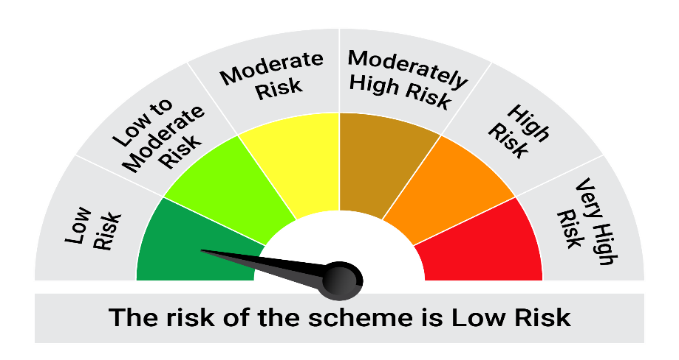
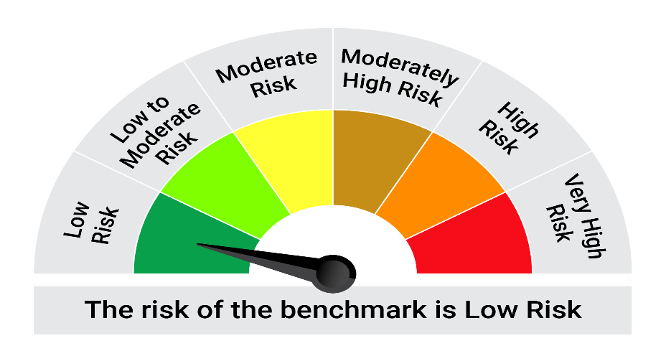
This product is suitable for investors who are seeking*:• Generation of reasonable returns over short to medium term • Investment predominantly in arbitrage opportunities in the cash and derivatives segments of the equity markets; and debt and money market instrument.

*Investors should consult their financial advisers if in doubt about whether the product is suitable for them.

Mutual fund investments are subject to market risks, read all scheme realted documents carefully. |  |  | Scheme Benchmark: Nifty 50 Arbitrage Index

Please note that the above risk-o-meter is as per the product labelling of the scheme available as on the date of this communication/ disclosure. as per SEBI circular dated May 19, 2023 on product labelling (as amended from time to time), risk-o-meters will be calculated on a monthly basis based on the risk values of the respective scheme's portfolio based on the methodology specified by SEBI in the above stated circular. The AMC shall disclose the risk-o-meters along with portfolio disclosure for all their schemes on their respective website and on AMFI website within 10 days from the close of each month. Any change in risk-o-meter shall be communicated by way of Notice cum Addendum and by way of an e-mail or SMS to unitholders of that particular Scheme.

Disclaimer


