HELABF
HSBC Mutual Fund
HSBC Arbitrage Fund
HSBC Arbitrage Fund(An open ended scheme investing in arbitrage opportunities.)
Portfolio Statement as of February 28, 2026

Name of the Instrument | ISIN | Rating/Industries | Quantity | Market Value (Rs in Lacs) | Percentage to Net Assets | Yield of the Instrument (%) | YTC @ |  | Maturity Date
 |  |  |  |  |  |  | CRISIL | ICRA
Equity & Equity Related Instruments
Equity Shares
Listed / Awaiting listing on Stock Exchanges
HDFC Bank Limited | INE040A01034 | Banks | 1,934,900.00 | 17,177.07 | 7.06%
ICICI Bank Limited | INE090A01021 | Banks | 982,100.00 | 13,542.18 | 5.57%
Eternal Limited | INE758T01015 | Retailing | 3,872,725.00 | 9,538.52 | 3.92%
Mahindra & Mahindra Limited | INE101A01026 | Automobiles | 245,000.00 | 8,323.63 | 3.42%
RBL Bank Limited | INE976G01028 | Banks | 2,600,325.00 | 8,314.54 | 3.42%
Reliance Industries Limited | INE002A01018 | Petroleum Products | 414,000.00 | 5,770.75 | 2.37%
Jio Financial Services Limited | INE758E01017 | Finance | 2,248,950.00 | 5,743.82 | 2.36%
Bandhan Bank Limited | INE545U01014 | Banks | 2,980,800.00 | 5,424.46 | 2.23%
NMDC Limited | INE584A01023 | Minerals & Mining | 6,426,000.00 | 5,252.61 | 2.16%
JSW Steel Limited | INE019A01038 | Ferrous Metals | 405,000.00 | 5,122.04 | 2.11%
Sammaan Capital Ltd. | INE148I01020 | Finance | 3,022,900.00 | 4,531.63 | 1.86%
Punjab National Bank | INE160A01022 | Banks | 3,344,000.00 | 4,328.47 | 1.78%
DLF Limited | INE271C01023 | Realty | 650,925.00 | 3,930.61 | 1.62%
Container Corporation of India Limited | INE111A01025 | Transport Services | 707,500.00 | 3,506.72 | 1.44%
ITC Limited | INE154A01025 | Diversified FMCG | 1,048,000.00 | 3,286.53 | 1.35%
Steel Authority of India Limited | INE114A01011 | Ferrous Metals | 1,903,500.00 | 3,154.29 | 1.30%
Crompton Greaves Consumer Electrical Ltd | INE299U01018 | Consumer Durables | 1,130,400.00 | 2,914.74 | 1.20%
Havells India Limited | INE176B01034 | Consumer Durables | 190,500.00 | 2,661.48 | 1.09%
Laurus Labs Limited | INE947Q01028 | Pharmaceuticals & Biotechnology | 232,050.00 | 2,496.39 | 1.03%
PNB Housing Finance Limited | INE572E01012 | Finance | 295,100.00 | 2,433.84 | 1.00%
Apollo Hospitals Enterprise Limited | INE437A01024 | Healthcare Services | 29,000.00 | 2,268.24 | 0.93%
Biocon Limited | INE376G01013 | Pharmaceuticals & Biotechnology | 535,000.00 | 2,085.43 | 0.86%
InterGlobe Aviation Limited | INE646L01027 | Transport Services | 37,050.00 | 1,788.48 | 0.74%
Yes Bank Ltd | INE528G01035 | Banks | 8,334,800.00 | 1,726.97 | 0.71%
Sun Pharmaceutical Industries Limited | INE044A01036 | Pharmaceuticals & Biotechnology | 92,400.00 | 1,604.99 | 0.66%
Bharat Heavy Electricals Limited | INE257A01026 | Electrical Equipment | 598,500.00 | 1,585.73 | 0.65%
Max Financial Services Limited | INE180A01020 | Insurance | 86,800.00 | 1,574.03 | 0.65%
The Tata Power Company Limited | INE245A01021 | Power | 398,750.00 | 1,505.48 | 0.62%
IDFC First Bank Limited | INE092T01019 | Banks | 1,919,925.00 | 1,410.76 | 0.58%
Tata Consultancy Services Limited | INE467B01029 | IT - Software | 51,450.00 | 1,356.94 | 0.56%
Tata Steel Limited | INE081A01020 | Ferrous Metals | 638,000.00 | 1,354.67 | 0.56%
Samvardhana Motherson International Ltd | INE775A01035 | Auto Components | 1,002,450.00 | 1,336.67 | 0.55%
GAIL (India) Limited | INE129A01019 | Gas | 787,500.00 | 1,335.05 | 0.55%
NBCC (India) Limited | INE095N01031 | Construction | 1,365,000.00 | 1,264.95 | 0.52%
Petronet LNG Limited | INE347G01014 | Gas | 387,600.00 | 1,253.50 | 0.52%
Power Finance Corporation Limited | INE134E01011 | Finance | 295,100.00 | 1,221.12 | 0.50%
Vodafone Idea Limited | INE669E01016 | Telecom - Services | 10,792,725.00 | 1,142.95 | 0.47%
Kotak Mahindra Bank Limited | INE237A01036 | Banks | 274,000.00 | 1,137.65 | 0.47%
TVS Motor Company Limited | INE494B01023 | Automobiles | 27,825.00 | 1,076.74 | 0.44%
Adani Port & Special Economic Zone Ltd | INE742F01042 | Transport Infrastructure | 70,775.00 | 1,076.49 | 0.44%
PB Fintech Limited | INE417T01026 | Financial Technology (Fintech) | 71,400.00 | 1,057.86 | 0.43%
Aurobindo Pharma Limited | INE406A01037 | Pharmaceuticals & Biotechnology | 83,050.00 | 1,013.54 | 0.42%
LIC Housing Finance Limited | INE115A01026 | Finance | 185,000.00 | 994.84 | 0.41%
Hero MotoCorp Limited | INE158A01026 | Automobiles | 17,250.00 | 984.98 | 0.40%
Glenmark Pharmaceuticals Limited | INE935A01035 | Pharmaceuticals & Biotechnology | 43,500.00 | 929.46 | 0.38%
Ambuja Cements Limited | INE079A01024 | Cement & Cement Products | 182,700.00 | 914.23 | 0.38%
HDFC Life Insurance Company Limited | INE795G01014 | Insurance | 124,300.00 | 889.12 | 0.37%
Trent Limited | INE849A01020 | Retailing | 22,300.00 | 869.59 | 0.36%
Inox Wind Limited | INE066P01011 | Electrical Equipment | 940,225.00 | 866.23 | 0.36%
Kaynes Technology India Private Ltd | INE918Z01012 | Industrial Manufacturing | 22,100.00 | 852.29 | 0.35%
Hindustan Aeronautics Limited | INE066F01020 | Aerospace & Defense | 20,250.00 | 792.42 | 0.33%
Hindustan Zinc Limited | INE267A01025 | Non - Ferrous Metals | 129,850.00 | 784.03 | 0.32%
Info Edge (India) Limited | INE663F01032 | Retailing | 75,375.00 | 776.06 | 0.32%
AU Small Finance Bank Limited | INE949L01017 | Banks | 80,000.00 | 766.68 | 0.32%
Bharti Airtel Limited | INE397D01024 | Telecom - Services | 40,375.00 | 758.77 | 0.31%
Asian Paints Limited | INE021A01026 | Consumer Durables | 28,750.00 | 683.16 | 0.28%
ICICI Prudential Life Insurance Company | INE726G01019 | Insurance | 98,050.00 | 641.74 | 0.26%
Exide Industries Limited | INE302A01020 | Auto Components | 185,400.00 | 619.79 | 0.25%
Marico Limited | INE196A01026 | Agricultural Food & other Products | 72,000.00 | 567.83 | 0.23%
SBI Life Insurance Company Limited | INE123W01016 | Insurance | 27,000.00 | 550.04 | 0.23%
Indian Energy Exchange Limited | INE022Q01020 | Capital Markets | 435,000.00 | 546.53 | 0.22%
Godrej Consumer Products Limited | INE102D01028 | Personal Products | 42,500.00 | 517.44 | 0.21%
Tata Motors Passenger Vehicles Limited | INE155A01022 | Automobiles | 133,600.00 | 511.22 | 0.21%
Prestige Estates Projects Limited | INE811K01011 | Realty | 31,050.00 | 432.53 | 0.18%
CG Power And Industrial Solutions Ltd | INE067A01029 | Electrical Equipment | 59,500.00 | 431.49 | 0.18%
Adani Energy Solutions Limited | INE931S01010 | Power | 42,525.00 | 430.16 | 0.18%
MphasiS Limited | INE356A01018 | IT - Software | 18,700.00 | 429.45 | 0.18%
FSN E-Commerce Ventures Limited | INE388Y01029 | Retailing | 159,375.00 | 423.11 | 0.17%
Suzlon Energy Limited | INE040H01021 | Electrical Equipment | 938,600.00 | 400.50 | 0.16%
APL Apollo Tubes Limited | INE702C01027 | Industrial Products | 17,850.00 | 398.88 | 0.16%
Cholamandalam Invest & Finance Co Ltd | INE121A01024 | Finance | 21,250.00 | 367.80 | 0.15%
Mazagon Dock Shipbuilders Limited | INE249Z01020 | Industrial Manufacturing | 15,000.00 | 333.74 | 0.14%
Hitachi Energy India Limited | INE07Y701011 | Electrical Equipment | 1,100.00 | 281.18 | 0.12%
Polycab India Limited | INE455K01017 | Industrial Products | 3,250.00 | 279.84 | 0.12%
UPL Limited | INE628A01036 | Fertilizers & Agrochemicals | 43,360.00 | 276.38 | 0.11%
Divi''s Laboratories Limited | INE361B01024 | Pharmaceuticals & Biotechnology | 4,300.00 | 275.57 | 0.11%
Bank of India | INE084A01016 | Banks | 156,000.00 | 274.64 | 0.11%
Adani Enterprises Limited | INE423A01024 | Metals & Minerals Trading | 12,360.00 | 267.20 | 0.11%
Grasim Industries Limited | INE047A01021 | Cement & Cement Products | 9,000.00 | 251.98 | 0.10%
HCL Technologies Limited | INE860A01027 | IT - Software | 16,800.00 | 233.37 | 0.10%
One 97 Communications Limited | INE982J01020 | Financial Technology (Fintech) | 21,025.00 | 230.92 | 0.09%
Dabur India Limited | INE016A01026 | Personal Products | 43,750.00 | 226.84 | 0.09%
National Aluminium Company Limited | INE139A01034 | Non - Ferrous Metals | 63,750.00 | 226.06 | 0.09%
Tata Consumer Products Limited | INE192A01025 | Agricultural Food & other Products | 18,700.00 | 213.37 | 0.09%
NHPC Limited | INE848E01016 | Power | 262,400.00 | 197.67 | 0.08%
Bajaj Finance Limited | INE296A01032 | Finance | 18,750.00 | 186.73 | 0.08%
Housing and Urban Development Corp. Ltd. | INE031A01017 | Finance | 97,125.00 | 181.38 | 0.07%
The Federal Bank Limited | INE171A01029 | Banks | 50,000.00 | 149.93 | 0.06%
Power Grid Corporation of India Limited | INE752E01010 | Power | 47,500.00 | 141.86 | 0.06%
Tech Mahindra Limited | INE669C01036 | IT - Software | 10,200.00 | 138.50 | 0.06%
Oil India Limited | INE274J01014 | Oil | 26,600.00 | 128.72 | 0.05%
The Phoenix Mills Limited | INE211B01039 | Realty | 7,700.00 | 127.71 | 0.05%
Max Healthcare Institute Limited | INE027H01010 | Healthcare Services | 11,025.00 | 120.39 | 0.05%
The Indian Hotels Company Limited | INE053A01029 | Leisure Services | 18,000.00 | 120.07 | 0.05%
Dalmia Bharat Limited | INE00R701025 | Cement & Cement Products | 5,850.00 | 116.59 | 0.05%
PG Electroplast Limited | INE457L01029 | Consumer Durables | 17,100.00 | 107.37 | 0.04%
Titan Company Limited | INE280A01028 | Consumer Durables | 2,450.00 | 106.02 | 0.04%
Godrej Properties Limited | INE484J01027 | Realty | 6,050.00 | 104.73 | 0.04%
Britannia Industries Limited | INE216A01030 | Food Products | 1,375.00 | 82.53 | 0.03%
Manappuram Finance Limited | INE522D01027 | Finance | 27,000.00 | 76.48 | 0.03%
Varun Beverages Limited | INE200M01039 | Beverages | 16,875.00 | 76.17 | 0.03%
KPIT Technologies Limited | INE04I401011 | IT - Software | 9,350.00 | 72.10 | 0.03%
Coforge Limited | INE591G01025 | IT - Software | 6,000.00 | 71.15 | 0.03%
Indus Towers Limited | INE121J01017 | Telecom - Services | 15,300.00 | 69.61 | 0.03%
KALYAN JEWELLERS INDIA LIMITED | INE303R01014 | Consumer Durables | 16,450.00 | 67.46 | 0.03%
Bharat Forge Limited | INE465A01025 | Auto Components | 3,500.00 | 66.89 | 0.03%
REC Limited | INE020B01018 | Finance | 18,200.00 | 63.66 | 0.03%
Syngene International Limited | INE398R01022 | Healthcare Services | 14,000.00 | 59.11 | 0.02%
Bank of Baroda | INE028A01039 | Banks | 17,550.00 | 56.50 | 0.02%
Nestle India Limited | INE239A01024 | Food Products | 4,000.00 | 51.67 | 0.02%
Dr. Reddy''s Laboratories Limited | INE089A01031 | Pharmaceuticals & Biotechnology | 3,750.00 | 48.24 | 0.02%
Muthoot Finance Limited | INE414G01012 | Finance | 1,100.00 | 36.89 | 0.02%
Zydus Lifesciences Limited | INE010B01027 | Pharmaceuticals & Biotechnology | 2,700.00 | 24.89 | 0.01%
360 ONE WAM LIMITED | INE466L01038 | Capital Markets | 2,000.00 | 22.07 | 0.01%
Hindustan Petroleum Corporation Limited | INE094A01015 | Petroleum Products | 4,050.00 | 17.77 | 0.01%
Larsen & Toubro Limited | INE018A01030 | Construction | 350.00 | 14.97 | 0.01%
Tata Technologies Limited | INE142M01025 | IT - Services | 1,600.00 | 9.37 | 0.00%
Union Bank of India | INE692A01016 | Banks | 4,425.00 | 8.95 | 0.00%
Axis Bank Limited | INE238A01034 | Banks | 625.00 | 8.65 | 0.00%
Maruti Suzuki India Limited | INE585B01010 | Automobiles | 50.00 | 7.43 | 0.00%
Total |  |  |  | 174,074.25 | 71.55%
Debt Instruments
Fixed rates bonds - Corporate
Listed / Awaiting listing on Stock Exchanges
Sundaram Finance Limited** | INE660A07RQ0 | CRISIL AAA | 2,500,000.00 | 2,576.41 | 1.06% | 7.38 |  |  | 26-Oct-26
Kotak Mahindra Prime Limited** | INE916DA7SL3 | CRISIL AAA | 2,500,000.00 | 2,569.98 | 1.06% | 7.42 |  |  | 9-Nov-26
Power Finance Corporation Limited** | INE134E08IO0 | CRISIL AAA | 2,500,000.00 | 2,529.61 | 1.04% | 7.04 |  |  | 5-Jan-27
Total |  |  |  | 7,676.00 | 3.16%
Money Market Instruments
Certificate of Deposit
Privately Placed/Unlisted
Union Bank of India^ | INE692A16KH8 | ICRA A1+ | 2,500,000.00 | 2,456.53 | 1.01% | 7.02 |  |  | 1-Jun-26
Axis Bank Limited^ | INE238AD6BD9 | CRISIL A1+ | 2,500,000.00 | 2,423.69 | 1.00% | 7.05 |  |  | 11-Aug-26
SIDBI** | INE556F16BQ4 | CARE A1+ | 2,500,000.00 | 2,384.38 | 0.98% | 7.08 |  |  | 6-Nov-26
Canara Bank^ | INE476A16F03 | CRISIL A1+ | 1,500,000.00 | 1,474.83 | 0.61% | 7 |  |  | 29-May-26
Total |  |  |  | 8,739.43 | 3.60%
Mutual Fund Units
Domestic Mutual Fund Units
HSBC Money Market Fund - Direct Growth | INF917K01FE6 | Internal - Mutual Fund Units | 130,920,844.19 | 37,788.08 | 15.53%
HSBC Ultra Short Duration Fund - Direct Growth | INF336L01OR1 | Internal - Mutual Fund Units | 609,421.88 | 8,708.66 | 3.58%
HSBC Liquid Fund - Direct Growth | INF336L01CC8 | Internal - Mutual Fund Units | 110,107.00 | 3,007.20 | 1.24%
Total |  |  |  | 49,503.94 | 20.35%
Treps |  |  |  | 1,477.88 | 0.61% | 4.94 |  |  | 2-Mar-26
Net Current Assets (including cash & bank balances) |  |  |  | 1,806.50 | 0.73% | 4.94
Total Net Assets as on 28-February-2026 |  |  |  | 243,278.00 | 100.00%
Market Value includes accrued interest
** Securities are classified as non-traded on the basis of Traded data as on FEB 27, 2026 provided by CRISIL and ICRA.
^ Securities are classified as traded on the basis of Traded data as on FEB 27, 2026 provided by CRISIL and ICRA.
Aggregate value of investments made by other schemes of HSBC Mutual Fund are amounting to Rs. 20810.57 Lakhs.

HSBC Arbitrage Fund |  | Scheme Riskometer |  | Scheme Benchmark Riskometer

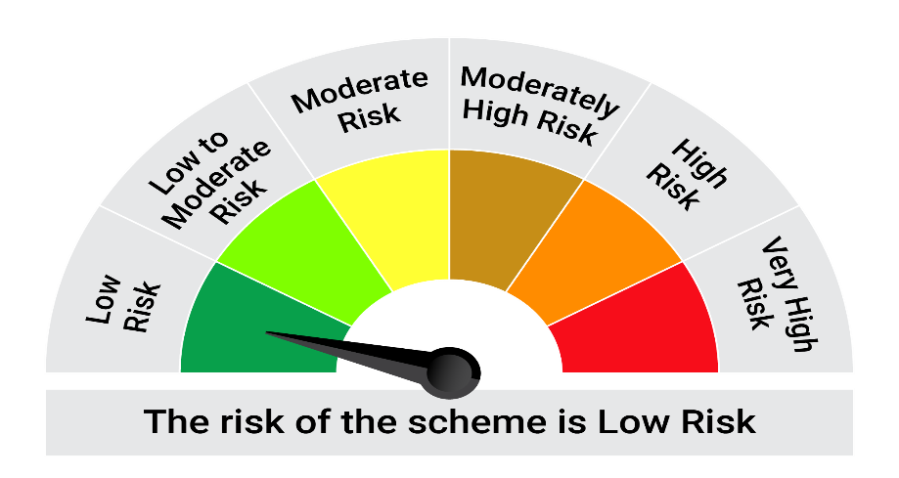
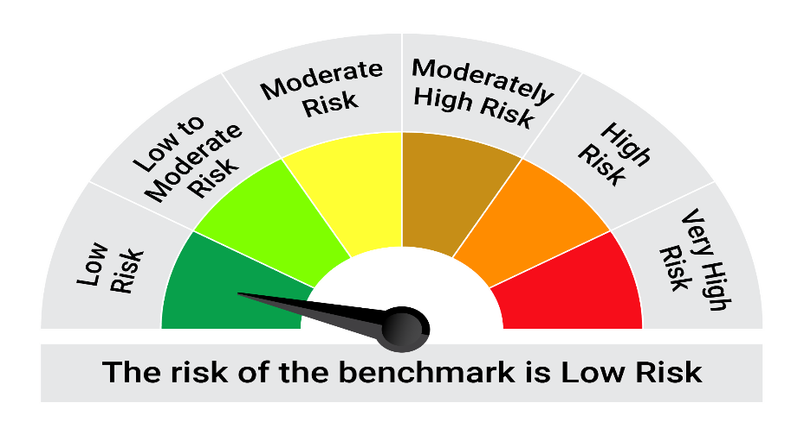
This product is suitable for investors who are seeking*:• Generation of reasonable returns over short to medium term • Investment predominantly in arbitrage opportunities in the cash and derivatives segments of the equity markets; and debt and money market instrument.

*Investors should consult their financial advisers if in doubt about whether the product is suitable for them.

Mutual fund investments are subject to market risks, read all scheme realted documents carefully. |  |  | Scheme Benchmark: Nifty 50 Arbitrage Index

Please note that the above risk-o-meter is as per the product labelling of the scheme available as on the date of this communication/ disclosure. as per SEBI circular dated May 19, 2023 on product labelling (as amended from time to time), risk-o-meters will be calculated on a monthly basis based on the risk values of the respective scheme's portfolio based on the methodology specified by SEBI in the above stated circular. The AMC shall disclose the risk-o-meters along with portfolio disclosure for all their schemes on their respective website and on AMFI website within 10 days from the close of each month. Any change in risk-o-meter shall be communicated by way of Notice cum Addendum and by way of an e-mail or SMS to unitholders of that particular Scheme.

Disclaimer


