HDLBPDF
HSBC Mutual Fund
HSBC Banking and PSU Debt Fund
(An open ended debt scheme primarily investing in debt instruments of banks, public sector undertakings, public financial institutions and municipal bonds. A relatively high interest rate risk and relatively low credit risk)
Portfolio Statement as of February 28, 2026

Name of the Instrument | ISIN | Rating/Industries | Quantity | Market Value (Rs in Lacs) | Percentage to Net Assets | Yield of the Instrument (%) | YTC @ |  | Maturity Date
 |  |  |  |  |  |  | CRISIL | ICRA
Debt Instruments
Fixed rates bonds - Corporate
Listed / Awaiting listing on Stock Exchanges
Indian Oil Corporation Limited** | INE242A08551 | CRISIL AAA | 15,000,000.00 | 15,893.73 | 3.59% | 6.88 |  |  | 16-Jul-29
EXIM Bank^ | INE514E08GE8 | CRISIL AAA | 15,000,000.00 | 15,242.94 | 3.44% | 6.92 |  |  | 27-Jul-28
Power Finance Corporation Limited** | INE134E08NL6 | CRISIL AAA | 13,000,000.00 | 13,118.58 | 2.96% | 7.05 |  |  | 15-Apr-28
Indian Railway Finance Corporation Ltd** | INE053F07BD9 | CRISIL AAA | 10,000,000.00 | 10,663.38 | 2.41% | 6.98 |  |  | 25-Mar-29
Housing and Urban Development Corp. Ltd.** | INE031A08988 | ICRA AAA | 10,000,000.00 | 10,379.44 | 2.34% | 6.99 |  |  | 6-Jun-28
Housing and Urban Development Corp. Ltd.** | INE031A08996 | ICRA AAA | 10,000,000.00 | 10,331.71 | 2.33% | 7 |  |  | 17-Jul-28
SIDBI** | INE556F08KU4 | CRISIL AAA | 10,000,000.00 | 10,275.66 | 2.32% | 7.11 |  |  | 12-Jun-28
Bajaj Finance Limited** | INE296A07TF2 | CRISIL AAA | 10,000,000.00 | 10,249.77 | 2.31% | 7.29 |  |  | 10-Dec-27
Bharti Telecom Limited** | INE403D08298 | CRISIL AAA | 10,000,000.00 | 10,004.14 | 2.26% | 7.6 |  |  | 1-Feb-29
SIDBI** | INE556F08KY6 | CRISIL AAA | 9,000,000.00 | 9,681.83 | 2.18% | 7.21 |  |  | 21-Mar-30
NABARD** | INE261F08EM1 | ICRA AAA | 8,000,000.00 | 8,634.64 | 1.95% | 7.05 |  |  | 24-Mar-28
National Housing Bank** | INE557F08GC8 | IND AAA | 8,500,000.00 | 8,572.56 | 1.93% | 7.25 |  |  | 4-Jul-31
EXIM Bank** | INE514E08GC2 | CRISIL AAA | 7,500,000.00 | 8,124.75 | 1.83% | 6.97 |  |  | 14-Mar-29
Power Finance Corporation Limited^ | INE134E08NP7 | CRISIL AAA | 7,500,000.00 | 8,095.74 | 1.83% | 7.08 |  |  | 15-Jul-28
Indian Railway Finance Corporation Ltd** | INE053F08353 | CRISIL AAA | 7,500,000.00 | 7,833.24 | 1.77% | 6.98 |  |  | 18-Apr-29
Indian Railway Finance Corporation Ltd** | INE053F07AZ4 | CRISIL AAA | 6,500,000.00 | 6,935.21 | 1.57% | 6.98 |  |  | 8-Jan-29
SIDBI** | INE556F08KR0 | CRISIL AAA | 6,000,000.00 | 6,270.79 | 1.42% | 7.15 |  |  | 5-Sep-29
Indian Railway Finance Corporation Ltd** | INE053F08320 | CRISIL AAA | 5,000,000.00 | 5,384.57 | 1.22% | 6.96 |  |  | 13-Oct-28
REC Limited** | INE020B08FD6 | ICRA AAA | 5,000,000.00 | 5,352.44 | 1.21% | 7.08 |  |  | 31-May-29
NABARD** | INE261F08EL3 | CRISIL AAA | 5,000,000.00 | 5,338.07 | 1.20% | 7.23 |  |  | 29-Apr-30
HDFC Bank Limited** | INE040A08393 | CRISIL AAA | 5,000,000.00 | 5,239.91 | 1.18% | 7.08 |  |  | 28-Dec-28
LIC Housing Finance Limited** | INE115A07QZ8 | CRISIL AAA | 5,000,000.00 | 5,179.44 | 1.17% | 7.14 |  |  | 22-Oct-27
SIDBI** | INE556F08KT6 | CRISIL AAA | 5,000,000.00 | 5,161.62 | 1.16% | 7.11 |  |  | 10-Apr-28
EXIM Bank** | INE514E08GB4 | CRISIL AAA | 5,000,000.00 | 5,069.79 | 1.14% | 6.91 |  |  | 12-Apr-28
Embassy Office Parks REIT** | INE041007175 | CRISIL AAA | 5,000,000.00 | 5,055.22 | 1.14% | 7.46 |  |  | 16-May-28
REC Limited** | INE020B08FR6 | CRISIL AAA | 5,000,000.00 | 5,046.21 | 1.14% | 6.95 |  |  | 29-Feb-28
National Housing Bank** | INE557F08GA2 | CRISIL AAA | 5,000,000.00 | 5,029.85 | 1.14% | 7.36 |  |  | 17-Nov-34
Bajaj Housing Finance Ltd** | INE377Y07557 | CRISIL AAA | 5,000,000.00 | 5,004.13 | 1.13% | 7.11 |  |  | 26-Feb-27
REC Limited** | INE020B08FW6 | ICRA AAA | 5,000,000.00 | 4,987.66 | 1.13% | 6.95 |  |  | 31-Jan-28
Indian Railway Finance Corporation Ltd** | INE053F07BU3 | CRISIL AAA | 3,000,000.00 | 3,244.14 | 0.73% | 6.96 |  |  | 13-Aug-29
Power Grid Corporation of India Limited** | INE752E08601 | CRISIL AAA | 3,000,000.00 | 3,130.06 | 0.71% | 6.92 |  |  | 25-Oct-29
NABARD^ | INE261F08BX4 | ICRA AAA | 3,000,000.00 | 3,051.04 | 0.69% | 7.23 |  |  | 31-Jan-30
Power Finance Corporation Limited** | INE134E08NO0 | CRISIL AAA | 2,500,000.00 | 2,706.84 | 0.61% | 7.18 |  |  | 15-Jan-30
Embassy Office Parks REIT** | INE041007167 | CRISIL AAA | 2,500,000.00 | 2,528.02 | 0.57% | 7.44 |  |  | 17-Mar-28
Power Finance Corporation Limited** | INE134E08KL2 | CRISIL AAA | 2,500,000.00 | 2,521.32 | 0.57% | 7.18 |  |  | 25-Feb-30
SIDBI** | INE556F08KL3 | CRISIL AAA | 2,000,000.00 | 2,074.76 | 0.47% | 7.12 |  |  | 24-Nov-28
Embassy Office Parks REIT** | INE041007183 | CRISIL AAA | 1,800,000.00 | 1,816.64 | 0.41% | 7.38 |  |  | 19-Mar-27
Power Grid Corporation of India Limited** | INE752E07LC0 | CRISIL AAA | 1,000,000.00 | 1,092.33 | 0.25% | 6.89 |  |  | 15-Jul-28
Kotak Mahindra Bank Limited** | INE237A08940 | CRISIL AAA | 500,000.00 | 539.03 | 0.12% | 7.18 |  |  | 28-Apr-26
Total |  |  |  | 254,861.20 | 57.53%
Securitised Debt
Listed / Awaiting listing on Stock Exchanges
Shivshakti Securitisation Trust** | INE2I7G15010 | CRISIL AAA(SO) | 8,500,000.00 | 8,617.58 | 1.94% | 7.42 |  |  | 28-Sep-29
Siddhivinayak Securitisation Trust** | INE2I7F15012 | CRISIL AAA(SO) | 4,000,000.00 | 4,055.53 | 0.92% | 7.58 |  |  | 28-Sep-30
Total |  |  |  | 12,673.11 | 2.86%
Government Securities
6.48% GOI 06Oct2035 | IN0020250091 | SOVEREIGN | 12,513,000.00 | 12,676.82 | 2.86% | 6.78 |  |  | 6-Oct-35
6.01% GOI 21Jul2030 | IN0020250067 | SOVEREIGN | 12,500,000.00 | 12,475.92 | 2.82% | 6.33 |  |  | 21-Jul-30
7.04% GOI - 03-Jun-2029 | IN0020240050 | SOVEREIGN | 9,500,000.00 | 9,957.49 | 2.25% | 6.06 |  |  | 3-Jun-29
7.26% GOI MAT 06-Feb-2033 | IN0020220151 | SOVEREIGN | 5,000,000.00 | 5,214.28 | 1.18% | 6.68 |  |  | 6-Feb-33
7.61% Gujarat SDL - 03-Aug-2032 | IN1520220071 | SOVEREIGN | 5,000,000.00 | 5,169.48 | 1.17% | 7.18 |  |  | 3-Aug-32
6.78% Maharashtra SDL - 25-May-2031 | IN2220210073 | SOVEREIGN | 5,000,000.00 | 5,061.54 | 1.14% | 7.03 |  |  | 25-May-31
7.07% Gujarat SDL - 15-Oct-2034 | IN1520250169 | SOVEREIGN | 5,000,000.00 | 5,041.71 | 1.14% | 7.5 |  |  | 15-Oct-34
7.67% Karnataka SDL - 16-Nov-2032 | IN1920220028 | SOVEREIGN | 2,500,000.00 | 2,636.05 | 0.59% | 7.18 |  |  | 16-Nov-32
7.50% Tamil Nadu SDL - 28-Jan-2036 | IN3120250664 | SOVEREIGN | 2,500,000.00 | 2,534.43 | 0.57% | 7.54 |  |  | 28-Jan-36
7.49% Karnataka SDL - 04-Feb-2035 | IN1920250165 | SOVEREIGN | 2,500,000.00 | 2,534.01 | 0.57% | 7.5 |  |  | 4-Feb-35
7.09% Karnataka SDL - 16-Oct-2035 | IN1920240075 | SOVEREIGN | 2,500,000.00 | 2,519.36 | 0.57% | 7.5 |  |  | 16-Oct-35
7.09% Gujarat SDL - 23-Feb-2032 | IN1520210205 | SOVEREIGN | 2,500,000.00 | 2,510.13 | 0.57% | 7.16 |  |  | 23-Feb-32
7.40% Gujarat SDL - 25-Feb-2036 | IN1520250318 | SOVEREIGN | 2,500,000.00 | 2,503.19 | 0.56% | 7.54 |  |  | 25-Feb-36
7.47% Gujarat SDL - 28-Jan-2036 | IN1520250268 | SOVEREIGN | 569,000.00 | 575.64 | 0.13% | 7.54 |  |  | 28-Jan-36
Total |  |  |  | 71,410.05 | 16.12%
Money Market Instruments
Certificate of Deposit
Privately Placed/Unlisted
Bank of Baroda** | INE028A16KW4 | CARE A1+ | 10,000,000.00 | 9,481.97 | 2.14% | 6.9 |  |  | 15-Dec-26
Punjab National Bank** | INE160A16UH5 | CRISIL A1+ | 10,000,000.00 | 9,390.24 | 2.12% | 6.87 |  |  | 9-Feb-27
ICICI Bank Limited** | INE090AD6287 | ICRA A1+ | 7,500,000.00 | 7,041.15 | 1.59% | 6.84 |  |  | 12-Feb-27
Canara Bank** | INE476A16H01 | CRISIL A1+ | 7,500,000.00 | 7,040.21 | 1.59% | 6.85 |  |  | 12-Feb-27
Union Bank of India^ | INE692A16KT3 | ICRA A1+ | 5,000,000.00 | 4,904.99 | 1.11% | 7 |  |  | 10-Jun-26
HDFC Bank Limited** | INE040A16HB9 | CARE A1+ | 5,000,000.00 | 4,891.35 | 1.10% | 7.05 |  |  | 24-Jun-26
Axis Bank Limited** | INE238AD6BP3 | CRISIL A1+ | 5,000,000.00 | 4,752.31 | 1.07% | 7.02 |  |  | 27-Nov-26
Kotak Mahindra Bank Limited** | INE237AD6117 | CRISIL A1+ | 5,000,000.00 | 4,720.68 | 1.07% | 6.9 |  |  | 8-Jan-27
Axis Bank Limited** | INE238AD6BW9 | CRISIL A1+ | 5,000,000.00 | 4,712.93 | 1.06% | 6.97 |  |  | 14-Jan-27
Union Bank of India** | INE692A16KU1 | IND A1+ | 5,000,000.00 | 4,708.38 | 1.06% | 6.98 |  |  | 19-Jan-27
Punjab National Bank** | INE160A16UC6 | CRISIL A1+ | 5,000,000.00 | 4,703.69 | 1.06% | 6.9 |  |  | 28-Jan-27
NABARD^ | INE261F16AH2 | CRISIL A1+ | 5,000,000.00 | 4,700.66 | 1.06% | 6.98 |  |  | 28-Jan-27
Canara Bank** | INE476A16H35 | CRISIL A1+ | 5,000,000.00 | 4,679.46 | 1.06% | 6.85 |  |  | 2-Mar-27
SIDBI** | INE556F16BH3 | CRISIL A1+ | 2,500,000.00 | 2,468.14 | 0.56% | 7.25 |  |  | 5-May-26
Axis Bank Limited^ | INE238AD6BD9 | CRISIL A1+ | 1,000,000.00 | 969.48 | 0.22% | 7.05 |  |  | 11-Aug-26
Total |  |  |  | 79,165.64 | 17.87%
Commercial Papers
Listed / Awaiting listing on Stock Exchanges
EXIM Bank** | INE514E16CP6 | CRISIL A1+ | 10,000,000.00 | 9,358.70 | 2.11% | 6.85 |  |  | 1-Mar-27
Total |  |  |  | 9,358.70 | 2.11%
Interest Rate Swaps
PAY_6.07% &REC_OIS_09/02/31 |  |  |  | -16.17 | 0.00% | 6.09 |  |  | 9-Feb-31
PAY_6.09% &REC_OIS_13/02/31 |  |  |  | -19.81 | 0.00% | 6.1 |  |  | 13-Feb-31
Total |  |  |  | -35.98 | 0.00%
Alternative Investment Funds(AIF)
Corp Debt Mkt Devlop Fund (SBI AIF Fund) | INF0RQ622028 | AIF | 11,695.55 | 1,364.36 | 0.31% | 5.45
Total |  |  |  | 1,364.36 | 0.31%
Treps |  |  |  | 21,852.00 | 4.93% | 4.94 |  |  | 2-Mar-26
Net Current Assets (including cash & bank balances) |  |  |  | -7,537.49 | -1.73% | 4.94
Total Net Assets as on 28-February-2026 |  |  |  | 443,111.59 | 100.00%
Market Value includes accrued interest
** Securities are classified as non-traded on the basis of Traded data as on FEB 27, 2026 provided by CRISIL and ICRA.
^ Securities are classified as traded on the basis of Traded data as on FEB 27, 2026 provided by CRISIL and ICRA.
Aggregate value of investments made by other schemes of HSBC Mutual Fund are amounting to Rs. 7256.75 Lakhs.
This scheme has exposure to floating rate instruments and / or interest rate derivatives. The duration of these instruments is linked to the interest rate reset period. The interest rate risk in a floating rate instrument or in a fixed rate instrument hedged with derivatives is likely to be lesser than that in an equivalent maturity fixed rate instrument. Under some market circumstances the volatility may be of an order greater than what may ordinarily be expected considering only its duration. Hence investors are recommended to consider the unadjusted portfolio maturity of the scheme as well and exercise adequate due diligence when deciding to make their investments.

Annualised Portfolio YTM ! | 6.96%
Macaulay Duration | 29.82
! in case of semi annual YTM, it will be annualised

HSBC Banking and PSU Debt Fund |  | Scheme Riskometer |  | Scheme Benchmark Riskometer

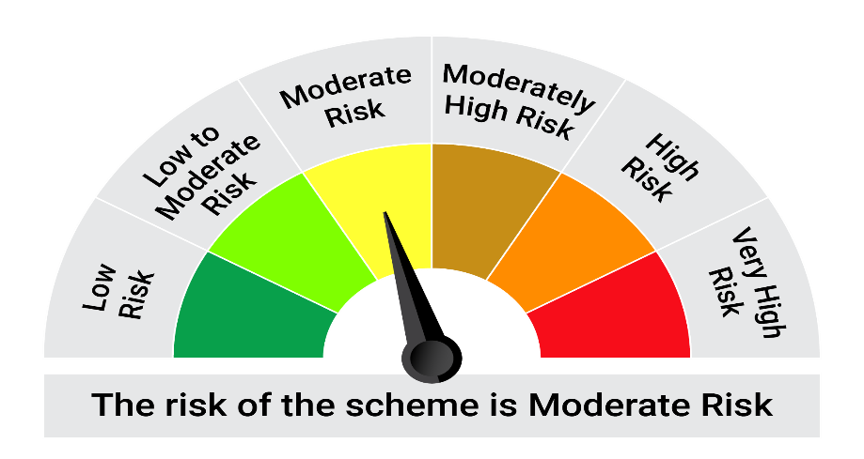
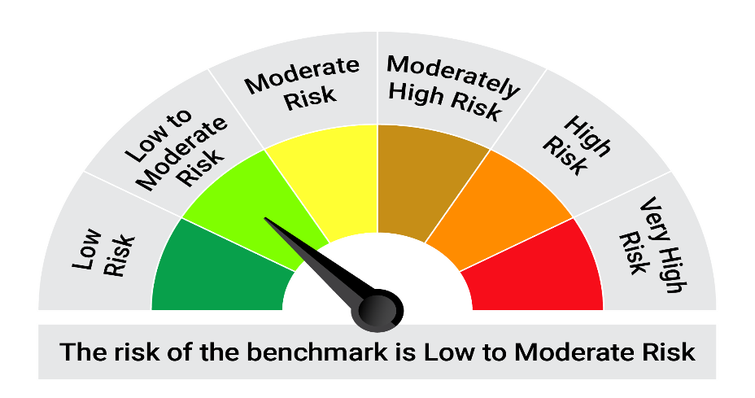
This product is suitable for investors who are seeking*: • Generation of reasonable returns and liquidity over short term. • Investment predominantly in securities issued by Banks, Public Sector Undertakings and Public Financial Institutions and municipal corporations in India.

*Investors should consult their financial advisers if in doubt about whether the product is suitable for them.

Mutual fund investments are subject to market risks, read all scheme realted documents carefully. |  |  | Scheme Benchmark: Nifty Banking and PSU Debt Index A-II

Please note that the above risk-o-meter is as per the product labelling of the scheme available as on the date of this communication/ disclosure. as per SEBI circular dated May 19, 2023 on product labelling (as amended from time to time), risk-o-meters will be calculated on a monthly basis based on the risk values of the respective scheme's portfolio based on the methodology specified by SEBI in the above stated circular. The AMC shall disclose the risk-o-meters along with portfolio disclosure for all their schemes on their respective website and on AMFI website within 10 days from the close of each month. Any change in risk-o-meter shall be communicated by way of Notice cum Addendum and by way of an e-mail or SMS to unitholders of that particular Scheme.

Disclaimer


