HDSTIF
HSBC Mutual Fund
HSBC Short Duration Fund
(An open-ended short term debt scheme investing in instruments such that the Macaulay duration of the portfolio is between 1 year to 3 years. A moderate interest rate risk and moderate credit risk.)
Portfolio Statement as of February 28, 2026

Name of the Instrument | ISIN | Rating/Industries | Quantity | Market Value (Rs in Lacs) | Percentage to Net Assets | Yield of the Instrument (%) | YTC @ |  | Maturity Date
 |  |  |  |  |  |  | CRISIL | ICRA
Debt Instruments
Fixed rates bonds - Corporate
Listed / Awaiting listing on Stock Exchanges
Sundaram Finance Limited** | INE660A07RW8 | CRISIL AAA | 13,000,000.00 | 13,822.22 | 3.21% | 7.28 |  |  | 23-Apr-27
NABARD** | INE261F08EI9 | CRISIL AAA | 12,000,000.00 | 12,488.54 | 2.90% | 7.06 |  |  | 30-Sep-27
SIDBI** | INE556F08KL3 | CRISIL AAA | 10,000,000.00 | 10,373.81 | 2.41% | 7.12 |  |  | 24-Nov-28
Embassy Office Parks REIT** | INE041007175 | CRISIL AAA | 10,000,000.00 | 10,110.43 | 2.35% | 7.46 |  |  | 16-May-28
Power Finance Corporation Limited** | INE134E08NL6 | CRISIL AAA | 10,000,000.00 | 10,091.22 | 2.34% | 7.05 |  |  | 15-Apr-28
SIDBI** | INE556F08KU4 | CRISIL AAA | 8,500,000.00 | 8,734.31 | 2.03% | 7.11 |  |  | 12-Jun-28
Hindustan Zinc Limited** | INE267A08046 | CRISIL AAA | 7,500,000.00 | 8,067.14 | 1.87% | 7.62 |  |  | 20-Mar-28
Bajaj Finance Limited** | INE296A07SX7 | CRISIL AAA | 7,500,000.00 | 8,057.08 | 1.87% | 7.29 |  |  | 10-May-27
NTPC Limited** | INE733E07KJ7 | CRISIL AAA | 7,500,000.00 | 7,828.61 | 1.82% | 6.96 |  |  | 15-Jan-29
EXIM Bank^ | INE514E08GE8 | CRISIL AAA | 7,500,000.00 | 7,621.47 | 1.77% | 6.92 |  |  | 27-Jul-28
Mindspace Business Parks REIT** | INE0CCU07165 | CRISIL AAA | 6,000,000.00 | 6,064.51 | 1.41% | 7.24 |  |  | 14-Sep-27
Bharti Telecom Limited** | INE403D08280 | CRISIL AAA | 5,300,000.00 | 5,373.42 | 1.25% | 7.5 |  |  | 15-Dec-28
Indian Railway Finance Corporation Ltd** | INE053F07AC3 | CARE AAA | 5,000,000.00 | 5,347.83 | 1.24% | 6.96 |  |  | 27-Aug-27
Reliance Industries Limited** | INE002A08690 | CRISIL AAA | 5,000,000.00 | 5,313.77 | 1.23% | 6.9 |  |  | 11-Dec-28
Indian Oil Corporation Limited** | INE242A08551 | CRISIL AAA | 5,000,000.00 | 5,297.91 | 1.23% | 6.88 |  |  | 16-Jul-29
REC Limited** | INE020B08EK4 | CRISIL AAA | 5,000,000.00 | 5,296.07 | 1.23% | 6.98 |  |  | 30-Jun-28
Kotak Mahindra Prime Limited** | INE916DA7ST6 | CRISIL AAA | 5,000,000.00 | 5,270.93 | 1.22% | 7.28 |  |  | 18-Aug-27
Bajaj Housing Finance Ltd** | INE377Y07565 | CRISIL AAA | 5,000,000.00 | 5,246.59 | 1.22% | 7.22 |  |  | 26-May-28
REC Limited** | INE020B08FF1 | ICRA AAA | 5,000,000.00 | 5,226.02 | 1.21% | 6.97 |  |  | 31-Aug-27
Power Grid Corporation of India Limited** | INE752E07OG5 | CRISIL AAA | 5,000,000.00 | 5,223.21 | 1.21% | 6.82 |  |  | 9-Aug-27
Indian Railway Finance Corporation Ltd** | INE053F08353 | CRISIL AAA | 5,000,000.00 | 5,222.16 | 1.21% | 6.98 |  |  | 18-Apr-29
EXIM Bank** | INE514E08GB4 | CRISIL AAA | 5,000,000.00 | 5,069.79 | 1.18% | 6.91 |  |  | 12-Apr-28
Bharti Telecom Limited** | INE403D08298 | CRISIL AAA | 5,000,000.00 | 5,002.07 | 1.16% | 7.6 |  |  | 1-Feb-29
REC Limited** | INE020B08FR6 | CRISIL AAA | 4,500,000.00 | 4,541.59 | 1.05% | 6.95 |  |  | 29-Feb-28
Reliance Industries Limited** | INE002A08542 | CRISIL AAA | 3,500,000.00 | 3,764.94 | 0.87% | 6.9 |  |  | 9-Nov-28
National Housing Bank** | INE557F08FY4 | CRISIL AAA | 3,500,000.00 | 3,727.70 | 0.87% | 6.95 |  |  | 14-Jul-27
NABARD^ | INE261F08BX4 | ICRA AAA | 3,000,000.00 | 3,051.04 | 0.71% | 7.23 |  |  | 31-Jan-30
EXIM Bank** | INE514E08GC2 | CRISIL AAA | 2,500,000.00 | 2,708.25 | 0.63% | 6.97 |  |  | 14-Mar-29
Power Finance Corporation Limited** | INE134E08NO0 | CRISIL AAA | 2,500,000.00 | 2,706.84 | 0.63% | 7.18 |  |  | 15-Jan-30
SIDBI** | INE556F08KP4 | CRISIL AAA | 2,500,000.00 | 2,700.63 | 0.63% | 7.05 |  |  | 10-Aug-27
Power Finance Corporation Limited^ | INE134E08NP7 | CRISIL AAA | 2,500,000.00 | 2,698.58 | 0.63% | 7.08 |  |  | 15-Jul-28
NABARD** | INE261F08EL3 | CRISIL AAA | 2,500,000.00 | 2,669.03 | 0.62% | 7.23 |  |  | 29-Apr-30
REC Limited^ | INE020B08FL9 | CRISIL AAA | 2,500,000.00 | 2,668.69 | 0.62% | 7.16 |  |  | 30-Apr-30
EXIM Bank** | INE514E08GF5 | CRISIL AAA | 2,500,000.00 | 2,666.67 | 0.62% | 7.11 |  |  | 27-Jun-30
Indian Railway Finance Corporation Ltd** | INE053F07BE7 | CRISIL AAA | 2,500,000.00 | 2,660.93 | 0.62% | 6.98 |  |  | 29-Mar-29
Bajaj Finance Limited** | INE296A07TD7 | CRISIL AAA | 2,500,000.00 | 2,658.21 | 0.62% | 7.38 |  |  | 31-Jul-29
Jamnagar Utilities & Power Pvt Ltd** | INE936D07182 | CRISIL AAA | 2,500,000.00 | 2,646.95 | 0.61% | 7.18 |  |  | 10-Aug-28
NTPC Limited** | INE733E07KL3 | CRISIL AAA | 2,500,000.00 | 2,640.13 | 0.61% | 6.94 |  |  | 17-Jul-29
Kotak Mahindra Prime Limited** | INE916DA7RP6 | CRISIL AAA | 2,500,000.00 | 2,634.74 | 0.61% | 7.28 |  |  | 19-Jul-27
Jio Credit Limited** | INE282H07018 | CRISIL AAA | 2,500,000.00 | 2,633.28 | 0.61% | 7.4 |  |  | 15-Mar-28
Bharti Telecom Limited** | INE403D08231 | CRISIL AAA | 2,500,000.00 | 2,611.34 | 0.61% | 7.49 |  |  | 5-Nov-27
Indian Oil Corporation Limited** | INE242A08437 | CRISIL AAA | 2,500,000.00 | 2,606.43 | 0.60% | 6.88 |  |  | 22-Oct-29
Bajaj Finance Limited** | INE296A07TF2 | CRISIL AAA | 2,500,000.00 | 2,562.44 | 0.59% | 7.29 |  |  | 10-Dec-27
Bharti Telecom Limited** | INE403D08272 | CRISIL AAA | 2,500,000.00 | 2,562.06 | 0.59% | 7.5 |  |  | 15-Oct-27
Bharti Telecom Limited** | INE403D08306 | CRISIL AAA | 2,500,000.00 | 2,536.24 | 0.59% | 7.49 |  |  | 1-Dec-27
Embassy Office Parks REIT** | INE041007167 | CRISIL AAA | 2,500,000.00 | 2,528.02 | 0.59% | 7.44 |  |  | 17-Mar-28
NABARD** | INE261F08EK5 | CRISIL AAA | 2,500,000.00 | 2,519.97 | 0.58% | 7.05 |  |  | 24-Feb-28
Power Finance Corporation Limited** | INE134E08NZ6 | CRISIL AAA | 2,500,000.00 | 2,504.22 | 0.58% | 7.26 |  |  | 17-Feb-31
NABARD** | INE261F08EQ2 | ICRA AAA | 2,500,000.00 | 2,503.47 | 0.58% | 7.09 |  |  | 19-Jan-29
REC Limited** | INE020B08FW6 | ICRA AAA | 2,500,000.00 | 2,493.83 | 0.58% | 6.95 |  |  | 31-Jan-28
Embassy Office Parks REIT** | INE041007142 | CRISIL AAA | 1,500,000.00 | 1,535.83 | 0.36% | 7.42 |  |  | 27-Sep-27
Embassy Office Parks REIT** | INE041007183 | CRISIL AAA | 1,500,000.00 | 1,513.86 | 0.35% | 7.38 |  |  | 19-Mar-27
LIC Housing Finance Limited** | INE115A07QZ8 | CRISIL AAA | 1,000,000.00 | 1,035.89 | 0.24% | 7.14 |  |  | 22-Oct-27
Total |  |  |  | 245,440.91 | 56.97%
Securitised Debt
Listed / Awaiting listing on Stock Exchanges
Shivshakti Securitisation Trust** | INE2I7G15010 | CRISIL AAA(SO) | 10,500,000.00 | 10,645.24 | 2.47% | 7.42 |  |  | 28-Sep-29
Radhakrishna Securitisation Trust** | INE2I7H15018 | CRISIL AAA(SO) | 4,500,000.00 | 4,544.13 | 1.05% | 7.4 |  |  | 28-Sep-28
India Universal Trust AL2** | INE1CBK15029 | IND AAA(SO) | 4,800,000.00 | 3,388.37 | 0.79% | 7.88 |  |  | 21-Oct-27
Siddhivinayak Securitisation Trust** | INE2I7F15012 | CRISIL AAA(SO) | 2,500,000.00 | 2,534.71 | 0.59% | 7.58 |  |  | 28-Sep-30
India Universal Trust AL1** | INE16J715027 | IND AAA(SO) | 3,000,000.00 | 2,396.25 | 0.56% | 7.78 |  |  | 20-May-27
India Universal Trust AL1** | INE16J715019 | IND AAA(SO) | 5,800,000.00 | 884.26 | 0.21% | 7.98 |  |  | 20-Jul-26
Total |  |  |  | 24,392.96 | 5.67%
Government Securities
7.02% GOI 18-Jun-2031 | IN0020240076 | SOVEREIGN | 11,500,000.00 | 11,990.12 | 2.78% | 6.48 |  |  | 18-Jun-31
6.48% GOI 06Oct2035 | IN0020250091 | SOVEREIGN | 8,363,200.00 | 8,472.84 | 1.97% | 6.78 |  |  | 6-Oct-35
6.01% GOI 21Jul2030 | IN0020250067 | SOVEREIGN | 8,000,000.00 | 7,984.59 | 1.85% | 6.33 |  |  | 21-Jul-30
6.54% GOI 17Jan2032 | IN0020210244 | SOVEREIGN | 6,500,000.00 | 6,580.52 | 1.53% | 6.55 |  |  | 17-Jan-32
GOI Floating Rate FRB 22-Sep-2033 | IN0020200120 | SOVEREIGN | 5,000,000.00 | 5,336.77 | 1.24% | 6.13 |  |  | 22-Sep-33
7.04% GOI - 03-Jun-2029 | IN0020240050 | SOVEREIGN | 5,000,000.00 | 5,240.78 | 1.22% | 6.06 |  |  | 3-Jun-29
7.26% GOI MAT 22-Aug-2032 | IN0020220060 | SOVEREIGN | 5,000,000.00 | 5,197.81 | 1.21% | 6.64 |  |  | 22-Aug-32
7.64% Tamil Nadu SDL - 03-Aug-2032 | IN3120220105 | SOVEREIGN | 5,000,000.00 | 5,177.24 | 1.20% | 7.18 |  |  | 3-Aug-32
6.78% Maharashtra SDL - 25-May-2031 | IN2220210073 | SOVEREIGN | 5,000,000.00 | 5,061.54 | 1.17% | 7.03 |  |  | 25-May-31
6.80% Maharashtra SGS - 16-Jun-2031 | IN2220210115 | SOVEREIGN | 4,000,000.00 | 4,036.88 | 0.94% | 7.03 |  |  | 16-Jun-31
7.26% GOI MAT 06-Feb-2033 | IN0020220151 | SOVEREIGN | 3,000,000.00 | 3,128.57 | 0.73% | 6.68 |  |  | 6-Feb-33
7.67% Karnataka SDL - 16-Nov-2032 | IN1920220028 | SOVEREIGN | 2,500,000.00 | 2,636.05 | 0.61% | 7.18 |  |  | 16-Nov-32
7.61% Gujarat SDL - 03-Aug-2032 | IN1520220071 | SOVEREIGN | 2,500,000.00 | 2,584.74 | 0.60% | 7.18 |  |  | 3-Aug-32
7.61% Tamil Nadu SDL - 28-Aug-2032 | IN3120220147 | SOVEREIGN | 2,500,000.00 | 2,572.35 | 0.60% | 7.18 |  |  | 30-Aug-32
7.50% Tamil Nadu SDL - 28-Jan-2036 | IN3120250664 | SOVEREIGN | 2,500,000.00 | 2,534.43 | 0.59% | 7.54 |  |  | 28-Jan-36
7.49% Karnataka SDL - 04-Feb-2035 | IN1920250165 | SOVEREIGN | 2,500,000.00 | 2,534.01 | 0.59% | 7.5 |  |  | 4-Feb-35
7.09% Gujarat SDL - 23-Feb-2032 | IN1520210205 | SOVEREIGN | 2,500,000.00 | 2,510.13 | 0.58% | 7.16 |  |  | 23-Feb-32
7.40% Gujarat SDL - 25-Feb-2036 | IN1520250318 | SOVEREIGN | 2,500,000.00 | 2,503.19 | 0.58% | 7.54 |  |  | 25-Feb-36
7.47% Gujarat SDL - 28-Jan-2036 | IN1520250268 | SOVEREIGN | 569,000.00 | 575.64 | 0.13% | 7.54 |  |  | 28-Jan-36
Total |  |  |  | 86,658.20 | 20.12%
Money Market Instruments
Certificate of Deposit
Privately Placed/Unlisted
ICICI Bank Limited** | INE090AD6287 | ICRA A1+ | 7,500,000.00 | 7,041.15 | 1.63% | 6.84 |  |  | 12-Feb-27
SIDBI** | INE556F16BS0 | CARE A1+ | 5,000,000.00 | 4,746.23 | 1.10% | 7.02 |  |  | 4-Dec-26
Canara Bank** | INE476A16F94 | CRISIL A1+ | 5,000,000.00 | 4,721.10 | 1.10% | 6.89 |  |  | 8-Jan-27
Kotak Mahindra Bank Limited** | INE237AD6117 | CRISIL A1+ | 5,000,000.00 | 4,720.68 | 1.10% | 6.9 |  |  | 8-Jan-27
Axis Bank Limited** | INE238AD6BW9 | CRISIL A1+ | 5,000,000.00 | 4,712.93 | 1.09% | 6.97 |  |  | 14-Jan-27
SIDBI** | INE556F16BV4 | CARE A1+ | 5,000,000.00 | 4,710.97 | 1.09% | 7.02 |  |  | 14-Jan-27
HDFC Bank Limited** | INE040A16IK8 | CARE A1+ | 5,000,000.00 | 4,707.52 | 1.09% | 6.94 |  |  | 22-Jan-27
NABARD** | INE261F16AF6 | CRISIL A1+ | 5,000,000.00 | 4,703.42 | 1.09% | 7.04 |  |  | 22-Jan-27
HDFC Bank Limited** | INE040A16IM4 | CARE A1+ | 5,000,000.00 | 4,697.41 | 1.09% | 6.9 |  |  | 5-Feb-27
Canara Bank** | INE476A16H35 | CRISIL A1+ | 5,000,000.00 | 4,679.46 | 1.09% | 6.85 |  |  | 2-Mar-27
SIDBI** | INE556F16CC2 | CRISIL A1+ | 5,000,000.00 | 4,674.55 | 1.08% | 7.02 |  |  | 26-Feb-27
Total |  |  |  | 54,115.42 | 12.55%
Commercial Papers
Listed / Awaiting listing on Stock Exchanges
EXIM Bank** | INE514E16CP6 | CRISIL A1+ | 5,000,000.00 | 4,679.35 | 1.09% | 6.85 |  |  | 1-Mar-27
Total |  |  |  | 4,679.35 | 1.09%
Interest Rate Swaps
PAY_6.01% &REC_OIS_24/12/30 |  |  |  | -9.27 | 0.00% | 6.08 |  |  | 24-Dec-30
PAY_6.07% &REC_OIS_09/02/31 |  |  |  | -16.17 | 0.00% | 6.09 |  |  | 9-Feb-31
PAY_6.09% &REC_OIS_13/02/31 |  |  |  | -19.81 | 0.00% | 6.1 |  |  | 13-Feb-31
PAY_5.5675% &REC_OIS_20/12/27 |  |  |  | -3.59 | -0.01% | 5.64 |  |  | 20-Dec-27
Total |  |  |  | -48.84 | -0.01%
Alternative Investment Funds(AIF)
Corp Debt Mkt Devlop Fund (SBI AIF Fund) | INF0RQ622028 | AIF | 11,154.18 | 1,301.21 | 0.30% | 5.45
Total |  |  |  | 1,301.21 | 0.30%
Treps |  |  |  | 22,222.19 | 5.16% | 4.94 |  |  | 2-Mar-26
Net Current Assets (including cash & bank balances) |  |  |  | -7,936.47 | -1.85% | 4.94
Total Net Assets as on 28-February-2026 |  |  |  | 430,824.93 | 100.00%
Market Value includes accrued interest
** Securities are classified as non-traded on the basis of Traded data as on FEB 27, 2026 provided by CRISIL and ICRA.
^ Securities are classified as traded on the basis of Traded data as on FEB 27, 2026 provided by CRISIL and ICRA.
Aggregate value of investments made by other schemes of HSBC Mutual Fund are amounting to Rs. 10277.16 Lakhs.
This scheme has exposure to floating rate instruments and / or interest rate derivatives. The duration of these instruments is linked to the interest rate reset period. The interest rate risk in a floating rate instrument or in a fixed rate instrument hedged with derivatives is likely to be lesser than that in an equivalent maturity fixed rate instrument. Under some market circumstances the volatility may be of an order greater than what may ordinarily be expected considering only its duration. Hence investors are recommended to consider the unadjusted portfolio maturity of the scheme as well and exercise adequate due diligence when deciding to make their investments.

Annualised Portfolio YTM ! | 6.99%
Macaulay Duration | 26.53
! in case of semi annual YTM, it will be annualised

HSBC Short Duration Fund |  | Scheme Riskometer |  | Scheme Benchmark Riskometer

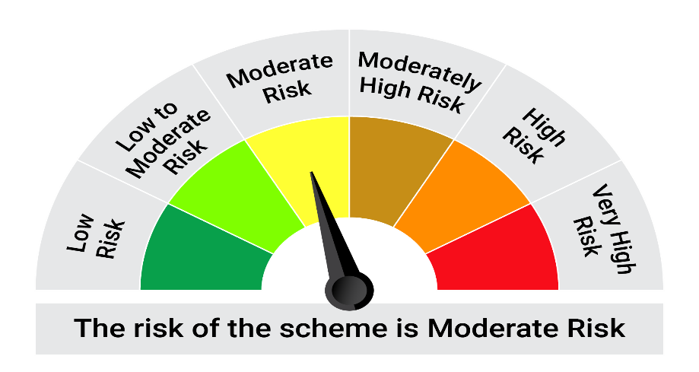
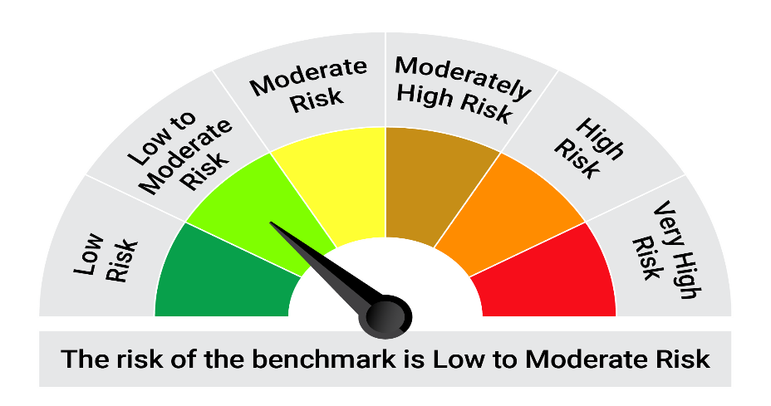
This product is suitable for investors who are seeking*: • Generation of regular returns over short term • Investment in fixed income securities of shorter-term maturity

*Investors should consult their financial advisers if in doubt about whether the product is suitable for them.

Mutual fund investments are subject to market risks, read all scheme realted documents carefully. |  |  | Scheme Benchmark: NIFTY Short Duration Debt Index A-II

Please note that the above risk-o-meter is as per the product labelling of the scheme available as on the date of this communication/ disclosure. as per SEBI circular dated May 19, 2023 on product labelling (as amended from time to time), risk-o-meters will be calculated on a monthly basis based on the risk values of the respective scheme's portfolio based on the methodology specified by SEBI in the above stated circular. The AMC shall disclose the risk-o-meters along with portfolio disclosure for all their schemes on their respective website and on AMFI website within 10 days from the close of each month. Any change in risk-o-meter shall be communicated by way of Notice cum Addendum and by way of an e-mail or SMS to unitholders of that particular Scheme.

Disclaimer


