HDCGIF2
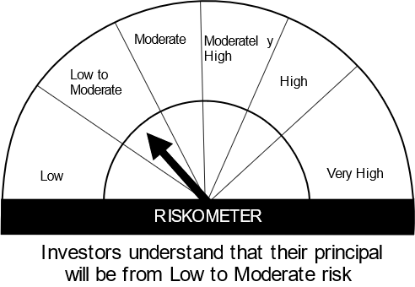

HSBC Mutual Fund
HSBC CRISIL IBX Gilt June 2027 IndexFund
(An open-ended Target Maturity Index Fund tracking CRISIL-IBX Gilt Index - June 2027. Relatively high interest rate risk and relatively low credit risk.)
Portfolio Statement as of April 30, 2024

Name of the Instrument | ISIN | Rating/Industries | Quantity | Market Value (Rs in Lacs) | Percentage to Net Assets | Yield of the Instrument (%) | YTC @ |  | Maturity Date
 |  |  |  |  |  |  | CRISIL | ICRA
Debt Instruments
Government Securities
7.38% GOI 20JUN2027 | IN0020220037 | SOVEREIGN | 17,300,000.00 | 17,853.72 | 78.74% | 7.19 |  |  | 20-Jun-27
GOI 08.24% 15FEB27 | IN0020060078 | SOVEREIGN | 2,500,000.00 | 2,607.05 | 11.50% | 7.21 |  |  | 15-Feb-27
GOI 06.79% 15MAY2027 | IN0020170026 | SOVEREIGN | 2,000,000.00 | 2,040.40 | 9.00% | 7.20 |  |  | 15-May-27
Total |  |  |  | 22,501.17 | 99.24%
Treps |  |  |  | 183.34 | 0.81% | 6.63 |  |  | 2-May-24
Net Current Assets (including cash & bank balances) |  |  |  | -8.90 | -0.05% | 6.63
Total Net Assets as on 30-APRIL-2024 |  |  |  | 22,675.61 | 100.00%
Market Value includes accrued interest
** Securities are classified as non-traded on the basis of Traded data as on APR 30, 2024 provided by CRISIL and ICRA.
^ Securities are classified as traded on the basis of Traded data as on APR 30, 2024 provided by CRISIL and ICRA.

Annualised Portfolio YTM ! | 7.32%
Macaulay Duration | 32.74
! in case of semi annual YTM, it will be annualised

Disclaimer


