HOMSCS


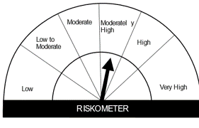
HSBC Mutual Fund
HSBC Managed Solution India-Conservative
HSBC Managed Solution India-Conservative (An open ended Fund of Funds Scheme investing in a basket of equity, debt, Gold and other Exchange Traded Funds.)
Portfolio Statement as of April 30, 2024

Name of the Instrument | ISIN | Rating/Industries | Quantity | Market Value (Rs in Lacs) | Percentage to Net Assets | Yield of the Instrument (%) | YTC @
 |  |  |  |  |  |  | CRISIL | ICRA
Mutual Fund Units
Domestic Mutual Fund Units
HSBC Short Duration Fund - Direct Growth | INF917K01IQ4 | Internal - Mutual Fund Units | 4,231,196.95 | 1,070.46 | 40.51%
HSBC Dynamic Bond Fund - Direct Growth | INF917K01HA0 | Internal - Mutual Fund Units | 2,274,925.93 | 653.00 | 24.71%
HSBC Medium To Long Duration Fund - Direct Growth | INF336L01DE2 | Internal - Mutual Fund Units | 1,541,405.16 | 649.52 | 24.58%
HSBC Large Cap Fund- Direct Growth | INF336L01CM7 | Internal - Mutual Fund Units | 55,174.53 | 263.65 | 9.98%
Total |  |  |  | 2,636.63 | 99.78%
Treps |  |  |  | 11.05 | 0.42% | 6.63
Net Current Assets (including cash & bank balances) |  |  |  | -5.01 | -0.20% | 6.63
Total Net Assets as on 30-APRIL-2024 |  |  |  | 2,642.68 | 100.00%

Disclaimer


