HOMSMS
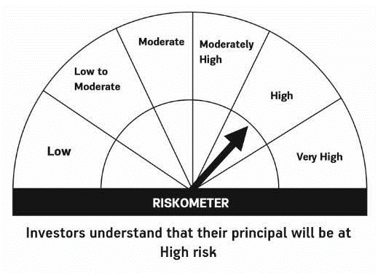

HSBC Mutual Fund
HSBC Managed Solutions India - Moderate
HSBC Managed Solutions India-Moderate (An open ended Fund of Funds Scheme investing in a basket of equity, debt, Gold and other Exchange Traded Funds.)
Portfolio Statement as of April 30, 2024

Name of the Instrument | ISIN | Rating/Industries | Quantity | Market Value (Rs in Lacs) | Percentage to Net Assets | Yield of the Instrument (%) | YTC @
 |  |  |  |  |  |  | CRISIL | ICRA
Mutual Fund Units
Domestic Mutual Fund Units
HSBC Large Cap Fund- Direct Growth | INF336L01CM7 | Internal - Mutual Fund Units | 582,062.13 | 2,781.40 | 47.50%
HSBC Small Cap Fund - Direct Growth | INF917K01QA1 | Internal - Mutual Fund Units | 1,180,053.00 | 983.54 | 16.80%
HSBC Short Duration Fund - Direct Growth | INF917K01IQ4 | Internal - Mutual Fund Units | 3,683,782.82 | 931.97 | 15.92%
HSBC Medium To Long Duration Fund - Direct Growth | INF336L01DE2 | Internal - Mutual Fund Units | 1,659,086.18 | 699.11 | 11.94%
HSBC Dynamic Bond Fund - Direct Growth | INF917K01HA0 | Internal - Mutual Fund Units | 1,602,707.65 | 460.04 | 7.86%
Total |  |  |  | 5,856.06 | 100.02%
Treps |  |  |  | 14.61 | 0.25% | 6.63
Net Current Assets (including cash & bank balances) |  |  |  | -15.21 | -0.27% | 6.63
Total Net Assets as on 30-APRIL-2024 |  |  |  | 5,855.45 | 100.00%

Disclaimer


