HELABF
HSBC Mutual Fund
HSBC Arbitrage Fund
HSBC Arbitrage Fund(An open ended scheme investing in arbitrage opportunities)
Portfolio Statement as of April 30, 2025

Name of the Instrument | ISIN | Rating/Industries | Quantity | Market Value (Rs in Lacs) | Percentage to Net Assets | Yield of the Instrument (%) | YTC @ |  | Maturity Date
 |  |  |  |  |  |  | CRISIL | ICRA
Equity & Equity Related Instruments
Equity Shares
Listed / Awaiting listing on Stock Exchanges
ICICI Bank Limited | INE090A01021 | Banks | 1,055,600.00 | 15,063.41 | 6.44%
Bank of Baroda | INE028A01039 | Banks | 5,191,875.00 | 12,976.05 | 5.54%
Reliance Industries Limited | INE002A01018 | Petroleum Products | 895,500.00 | 12,581.78 | 5.38%
Axis Bank Limited | INE238A01034 | Banks | 728,750.00 | 8,635.69 | 3.69%
HDFC Bank Limited | INE040A01034 | Banks | 437,250.00 | 8,417.06 | 3.60%
IDFC First Bank Limited | INE092T01019 | Banks | 12,795,000.00 | 8,302.68 | 3.55%
State Bank of India | INE062A01020 | Banks | 863,250.00 | 6,808.02 | 2.91%
Tata Power Company Limited | INE245A01021 | Power | 1,381,050.00 | 5,308.76 | 2.27%
Laurus Labs Limited | INE947Q01028 | Pharmaceuticals & Biotechnology | 758,200.00 | 4,578.39 | 1.96%
Bandhan Bank Limited | INE545U01014 | Banks | 2,534,000.00 | 4,196.81 | 1.79%
Tata Motors Limited | INE155A01022 | Automobiles | 601,700.00 | 3,876.45 | 1.66%
Tata Consumer Products Limited | INE192A01025 | Agricultural Food & other Products | 330,600.00 | 3,854.13 | 1.65%
Rec Limited | INE020B01018 | Finance | 884,000.00 | 3,713.68 | 1.59%
Punjab National Bank Limited | INE160A01022 | Banks | 3,656,000.00 | 3,663.68 | 1.57%
Aditya Birla Fashion and Retail Limited | INE647O01011 | Retailing | 1,224,600.00 | 3,227.43 | 1.38%
Grasim Industries Limited | INE047A01021 | Cement & Cement Products | 110,750.00 | 3,031.78 | 1.30%
Infosys Limited | INE009A01021 | IT - Software | 183,600.00 | 2,754.18 | 1.18%
Tata Communications Limited | INE151A01013 | Telecom - Services | 167,250.00 | 2,661.62 | 1.14%
Canara Bank | INE476A01022 | Banks | 2,713,500.00 | 2,644.31 | 1.13%
Manappuram Finance Limited | INE522D01027 | Finance | 1,140,000.00 | 2,631.69 | 1.12%
Crompton Greaves Consumer Electricals Limited | INE299U01018 | Consumer Durables | 729,000.00 | 2,458.92 | 1.05%
Shriram Finance Limited | INE721A01047 | Finance | 399,000.00 | 2,440.68 | 1.04%
CG Power and Industrial Solutions Limited | INE067A01029 | Electrical Equipment | 338,575.00 | 2,122.19 | 0.91%
RBL Bank Limited | INE976G01028 | Banks | 1,022,500.00 | 2,048.78 | 0.88%
Coforge Limited | INE591G01017 | IT - Software | 27,825.00 | 2,032.62 | 0.87%
JSW Steel Limited | INE019A01038 | Ferrous Metals | 182,250.00 | 1,876.81 | 0.80%
NMDC Limited | INE584A01023 | Minerals & Mining | 2,470,500.00 | 1,600.64 | 0.68%
Aditya Birla Capital Limited | INE674K01013 | Finance | 766,800.00 | 1,505.69 | 0.64%
ITC Limited | INE154A01025 | Diversified FMCG | 348,800.00 | 1,485.19 | 0.63%
Bharat Heavy Electricals Limited | INE257A01026 | Electrical Equipment | 651,000.00 | 1,476.73 | 0.63%
DLF Limited | INE271C01023 | Realty | 206,250.00 | 1,390.74 | 0.59%
MRF Limited | INE883A01011 | Auto Components | 1,020.00 | 1,371.95 | 0.59%
Larsen & Toubro Limited | INE018A01030 | Construction | 39,300.00 | 1,313.01 | 0.56%
Indian Energy Exchange Limited | INE022Q01020 | Capital Markets | 630,000.00 | 1,199.21 | 0.51%
The Ramco Cements Limited | INE331A01037 | Cement & Cement Products | 107,950.00 | 1,018.62 | 0.44%
Power Grid Corporation of India Limited | INE752E01010 | Power | 329,400.00 | 1,012.74 | 0.43%
Vedanta Limited | INE205A01025 | Diversified Metals | 233,450.00 | 978.62 | 0.42%
Jio Financial Services Limited | INE758E01017 | Finance | 348,150.00 | 906.65 | 0.39%
Pidilite Industries Limited | INE318A01026 | Chemicals & Petrochemicals | 27,750.00 | 841.91 | 0.36%
ICICI Lombard General Insurance Company Limited | INE765G01017 | Insurance | 44,000.00 | 825.66 | 0.35%
Power Finance Corporation Limited | INE134E01011 | Finance | 191,100.00 | 778.54 | 0.33%
Max Healthcare Institute Limited | INE027H01010 | Healthcare Services | 68,775.00 | 755.29 | 0.32%
Indian Oil Corporation Limited | INE242A01010 | Petroleum Products | 487,500.00 | 672.07 | 0.29%
Syngene International Limited | INE398R01022 | Healthcare Services | 105,000.00 | 665.75 | 0.28%
NTPC Limited | INE733E01010 | Power | 186,000.00 | 659.46 | 0.28%
Kotak Mahindra Bank Limited | INE237A01028 | Banks | 28,800.00 | 635.93 | 0.27%
Tata Consultancy Services Limited | INE467B01029 | IT - Software | 18,375.00 | 634.62 | 0.27%
Varun Beverages Limited | INE200M01039 | Beverages | 118,125.00 | 617.03 | 0.26%
Divi''s Laboratories Limited | INE361B01024 | Pharmaceuticals & Biotechnology | 10,000.00 | 608.70 | 0.26%
Aurobindo Pharma Limited | INE406A01037 | Pharmaceuticals & Biotechnology | 45,100.00 | 554.32 | 0.24%
IndusInd Bank Limited | INE095A01012 | Banks | 63,500.00 | 532.38 | 0.23%
Torrent Pharmaceuticals Limited | INE685A01028 | Pharmaceuticals & Biotechnology | 16,000.00 | 531.52 | 0.23%
Jubilant Foodworks Limited | INE797F01020 | Leisure Services | 73,750.00 | 527.61 | 0.23%
Mahanagar Gas Limited | INE002S01010 | Gas | 38,000.00 | 511.52 | 0.22%
Steel Authority of India Limited | INE114A01011 | Ferrous Metals | 440,000.00 | 500.32 | 0.21%
LIC Housing Finance Limited | INE115A01026 | Finance | 83,000.00 | 498.79 | 0.21%
Cyient Limited | INE136B01020 | IT - Services | 41,700.00 | 495.27 | 0.21%
Hero MotoCorp Limited | INE158A01026 | Automobiles | 12,900.00 | 493.73 | 0.21%
PB Fintech Limited | INE417T01026 | Financial Technology (Fintech) | 28,925.00 | 470.12 | 0.20%
Samvardhana Motherson International Limited | INE775A01035 | Auto Components | 351,450.00 | 468.38 | 0.20%
Oil India Limited | INE274J01014 | Oil | 107,500.00 | 441.56 | 0.19%
Bosch Limited | INE323A01026 | Auto Components | 1,425.00 | 419.73 | 0.18%
Exide Industries Limited | INE302A01020 | Auto Components | 111,600.00 | 392.55 | 0.17%
ABB India Limited | INE117A01022 | Electrical Equipment | 7,000.00 | 386.58 | 0.17%
Dalmia Bharat Limited | INE00R701025 | Cement & Cement Products | 19,250.00 | 373.97 | 0.16%
HFCL Limited | INE548A01028 | Telecom - Services | 452,350.00 | 359.12 | 0.15%
UltraTech Cement Limited | INE481G01011 | Cement & Cement Products | 2,900.00 | 337.59 | 0.14%
Glenmark Pharmaceuticals Limited | INE935A01035 | Pharmaceuticals & Biotechnology | 23,725.00 | 327.69 | 0.14%
CESC Limited | INE486A01021 | Power | 204,750.00 | 325.57 | 0.14%
MphasiS Limited | INE356A01018 | IT - Software | 12,375.00 | 305.54 | 0.13%
Bank of India | INE084A01016 | Banks | 260,550.00 | 300.02 | 0.13%
Container Corporation of India Limited | INE111A01025 | Transport Services | 44,000.00 | 296.43 | 0.13%
Granules India Limited | INE101D01020 | Pharmaceuticals & Biotechnology | 65,000.00 | 296.27 | 0.13%
Max Financial Services Limited | INE180A01020 | Insurance | 22,400.00 | 292.32 | 0.12%
TVS Motor Company Limited | INE494B01023 | Automobiles | 10,850.00 | 289.91 | 0.12%
Indus Towers Limited | INE121J01017 | Telecom - Services | 68,000.00 | 277.58 | 0.12%
Bajaj Finance Limited | INE296A01024 | Finance | 3,000.00 | 259.04 | 0.11%
Bajaj Auto Limited | INE917I01010 | Automobiles | 3,075.00 | 246.92 | 0.11%
Hindustan Copper Limited | INE531E01026 | Non - Ferrous Metals | 113,950.00 | 243.03 | 0.10%
Persistent Systems Limited | INE262H01021 | IT - Software | 4,400.00 | 234.15 | 0.10%
HCL Technologies Limited | INE860A01027 | IT - Software | 13,650.00 | 213.96 | 0.09%
Supreme Industries Limited | INE195A01028 | Industrial Products | 5,250.00 | 185.80 | 0.08%
Wipro Limited | INE075A01022 | IT - Software | 60,000.00 | 144.90 | 0.06%
Birlasoft Limited | INE836A01035 | IT - Software | 35,000.00 | 136.57 | 0.06%
Bharti Airtel Limited | INE397D01024 | Telecom - Services | 7,125.00 | 132.85 | 0.06%
Tata Chemicals Limited | INE092A01019 | Chemicals & Petrochemicals | 15,400.00 | 128.94 | 0.06%
Hindustan Aeronautics Limited | INE066F01020 | Aerospace & Defense | 2,550.00 | 114.44 | 0.05%
SRF Limited | INE647A01010 | Chemicals & Petrochemicals | 3,750.00 | 112.83 | 0.05%
Godrej Properties Limited | INE484J01027 | Realty | 5,175.00 | 111.86 | 0.05%
Britannia Industries Limited | INE216A01030 | Food Products | 2,000.00 | 108.78 | 0.05%
Biocon Limited | INE376G01013 | Pharmaceuticals & Biotechnology | 32,500.00 | 104.59 | 0.04%
JSW Energy Limited | INE121E01018 | Power | 21,750.00 | 104.23 | 0.04%
Voltas Limited | INE226A01021 | Consumer Durables | 8,400.00 | 103.83 | 0.04%
Piramal Enterprises Limited | INE140A01024 | Finance | 10,500.00 | 101.63 | 0.04%
Astral Limited | INE006I01046 | Industrial Products | 7,340.00 | 98.73 | 0.04%
Bharat Electronics Limited | INE263A01024 | Aerospace & Defense | 28,500.00 | 89.52 | 0.04%
National Aluminium Company Limited | INE139A01034 | Non - Ferrous Metals | 56,250.00 | 88.01 | 0.04%
ICICI Prudential Life Insurance Company Limited | INE726G01019 | Insurance | 14,250.00 | 87.54 | 0.04%
Mahindra & Mahindra Limited | INE101A01026 | Automobiles | 2,800.00 | 82.01 | 0.04%
HDFC Asset Management Company Limited | INE127D01025 | Capital Markets | 1,800.00 | 78.74 | 0.03%
Aarti Industries Limited | INE769A01020 | Chemicals & Petrochemicals | 16,000.00 | 67.40 | 0.03%
Jindal Steel & Power Limited | INE749A01030 | Ferrous Metals | 7,500.00 | 67.17 | 0.03%
Zydus Lifesciences Limited | INE010B01027 | Pharmaceuticals & Biotechnology | 7,200.00 | 63.95 | 0.03%
Info Edge (India) Limited | INE663F01024 | Retailing | 900.00 | 63.63 | 0.03%
Patanjali Foods Limited | INE619A01035 | Agricultural Food & other Products | 3,000.00 | 57.18 | 0.02%
LTIMindtree Limited | INE214T01019 | IT - Software | 1,200.00 | 55.04 | 0.02%
Eicher Motors Limited | INE066A01021 | Automobiles | 700.00 | 38.97 | 0.02%
Apollo Hospitals Enterprise Limited | INE437A01024 | Healthcare Services | 500.00 | 34.89 | 0.01%
Bharat Petroleum Corporation Limited | INE029A01011 | Petroleum Products | 10,800.00 | 33.49 | 0.01%
Oil & Natural Gas Corporation Limited | INE213A01029 | Oil | 13,475.00 | 32.94 | 0.01%
IRB Infrastructure Developers Limited | INE821I01022 | Construction | 71,750.00 | 32.72 | 0.01%
Cummins India Limited | INE298A01020 | Industrial Products | 1,050.00 | 30.40 | 0.01%
One 97 Communications Limited | INE982J01020 | Financial Technology (Fintech) | 3,250.00 | 28.10 | 0.01%
Cipla Limited | INE059A01026 | Pharmaceuticals & Biotechnology | 1,625.00 | 25.19 | 0.01%
NHPC Limited | INE848E01016 | Power | 25,600.00 | 21.96 | 0.01%
SBI Cards & Payment Services Limited | INE018E01016 | Finance | 2,400.00 | 20.97 | 0.01%
Avenue Supermarts Limited | INE192R01011 | Retailing | 450.00 | 18.90 | 0.01%
Titan Company Limited | INE280A01028 | Consumer Durables | 525.00 | 17.74 | 0.01%
Vodafone Idea Limited | INE669E01016 | Telecom - Services | 240,000.00 | 17.09 | 0.01%
Nestle India Limited | INE239A01024 | Food Products | 600.00 | 14.33 | 0.01%
Indian Railway Catering & Tourism Corporation Ltd | INE335Y01020 | Leisure Services | 1,750.00 | 13.15 | 0.01%
APL Apollo Tubes Limited | INE702C01027 | Industrial Products | 700.00 | 11.34 | 0.00%
PI Industries Litmited | INE603J01030 | Fertilizers & Agrochemicals | 250.00 | 9.10 | 0.00%
Polycab India Limited | INE455K01017 | Industrial Products | 125.00 | 6.90 | 0.00%
Torrent Power Limited | INE813H01021 | Power | 375.00 | 5.77 | 0.00%
Inox Wind Limited | INE066P01011 | Electrical Equipment | 3,225.00 | 5.45 | 0.00%
Housing & Urban Development Corporation Limited | INE031A01017 | Finance | 2,425.00 | 5.42 | 0.00%
KEI Industries Limited | INE878B01027 | Industrial Products | 150.00 | 4.60 | 0.00%
Total |  |  |  | 169,985.43 | 72.63%
Money Market Instruments
Certificate of Deposit
Privately Placed/Unlisted
ICICI Bank Limited** | INE090AD6204 | CRISIL A1+ | 1,000.00 | 4,826.14 | 2.06% | 6.67 |  |  | 14-Nov-25
Axis Bank Limited** | INE238AD6942 | CRISIL A1+ | 500.00 | 2,427.60 | 1.04% | 6.72 |  |  | 10-Oct-25
Kotak Mahindra Bank Limited** | INE237A167Y4 | CRISIL A1+ | 500.00 | 2,407.18 | 1.03% | 6.67 |  |  | 28-Nov-25
Small Industries Development Bank of India** | INE556F16AX2 | CRISIL A1+ | 500.00 | 2,403.60 | 1.03% | 6.72 |  |  | 5-Dec-25
Total |  |  |  | 12,064.52 | 5.16%
Mutual Fund Units
Domestic Mutual Fund Units
HSBC Liquid Fund - Direct Growth | INF336L01CC8 | Internal - Mutual Fund Units | 1,031,678.09 | 26,819.17 | 11.46%
HSBC Ultra Short Duration Fund - Direct Growth | INF336L01OR1 | Internal - Mutual Fund Units | 1,414,952.43 | 19,202.40 | 8.20%
HSBC Money Market Fund - Direct Growth | INF917K01FE6 | Internal - Mutual Fund Units | 9,129,729.00 | 2,500.06 | 1.07%
Total |  |  |  | 48,521.63 | 20.73%
Treps |  |  |  | 3,654.02 | 1.56% | 5.93 |  |  | 2-May-25
Net Current Assets (including cash & bank balances) |  |  |  | -150.66 | -0.08% | 5.93
Total Net Assets as on 30-April-2025 |  |  |  | 234,074.94 | 100.00%
Market Value includes accrued interest
** Securities are classified as non-traded on the basis of Traded data as on APR 30, 2025 provided by CRISIL and ICRA.
^ Securities are classified as traded on the basis of Traded data as on APR 30, 2025 provided by CRISIL and ICRA.
Aggregate value of investments made by other schemes of HSBC Mutual Fund are amounting to Rs. 5554.17 Lakhs.

HSBC Arbitrage Fund |  | Scheme Riskometer |  | Scheme Benchmark Riskometer

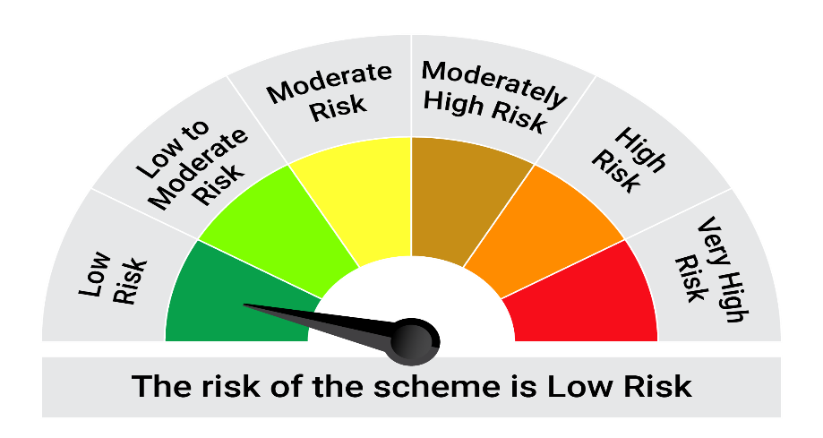
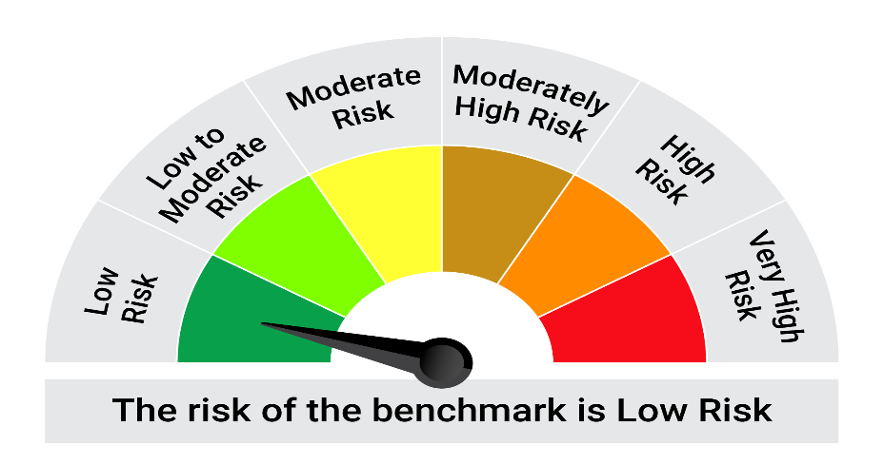
This product is suitable for investors who are seeking*:• Generation of reasonable returns over short to medium term • Investment predominantly in arbitrage opportunities in the cash and derivatives segments of the equity markets; and debt and money market instrument.

*Investors should consult their financial advisers if in doubt about whether the product is suitable for them.

Mutual fund investments are subject to market risks, read all scheme realted documents carefully. |  |  | Scheme Benchmark: Nifty 50 Arbitrage Index

Please note that the above risk-o-meter is as per the product labelling of the scheme available as on the date of this communication/ disclosure. as per SEBI circular dated May 19, 2023 on product labelling (as amended from time to time), risk-o-meters will be calculated on a monthly basis based on the risk values of the respective scheme's portfolio based on the methodology specified by SEBI in the above stated circular. The AMC shall disclose the risk-o-meters along with portfolio disclosure for all their schemes on their respective website and on AMFI website within 10 days from the close of each month. Any change in risk-o-meter shall be communicated by way of Notice cum Addendum and by way of an e-mail or SMS to unitholders of that particular Scheme.

Disclaimer


